Poly-Si WF
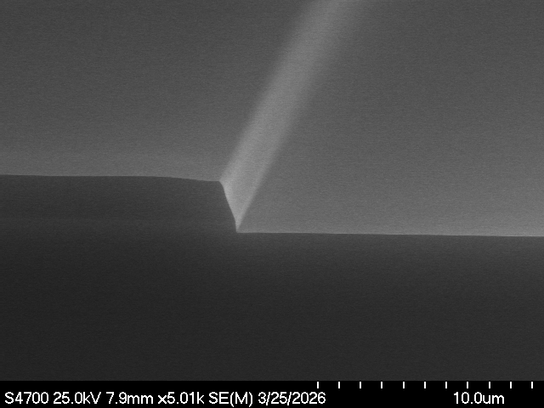
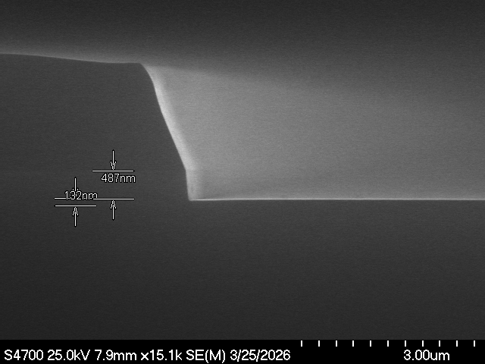
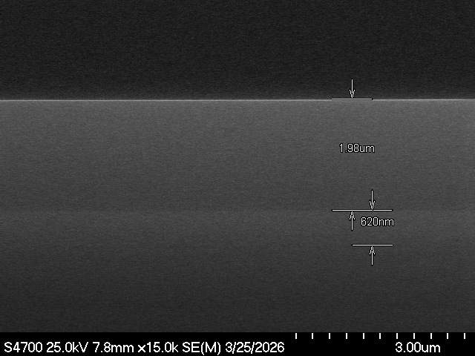
Before Etch
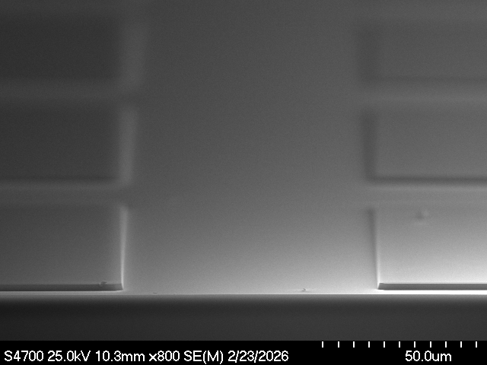
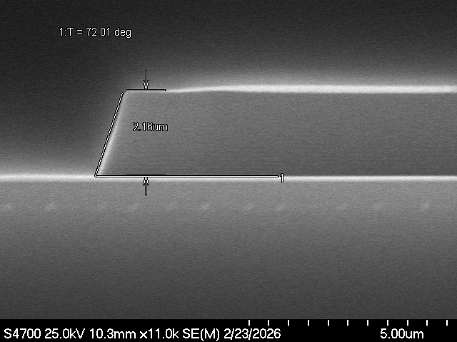
PR
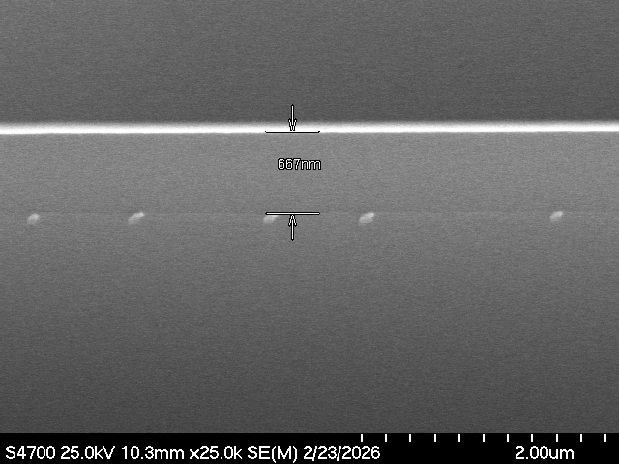
Poly-Si

Standard
Date | Step | WF | Step | Pressure (mT) | RFT (watt) | RFB (watt) | Cl2 (sccm) | HBr (sccm) | He (sccm) | CF4 (sccm) | O2/He (sccm) | B He (Torr) | Time (sec) | Temp (℃) |  | Chuck
260224 | Poly | Coupon | ARC | 16 | 550 | 40 | 0 | 0 | 0 | 100 | 20 | 4, 12 | 35 | Cathode | 65 | 8"
 |  |  | ME1 | 4 | 600 | 70 | 50 | 225 | 0 | 0 | 15 | 6, 10 | 80 | Wall | 65
Result |  | T | C | B | L | R | Ashing |  | T | C | B | L | R
Remain PR(㎛) |  |  | 2.17
Poly Depth(㎚) |  |  | 225
Taper Angle( ˚ )
Poly E/R(Å/min) |  |  | 1688
Sel to PR
Uniformity(%) |  | 0.00% |  |  |  |  |  |  | #DIV/0!
Comment

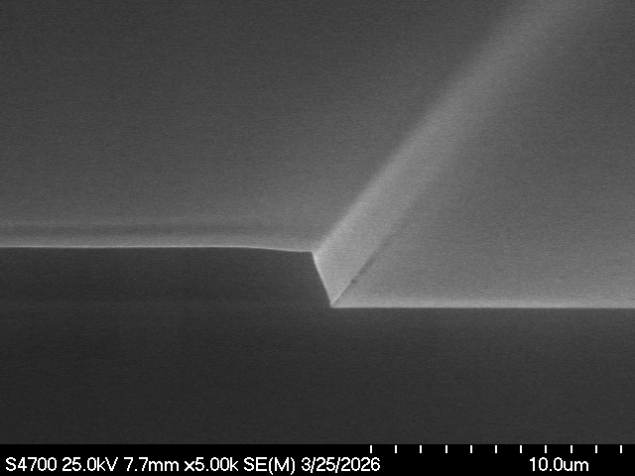
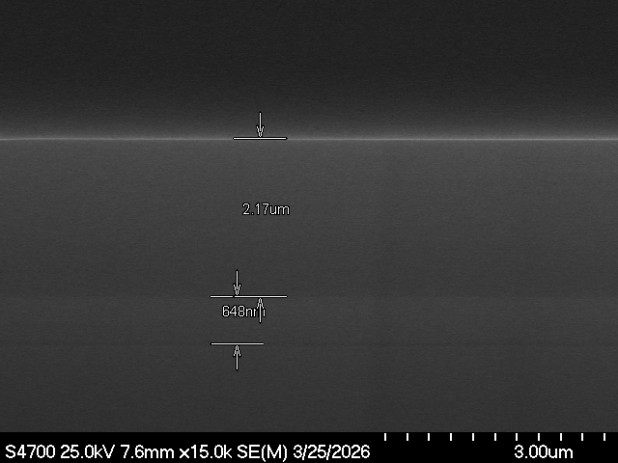
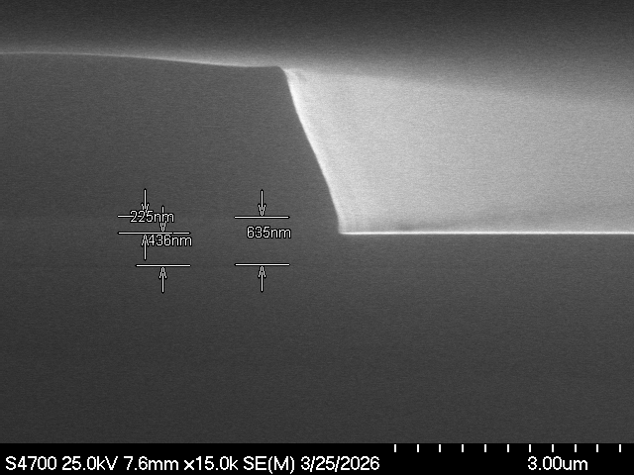

Source power
Date | Step | WF | Step | Pressure (mT) | RFT (watt) | RFB (watt) | Cl2 (sccm) | HBr (sccm) | He (sccm) | CF4 (sccm) | O2/He (sccm) | B He (Torr) | Time (sec) | Temp (℃) |  | Chuck
260224 | Poly | Coupon | ARC | 16 | 550 | 40 | 0 | 0 | 0 | 100 | 20 | 4, 12 | 35 | Cathode | 65 | 8"
 |  |  | ME1 | 4 | 300 | 70 | 50 | 225 | 0 | 0 | 15 | 6, 10 | 80 | Wall | 65
Result |  | T | C | B | L | R | Ashing |  | T | C | B | L | R
Remain PR(㎛) |  |  | 2.16
Poly Depth(㎚) |  |  | 212
Taper Angle( ˚ )
Poly E/R(Å/min) |  |  | 1590
Sel to PR
Uniformity(%) |  | 0.00% |  |  |  |  |  |  | #DIV/0!
Comment

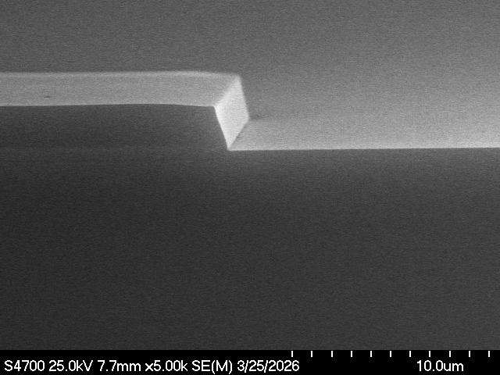
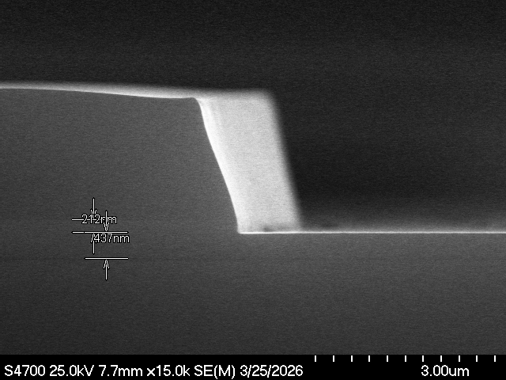
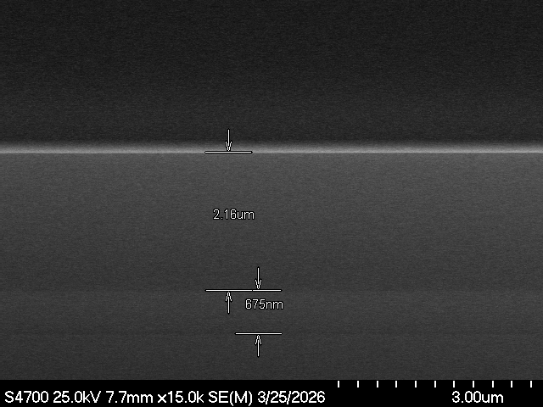

Bias power
Date | Step | WF | Step | Pressure (mT) | RFT (watt) | RFB (watt) | Cl2 (sccm) | HBr (sccm) | He (sccm) | CF4 (sccm) | O2/He (sccm) | B He (Torr) | Time (sec) | Temp (℃) |  | Chuck
260224 | Poly | Coupon | ARC | 16 | 550 | 40 | 0 | 0 | 0 | 100 | 20 | 4, 12 | 35 | Cathode | 65 | 8"
 |  |  | ME1 | 4 | 600 | 140 | 50 | 225 | 0 | 0 | 15 | 6, 10 | 80 | Wall | 65
Result |  | T | C | B | L | R | Ashing |  | T | C | B | L | R
Remain PR(㎛) |  |  | 1.98
Poly Depth(㎚) |  |  | 487
Taper Angle( ˚ )
Poly E/R(Å/min) |  |  | 3653
Sel to PR
Uniformity(%) |  | 0.00% |  |  |  |  |  |  | #DIV/0!
Comment

