Overview
In this workbook, we explore five record-related topics in the following order:
...conditional formatting (including the management of formatting rules)
...one-field sorting (a lead-in to subtotaling)
...subtotaling (which has sorting as a first step)
...multi-field sorting
...filtering records (the various ways to specify filtering conditions)

Conditional Formatting
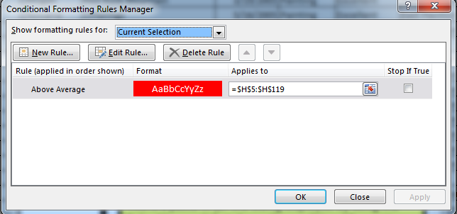
Conditional Formatting
(calling attention to qualifying cells by formatting them to catch the eye)
(applies only to cells that have been selected
just before the formatting condition is put into place)

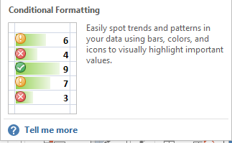

The Conditional Formatting button brings up a rich set of choices

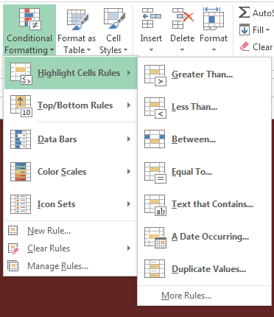

One set of choices:
"Highlight Cells Rules"

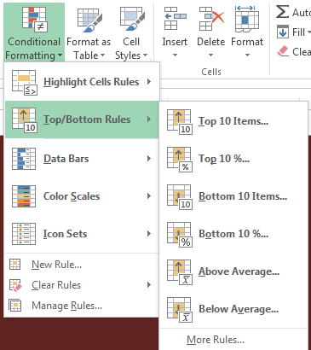

Another set of choices
"Top/Bottom Rules"

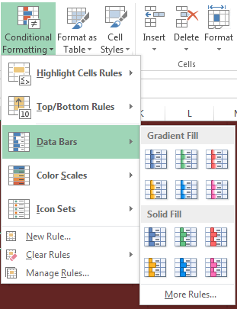

Yet another set of choices
"Data Bars"

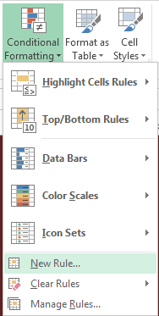

And so on, including building your own formula-based rules

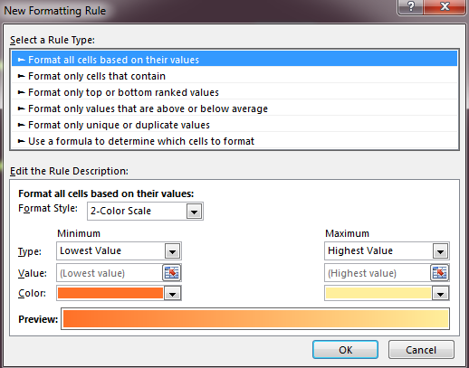

Various
Rule Types

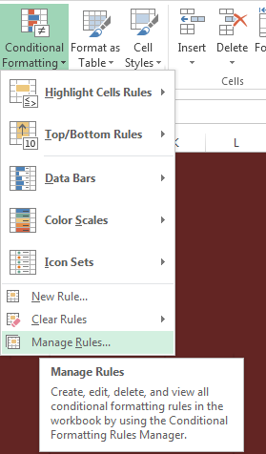

And Including Use of
the Rules Manager

Art Collection Records
Records Describing a Museum's Art Objects
(this is a Structured Range of Data)

ArtID | Artist | Title | Date Acquired | Category | Condition | Location | Appraised Value
1 | Mogan | Red Rock Mountain | 2005-03-19 | Painting | Excellent | East Pavilion | $18,000
2 | Novarre | Offerings | 2005-05-16 | Painting | Excellent | East Pavilion | $10,000
3 | Chico | Spring Flowers | 2004-03-20 | Sculpture | Excellent | East Pavilion | $2,400
4 | Roman | Seeking Shelter | 2005-10-08 | Sculpture | Excellent | Courtyard | $52,000
5 | DiGrigoro | The Hang | 2004-07-16 | Painting | Excellent | East Pavilion | $8,000
6 | Ibe | House Remembered | 2004-08-16 | Sculpture | Good | East Pavilion | $700
7 | Zischke | Homage to the Ancestors | 2004-07-17 | Textile | Excellent | East Pavilion | $1,200
8 | Gilhooly | End of the Path | 2004-08-16 | Sculpture | Excellent | East Pavilion | $1,900
We will use these records to demonstrate conditional formatting.
9 | Guys | Amen | 2003-12-13 | Sculpture | Excellent | East Pavilion | $3,000
10 | Swartz | Untitled (two figures) | 2007-09-08 | Sculpture | Excellent | East Pavilion | $800
11 | Dill | Eve | 2004-07-16 | Sculpture | Excellent | East Pavilion | $975
12 | Udinotti | Man on horseback | 2007-11-10 | Painting | Good | East Pavilion | $8,000
13 | Aserty | Superstitions | 2009-01-10 | Painting | Excellent | Courtyard | $78,000
14 | McGraw | Plenty | 2005-02-19 | Sculpture | Excellent | West Pavilion | $500
15 | McIver | Punch | 2005-03-19 | Painting | Excellent | East Pavilion | $10,000
16 | Schenck | Untitled | 2006-01-07 | Painting | Excellent | East Pavilion | $6,000
17 | Bindner | Brittlecone | 2004-01-10 | Sculpture | Excellent | East Pavilion | $1,300
18 | Blum | Mountain Scene | 2004-01-10 | Sculpture | Excellent | East Pavilion | $2,500
19 | Reed | The White Heart | 2005-08-14 | Painting | Excellent | East Pavilion | $9,300
20 | Turrell | Untitled (Man holding coat) | 2007-10-13 | Textile | Excellent | East Pavilion | $3,000
21 | Aserty | Bead Wall | 2004-01-10 | Installation | Excellent | Courtyard | $14,000
22 | Shenal | The Cowboy | 2007-03-10 | Sculpture | Excellent | East Pavilion | $4,200
23 | Meglech | Shooting the Rapids | 2004-09-03 | Sculpture | Excellent | East Pavilion | $1,300
24 | Metz | Spirit and Nature | 2005-05-16 | Sculpture | Fair | West Pavilion | $592
25 | Senior | Profile of a Woman | 2006-11-11 | Sculpture | Excellent | West Pavilion | $625
26 | Scherzel | Untitled (madonna figure) | 2006-07-08 | Painting | Good | East Pavilion | $4,000
27 | Meglech | Mountain Climber | 2004-08-16 | Textile | Good | East Pavilion | $4,700
28 | Mogan | Tired cowboy | 2005-05-16 | Painting | Excellent | East Pavilion | $4,700
29 | Hofmann | Horseshoe Falls | 2004-08-16 | Painting | Excellent | East Pavilion | $15,000
30 | Guys | Ash Bench | 2004-01-10 | Sculpture | Good | East Pavilion | $13,000
31 | Ingraham | Inside/Out | 2004-08-16 | Painting | Excellent | East Pavilion | $3,500
32 | Lundquist | Rising Sun | 2004-08-16 | Sculpture | Excellent | East Pavilion | $2,000
33 | Werner | Untitled (Woman in abstract) | 2008-12-13 | Sculpture | Excellent | East Pavilion | $2,500
34 | Aserty | Beaver Pole Jumble | 2007-01-10 | Installation | Excellent | South Pavilion | $28,000
35 | Meglech | Nature/Nurture | 2004-08-16 | Sculpture | Excellent | East Pavilion | $1,300
36 | Battenberg | Blackhaw | 2004-01-10 | Sculpture | Excellent | East Pavilion | $25,500
37 | Fleming | Floating World | 2004-07-18 | Sculpture | Fair | East Pavilion | $2,350
38 | Acconci | Spring Flowers | 2003-05-10 | Sculpture | Good | East Pavilion | $800
39 | Cox | Treachery | 2004-05-11 | Painting | Excellent | West Pavilion | $20,000
40 | Meglech | Night on the Praire | 2004-09-03 | Sculpture | Excellent | East Pavilion | $1,300
41 | Hamend | Night Version | 2004-08-16 | Painting | Excellent | East Pavilion | $3,800
42 | Ames | Coffee on the Trail | 2003-08-09 | Painting | Good | East Pavilion | $7,544
43 | Guys | Creosote Bushes | 2004-01-10 | Sculpture | Excellent | East Pavilion | $18,000
44 | Lutes | Mexican Fiesta | 2004-08-16 | Painting | Excellent | East Pavilion | $14,000
45 | Kritz | Leaf Patterns | 2004-08-16 | Sculpture | Excellent | East Pavilion | $2,100
46 | Indiana | Immediate Gratification | 2004-08-16 | Sculpture | Good | East Pavilion | $1,500
47 | Maglich | Medicine Man | 2004-08-16 | Textile | Good | East Pavilion | $2,500
48 | Pierobon | Comfy Chair | 2005-07-16 | Sculpture | Excellent | East Pavilion | $800
49 | Blain | Buttercup with Red Lip | 2004-01-10 | Sculpture | Excellent | Garden | $400
50 | Acconci | Cattle Ranch | 2004-04-19 | Textile | Good | East Pavilion | $10,000
51 | Kerrihard | Night Version | 2004-08-16 | Painting | Excellent | East Pavilion | $7,000
52 | Curtis | American Rodeo | 2004-05-15 | Painting | Poor | East Pavilion | $3,500
53 | Bindner | Blue Eyed Indian | 2009-01-10 | Painting | Excellent | Courtyard | $40,000
54 | Mogan | Snake Charmer | 2005-05-16 | Painting | Good | East Pavilion | $4,500
55 | Budd | Starlit Evening | 2004-01-10 | Painting | Excellent | East Pavilion | $9,500
56 | Bindner | Cavaralry is Coming | 2004-01-10 | Sculpture | Excellent | East Pavilion | $1,900
57 | Scherzel | Untitled | 2006-01-07 | Painting | Fair | East Pavilion | $4,500
58 | Rath | The Gathering | 2005-07-16 | Sculpture | Excellent | West Pavilion | $250
59 | Dawson | Dwelling | 2004-07-16 | Painting | Excellent | East Pavilion | $16,000
60 | Lundquist | Story Sticks | 2004-08-16 | Sculpture | Excellent | West Pavilion | $650
61 | Wittner | Untitled Mural | 2009-03-07 | Painting | Excellent | East Pavilion | $3,520
62 | Lowney | Cowboy and Saddle | 2004-08-16 | Painting | Excellent | East Pavilion | $18,000
63 | Aserty | Asleep in the garden | 2009-01-10 | Installation | Excellent | Garden | $110,000
64 | Motherwell | Spirit Columns | 2005-05-16 | Painting | Excellent | East Pavilion | $7,000
65 | Meglech | Moonlite | 2004-08-16 | Sculpture | Excellent | East Pavilion | $1,300
66 | Waid | Untitled (still life) | 2008-12-13 | Painting | Excellent | Courtyard | $19,500
67 | Miller | Owl in Flight | 2005-05-16 | Painting | Excellent | East Pavilion | $7,000
68 | Mogan | Moonlight | 2005-04-09 | Painting | Fair | East Pavilion | $9,750
69 | Mogan | Renaissance | 2005-05-15 | Painting | Excellent | East Pavilion | $5,500
70 | Baron | Beginnings | 2010-01-10 | Textile | Fair | East Pavilion | $27,500
71 | Wright | Ride the Rapids | 2009-08-15 | Sculpture | Good | Garden | $300
72 | Garin | Funnel | 2004-07-18 | Painting | Excellent | East Pavilion | $4,500
73 | Cridler | Dancing in the Light | 2004-05-15 | Sculpture | Fair | East Pavilion | $1,000
74 | Parker | Storm on the Rise | 2005-05-23 | Painting | Good | East Pavilion | $8,000
75 | Bindner | Western Boots and Spurs | 2004-01-10 | Painting | Fair | East Pavilion | $6,000
76 | Wright | Ride the Bronc | 2009-08-15 | Sculpture | Poor | East Pavilion | $1,500
77 | Bindner | Bull Riding | 2004-01-10 | Painting | Poor | East Pavilion | $5,200
78 | Guys | Chuckwagon | 2003-10-11 | Sculpture | Excellent | East Pavilion | $32,000
79 | Rissman | Carrying the Mail | 2005-09-03 | Painting | Excellent | East Pavilion | $8,000
80 | Quiroz | The Dust Behind | 2005-07-16 | Painting | Excellent | East Pavilion | $18,000
81 | Colvin | Coming Under Fire | 2004-04-17 | Sculpture | Poor | West Pavilion | $650
82 | Hamend | Spring Flowers | 2005-08-16 | Painting | Excellent | South Pavilion | $20,000
83 | Roman | Untitled | 2005-12-17 | Installation | Good | Courtyard | $2,500
84 | Garber | Crossing the Platt River | 2004-07-18 | Sculpture | Excellent | East Pavilion | $2,200
85 | Rogers | Traces | 2005-09-03 | Painting | Excellent | South Pavilion | $20,000
86 | Scholder | Untitled (desert landscape) | 2006-07-12 | Painting | Excellent | East Pavilion | $18,000
87 | Yasami | Three Woman | 2009-11-07 | Painting | Excellent | South Pavilion | $20,000
88 | Kollasch | Lessons | 2004-08-16 | Painting | Excellent | East Pavilion | $3,700
89 | Odiezma | Life Lessons | 2005-05-16 | Painting | Good | East Pavilion | $4,125
90 | Capplin | Trappers | 2004-04-18 | Painting | Good | East Pavilion | $6,000
91 | Carpenter | Off the Grid | 2004-02-07 | Installation | Excellent | Garden | $8,000
92 | Ortega | Stone Palette | 2005-05-21 | Painting | Excellent | East Pavilion | $11,500
93 | Meglech | Dressing Up | 2004-09-03 | Sculpture | Excellent | East Pavilion | $1,300
94 | Rissman | Antelopes | 2005-09-03 | Painting | Excellent | East Pavilion | $12,500
95 | Lerman | Life is Sweet | 2007-08-16 | Installation | Excellent | South Pavilion | $25,000
96 | Reed | The Spirit | 2005-07-16 | Painting | Excellent | South Pavilion | $20,000
97 | Cardenas | Ceremonial Sticks | 2004-01-23 | Painting | Excellent | East Pavilion | $15,000
98 | Van Coller | Untitled (Sea) | 2008-11-08 | Sculpture | Excellent | East Pavilion | $2,800
99 | Penn | Sweet Project | 2005-07-16 | Sculpture | Excellent | West Pavilion | $592
100 | Edwards | Watch that Rattler | 2004-07-17 | Textile | Good | East Pavilion | $900
101 | Kritz | Hungary cowboys | 2004-08-16 | Sculpture | Excellent | East Pavilion | $750
102 | Prinzen | The Red Door | 2005-07-16 | Painting | Excellent | East Pavilion | $10,000
103 | Cox | Crying Hats | 2004-05-11 | Painting | Excellent | East Pavilion | $10,000
104 | Acconci | Trail End | 2003-05-10 | Painting | Excellent | East Pavilion | $8,000
105 | Statom | Untitled | 2007-07-14 | Sculpture | Poor | East Pavilion | $1,800
106 | Xie | Meteor Show | 2009-09-12 | Painting | Excellent | East Pavilion | $10,000
107 | Long | Horse Corral | 2004-08-16 | Painting | Excellent | East Pavilion | $12,500
108 | Irvin | Striking it Rich | 2004-08-16 | Sculpture | Excellent | East Pavilion | $1,750
109 | Werner | Untitled Mural | 2009-02-07 | Sculpture | Excellent | Garden | $400
110 | Fratt | Friends | 2004-07-18 | Painting | Excellent | East Pavilion | $16,000
111 | Rissman | Three Sisters | 2005-09-03 | Painting | Excellent | East Pavilion | $6,500
112 | Tidwell | Untitled (man and crucifix) | 2007-10-13 | Textile | Excellent | East Pavilion | $3,200
113 | Gonzales | Dark Canyon | 2004-08-16 | Painting | Excellent | East Pavilion | $7,500
114 | Mogan | Shadow House | 2005-05-05 | Painting | Good | East Pavilion | $5,500
115 | Mogan | Storytelling at the Campfire | 2005-03-19 | Painting | Excellent | East Pavilion | $18,000

Conditional Formatting Exercise
Highlight each Appraised Value that is > the average Appraised Value (red fill, white font)

Remember that all cells to which conditional formatting is to apply must be selected before putting the conditional formatting rule into place.
ArtID | Artist | Title | Date Acquired | Category | Condition | Location | Appraised Value | Lowest Amount | $250
1 | Mogan | Red Rock Mountain | 2005-03-19 | Painting | Excellent | East Pavilion | $18,000 | Highest Amount | $18,000
2 | Novarre | Offerings | 2005-05-16 | Painting | Excellent | East Pavilion | $10,000
3 | Chico | Spring Flowers | 2004-03-20 | Sculpture | Excellent | East Pavilion | $2,400
To select all Appraised Value cells efficiently:
(1) Select the first Appraised Value (in cell H5)
(2) Hold the Ctrl key and Shift key (3) Press the down-arrow key
4 | Roman | Seeking Shelter | 2005-10-08 | Sculpture | Excellent | Courtyard | $52,000
5 | DiGrigoro | The Hang | 2004-07-16 | Painting | Excellent | East Pavilion | $8,000
6 | Ibe | House Remembered | 2004-08-16 | Sculpture | Good | East Pavilion | $700
7 | Zischke | Homage to the Ancestors | 2004-07-17 | Textile | Excellent | East Pavilion | $1,200
8 | Gilhooly | End of the Path | 2004-08-16 | Sculpture | Excellent | East Pavilion | $1,900
9 | Guys | Amen | 2003-12-13 | Sculpture | Excellent | East Pavilion | $3,000
10 | Swartz | Untitled (two figures) | 2007-09-08 | Sculpture | Excellent | East Pavilion | $800
11 | Dill | Eve | 2004-07-16 | Sculpture | Excellent | East Pavilion | $975
12 | Udinotti | Man on horseback | 2007-11-10 | Painting | Good | East Pavilion | $8,000
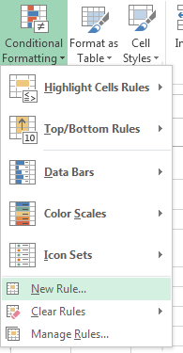
13 | Aserty | Superstitions | 2009-01-10 | Painting | Excellent | Courtyard | $78,000
14 | McGraw | Plenty | 2005-02-19 | Sculpture | Excellent | West Pavilion | $500
15 | McIver | Punch | 2005-03-19 | Painting | Excellent | East Pavilion | $10,000
16 | Schenck | Untitled | 2006-01-07 | Painting | Excellent | East Pavilion | $6,000
17 | Bindner | Brittlecone | 2004-01-10 | Sculpture | Excellent | East Pavilion | $1,300
18 | Blum | Mountain Scene | 2004-01-10 | Sculpture | Excellent | East Pavilion | $2,500
19 | Reed | The White Heart | 2005-08-14 | Painting | Excellent | East Pavilion | $9,300
20 | Turrell | Untitled (Man holding coat) | 2007-10-13 | Textile | Excellent | East Pavilion | $3,000
21 | Aserty | Bead Wall | 2004-01-10 | Installation | Excellent | Courtyard | $14,000
22 | Shenal | The Cowboy | 2007-03-10 | Sculpture | Excellent | East Pavilion | $4,200
23 | Meglech | Shooting the Rapids | 2004-09-03 | Sculpture | Excellent | East Pavilion | $1,300
24 | Metz | Spirit and Nature | 2005-05-16 | Sculpture | Fair | West Pavilion | $592
25 | Senior | Profile of a Woman | 2006-11-11 | Sculpture | Excellent | West Pavilion | $625
26 | Scherzel | Untitled (madonna figure) | 2006-07-08 | Painting | Good | East Pavilion | $4,000
27 | Meglech | Mountain Climber | 2004-08-16 | Textile | Good | East Pavilion | $4,700
28 | Mogan | Tired cowboy | 2005-05-16 | Painting | Excellent | East Pavilion | $4,700
29 | Hofmann | Horseshoe Falls | 2004-08-16 | Painting | Excellent | East Pavilion | $15,000
30 | Guys | Ash Bench | 2004-01-10 | Sculpture | Good | East Pavilion | $13,000
31 | Ingraham | Inside/Out | 2004-08-16 | Painting | Excellent | East Pavilion | $3,500
32 | Lundquist | Rising Sun | 2004-08-16 | Sculpture | Excellent | East Pavilion | $2,000
33 | Werner | Untitled (Woman in abstract) | 2008-12-13 | Sculpture | Excellent | East Pavilion | $2,500
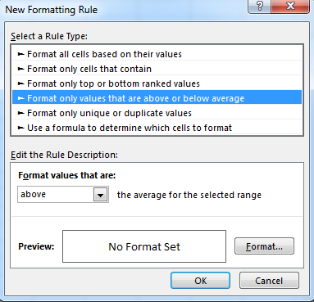
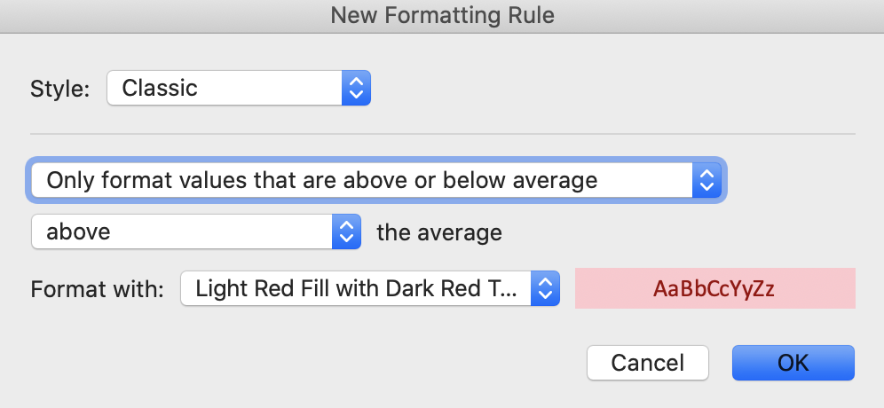
34 | Aserty | Beaver Pole Jumble | 2007-01-10 | Installation | Excellent | South Pavilion | $28,000
35 | Meglech | Nature/Nurture | 2004-08-16 | Sculpture | Excellent | East Pavilion | $1,300
36 | Battenberg | Blackhaw | 2004-01-10 | Sculpture | Excellent | East Pavilion | $25,500
37 | Fleming | Floating World | 2004-07-18 | Sculpture | Fair | East Pavilion | $2,350
38 | Acconci | Spring Flowers | 2003-05-10 | Sculpture | Good | East Pavilion | $800
39 | Cox | Treachery | 2004-05-11 | Painting | Excellent | West Pavilion | $20,000
40 | Meglech | Night on the Praire | 2004-09-03 | Sculpture | Excellent | East Pavilion | $1,300
41 | Hamend | Night Version | 2004-08-16 | Painting | Excellent | East Pavilion | $3,800
42 | Ames | Coffee on the Trail | 2003-08-09 | Painting | Good | East Pavilion | $7,544
43 | Guys | Creosote Bushes | 2004-01-10 | Sculpture | Excellent | East Pavilion | $18,000
44 | Lutes | Mexican Fiesta | 2004-08-16 | Painting | Excellent | East Pavilion | $14,000
45 | Kritz | Leaf Patterns | 2004-08-16 | Sculpture | Excellent | East Pavilion | $2,100
46 | Indiana | Immediate Gratification | 2004-08-16 | Sculpture | Good | East Pavilion | $1,500
47 | Maglich | Medicine Man | 2004-08-16 | Textile | Good | East Pavilion | $2,500
48 | Pierobon | Comfy Chair | 2005-07-16 | Sculpture | Excellent | East Pavilion | $800
49 | Blain | Buttercup with Red Lip | 2004-01-10 | Sculpture | Excellent | Garden | $400
50 | Acconci | Cattle Ranch | 2004-04-19 | Textile | Good | East Pavilion | $10,000
51 | Kerrihard | Night Version | 2004-08-16 | Painting | Excellent | East Pavilion | $7,000
52 | Curtis | American Rodeo | 2004-05-15 | Painting | Poor | East Pavilion | $3,500
53 | Bindner | Blue Eyed Indian | 2009-01-10 | Painting | Excellent | Courtyard | $40,000
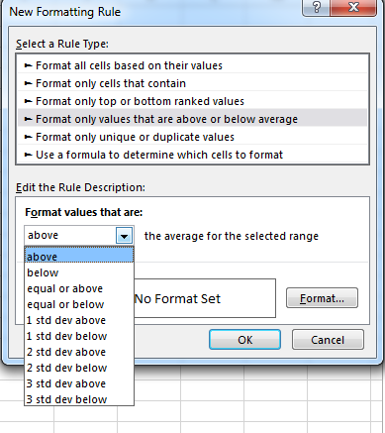
54 | Mogan | Snake Charmer | 2005-05-16 | Painting | Good | East Pavilion | $4,500
55 | Budd | Starlit Evening | 2004-01-10 | Painting | Excellent | East Pavilion | $9,500
56 | Bindner | Cavaralry is Coming | 2004-01-10 | Sculpture | Excellent | East Pavilion | $1,900
57 | Scherzel | Untitled | 2006-01-07 | Painting | Fair | East Pavilion | $4,500
58 | Rath | The Gathering | 2005-07-16 | Sculpture | Excellent | West Pavilion | $250
59 | Dawson | Dwelling | 2004-07-16 | Painting | Excellent | East Pavilion | $16,000
60 | Lundquist | Story Sticks | 2004-08-16 | Sculpture | Excellent | West Pavilion | $650
61 | Wittner | Untitled Mural | 2009-03-07 | Painting | Excellent | East Pavilion | $3,520
62 | Lowney | Cowboy and Saddle | 2004-08-16 | Painting | Excellent | East Pavilion | $18,000
63 | Aserty | Asleep in the garden | 2009-01-10 | Installation | Excellent | Garden | $110,000
64 | Motherwell | Spirit Columns | 2005-05-16 | Painting | Excellent | East Pavilion | $7,000
65 | Meglech | Moonlite | 2004-08-16 | Sculpture | Excellent | East Pavilion | $1,300
66 | Waid | Untitled (still life) | 2008-12-13 | Painting | Excellent | Courtyard | $19,500
67 | Miller | Owl in Flight | 2005-05-16 | Painting | Excellent | East Pavilion | $7,000
68 | Mogan | Moonlight | 2005-04-09 | Painting | Fair | East Pavilion | $9,750
69 | Mogan | Renaissance | 2005-05-15 | Painting | Excellent | East Pavilion | $5,500
70 | Baron | Beginnings | 2010-01-10 | Textile | Fair | East Pavilion | $27,500
71 | Wright | Ride the Rapids | 2009-08-15 | Sculpture | Good | Garden | $300
72 | Garin | Funnel | 2004-07-18 | Painting | Excellent | East Pavilion | $4,500
73 | Cridler | Dancing in the Light | 2004-05-15 | Sculpture | Fair | East Pavilion | $1,000
74 | Parker | Storm on the Rise | 2005-05-23 | Painting | Good | East Pavilion | $8,000
75 | Bindner | Western Boots and Spurs | 2004-01-10 | Painting | Fair | East Pavilion | $6,000
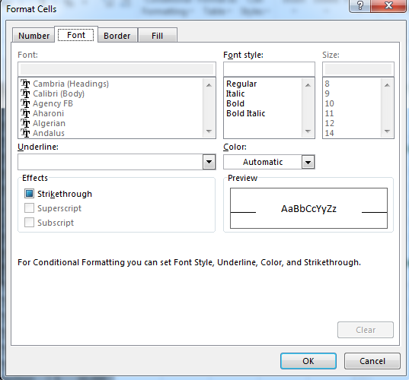
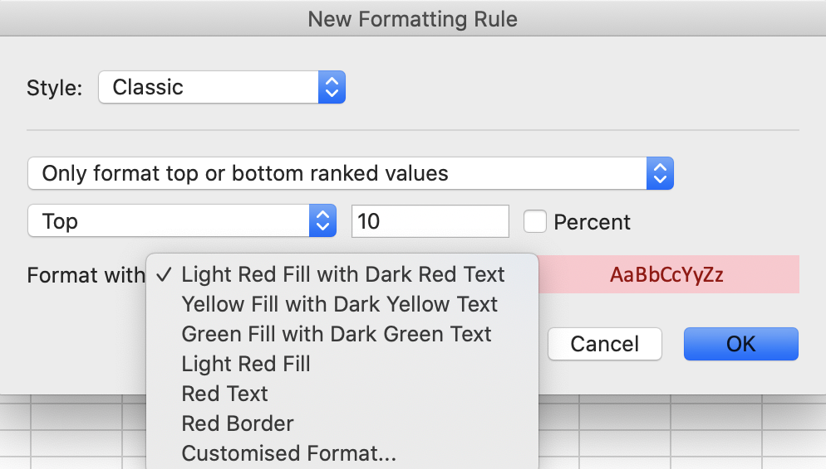
76 | Wright | Ride the Bronc | 2009-08-15 | Sculpture | Poor | East Pavilion | $1,500
77 | Bindner | Bull Riding | 2004-01-10 | Painting | Poor | East Pavilion | $5,200
78 | Guys | Chuckwagon | 2003-10-11 | Sculpture | Excellent | East Pavilion | $32,000
79 | Rissman | Carrying the Mail | 2005-09-03 | Painting | Excellent | East Pavilion | $8,000
80 | Quiroz | The Dust Behind | 2005-07-16 | Painting | Excellent | East Pavilion | $18,000
81 | Colvin | Coming Under Fire | 2004-04-17 | Sculpture | Poor | West Pavilion | $650
82 | Hamend | Spring Flowers | 2005-08-16 | Painting | Excellent | South Pavilion | $20,000
83 | Roman | Untitled | 2005-12-17 | Installation | Good | Courtyard | $2,500
84 | Garber | Crossing the Platt River | 2004-07-18 | Sculpture | Excellent | East Pavilion | $2,200
85 | Rogers | Traces | 2005-09-03 | Painting | Excellent | South Pavilion | $20,000
86 | Scholder | Untitled (desert landscape) | 2006-07-12 | Painting | Excellent | East Pavilion | $18,000
87 | Yasami | Three Woman | 2009-11-07 | Painting | Excellent | South Pavilion | $20,000
88 | Kollasch | Lessons | 2004-08-16 | Painting | Excellent | East Pavilion | $3,700
89 | Odiezma | Life Lessons | 2005-05-16 | Painting | Good | East Pavilion | $4,125
90 | Capplin | Trappers | 2004-04-18 | Painting | Good | East Pavilion | $6,000
91 | Carpenter | Off the Grid | 2004-02-07 | Installation | Excellent | Garden | $8,000
92 | Ortega | Stone Palette | 2005-05-21 | Painting | Excellent | East Pavilion | $11,500
Using the Format Cells dialog, you can choose such things as Font and Fill color for qualifying cells
93 | Meglech | Dressing Up | 2004-09-03 | Sculpture | Excellent | East Pavilion | $1,300
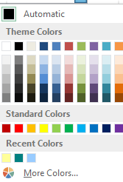
94 | Rissman | Antelopes | 2005-09-03 | Painting | Excellent | East Pavilion | $12,500
95 | Lerman | Life is Sweet | 2007-08-16 | Installation | Excellent | South Pavilion | $25,000
96 | Reed | The Spirit | 2005-07-16 | Painting | Excellent | South Pavilion | $20,000
97 | Cardenas | Ceremonial Sticks | 2004-01-23 | Painting | Excellent | East Pavilion | $15,000
98 | Van Coller | Untitled (Sea) | 2008-11-08 | Sculpture | Excellent | East Pavilion | $2,800
99 | Penn | Sweet Project | 2005-07-16 | Sculpture | Excellent | West Pavilion | $592
100 | Edwards | Watch that Rattler | 2004-07-17 | Textile | Good | East Pavilion | $900
101 | Kritz | Hungary cowboys | 2004-08-16 | Sculpture | Excellent | East Pavilion | $750
102 | Prinzen | The Red Door | 2005-07-16 | Painting | Excellent | East Pavilion | $10,000
103 | Cox | Crying Hats | 2004-05-11 | Painting | Excellent | East Pavilion | $10,000
104 | Acconci | Trail End | 2003-05-10 | Painting | Excellent | East Pavilion | $8,000
105 | Statom | Untitled | 2007-07-14 | Sculpture | Poor | East Pavilion | $1,800
106 | Xie | Meteor Show | 2009-09-12 | Painting | Excellent | East Pavilion | $10,000
107 | Long | Horse Corral | 2004-08-16 | Painting | Excellent | East Pavilion | $12,500
108 | Irvin | Striking it Rich | 2004-08-16 | Sculpture | Excellent | East Pavilion | $1,750
109 | Werner | Untitled Mural | 2009-02-07 | Sculpture | Excellent | Garden | $400
110 | Fratt | Friends | 2004-07-18 | Painting | Excellent | East Pavilion | $16,000
111 | Rissman | Three Sisters | 2005-09-03 | Painting | Excellent | East Pavilion | $6,500
112 | Tidwell | Untitled (man and crucifix) | 2007-10-13 | Textile | Excellent | East Pavilion | $3,200
113 | Gonzales | Dark Canyon | 2004-08-16 | Painting | Excellent | East Pavilion | $7,500
114 | Mogan | Shadow House | 2005-05-05 | Painting | Good | East Pavilion | $5,500
115 | Mogan | Storytelling at the Campfire | 2005-03-19 | Painting | Excellent | East Pavilion | $18,000

Conditional Formatting Result
Conditionally Formatted Result
Highlight each Appraised Value greater than the average Appraised Value

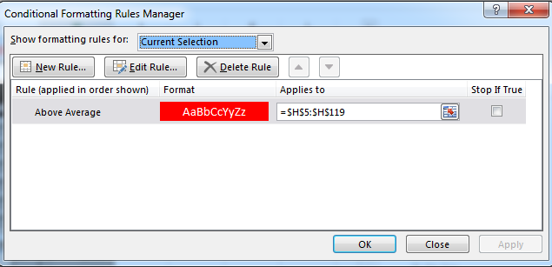
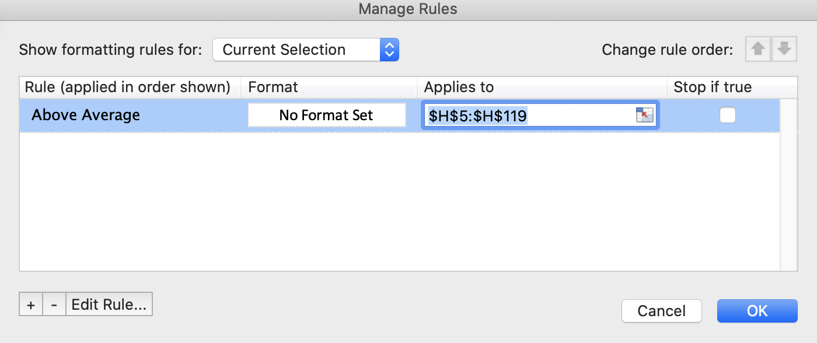
ArtID | Artist | Title | Date Acquired | Category | Condition | Location | Appraised Value
1 | Mogan | Red Rock Mountain | 2005-03-19 | Painting | Excellent | East Pavilion | $18,000
2 | Novarre | Offerings | 2005-05-16 | Painting | Excellent | East Pavilion | $10,000
3 | Chico | Spring Flowers | 2004-03-20 | Sculpture | Excellent | East Pavilion | $2,400
4 | Roman | Seeking Shelter | 2005-10-08 | Sculpture | Excellent | Courtyard | $52,000
5 | DiGrigoro | The Hang | 2004-07-16 | Painting | Excellent | East Pavilion | $8,000
6 | Ibe | House Remembered | 2004-08-16 | Sculpture | Good | East Pavilion | $700
This is a paste-in (of the dialog displayed by using the Rules Manager) that shows the conditional formatting rule in effect for H5:H119.
7 | Zischke | Homage to the Ancestors | 2004-07-17 | Textile | Excellent | East Pavilion | $1,200
8 | Gilhooly | End of the Path | 2004-08-16 | Sculpture | Excellent | East Pavilion | $1,900
9 | Guys | Amen | 2003-12-13 | Sculpture | Excellent | East Pavilion | $3,000
10 | Swartz | Untitled (two figures) | 2007-09-08 | Sculpture | Excellent | East Pavilion | $800
11 | Dill | Eve | 2004-07-16 | Sculpture | Excellent | East Pavilion | $975
12 | Udinotti | Man on horseback | 2007-11-10 | Painting | Good | East Pavilion | $8,000
13 | Aserty | Superstitions | 2009-01-10 | Painting | Excellent | Courtyard | $78,000
Selecting conditionally-formatted cells, bringing up the Rules Manager, selecting a displayed rule, and then using the Edit Rule button (see above), the rule's details can be reviewed and edited.
14 | McGraw | Plenty | 2005-02-19 | Sculpture | Excellent | West Pavilion | $500
15 | McIver | Punch | 2005-03-19 | Painting | Excellent | East Pavilion | $10,000
16 | Schenck | Untitled | 2006-01-07 | Painting | Excellent | East Pavilion | $6,000
17 | Bindner | Brittlecone | 2004-01-10 | Sculpture | Excellent | East Pavilion | $1,300
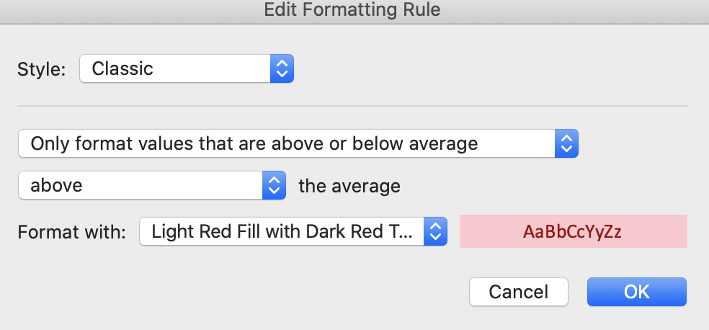
18 | Blum | Mountain Scene | 2004-01-10 | Sculpture | Excellent | East Pavilion | $2,500
19 | Reed | The White Heart | 2005-08-14 | Painting | Excellent | East Pavilion | $9,300
20 | Turrell | Untitled (Man holding coat) | 2007-10-13 | Textile | Excellent | East Pavilion | $3,000
21 | Aserty | Bead Wall | 2004-01-10 | Installation | Excellent | Courtyard | $14,000
22 | Shenal | The Cowboy | 2007-03-10 | Sculpture | Excellent | East Pavilion | $4,200
23 | Meglech | Shooting the Rapids | 2004-09-03 | Sculpture | Excellent | East Pavilion | $1,300
24 | Metz | Spirit and Nature | 2005-05-16 | Sculpture | Fair | West Pavilion | $592
25 | Senior | Profile of a Woman | 2006-11-11 | Sculpture | Excellent | West Pavilion | $625
26 | Scherzel | Untitled (madonna figure) | 2006-07-08 | Painting | Good | East Pavilion | $4,000
27 | Meglech | Mountain Climber | 2004-08-16 | Textile | Good | East Pavilion | $4,700
28 | Mogan | Tired cowboy | 2005-05-16 | Painting | Excellent | East Pavilion | $4,700
29 | Hofmann | Horseshoe Falls | 2004-08-16 | Painting | Excellent | East Pavilion | $15,000
30 | Guys | Ash Bench | 2004-01-10 | Sculpture | Good | East Pavilion | $13,000
31 | Ingraham | Inside/Out | 2004-08-16 | Painting | Excellent | East Pavilion | $3,500
32 | Lundquist | Rising Sun | 2004-08-16 | Sculpture | Excellent | East Pavilion | $2,000
33 | Werner | Untitled (Woman in abstract) | 2008-12-13 | Sculpture | Excellent | East Pavilion | $2,500
34 | Aserty | Beaver Pole Jumble | 2007-01-10 | Installation | Excellent | South Pavilion | $28,000
35 | Meglech | Nature/Nurture | 2004-08-16 | Sculpture | Excellent | East Pavilion | $1,300
36 | Battenberg | Blackhaw | 2004-01-10 | Sculpture | Excellent | East Pavilion | $25,500
37 | Fleming | Floating World | 2004-07-18 | Sculpture | Fair | East Pavilion | $2,350
38 | Acconci | Spring Flowers | 2003-05-10 | Sculpture | Good | East Pavilion | $800
39 | Cox | Treachery | 2004-05-11 | Painting | Excellent | West Pavilion | $20,000
40 | Meglech | Night on the Praire | 2004-09-03 | Sculpture | Excellent | East Pavilion | $1,300
41 | Hamend | Night Version | 2004-08-16 | Painting | Excellent | East Pavilion | $3,800
42 | Ames | Coffee on the Trail | 2003-08-09 | Painting | Good | East Pavilion | $7,544
43 | Guys | Creosote Bushes | 2004-01-10 | Sculpture | Excellent | East Pavilion | $18,000
44 | Lutes | Mexican Fiesta | 2004-08-16 | Painting | Excellent | East Pavilion | $14,000
45 | Kritz | Leaf Patterns | 2004-08-16 | Sculpture | Excellent | East Pavilion | $2,100
46 | Indiana | Immediate Gratification | 2004-08-16 | Sculpture | Good | East Pavilion | $1,500
47 | Maglich | Medicine Man | 2004-08-16 | Textile | Good | East Pavilion | $2,500
48 | Pierobon | Comfy Chair | 2005-07-16 | Sculpture | Excellent | East Pavilion | $800
49 | Blain | Buttercup with Red Lip | 2004-01-10 | Sculpture | Excellent | Garden | $400
50 | Acconci | Cattle Ranch | 2004-04-19 | Textile | Good | East Pavilion | $10,000
51 | Kerrihard | Night Version | 2004-08-16 | Painting | Excellent | East Pavilion | $7,000
52 | Curtis | American Rodeo | 2004-05-15 | Painting | Poor | East Pavilion | $3,500
53 | Bindner | Blue Eyed Indian | 2009-01-10 | Painting | Excellent | Courtyard | $40,000
54 | Mogan | Snake Charmer | 2005-05-16 | Painting | Good | East Pavilion | $4,500
55 | Budd | Starlit Evening | 2004-01-10 | Painting | Excellent | East Pavilion | $9,500
56 | Bindner | Cavaralry is Coming | 2004-01-10 | Sculpture | Excellent | East Pavilion | $1,900
57 | Scherzel | Untitled | 2006-01-07 | Painting | Fair | East Pavilion | $4,500
58 | Rath | The Gathering | 2005-07-16 | Sculpture | Excellent | West Pavilion | $250
59 | Dawson | Dwelling | 2004-07-16 | Painting | Excellent | East Pavilion | $16,000
60 | Lundquist | Story Sticks | 2004-08-16 | Sculpture | Excellent | West Pavilion | $650
61 | Wittner | Untitled Mural | 2009-03-07 | Painting | Excellent | East Pavilion | $3,520
62 | Lowney | Cowboy and Saddle | 2004-08-16 | Painting | Excellent | East Pavilion | $18,000
63 | Aserty | Asleep in the garden | 2009-01-10 | Installation | Excellent | Garden | $110,000
64 | Motherwell | Spirit Columns | 2005-05-16 | Painting | Excellent | East Pavilion | $7,000
65 | Meglech | Moonlite | 2004-08-16 | Sculpture | Excellent | East Pavilion | $1,300
66 | Waid | Untitled (still life) | 2008-12-13 | Painting | Excellent | Courtyard | $19,500
67 | Miller | Owl in Flight | 2005-05-16 | Painting | Excellent | East Pavilion | $7,000
68 | Mogan | Moonlight | 2005-04-09 | Painting | Fair | East Pavilion | $9,750
69 | Mogan | Renaissance | 2005-05-15 | Painting | Excellent | East Pavilion | $5,500
70 | Baron | Beginnings | 2010-01-10 | Textile | Fair | East Pavilion | $27,500
71 | Wright | Ride the Rapids | 2009-08-15 | Sculpture | Good | Garden | $300
72 | Garin | Funnel | 2004-07-18 | Painting | Excellent | East Pavilion | $4,500
73 | Cridler | Dancing in the Light | 2004-05-15 | Sculpture | Fair | East Pavilion | $1,000
74 | Parker | Storm on the Rise | 2005-05-23 | Painting | Good | East Pavilion | $8,000
75 | Bindner | Western Boots and Spurs | 2004-01-10 | Painting | Fair | East Pavilion | $6,000
76 | Wright | Ride the Bronc | 2009-08-15 | Sculpture | Poor | East Pavilion | $1,500
77 | Bindner | Bull Riding | 2004-01-10 | Painting | Poor | East Pavilion | $5,200
78 | Guys | Chuckwagon | 2003-10-11 | Sculpture | Excellent | East Pavilion | $32,000
79 | Rissman | Carrying the Mail | 2005-09-03 | Painting | Excellent | East Pavilion | $8,000
80 | Quiroz | The Dust Behind | 2005-07-16 | Painting | Excellent | East Pavilion | $18,000
81 | Colvin | Coming Under Fire | 2004-04-17 | Sculpture | Poor | West Pavilion | $650
82 | Hamend | Spring Flowers | 2005-08-16 | Painting | Excellent | South Pavilion | $20,000
83 | Roman | Untitled | 2005-12-17 | Installation | Good | Courtyard | $2,500
84 | Garber | Crossing the Platt River | 2004-07-18 | Sculpture | Excellent | East Pavilion | $2,200
85 | Rogers | Traces | 2005-09-03 | Painting | Excellent | South Pavilion | $20,000
86 | Scholder | Untitled (desert landscape) | 2006-07-12 | Painting | Excellent | East Pavilion | $18,000
87 | Yasami | Three Woman | 2009-11-07 | Painting | Excellent | South Pavilion | $20,000
88 | Kollasch | Lessons | 2004-08-16 | Painting | Excellent | East Pavilion | $3,700
89 | Odiezma | Life Lessons | 2005-05-16 | Painting | Good | East Pavilion | $4,125
90 | Capplin | Trappers | 2004-04-18 | Painting | Good | East Pavilion | $6,000
91 | Carpenter | Off the Grid | 2004-02-07 | Installation | Excellent | Garden | $8,000
92 | Ortega | Stone Palette | 2005-05-21 | Painting | Excellent | East Pavilion | $11,500
93 | Meglech | Dressing Up | 2004-09-03 | Sculpture | Excellent | East Pavilion | $1,300
94 | Rissman | Antelopes | 2005-09-03 | Painting | Excellent | East Pavilion | $12,500
95 | Lerman | Life is Sweet | 2007-08-16 | Installation | Excellent | South Pavilion | $25,000
96 | Reed | The Spirit | 2005-07-16 | Painting | Excellent | South Pavilion | $20,000
97 | Cardenas | Ceremonial Sticks | 2004-01-23 | Painting | Excellent | East Pavilion | $15,000
98 | Van Coller | Untitled (Sea) | 2008-11-08 | Sculpture | Excellent | East Pavilion | $2,800
99 | Penn | Sweet Project | 2005-07-16 | Sculpture | Excellent | West Pavilion | $592
100 | Edwards | Watch that Rattler | 2004-07-17 | Textile | Good | East Pavilion | $900
101 | Kritz | Hungary cowboys | 2004-08-16 | Sculpture | Excellent | East Pavilion | $750
102 | Prinzen | The Red Door | 2005-07-16 | Painting | Excellent | East Pavilion | $10,000
103 | Cox | Crying Hats | 2004-05-11 | Painting | Excellent | East Pavilion | $10,000
104 | Acconci | Trail End | 2003-05-10 | Painting | Excellent | East Pavilion | $8,000
105 | Statom | Untitled | 2007-07-14 | Sculpture | Poor | East Pavilion | $1,800
106 | Xie | Meteor Show | 2009-09-12 | Painting | Excellent | East Pavilion | $10,000
107 | Long | Horse Corral | 2004-08-16 | Painting | Excellent | East Pavilion | $12,500
108 | Irvin | Striking it Rich | 2004-08-16 | Sculpture | Excellent | East Pavilion | $1,750
109 | Werner | Untitled Mural | 2009-02-07 | Sculpture | Excellent | Garden | $400
110 | Fratt | Friends | 2004-07-18 | Painting | Excellent | East Pavilion | $16,000
111 | Rissman | Three Sisters | 2005-09-03 | Painting | Excellent | East Pavilion | $6,500
112 | Tidwell | Untitled (man and crucifix) | 2007-10-13 | Textile | Excellent | East Pavilion | $3,200
113 | Gonzales | Dark Canyon | 2004-08-16 | Painting | Excellent | East Pavilion | $7,500
114 | Mogan | Shadow House | 2005-05-05 | Painting | Good | East Pavilion | $5,500
115 | Mogan | Storytelling at the Campfire | 2005-03-19 | Painting | Excellent | East Pavilion | $18,000

Two or More Formatting Rules
Imposing a Sequence of Two or More
Conditional Formatting Rules on a Set of Cells

Sometimes you want to impose a sequence of two or more conditional formatting rules on a set of cells.
For instance, in the Appraised Value example on the preceding worksheet, you might want to:
(1) highlight the top 10 Appraised Values first, and ...
(2) then, using different highlighting, highlight any other Appraised
Values that are greater than the average Appraised Value.

To put a sequence of two or more rules into place, simply carry out the steps to specify the first (primary) formatting rule, then click the New Rule button in the Conditional Rules Formatting Manager dialog box and carry out the steps to specify the next (secondary) formatting rule. (A third formatting rule could then be specified, and so on.)
When two or more formatting rules apply to one and the same set of cells, there is a top-down hierarchy among the rules. In other words, the rules are applied in a user-specified chronological order.
If there are two or more rules, you can select an existing rule in the Conditional Rules Formatting Manager and then use an "up arrow" or a "down arrow" to change the position of the rule in the hierarchy. See the next worksheet.
https://support.office.com/en-us/article/Manage-conditional-formatting-rule-precedence-e09711a3-48df-4bcb-b82c-9d8b8b22463d

Creating Two Formatting Rules
Exercise: Impose Two Formatting Conditions on Appraised Values
First, highlight the Top 10 Appraised Values (no fill, blue font)
After that, highlight any remaining
Appraised Values that are > the average Appraised Value (red fill, white font) |  |  |  |  |  |  |  | First point:
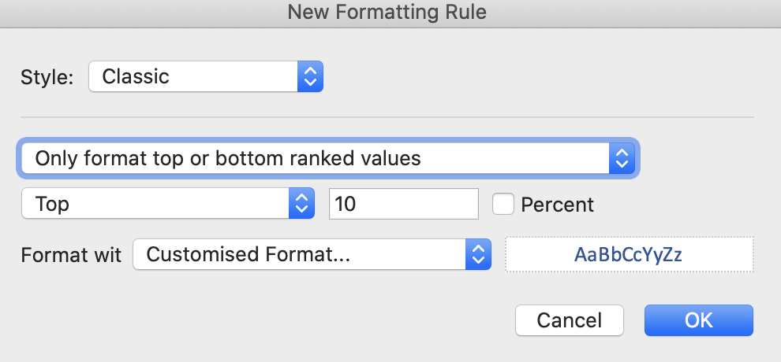
ArtID | Artist | Title | Date Acquired | Category | Condition | Location | Appraised Value
1 | Mogan | Red Rock Mountain | 2005-03-19 | Painting | Excellent | East Pavilion | $18,000
2 | Novarre | Offerings | 2005-05-16 | Painting | Excellent | East Pavilion | $10,000
3 | Chico | Spring Flowers | 2004-03-20 | Sculpture | Excellent | East Pavilion | $2,400
4 | Roman | Seeking Shelter | 2005-10-08 | Sculpture | Excellent | Courtyard | $52,000
5 | DiGrigoro | The Hang | 2004-07-16 | Painting | Excellent | East Pavilion | $8,000
6 | Ibe | House Remembered | 2004-08-16 | Sculpture | Good | East Pavilion | $700
7 | Zischke | Homage to the Ancestors | 2004-07-17 | Textile | Excellent | East Pavilion | $1,200
8 | Gilhooly | End of the Path | 2004-08-16 | Sculpture | Excellent | East Pavilion | $1,900
9 | Guys | Amen | 2003-12-13 | Sculpture | Excellent | East Pavilion | $3,000
10 | Swartz | Untitled (two figures) | 2007-09-08 | Sculpture | Excellent | East Pavilion | $800
11 | Dill | Eve | 2004-07-16 | Sculpture | Excellent | East Pavilion | $975
12 | Udinotti | Man on horseback | 2007-11-10 | Painting | Good | East Pavilion | $8,000
13 | Aserty | Superstitions | 2009-01-10 | Painting | Excellent | Courtyard | $78,000
14 | McGraw | Plenty | 2005-02-19 | Sculpture | Excellent | West Pavilion | $500 | second point:
15 | McIver | Punch | 2005-03-19 | Painting | Excellent | East Pavilion | $10,000
16 | Schenck | Untitled | 2006-01-07 | Painting | Excellent | East Pavilion | $6,000
17 | Bindner | Brittlecone | 2004-01-10 | Sculpture | Excellent | East Pavilion | $1,300
18 | Blum | Mountain Scene | 2004-01-10 | Sculpture | Excellent | East Pavilion | $2,500
19 | Reed | The White Heart | 2005-08-14 | Painting | Excellent | East Pavilion | $9,300
20 | Turrell | Untitled (Man holding coat) | 2007-10-13 | Textile | Excellent | East Pavilion | $3,000
21 | Aserty | Bead Wall | 2004-01-10 | Installation | Excellent | Courtyard | $14,000
22 | Shenal | The Cowboy | 2007-03-10 | Sculpture | Excellent | East Pavilion | $4,200
23 | Meglech | Shooting the Rapids | 2004-09-03 | Sculpture | Excellent | East Pavilion | $1,300
24 | Metz | Spirit and Nature | 2005-05-16 | Sculpture | Fair | West Pavilion | $592
25 | Senior | Profile of a Woman | 2006-11-11 | Sculpture | Excellent | West Pavilion | $625
26 | Scherzel | Untitled (madonna figure) | 2006-07-08 | Painting | Good | East Pavilion | $4,000
27 | Meglech | Mountain Climber | 2004-08-16 | Textile | Good | East Pavilion | $4,700
28 | Mogan | Tired cowboy | 2005-05-16 | Painting | Excellent | East Pavilion | $4,700
29 | Hofmann | Horseshoe Falls | 2004-08-16 | Painting | Excellent | East Pavilion | $15,000
30 | Guys | Ash Bench | 2004-01-10 | Sculpture | Good | East Pavilion | $13,000 | swap the order to display results correctly
31 | Ingraham | Inside/Out | 2004-08-16 | Painting | Excellent | East Pavilion | $3,500
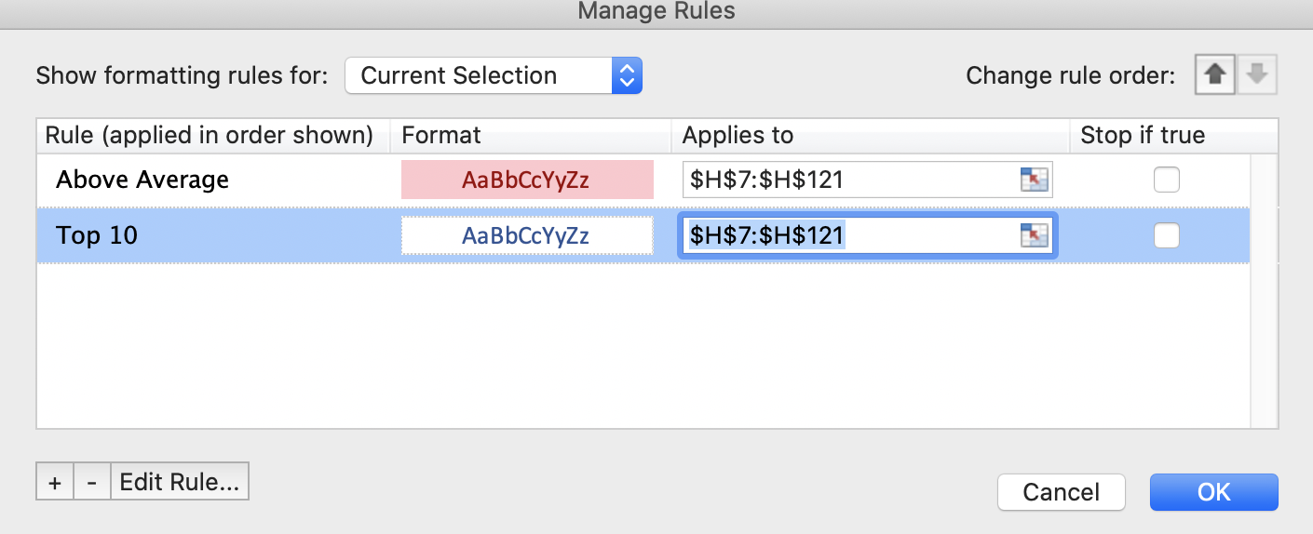
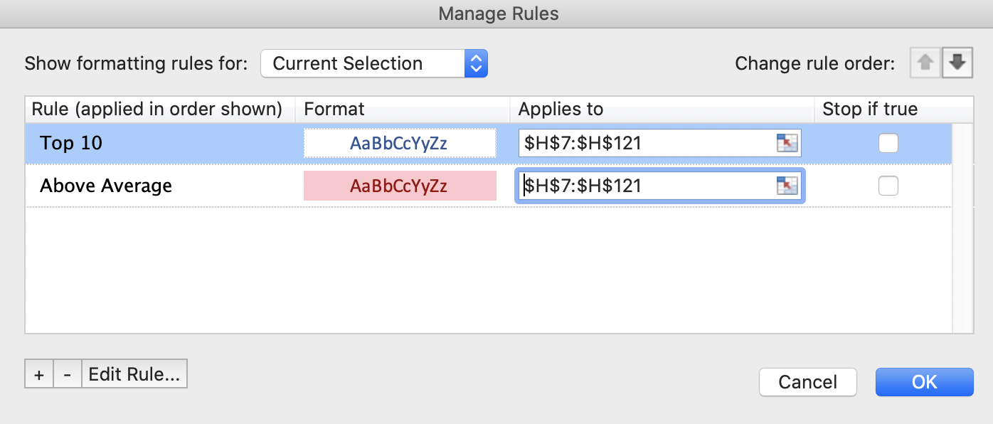
32 | Lundquist | Rising Sun | 2004-08-16 | Sculpture | Excellent | East Pavilion | $2,000
33 | Werner | Untitled (Woman in abstract) | 2008-12-13 | Sculpture | Excellent | East Pavilion | $2,500
34 | Aserty | Beaver Pole Jumble | 2007-01-10 | Installation | Excellent | South Pavilion | $28,000
35 | Meglech | Nature/Nurture | 2004-08-16 | Sculpture | Excellent | East Pavilion | $1,300
36 | Battenberg | Blackhaw | 2004-01-10 | Sculpture | Excellent | East Pavilion | $25,500
37 | Fleming | Floating World | 2004-07-18 | Sculpture | Fair | East Pavilion | $2,350
38 | Acconci | Spring Flowers | 2003-05-10 | Sculpture | Good | East Pavilion | $800
39 | Cox | Treachery | 2004-05-11 | Painting | Excellent | West Pavilion | $20,000
40 | Meglech | Night on the Praire | 2004-09-03 | Sculpture | Excellent | East Pavilion | $1,300
41 | Hamend | Night Version | 2004-08-16 | Painting | Excellent | East Pavilion | $3,800
42 | Ames | Coffee on the Trail | 2003-08-09 | Painting | Good | East Pavilion | $7,544
43 | Guys | Creosote Bushes | 2004-01-10 | Sculpture | Excellent | East Pavilion | $18,000
44 | Lutes | Mexican Fiesta | 2004-08-16 | Painting | Excellent | East Pavilion | $14,000
45 | Kritz | Leaf Patterns | 2004-08-16 | Sculpture | Excellent | East Pavilion | $2,100
46 | Indiana | Immediate Gratification | 2004-08-16 | Sculpture | Good | East Pavilion | $1,500
47 | Maglich | Medicine Man | 2004-08-16 | Textile | Good | East Pavilion | $2,500
48 | Pierobon | Comfy Chair | 2005-07-16 | Sculpture | Excellent | East Pavilion | $800
49 | Blain | Buttercup with Red Lip | 2004-01-10 | Sculpture | Excellent | Garden | $400
50 | Acconci | Cattle Ranch | 2004-04-19 | Textile | Good | East Pavilion | $10,000
51 | Kerrihard | Night Version | 2004-08-16 | Painting | Excellent | East Pavilion | $7,000
52 | Curtis | American Rodeo | 2004-05-15 | Painting | Poor | East Pavilion | $3,500
53 | Bindner | Blue Eyed Indian | 2009-01-10 | Painting | Excellent | Courtyard | $40,000
54 | Mogan | Snake Charmer | 2005-05-16 | Painting | Good | East Pavilion | $4,500
55 | Budd | Starlit Evening | 2004-01-10 | Painting | Excellent | East Pavilion | $9,500
56 | Bindner | Cavaralry is Coming | 2004-01-10 | Sculpture | Excellent | East Pavilion | $1,900
57 | Scherzel | Untitled | 2006-01-07 | Painting | Fair | East Pavilion | $4,500
58 | Rath | The Gathering | 2005-07-16 | Sculpture | Excellent | West Pavilion | $250
59 | Dawson | Dwelling | 2004-07-16 | Painting | Excellent | East Pavilion | $16,000
60 | Lundquist | Story Sticks | 2004-08-16 | Sculpture | Excellent | West Pavilion | $650
61 | Wittner | Untitled Mural | 2009-03-07 | Painting | Excellent | East Pavilion | $3,520
62 | Lowney | Cowboy and Saddle | 2004-08-16 | Painting | Excellent | East Pavilion | $18,000
63 | Aserty | Asleep in the garden | 2009-01-10 | Installation | Excellent | Garden | $110,000
64 | Motherwell | Spirit Columns | 2005-05-16 | Painting | Excellent | East Pavilion | $7,000
65 | Meglech | Moonlite | 2004-08-16 | Sculpture | Excellent | East Pavilion | $1,300
66 | Waid | Untitled (still life) | 2008-12-13 | Painting | Excellent | Courtyard | $19,500
67 | Miller | Owl in Flight | 2005-05-16 | Painting | Excellent | East Pavilion | $7,000
68 | Mogan | Moonlight | 2005-04-09 | Painting | Fair | East Pavilion | $9,750
69 | Mogan | Renaissance | 2005-05-15 | Painting | Excellent | East Pavilion | $5,500
70 | Baron | Beginnings | 2010-01-10 | Textile | Fair | East Pavilion | $27,500
71 | Wright | Ride the Rapids | 2009-08-15 | Sculpture | Good | Garden | $300
72 | Garin | Funnel | 2004-07-18 | Painting | Excellent | East Pavilion | $4,500
73 | Cridler | Dancing in the Light | 2004-05-15 | Sculpture | Fair | East Pavilion | $1,000
74 | Parker | Storm on the Rise | 2005-05-23 | Painting | Good | East Pavilion | $8,000
75 | Bindner | Western Boots and Spurs | 2004-01-10 | Painting | Fair | East Pavilion | $6,000
76 | Wright | Ride the Bronc | 2009-08-15 | Sculpture | Poor | East Pavilion | $1,500
77 | Bindner | Bull Riding | 2004-01-10 | Painting | Poor | East Pavilion | $5,200
78 | Guys | Chuckwagon | 2003-10-11 | Sculpture | Excellent | East Pavilion | $32,000
79 | Rissman | Carrying the Mail | 2005-09-03 | Painting | Excellent | East Pavilion | $8,000
80 | Quiroz | The Dust Behind | 2005-07-16 | Painting | Excellent | East Pavilion | $18,000
81 | Colvin | Coming Under Fire | 2004-04-17 | Sculpture | Poor | West Pavilion | $650
82 | Hamend | Spring Flowers | 2005-08-16 | Painting | Excellent | South Pavilion | $20,000
83 | Roman | Untitled | 2005-12-17 | Installation | Good | Courtyard | $2,500
84 | Garber | Crossing the Platt River | 2004-07-18 | Sculpture | Excellent | East Pavilion | $2,200
85 | Rogers | Traces | 2005-09-03 | Painting | Excellent | South Pavilion | $20,000
86 | Scholder | Untitled (desert landscape) | 2006-07-12 | Painting | Excellent | East Pavilion | $18,000
87 | Yasami | Three Woman | 2009-11-07 | Painting | Excellent | South Pavilion | $20,000
88 | Kollasch | Lessons | 2004-08-16 | Painting | Excellent | East Pavilion | $3,700
89 | Odiezma | Life Lessons | 2005-05-16 | Painting | Good | East Pavilion | $4,125
90 | Capplin | Trappers | 2004-04-18 | Painting | Good | East Pavilion | $6,000
91 | Carpenter | Off the Grid | 2004-02-07 | Installation | Excellent | Garden | $8,000
92 | Ortega | Stone Palette | 2005-05-21 | Painting | Excellent | East Pavilion | $11,500
93 | Meglech | Dressing Up | 2004-09-03 | Sculpture | Excellent | East Pavilion | $1,300
94 | Rissman | Antelopes | 2005-09-03 | Painting | Excellent | East Pavilion | $12,500
95 | Lerman | Life is Sweet | 2007-08-16 | Installation | Excellent | South Pavilion | $25,000
96 | Reed | The Spirit | 2005-07-16 | Painting | Excellent | South Pavilion | $20,000
97 | Cardenas | Ceremonial Sticks | 2004-01-23 | Painting | Excellent | East Pavilion | $15,000
98 | Van Coller | Untitled (Sea) | 2008-11-08 | Sculpture | Excellent | East Pavilion | $2,800
99 | Penn | Sweet Project | 2005-07-16 | Sculpture | Excellent | West Pavilion | $592
100 | Edwards | Watch that Rattler | 2004-07-17 | Textile | Good | East Pavilion | $900
101 | Kritz | Hungary cowboys | 2004-08-16 | Sculpture | Excellent | East Pavilion | $750
102 | Prinzen | The Red Door | 2005-07-16 | Painting | Excellent | East Pavilion | $10,000
103 | Cox | Crying Hats | 2004-05-11 | Painting | Excellent | East Pavilion | $10,000
104 | Acconci | Trail End | 2003-05-10 | Painting | Excellent | East Pavilion | $8,000
105 | Statom | Untitled | 2007-07-14 | Sculpture | Poor | East Pavilion | $1,800
106 | Xie | Meteor Show | 2009-09-12 | Painting | Excellent | East Pavilion | $10,000
107 | Long | Horse Corral | 2004-08-16 | Painting | Excellent | East Pavilion | $12,500
108 | Irvin | Striking it Rich | 2004-08-16 | Sculpture | Excellent | East Pavilion | $1,750
109 | Werner | Untitled Mural | 2009-02-07 | Sculpture | Excellent | Garden | $400
110 | Fratt | Friends | 2004-07-18 | Painting | Excellent | East Pavilion | $16,000
111 | Rissman | Three Sisters | 2005-09-03 | Painting | Excellent | East Pavilion | $6,500
112 | Tidwell | Untitled (man and crucifix) | 2007-10-13 | Textile | Excellent | East Pavilion | $3,200
113 | Gonzales | Dark Canyon | 2004-08-16 | Painting | Excellent | East Pavilion | $7,500
114 | Mogan | Shadow House | 2005-05-05 | Painting | Good | East Pavilion | $5,500
115 | Mogan | Storytelling at the Campfire | 2005-03-19 | Painting | Excellent | East Pavilion | $18,000

Result of Two Formatting Rules
Two Formatting Conditions Imposed on Appraised Values
First, highlight the Top 10 Appraised Values (no fill, blue font)
After that, format elements for
Appraised Values that are > the average Appraised Value (red fill, white font)

Before any rules are evaluated: Format for H10
ArtID | Artist | Title | Date Acquired | Category | Condition | Location | Appraised Value
1 | Mogan | Red Rock Mountain | 2005-03-19 | Painting | Excellent | East Pavilion | $18,000
2 | Novarre | Offerings | 2005-05-16 | Painting | Excellent | East Pavilion | $10,000 | $52,000
After Rule 1 (Top 10) is applied: Format for H10 (blue font, no change in fill color):
3 | Chico | Spring Flowers | 2004-03-20 | Sculpture | Excellent | East Pavilion | $2,400
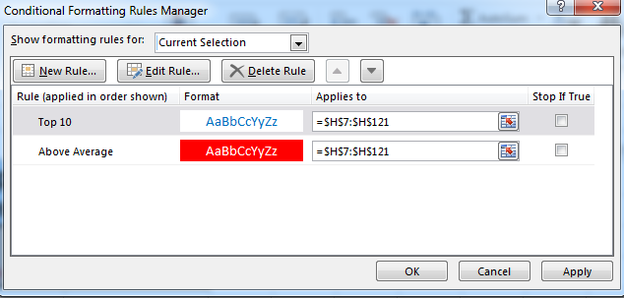
4 | Roman | Seeking Shelter | 2005-10-08 | Sculpture | Excellent | Courtyard | $52,000
5 | DiGrigoro | The Hang | 2004-07-16 | Painting | Excellent | East Pavilion | $8,000
6 | Ibe | House Remembered | 2004-08-16 | Sculpture | Good | East Pavilion | $700
7 | Zischke | Homage to the Ancestors | 2004-07-17 | Textile | Excellent | East Pavilion | $1,200
8 | Gilhooly | End of the Path | 2004-08-16 | Sculpture | Excellent | East Pavilion | $1,900 | $52,000
After Rule 2 (Above Average) is applied: Format for H10 (blue font, red fill color. Font color is not changed to white because it has previously been set by Rule 1):
9 | Guys | Amen | 2003-12-13 | Sculpture | Excellent | East Pavilion | $3,000
10 | Swartz | Untitled (two figures) | 2007-09-08 | Sculpture | Excellent | East Pavilion | $800
11 | Dill | Eve | 2004-07-16 | Sculpture | Excellent | East Pavilion | $975
12 | Udinotti | Man on horseback | 2007-11-10 | Painting | Good | East Pavilion | $8,000
13 | Aserty | Superstitions | 2009-01-10 | Painting | Excellent | Courtyard | $78,000
14 | McGraw | Plenty | 2005-02-19 | Sculpture | Excellent | West Pavilion | $500
15 | McIver | Punch | 2005-03-19 | Painting | Excellent | East Pavilion | $10,000
16 | Schenck | Untitled | 2006-01-07 | Painting | Excellent | East Pavilion | $6,000 | $52,000
17 | Bindner | Brittlecone | 2004-01-10 | Sculpture | Excellent | East Pavilion | $1,300
What happens when more than one conditional formatting rule evaluates to True?
For a range of cells, you can have more than one conditional formatting rule that evaluates to True. Here's how rules are applied, first when rules don't conflict, and then when they do conflict:
When rules don't conflict: For example, if one rule formats a cell with a bold font and another rule formats the same cell with a red color, the cell is formatted with both a bold font and a red color. Because there is no conflict between the two formats, both rules are applied.
When rules conflict: For example, one rule sets a cell font color to red and another rule sets a cell font color to green. Because the two rules are in conflict, only one can apply. The rule that is applied is the one that is higher in precedence (higher in the list in the dialog box).
18 | Blum | Mountain Scene | 2004-01-10 | Sculpture | Excellent | East Pavilion | $2,500
19 | Reed | The White Heart | 2005-08-14 | Painting | Excellent | East Pavilion | $9,300
Rule Precedence
1. Rules are applied from top to bottom
2. Each rule is evaluated in order, unless Stop if True is checked.
3. A rule can only apply a format to an element (fill color, font color, etc.) that has not already been formatted.
20 | Turrell | Untitled (Man holding coat) | 2007-10-13 | Textile | Excellent | East Pavilion | $3,000
21 | Aserty | Bead Wall | 2004-01-10 | Installation | Excellent | Courtyard | $14,000
22 | Shenal | The Cowboy | 2007-03-10 | Sculpture | Excellent | East Pavilion | $4,200
23 | Meglech | Shooting the Rapids | 2004-09-03 | Sculpture | Excellent | East Pavilion | $1,300
24 | Metz | Spirit and Nature | 2005-05-16 | Sculpture | Fair | West Pavilion | $592
25 | Senior | Profile of a Woman | 2006-11-11 | Sculpture | Excellent | West Pavilion | $625
26 | Scherzel | Untitled (madonna figure) | 2006-07-08 | Painting | Good | East Pavilion | $4,000
27 | Meglech | Mountain Climber | 2004-08-16 | Textile | Good | East Pavilion | $4,700
28 | Mogan | Tired cowboy | 2005-05-16 | Painting | Excellent | East Pavilion | $4,700
29 | Hofmann | Horseshoe Falls | 2004-08-16 | Painting | Excellent | East Pavilion | $15,000
30 | Guys | Ash Bench | 2004-01-10 | Sculpture | Good | East Pavilion | $13,000
31 | Ingraham | Inside/Out | 2004-08-16 | Painting | Excellent | East Pavilion | $3,500
32 | Lundquist | Rising Sun | 2004-08-16 | Sculpture | Excellent | East Pavilion | $2,000
33 | Werner | Untitled (Woman in abstract) | 2008-12-13 | Sculpture | Excellent | East Pavilion | $2,500
34 | Aserty | Beaver Pole Jumble | 2007-01-10 | Installation | Excellent | South Pavilion | $28,000
35 | Meglech | Nature/Nurture | 2004-08-16 | Sculpture | Excellent | East Pavilion | $1,300
36 | Battenberg | Blackhaw | 2004-01-10 | Sculpture | Excellent | East Pavilion | $25,500
37 | Fleming | Floating World | 2004-07-18 | Sculpture | Fair | East Pavilion | $2,350
38 | Acconci | Spring Flowers | 2003-05-10 | Sculpture | Good | East Pavilion | $800
39 | Cox | Treachery | 2004-05-11 | Painting | Excellent | West Pavilion | $20,000
40 | Meglech | Night on the Praire | 2004-09-03 | Sculpture | Excellent | East Pavilion | $1,300
41 | Hamend | Night Version | 2004-08-16 | Painting | Excellent | East Pavilion | $3,800
42 | Ames | Coffee on the Trail | 2003-08-09 | Painting | Good | East Pavilion | $7,544
43 | Guys | Creosote Bushes | 2004-01-10 | Sculpture | Excellent | East Pavilion | $18,000
44 | Lutes | Mexican Fiesta | 2004-08-16 | Painting | Excellent | East Pavilion | $14,000
45 | Kritz | Leaf Patterns | 2004-08-16 | Sculpture | Excellent | East Pavilion | $2,100
46 | Indiana | Immediate Gratification | 2004-08-16 | Sculpture | Good | East Pavilion | $1,500
47 | Maglich | Medicine Man | 2004-08-16 | Textile | Good | East Pavilion | $2,500
48 | Pierobon | Comfy Chair | 2005-07-16 | Sculpture | Excellent | East Pavilion | $800
49 | Blain | Buttercup with Red Lip | 2004-01-10 | Sculpture | Excellent | Garden | $400
50 | Acconci | Cattle Ranch | 2004-04-19 | Textile | Good | East Pavilion | $10,000
51 | Kerrihard | Night Version | 2004-08-16 | Painting | Excellent | East Pavilion | $7,000
52 | Curtis | American Rodeo | 2004-05-15 | Painting | Poor | East Pavilion | $3,500
53 | Bindner | Blue Eyed Indian | 2009-01-10 | Painting | Excellent | Courtyard | $40,000
54 | Mogan | Snake Charmer | 2005-05-16 | Painting | Good | East Pavilion | $4,500
55 | Budd | Starlit Evening | 2004-01-10 | Painting | Excellent | East Pavilion | $9,500
56 | Bindner | Cavaralry is Coming | 2004-01-10 | Sculpture | Excellent | East Pavilion | $1,900
57 | Scherzel | Untitled | 2006-01-07 | Painting | Fair | East Pavilion | $4,500
58 | Rath | The Gathering | 2005-07-16 | Sculpture | Excellent | West Pavilion | $250
59 | Dawson | Dwelling | 2004-07-16 | Painting | Excellent | East Pavilion | $16,000
60 | Lundquist | Story Sticks | 2004-08-16 | Sculpture | Excellent | West Pavilion | $650
61 | Wittner | Untitled Mural | 2009-03-07 | Painting | Excellent | East Pavilion | $3,520
62 | Lowney | Cowboy and Saddle | 2004-08-16 | Painting | Excellent | East Pavilion | $18,000
63 | Aserty | Asleep in the garden | 2009-01-10 | Installation | Excellent | Garden | $110,000
64 | Motherwell | Spirit Columns | 2005-05-16 | Painting | Excellent | East Pavilion | $7,000
65 | Meglech | Moonlite | 2004-08-16 | Sculpture | Excellent | East Pavilion | $1,300
66 | Waid | Untitled (still life) | 2008-12-13 | Painting | Excellent | Courtyard | $19,500
67 | Miller | Owl in Flight | 2005-05-16 | Painting | Excellent | East Pavilion | $7,000
68 | Mogan | Moonlight | 2005-04-09 | Painting | Fair | East Pavilion | $9,750
69 | Mogan | Renaissance | 2005-05-15 | Painting | Excellent | East Pavilion | $5,500
70 | Baron | Beginnings | 2010-01-10 | Textile | Fair | East Pavilion | $27,500
71 | Wright | Ride the Rapids | 2009-08-15 | Sculpture | Good | Garden | $300
72 | Garin | Funnel | 2004-07-18 | Painting | Excellent | East Pavilion | $4,500
73 | Cridler | Dancing in the Light | 2004-05-15 | Sculpture | Fair | East Pavilion | $1,000
74 | Parker | Storm on the Rise | 2005-05-23 | Painting | Good | East Pavilion | $8,000
75 | Bindner | Western Boots and Spurs | 2004-01-10 | Painting | Fair | East Pavilion | $6,000
76 | Wright | Ride the Bronc | 2009-08-15 | Sculpture | Poor | East Pavilion | $1,500
77 | Bindner | Bull Riding | 2004-01-10 | Painting | Poor | East Pavilion | $5,200
78 | Guys | Chuckwagon | 2003-10-11 | Sculpture | Excellent | East Pavilion | $32,000
79 | Rissman | Carrying the Mail | 2005-09-03 | Painting | Excellent | East Pavilion | $8,000
80 | Quiroz | The Dust Behind | 2005-07-16 | Painting | Excellent | East Pavilion | $18,000
81 | Colvin | Coming Under Fire | 2004-04-17 | Sculpture | Poor | West Pavilion | $650
82 | Hamend | Spring Flowers | 2005-08-16 | Painting | Excellent | South Pavilion | $20,000
83 | Roman | Untitled | 2005-12-17 | Installation | Good | Courtyard | $2,500
84 | Garber | Crossing the Platt River | 2004-07-18 | Sculpture | Excellent | East Pavilion | $2,200
85 | Rogers | Traces | 2005-09-03 | Painting | Excellent | South Pavilion | $20,000
86 | Scholder | Untitled (desert landscape) | 2006-07-12 | Painting | Excellent | East Pavilion | $18,000
87 | Yasami | Three Woman | 2009-11-07 | Painting | Excellent | South Pavilion | $20,000
88 | Kollasch | Lessons | 2004-08-16 | Painting | Excellent | East Pavilion | $3,700
89 | Odiezma | Life Lessons | 2005-05-16 | Painting | Good | East Pavilion | $4,125
90 | Capplin | Trappers | 2004-04-18 | Painting | Good | East Pavilion | $6,000
91 | Carpenter | Off the Grid | 2004-02-07 | Installation | Excellent | Garden | $8,000
92 | Ortega | Stone Palette | 2005-05-21 | Painting | Excellent | East Pavilion | $11,500
93 | Meglech | Dressing Up | 2004-09-03 | Sculpture | Excellent | East Pavilion | $1,300
94 | Rissman | Antelopes | 2005-09-03 | Painting | Excellent | East Pavilion | $12,500
95 | Lerman | Life is Sweet | 2007-08-16 | Installation | Excellent | South Pavilion | $25,000
96 | Reed | The Spirit | 2005-07-16 | Painting | Excellent | South Pavilion | $20,000
97 | Cardenas | Ceremonial Sticks | 2004-01-23 | Painting | Excellent | East Pavilion | $15,000
98 | Van Coller | Untitled (Sea) | 2008-11-08 | Sculpture | Excellent | East Pavilion | $2,800
99 | Penn | Sweet Project | 2005-07-16 | Sculpture | Excellent | West Pavilion | $592
100 | Edwards | Watch that Rattler | 2004-07-17 | Textile | Good | East Pavilion | $900
101 | Kritz | Hungary cowboys | 2004-08-16 | Sculpture | Excellent | East Pavilion | $750
102 | Prinzen | The Red Door | 2005-07-16 | Painting | Excellent | East Pavilion | $10,000
103 | Cox | Crying Hats | 2004-05-11 | Painting | Excellent | East Pavilion | $10,000
104 | Acconci | Trail End | 2003-05-10 | Painting | Excellent | East Pavilion | $8,000
105 | Statom | Untitled | 2007-07-14 | Sculpture | Poor | East Pavilion | $1,800
106 | Xie | Meteor Show | 2009-09-12 | Painting | Excellent | East Pavilion | $10,000
107 | Long | Horse Corral | 2004-08-16 | Painting | Excellent | East Pavilion | $12,500
108 | Irvin | Striking it Rich | 2004-08-16 | Sculpture | Excellent | East Pavilion | $1,750
109 | Werner | Untitled Mural | 2009-02-07 | Sculpture | Excellent | Garden | $400
110 | Fratt | Friends | 2004-07-18 | Painting | Excellent | East Pavilion | $16,000
111 | Rissman | Three Sisters | 2005-09-03 | Painting | Excellent | East Pavilion | $6,500
112 | Tidwell | Untitled (man and crucifix) | 2007-10-13 | Textile | Excellent | East Pavilion | $3,200
113 | Gonzales | Dark Canyon | 2004-08-16 | Painting | Excellent | East Pavilion | $7,500
114 | Mogan | Shadow House | 2005-05-05 | Painting | Good | East Pavilion | $5,500
115 | Mogan | Storytelling at the Campfire | 2005-03-19 | Painting | Excellent | East Pavilion | $18,000

Stop If True
Two Formatting Conditions Imposed on Appraised Values
First, highlight the Top 10 Appraised Values (no fill, blue font)
After that, format elements for
Appraised Values that are > the average Appraised Value (red fill, white font)

Before any rules are evaluated: Format for H10
ArtID | Artist | Title | Date Acquired | Category | Condition | Location | Appraised Value
1 | Mogan | Red Rock Mountain | 2005-03-19 | Painting | Excellent | East Pavilion | $18,000
2 | Novarre | Offerings | 2005-05-16 | Painting | Excellent | East Pavilion | $10,000 | $52,000
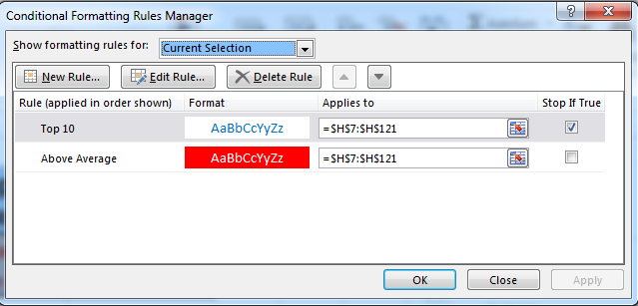
3 | Chico | Spring Flowers | 2004-03-20 | Sculpture | Excellent | East Pavilion | $2,400
After Rule 1 (Top 10) is applied: Format for H10 (blue font, no change in fill color)
4 | Roman | Seeking Shelter | 2005-10-08 | Sculpture | Excellent | Courtyard | $52,000
5 | DiGrigoro | The Hang | 2004-07-16 | Painting | Excellent | East Pavilion | $8,000
6 | Ibe | House Remembered | 2004-08-16 | Sculpture | Good | East Pavilion | $700
7 | Zischke | Homage to the Ancestors | 2004-07-17 | Textile | Excellent | East Pavilion | $1,200
8 | Gilhooly | End of the Path | 2004-08-16 | Sculpture | Excellent | East Pavilion | $1,900 | $52,000
Rule 2 (Above Average) is not applied to H10 (although $52,000 is above average), because Conditional Formatting Rule Manager stop evaluating rule(s) after executing the first rule
9 | Guys | Amen | 2003-12-13 | Sculpture | Excellent | East Pavilion | $3,000
10 | Swartz | Untitled (two figures) | 2007-09-08 | Sculpture | Excellent | East Pavilion | $800
11 | Dill | Eve | 2004-07-16 | Sculpture | Excellent | East Pavilion | $975
12 | Udinotti | Man on horseback | 2007-11-10 | Painting | Good | East Pavilion | $8,000
13 | Aserty | Superstitions | 2009-01-10 | Painting | Excellent | Courtyard | $78,000
14 | McGraw | Plenty | 2005-02-19 | Sculpture | Excellent | West Pavilion | $500
15 | McIver | Punch | 2005-03-19 | Painting | Excellent | East Pavilion | $10,000
16 | Schenck | Untitled | 2006-01-07 | Painting | Excellent | East Pavilion | $6,000
17 | Bindner | Brittlecone | 2004-01-10 | Sculpture | Excellent | East Pavilion | $1,300 | $52,000
18 | Blum | Mountain Scene | 2004-01-10 | Sculpture | Excellent | East Pavilion | $2,500
Stop If True!
By flagging this selection on our rules, the conditional rule manager will stop executing any further formatting rules once a rule is found to be true.
19 | Reed | The White Heart | 2005-08-14 | Painting | Excellent | East Pavilion | $9,300
20 | Turrell | Untitled (Man holding coat) | 2007-10-13 | Textile | Excellent | East Pavilion | $3,000
21 | Aserty | Bead Wall | 2004-01-10 | Installation | Excellent | Courtyard | $14,000
22 | Shenal | The Cowboy | 2007-03-10 | Sculpture | Excellent | East Pavilion | $4,200
23 | Meglech | Shooting the Rapids | 2004-09-03 | Sculpture | Excellent | East Pavilion | $1,300
24 | Metz | Spirit and Nature | 2005-05-16 | Sculpture | Fair | West Pavilion | $592
25 | Senior | Profile of a Woman | 2006-11-11 | Sculpture | Excellent | West Pavilion | $625
26 | Scherzel | Untitled (madonna figure) | 2006-07-08 | Painting | Good | East Pavilion | $4,000
27 | Meglech | Mountain Climber | 2004-08-16 | Textile | Good | East Pavilion | $4,700
28 | Mogan | Tired cowboy | 2005-05-16 | Painting | Excellent | East Pavilion | $4,700
29 | Hofmann | Horseshoe Falls | 2004-08-16 | Painting | Excellent | East Pavilion | $15,000
30 | Guys | Ash Bench | 2004-01-10 | Sculpture | Good | East Pavilion | $13,000
31 | Ingraham | Inside/Out | 2004-08-16 | Painting | Excellent | East Pavilion | $3,500
32 | Lundquist | Rising Sun | 2004-08-16 | Sculpture | Excellent | East Pavilion | $2,000
33 | Werner | Untitled (Woman in abstract) | 2008-12-13 | Sculpture | Excellent | East Pavilion | $2,500
34 | Aserty | Beaver Pole Jumble | 2007-01-10 | Installation | Excellent | South Pavilion | $28,000
35 | Meglech | Nature/Nurture | 2004-08-16 | Sculpture | Excellent | East Pavilion | $1,300
36 | Battenberg | Blackhaw | 2004-01-10 | Sculpture | Excellent | East Pavilion | $25,500
37 | Fleming | Floating World | 2004-07-18 | Sculpture | Fair | East Pavilion | $2,350
38 | Acconci | Spring Flowers | 2003-05-10 | Sculpture | Good | East Pavilion | $800
39 | Cox | Treachery | 2004-05-11 | Painting | Excellent | West Pavilion | $20,000
40 | Meglech | Night on the Praire | 2004-09-03 | Sculpture | Excellent | East Pavilion | $1,300
41 | Hamend | Night Version | 2004-08-16 | Painting | Excellent | East Pavilion | $3,800
42 | Ames | Coffee on the Trail | 2003-08-09 | Painting | Good | East Pavilion | $7,544
43 | Guys | Creosote Bushes | 2004-01-10 | Sculpture | Excellent | East Pavilion | $18,000
44 | Lutes | Mexican Fiesta | 2004-08-16 | Painting | Excellent | East Pavilion | $14,000
45 | Kritz | Leaf Patterns | 2004-08-16 | Sculpture | Excellent | East Pavilion | $2,100
46 | Indiana | Immediate Gratification | 2004-08-16 | Sculpture | Good | East Pavilion | $1,500
47 | Maglich | Medicine Man | 2004-08-16 | Textile | Good | East Pavilion | $2,500
48 | Pierobon | Comfy Chair | 2005-07-16 | Sculpture | Excellent | East Pavilion | $800
49 | Blain | Buttercup with Red Lip | 2004-01-10 | Sculpture | Excellent | Garden | $400
50 | Acconci | Cattle Ranch | 2004-04-19 | Textile | Good | East Pavilion | $10,000
51 | Kerrihard | Night Version | 2004-08-16 | Painting | Excellent | East Pavilion | $7,000
52 | Curtis | American Rodeo | 2004-05-15 | Painting | Poor | East Pavilion | $3,500
53 | Bindner | Blue Eyed Indian | 2009-01-10 | Painting | Excellent | Courtyard | $40,000
54 | Mogan | Snake Charmer | 2005-05-16 | Painting | Good | East Pavilion | $4,500
55 | Budd | Starlit Evening | 2004-01-10 | Painting | Excellent | East Pavilion | $9,500
56 | Bindner | Cavaralry is Coming | 2004-01-10 | Sculpture | Excellent | East Pavilion | $1,900
57 | Scherzel | Untitled | 2006-01-07 | Painting | Fair | East Pavilion | $4,500
58 | Rath | The Gathering | 2005-07-16 | Sculpture | Excellent | West Pavilion | $250
59 | Dawson | Dwelling | 2004-07-16 | Painting | Excellent | East Pavilion | $16,000
60 | Lundquist | Story Sticks | 2004-08-16 | Sculpture | Excellent | West Pavilion | $650
61 | Wittner | Untitled Mural | 2009-03-07 | Painting | Excellent | East Pavilion | $3,520
62 | Lowney | Cowboy and Saddle | 2004-08-16 | Painting | Excellent | East Pavilion | $18,000
63 | Aserty | Asleep in the garden | 2009-01-10 | Installation | Excellent | Garden | $110,000
64 | Motherwell | Spirit Columns | 2005-05-16 | Painting | Excellent | East Pavilion | $7,000
65 | Meglech | Moonlite | 2004-08-16 | Sculpture | Excellent | East Pavilion | $1,300
66 | Waid | Untitled (still life) | 2008-12-13 | Painting | Excellent | Courtyard | $19,500
67 | Miller | Owl in Flight | 2005-05-16 | Painting | Excellent | East Pavilion | $7,000
68 | Mogan | Moonlight | 2005-04-09 | Painting | Fair | East Pavilion | $9,750
69 | Mogan | Renaissance | 2005-05-15 | Painting | Excellent | East Pavilion | $5,500
70 | Baron | Beginnings | 2010-01-10 | Textile | Fair | East Pavilion | $27,500
71 | Wright | Ride the Rapids | 2009-08-15 | Sculpture | Good | Garden | $300
72 | Garin | Funnel | 2004-07-18 | Painting | Excellent | East Pavilion | $4,500
73 | Cridler | Dancing in the Light | 2004-05-15 | Sculpture | Fair | East Pavilion | $1,000
74 | Parker | Storm on the Rise | 2005-05-23 | Painting | Good | East Pavilion | $8,000
75 | Bindner | Western Boots and Spurs | 2004-01-10 | Painting | Fair | East Pavilion | $6,000
76 | Wright | Ride the Bronc | 2009-08-15 | Sculpture | Poor | East Pavilion | $1,500
77 | Bindner | Bull Riding | 2004-01-10 | Painting | Poor | East Pavilion | $5,200
78 | Guys | Chuckwagon | 2003-10-11 | Sculpture | Excellent | East Pavilion | $32,000
79 | Rissman | Carrying the Mail | 2005-09-03 | Painting | Excellent | East Pavilion | $8,000
80 | Quiroz | The Dust Behind | 2005-07-16 | Painting | Excellent | East Pavilion | $18,000
81 | Colvin | Coming Under Fire | 2004-04-17 | Sculpture | Poor | West Pavilion | $650
82 | Hamend | Spring Flowers | 2005-08-16 | Painting | Excellent | South Pavilion | $20,000
83 | Roman | Untitled | 2005-12-17 | Installation | Good | Courtyard | $2,500
84 | Garber | Crossing the Platt River | 2004-07-18 | Sculpture | Excellent | East Pavilion | $2,200
85 | Rogers | Traces | 2005-09-03 | Painting | Excellent | South Pavilion | $20,000
86 | Scholder | Untitled (desert landscape) | 2006-07-12 | Painting | Excellent | East Pavilion | $18,000
87 | Yasami | Three Woman | 2009-11-07 | Painting | Excellent | South Pavilion | $20,000
88 | Kollasch | Lessons | 2004-08-16 | Painting | Excellent | East Pavilion | $3,700
89 | Odiezma | Life Lessons | 2005-05-16 | Painting | Good | East Pavilion | $4,125
90 | Capplin | Trappers | 2004-04-18 | Painting | Good | East Pavilion | $6,000
91 | Carpenter | Off the Grid | 2004-02-07 | Installation | Excellent | Garden | $8,000
92 | Ortega | Stone Palette | 2005-05-21 | Painting | Excellent | East Pavilion | $11,500
93 | Meglech | Dressing Up | 2004-09-03 | Sculpture | Excellent | East Pavilion | $1,300
94 | Rissman | Antelopes | 2005-09-03 | Painting | Excellent | East Pavilion | $12,500
95 | Lerman | Life is Sweet | 2007-08-16 | Installation | Excellent | South Pavilion | $25,000
96 | Reed | The Spirit | 2005-07-16 | Painting | Excellent | South Pavilion | $20,000
97 | Cardenas | Ceremonial Sticks | 2004-01-23 | Painting | Excellent | East Pavilion | $15,000
98 | Van Coller | Untitled (Sea) | 2008-11-08 | Sculpture | Excellent | East Pavilion | $2,800
99 | Penn | Sweet Project | 2005-07-16 | Sculpture | Excellent | West Pavilion | $592
100 | Edwards | Watch that Rattler | 2004-07-17 | Textile | Good | East Pavilion | $900
101 | Kritz | Hungary cowboys | 2004-08-16 | Sculpture | Excellent | East Pavilion | $750
102 | Prinzen | The Red Door | 2005-07-16 | Painting | Excellent | East Pavilion | $10,000
103 | Cox | Crying Hats | 2004-05-11 | Painting | Excellent | East Pavilion | $10,000
104 | Acconci | Trail End | 2003-05-10 | Painting | Excellent | East Pavilion | $8,000
105 | Statom | Untitled | 2007-07-14 | Sculpture | Poor | East Pavilion | $1,800
106 | Xie | Meteor Show | 2009-09-12 | Painting | Excellent | East Pavilion | $10,000
107 | Long | Horse Corral | 2004-08-16 | Painting | Excellent | East Pavilion | $12,500
108 | Irvin | Striking it Rich | 2004-08-16 | Sculpture | Excellent | East Pavilion | $1,750
109 | Werner | Untitled Mural | 2009-02-07 | Sculpture | Excellent | Garden | $400
110 | Fratt | Friends | 2004-07-18 | Painting | Excellent | East Pavilion | $16,000
111 | Rissman | Three Sisters | 2005-09-03 | Painting | Excellent | East Pavilion | $6,500
112 | Tidwell | Untitled (man and crucifix) | 2007-10-13 | Textile | Excellent | East Pavilion | $3,200
113 | Gonzales | Dark Canyon | 2004-08-16 | Painting | Excellent | East Pavilion | $7,500
114 | Mogan | Shadow House | 2005-05-05 | Painting | Good | East Pavilion | $5,500
115 | Mogan | Storytelling at the Campfire | 2005-03-19 | Painting | Excellent | East Pavilion | $18,000

Sorting Exercise
An Exercise in One-Field Sorts
choose any cell in the field to be sorted, then
Data Ribbon | Sort & Filter Group | A to Z or Z to A

Sort in ascending (A to Z) order on the Location field. The result is shown on the next worksheet.
ArtID | Artist | Title | Date Acquired | Category | Condition | Location | Appraised Value
1 | Mogan | Red Rock Mountain | 2005-03-19 | Painting | Excellent | East Pavilion | $18,000
2 | Novarre | Offerings | 2005-05-16 | Painting | Excellent | East Pavilion | $10,000
3 | Chico | Spring Flowers | 2004-03-20 | Sculpture | Excellent | East Pavilion | $2,400
4 | Roman | Seeking Shelter | 2005-10-08 | Sculpture | Excellent | Courtyard | $52,000
5 | DiGrigoro | The Hang | 2004-07-16 | Painting | Excellent | East Pavilion | $8,000
6 | Ibe | House Remembered | 2004-08-16 | Sculpture | Good | East Pavilion | $700
7 | Zischke | Homage to the Ancestors | 2004-07-17 | Textile | Excellent | East Pavilion | $1,200
8 | Gilhooly | End of the Path | 2004-08-16 | Sculpture | Excellent | East Pavilion | $1,900
9 | Guys | Amen | 2003-12-13 | Sculpture | Excellent | East Pavilion | $3,000
10 | Swartz | Untitled (two figures) | 2007-09-08 | Sculpture | Excellent | East Pavilion | $800
11 | Dill | Eve | 2004-07-16 | Sculpture | Excellent | East Pavilion | $975
12 | Udinotti | Man on horseback | 2007-11-10 | Painting | Good | East Pavilion | $8,000
13 | Aserty | Superstitions | 2009-01-10 | Painting | Excellent | Courtyard | $78,000
14 | McGraw | Plenty | 2005-02-19 | Sculpture | Excellent | West Pavilion | $500
15 | McIver | Punch | 2005-03-19 | Painting | Excellent | East Pavilion | $10,000
16 | Schenck | Untitled | 2006-01-07 | Painting | Excellent | East Pavilion | $6,000
17 | Bindner | Brittlecone | 2004-01-10 | Sculpture | Excellent | East Pavilion | $1,300
18 | Blum | Mountain Scene | 2004-01-10 | Sculpture | Excellent | East Pavilion | $2,500
19 | Reed | The White Heart | 2005-08-14 | Painting | Excellent | East Pavilion | $9,300
20 | Turrell | Untitled (Man holding coat) | 2007-10-13 | Textile | Excellent | East Pavilion | $3,000
21 | Aserty | Bead Wall | 2004-01-10 | Installation | Excellent | Courtyard | $14,000
22 | Shenal | The Cowboy | 2007-03-10 | Sculpture | Excellent | East Pavilion | $4,200
23 | Meglech | Shooting the Rapids | 2004-09-03 | Sculpture | Excellent | East Pavilion | $1,300
24 | Metz | Spirit and Nature | 2005-05-16 | Sculpture | Fair | West Pavilion | $592
25 | Senior | Profile of a Woman | 2006-11-11 | Sculpture | Excellent | West Pavilion | $625
26 | Scherzel | Untitled (madonna figure) | 2006-07-08 | Painting | Good | East Pavilion | $4,000
27 | Meglech | Mountain Climber | 2004-08-16 | Textile | Good | East Pavilion | $4,700
28 | Mogan | Tired cowboy | 2005-05-16 | Painting | Excellent | East Pavilion | $4,700
29 | Hofmann | Horseshoe Falls | 2004-08-16 | Painting | Excellent | East Pavilion | $15,000
30 | Guys | Ash Bench | 2004-01-10 | Sculpture | Good | East Pavilion | $13,000
31 | Ingraham | Inside/Out | 2004-08-16 | Painting | Excellent | East Pavilion | $3,500
32 | Lundquist | Rising Sun | 2004-08-16 | Sculpture | Excellent | East Pavilion | $2,000
33 | Werner | Untitled (Woman in abstract) | 2008-12-13 | Sculpture | Excellent | East Pavilion | $2,500
34 | Aserty | Beaver Pole Jumble | 2007-01-10 | Installation | Excellent | South Pavilion | $28,000
35 | Meglech | Nature/Nurture | 2004-08-16 | Sculpture | Excellent | East Pavilion | $1,300
36 | Battenberg | Blackhaw | 2004-01-10 | Sculpture | Excellent | East Pavilion | $25,500
37 | Fleming | Floating World | 2004-07-18 | Sculpture | Fair | East Pavilion | $2,350
38 | Acconci | Spring Flowers | 2003-05-10 | Sculpture | Good | East Pavilion | $800
39 | Cox | Treachery | 2004-05-11 | Painting | Excellent | West Pavilion | $20,000
40 | Meglech | Night on the Praire | 2004-09-03 | Sculpture | Excellent | East Pavilion | $1,300
41 | Hamend | Night Version | 2004-08-16 | Painting | Excellent | East Pavilion | $3,800
42 | Ames | Coffee on the Trail | 2003-08-09 | Painting | Good | East Pavilion | $7,544
43 | Guys | Creosote Bushes | 2004-01-10 | Sculpture | Excellent | East Pavilion | $18,000
44 | Lutes | Mexican Fiesta | 2004-08-16 | Painting | Excellent | East Pavilion | $14,000
45 | Kritz | Leaf Patterns | 2004-08-16 | Sculpture | Excellent | East Pavilion | $2,100
46 | Indiana | Immediate Gratification | 2004-08-16 | Sculpture | Good | East Pavilion | $1,500
47 | Maglich | Medicine Man | 2004-08-16 | Textile | Good | East Pavilion | $2,500
48 | Pierobon | Comfy Chair | 2005-07-16 | Sculpture | Excellent | East Pavilion | $800
49 | Blain | Buttercup with Red Lip | 2004-01-10 | Sculpture | Excellent | Garden | $400
50 | Acconci | Cattle Ranch | 2004-04-19 | Textile | Good | East Pavilion | $10,000
51 | Kerrihard | Night Version | 2004-08-16 | Painting | Excellent | East Pavilion | $7,000
52 | Curtis | American Rodeo | 2004-05-15 | Painting | Poor | East Pavilion | $3,500
53 | Bindner | Blue Eyed Indian | 2009-01-10 | Painting | Excellent | Courtyard | $40,000
54 | Mogan | Snake Charmer | 2005-05-16 | Painting | Good | East Pavilion | $4,500
55 | Budd | Starlit Evening | 2004-01-10 | Painting | Excellent | East Pavilion | $9,500
56 | Bindner | Cavaralry is Coming | 2004-01-10 | Sculpture | Excellent | East Pavilion | $1,900
57 | Scherzel | Untitled | 2006-01-07 | Painting | Fair | East Pavilion | $4,500
58 | Rath | The Gathering | 2005-07-16 | Sculpture | Excellent | West Pavilion | $250
59 | Dawson | Dwelling | 2004-07-16 | Painting | Excellent | East Pavilion | $16,000
60 | Lundquist | Story Sticks | 2004-08-16 | Sculpture | Excellent | West Pavilion | $650
61 | Wittner | Untitled Mural | 2009-03-07 | Painting | Excellent | East Pavilion | $3,520
62 | Lowney | Cowboy and Saddle | 2004-08-16 | Painting | Excellent | East Pavilion | $18,000
63 | Aserty | Asleep in the garden | 2009-01-10 | Installation | Excellent | Garden | $110,000
64 | Motherwell | Spirit Columns | 2005-05-16 | Painting | Excellent | East Pavilion | $7,000
65 | Meglech | Moonlite | 2004-08-16 | Sculpture | Excellent | East Pavilion | $1,300
66 | Waid | Untitled (still life) | 2008-12-13 | Painting | Excellent | Courtyard | $19,500
67 | Miller | Owl in Flight | 2005-05-16 | Painting | Excellent | East Pavilion | $7,000
68 | Mogan | Moonlight | 2005-04-09 | Painting | Fair | East Pavilion | $9,750
69 | Mogan | Renaissance | 2005-05-15 | Painting | Excellent | East Pavilion | $5,500
70 | Baron | Beginnings | 2010-01-10 | Textile | Fair | East Pavilion | $27,500
71 | Wright | Ride the Rapids | 2009-08-15 | Sculpture | Good | Garden | $300
72 | Garin | Funnel | 2004-07-18 | Painting | Excellent | East Pavilion | $4,500
73 | Cridler | Dancing in the Light | 2004-05-15 | Sculpture | Fair | East Pavilion | $1,000
74 | Parker | Storm on the Rise | 2005-05-23 | Painting | Good | East Pavilion | $8,000
75 | Bindner | Western Boots and Spurs | 2004-01-10 | Painting | Fair | East Pavilion | $6,000
76 | Wright | Ride the Bronc | 2009-08-15 | Sculpture | Poor | East Pavilion | $1,500
77 | Bindner | Bull Riding | 2004-01-10 | Painting | Poor | East Pavilion | $5,200
78 | Guys | Chuckwagon | 2003-10-11 | Sculpture | Excellent | East Pavilion | $32,000
79 | Rissman | Carrying the Mail | 2005-09-03 | Painting | Excellent | East Pavilion | $8,000
80 | Quiroz | The Dust Behind | 2005-07-16 | Painting | Excellent | East Pavilion | $18,000
81 | Colvin | Coming Under Fire | 2004-04-17 | Sculpture | Poor | West Pavilion | $650
82 | Hamend | Spring Flowers | 2005-08-16 | Painting | Excellent | South Pavilion | $20,000
83 | Roman | Untitled | 2005-12-17 | Installation | Good | Courtyard | $2,500
84 | Garber | Crossing the Platt River | 2004-07-18 | Sculpture | Excellent | East Pavilion | $2,200
85 | Rogers | Traces | 2005-09-03 | Painting | Excellent | South Pavilion | $20,000
86 | Scholder | Untitled (desert landscape) | 2006-07-12 | Painting | Excellent | East Pavilion | $18,000
87 | Yasami | Three Woman | 2009-11-07 | Painting | Excellent | South Pavilion | $20,000
88 | Kollasch | Lessons | 2004-08-16 | Painting | Excellent | East Pavilion | $3,700
89 | Odiezma | Life Lessons | 2005-05-16 | Painting | Good | East Pavilion | $4,125
90 | Capplin | Trappers | 2004-04-18 | Painting | Good | East Pavilion | $6,000
91 | Carpenter | Off the Grid | 2004-02-07 | Installation | Excellent | Garden | $8,000
92 | Ortega | Stone Palette | 2005-05-21 | Painting | Excellent | East Pavilion | $11,500
93 | Meglech | Dressing Up | 2004-09-03 | Sculpture | Excellent | East Pavilion | $1,300
94 | Rissman | Antelopes | 2005-09-03 | Painting | Excellent | East Pavilion | $12,500
95 | Lerman | Life is Sweet | 2007-08-16 | Installation | Excellent | South Pavilion | $25,000
96 | Reed | The Spirit | 2005-07-16 | Painting | Excellent | South Pavilion | $20,000
97 | Cardenas | Ceremonial Sticks | 2004-01-23 | Painting | Excellent | East Pavilion | $15,000
98 | Van Coller | Untitled (Sea) | 2008-11-08 | Sculpture | Excellent | East Pavilion | $2,800
99 | Penn | Sweet Project | 2005-07-16 | Sculpture | Excellent | West Pavilion | $592
100 | Edwards | Watch that Rattler | 2004-07-17 | Textile | Good | East Pavilion | $900
101 | Kritz | Hungary cowboys | 2004-08-16 | Sculpture | Excellent | East Pavilion | $750
102 | Prinzen | The Red Door | 2005-07-16 | Painting | Excellent | East Pavilion | $10,000
103 | Cox | Crying Hats | 2004-05-11 | Painting | Excellent | East Pavilion | $10,000
104 | Acconci | Trail End | 2003-05-10 | Painting | Excellent | East Pavilion | $8,000
105 | Statom | Untitled | 2007-07-14 | Sculpture | Poor | East Pavilion | $1,800
106 | Xie | Meteor Show | 2009-09-12 | Painting | Excellent | East Pavilion | $10,000
107 | Long | Horse Corral | 2004-08-16 | Painting | Excellent | East Pavilion | $12,500
108 | Irvin | Striking it Rich | 2004-08-16 | Sculpture | Excellent | East Pavilion | $1,750
109 | Werner | Untitled Mural | 2009-02-07 | Sculpture | Excellent | Garden | $400
110 | Fratt | Friends | 2004-07-18 | Painting | Excellent | East Pavilion | $16,000
111 | Rissman | Three Sisters | 2005-09-03 | Painting | Excellent | East Pavilion | $6,500
112 | Tidwell | Untitled (man and crucifix) | 2007-10-13 | Textile | Excellent | East Pavilion | $3,200
113 | Gonzales | Dark Canyon | 2004-08-16 | Painting | Excellent | East Pavilion | $7,500
114 | Mogan | Shadow House | 2005-05-05 | Painting | Good | East Pavilion | $5,500
115 | Mogan | Storytelling at the Campfire | 2005-03-19 | Painting | Excellent | East Pavilion | $18,000

Sorting Result
Result for An Exercise in One-Field Sorts
the records have been sorted in ascending order on the Location field

Note how all the Courtyard records have been grouped together, all the East Pavilion records have been grouped together, etc.
ArtID | Artist | Title | Date Acquired | Category | Condition | Location | Appraised Value
4 | Roman | Seeking Shelter | 2005-10-08 | Sculpture | Excellent | Courtyard | $52,000
13 | Aserty | Superstitions | 2009-01-10 | Painting | Excellent | Courtyard | $78,000
21 | Aserty | Bead Wall | 2004-01-10 | Installation | Excellent | Courtyard | $14,000
53 | Bindner | Blue Eyed Indian | 2009-01-10 | Painting | Excellent | Courtyard | $40,000
66 | Waid | Untitled (still life) | 2008-12-13 | Painting | Excellent | Courtyard | $19,500
83 | Roman | Untitled | 2005-12-17 | Installation | Good | Courtyard | $2,500
1 | Mogan | Red Rock Mountain | 2005-03-19 | Painting | Excellent | East Pavilion | $18,000
2 | Novarre | Offerings | 2005-05-16 | Painting | Excellent | East Pavilion | $10,000
3 | Chico | Spring Flowers | 2004-03-20 | Sculpture | Excellent | East Pavilion | $2,400
5 | DiGrigoro | The Hang | 2004-07-16 | Painting | Excellent | East Pavilion | $8,000
7 | Zischke | Homage to the Ancestors | 2004-07-17 | Textile | Excellent | East Pavilion | $1,200
8 | Gilhooly | End of the Path | 2004-08-16 | Sculpture | Excellent | East Pavilion | $1,900
9 | Guys | Amen | 2003-12-13 | Sculpture | Excellent | East Pavilion | $3,000
Also note that all the fields in the "yellow record" have remained in the "yellow record," even though that record has been repositioned; and the same for the "rose record".
Conclusion: each record is treated as a single unit of information when records are sorted.
(Otherwise, record integrity would be lost.)
10 | Swartz | Untitled (two figures) | 2007-09-08 | Sculpture | Excellent | East Pavilion | $800
11 | Dill | Eve | 2004-07-16 | Sculpture | Excellent | East Pavilion | $975
15 | McIver | Punch | 2005-03-19 | Painting | Excellent | East Pavilion | $10,000
16 | Schenck | Untitled | 2006-01-07 | Painting | Excellent | East Pavilion | $6,000
17 | Bindner | Brittlecone | 2004-01-10 | Sculpture | Excellent | East Pavilion | $1,300
18 | Blum | Mountain Scene | 2004-01-10 | Sculpture | Excellent | East Pavilion | $2,500
19 | Reed | The White Heart | 2005-08-14 | Painting | Excellent | East Pavilion | $9,300
20 | Turrell | Untitled (Man holding coat) | 2007-10-13 | Textile | Excellent | East Pavilion | $3,000
22 | Shenal | The Cowboy | 2007-03-10 | Sculpture | Excellent | East Pavilion | $4,200
23 | Meglech | Shooting the Rapids | 2004-09-03 | Sculpture | Excellent | East Pavilion | $1,300
28 | Mogan | Tired cowboy | 2005-05-16 | Painting | Excellent | East Pavilion | $4,700
29 | Hofmann | Horseshoe Falls | 2004-08-16 | Painting | Excellent | East Pavilion | $15,000
31 | Ingraham | Inside/Out | 2004-08-16 | Painting | Excellent | East Pavilion | $3,500
32 | Lundquist | Rising Sun | 2004-08-16 | Sculpture | Excellent | East Pavilion | $2,000
33 | Werner | Untitled (Woman in abstract) | 2008-12-13 | Sculpture | Excellent | East Pavilion | $2,500
35 | Meglech | Nature/Nurture | 2004-08-16 | Sculpture | Excellent | East Pavilion | $1,300
36 | Battenberg | Blackhaw | 2004-01-10 | Sculpture | Excellent | East Pavilion | $25,500
40 | Meglech | Night on the Praire | 2004-09-03 | Sculpture | Excellent | East Pavilion | $1,300
41 | Hamend | Night Version | 2004-08-16 | Painting | Excellent | East Pavilion | $3,800
43 | Guys | Creosote Bushes | 2004-01-10 | Sculpture | Excellent | East Pavilion | $18,000
44 | Lutes | Mexican Fiesta | 2004-08-16 | Painting | Excellent | East Pavilion | $14,000
45 | Kritz | Leaf Patterns | 2004-08-16 | Sculpture | Excellent | East Pavilion | $2,100
48 | Pierobon | Comfy Chair | 2005-07-16 | Sculpture | Excellent | East Pavilion | $800
51 | Kerrihard | Night Version | 2004-08-16 | Painting | Excellent | East Pavilion | $7,000
55 | Budd | Starlit Evening | 2004-01-10 | Painting | Excellent | East Pavilion | $9,500
56 | Bindner | Cavaralry is Coming | 2004-01-10 | Sculpture | Excellent | East Pavilion | $1,900
59 | Dawson | Dwelling | 2004-07-16 | Painting | Excellent | East Pavilion | $16,000
61 | Wittner | Untitled Mural | 2009-03-07 | Painting | Excellent | East Pavilion | $3,520
62 | Lowney | Cowboy and Saddle | 2004-08-16 | Painting | Excellent | East Pavilion | $18,000
64 | Motherwell | Spirit Columns | 2005-05-16 | Painting | Excellent | East Pavilion | $7,000
65 | Meglech | Moonlite | 2004-08-16 | Sculpture | Excellent | East Pavilion | $1,300
67 | Miller | Owl in Flight | 2005-05-16 | Painting | Excellent | East Pavilion | $7,000
69 | Mogan | Renaissance | 2005-05-15 | Painting | Excellent | East Pavilion | $5,500
72 | Garin | Funnel | 2004-07-18 | Painting | Excellent | East Pavilion | $4,500
78 | Guys | Chuckwagon | 2003-10-11 | Sculpture | Excellent | East Pavilion | $32,000
79 | Rissman | Carrying the Mail | 2005-09-03 | Painting | Excellent | East Pavilion | $8,000
80 | Quiroz | The Dust Behind | 2005-07-16 | Painting | Excellent | East Pavilion | $18,000
84 | Garber | Crossing the Platt River | 2004-07-18 | Sculpture | Excellent | East Pavilion | $2,200
86 | Scholder | Untitled (desert landscape) | 2006-07-12 | Painting | Excellent | East Pavilion | $18,000
88 | Kollasch | Lessons | 2004-08-16 | Painting | Excellent | East Pavilion | $3,700
92 | Ortega | Stone Palette | 2005-05-21 | Painting | Excellent | East Pavilion | $11,500
93 | Meglech | Dressing Up | 2004-09-03 | Sculpture | Excellent | East Pavilion | $1,300
94 | Rissman | Antelopes | 2005-09-03 | Painting | Excellent | East Pavilion | $12,500
97 | Cardenas | Ceremonial Sticks | 2004-01-23 | Painting | Excellent | East Pavilion | $15,000
98 | Van Coller | Untitled (Sea) | 2008-11-08 | Sculpture | Excellent | East Pavilion | $2,800
101 | Kritz | Hungary cowboys | 2004-08-16 | Sculpture | Excellent | East Pavilion | $750
102 | Prinzen | The Red Door | 2005-07-16 | Painting | Excellent | East Pavilion | $10,000
103 | Cox | Crying Hats | 2004-05-11 | Painting | Excellent | East Pavilion | $10,000
104 | Acconci | Trail End | 2003-05-10 | Painting | Excellent | East Pavilion | $8,000
106 | Xie | Meteor Show | 2009-09-12 | Painting | Excellent | East Pavilion | $10,000
107 | Long | Horse Corral | 2004-08-16 | Painting | Excellent | East Pavilion | $12,500
108 | Irvin | Striking it Rich | 2004-08-16 | Sculpture | Excellent | East Pavilion | $1,750
110 | Fratt | Friends | 2004-07-18 | Painting | Excellent | East Pavilion | $16,000
111 | Rissman | Three Sisters | 2005-09-03 | Painting | Excellent | East Pavilion | $6,500
112 | Tidwell | Untitled (man and crucifix) | 2007-10-13 | Textile | Excellent | East Pavilion | $3,200
113 | Gonzales | Dark Canyon | 2004-08-16 | Painting | Excellent | East Pavilion | $7,500
115 | Mogan | Storytelling at the Campfire | 2005-03-19 | Painting | Excellent | East Pavilion | $18,000
37 | Fleming | Floating World | 2004-07-18 | Sculpture | Fair | East Pavilion | $2,350
57 | Scherzel | Untitled | 2006-01-07 | Painting | Fair | East Pavilion | $4,500
68 | Mogan | Moonlight | 2005-04-09 | Painting | Fair | East Pavilion | $9,750
70 | Baron | Beginnings | 2010-01-10 | Textile | Fair | East Pavilion | $27,500
73 | Cridler | Dancing in the Light | 2004-05-15 | Sculpture | Fair | East Pavilion | $1,000
75 | Bindner | Western Boots and Spurs | 2004-01-10 | Painting | Fair | East Pavilion | $6,000
6 | Ibe | House Remembered | 2004-08-16 | Sculpture | Good | East Pavilion | $700
12 | Udinotti | Man on horseback | 2007-11-10 | Painting | Good | East Pavilion | $8,000
26 | Scherzel | Untitled (madonna figure) | 2006-07-08 | Painting | Good | East Pavilion | $4,000
27 | Meglech | Mountain Climber | 2004-08-16 | Textile | Good | East Pavilion | $4,700
30 | Guys | Ash Bench | 2004-01-10 | Sculpture | Good | East Pavilion | $13,000
38 | Acconci | Spring Flowers | 2003-05-10 | Sculpture | Good | East Pavilion | $800
42 | Ames | Coffee on the Trail | 2003-08-09 | Painting | Good | East Pavilion | $7,544
46 | Indiana | Immediate Gratification | 2004-08-16 | Sculpture | Good | East Pavilion | $1,500
47 | Maglich | Medicine Man | 2004-08-16 | Textile | Good | East Pavilion | $2,500
50 | Acconci | Cattle Ranch | 2004-04-19 | Textile | Good | East Pavilion | $10,000
54 | Mogan | Snake Charmer | 2005-05-16 | Painting | Good | East Pavilion | $4,500
74 | Parker | Storm on the Rise | 2005-05-23 | Painting | Good | East Pavilion | $8,000
89 | Odiezma | Life Lessons | 2005-05-16 | Painting | Good | East Pavilion | $4,125
90 | Capplin | Trappers | 2004-04-18 | Painting | Good | East Pavilion | $6,000
100 | Edwards | Watch that Rattler | 2004-07-17 | Textile | Good | East Pavilion | $900
114 | Mogan | Shadow House | 2005-05-05 | Painting | Good | East Pavilion | $5,500
52 | Curtis | American Rodeo | 2004-05-15 | Painting | Poor | East Pavilion | $3,500
76 | Wright | Ride the Bronc | 2009-08-15 | Sculpture | Poor | East Pavilion | $1,500
77 | Bindner | Bull Riding | 2004-01-10 | Painting | Poor | East Pavilion | $5,200
105 | Statom | Untitled | 2007-07-14 | Sculpture | Poor | East Pavilion | $1,800
49 | Blain | Buttercup with Red Lip | 2004-01-10 | Sculpture | Excellent | Garden | $400
63 | Aserty | Asleep in the garden | 2009-01-10 | Installation | Excellent | Garden | $110,000
91 | Carpenter | Off the Grid | 2004-02-07 | Installation | Excellent | Garden | $8,000
109 | Werner | Untitled Mural | 2009-02-07 | Sculpture | Excellent | Garden | $400
71 | Wright | Ride the Rapids | 2009-08-15 | Sculpture | Good | Garden | $300
34 | Aserty | Beaver Pole Jumble | 2007-01-10 | Installation | Excellent | South Pavilion | $28,000
82 | Hamend | Spring Flowers | 2005-08-16 | Painting | Excellent | South Pavilion | $20,000
85 | Rogers | Traces | 2005-09-03 | Painting | Excellent | South Pavilion | $20,000
87 | Yasami | Three Woman | 2009-11-07 | Painting | Excellent | South Pavilion | $20,000
95 | Lerman | Life is Sweet | 2007-08-16 | Installation | Excellent | South Pavilion | $25,000
96 | Reed | The Spirit | 2005-07-16 | Painting | Excellent | South Pavilion | $20,000
14 | McGraw | Plenty | 2005-02-19 | Sculpture | Excellent | West Pavilion | $500
25 | Senior | Profile of a Woman | 2006-11-11 | Sculpture | Excellent | West Pavilion | $625
39 | Cox | Treachery | 2004-05-11 | Painting | Excellent | West Pavilion | $20,000
58 | Rath | The Gathering | 2005-07-16 | Sculpture | Excellent | West Pavilion | $250
60 | Lundquist | Story Sticks | 2004-08-16 | Sculpture | Excellent | West Pavilion | $650
99 | Penn | Sweet Project | 2005-07-16 | Sculpture | Excellent | West Pavilion | $592
24 | Metz | Spirit and Nature | 2005-05-16 | Sculpture | Fair | West Pavilion | $592
81 | Colvin | Coming Under Fire | 2004-04-17 | Sculpture | Poor | West Pavilion | $650

Subtotaling Result
Here are the Subtotaled Results for the Preceding Exercise

ArtID | Artist | Title | Date Acquired | Category | Condition | Location | Appraised Value
52 | Curtis | American Rodeo | 2004-05-15 | Painting | Poor | East Pavilion | $3,500
76 | Wright | Ride the Bronc | 2009-08-15 | Sculpture | Poor | East Pavilion | $1,500
77 | Bindner | Bull Riding | 2004-01-10 | Painting | Poor | East Pavilion | $5,200
81 | Colvin | Coming Under Fire | 2004-04-17 | Sculpture | Poor | West Pavilion | $650
105 | Statom | Untitled | 2007-07-14 | Sculpture | Poor | East Pavilion | $1,800
 |  |  |  |  | Poor Average |  | $2,530
6 | Ibe | House Remembered | 2004-08-16 | Sculpture | Good | East Pavilion | $700
12 | Udinotti | Man on horseback | 2007-11-10 | Painting | Good | East Pavilion | $8,000
Note the off-screen outlining buttons.
Collapse buttons:
Expand buttons:
26 | Scherzel | Untitled (madonna figure) | 2006-07-08 | Painting | Good | East Pavilion | $4,000
Appraised-Value subtotals for art objects in various Conditions
(manually formatted here with yellow fill to highlight the subtotal rows)
27 | Meglech | Mountain Climber | 2004-08-16 | Textile | Good | East Pavilion | $4,700
30 | Guys | Ash Bench | 2004-01-10 | Sculpture | Good | East Pavilion | $13,000
38 | Acconci | Spring Flowers | 2003-05-10 | Sculpture | Good | East Pavilion | $800
42 | Ames | Coffee on the Trail | 2003-08-09 | Painting | Good | East Pavilion | $7,544
46 | Indiana | Immediate Gratification | 2004-08-16 | Sculpture | Good | East Pavilion | $1,500
47 | Maglich | Medicine Man | 2004-08-16 | Textile | Good | East Pavilion | $2,500
50 | Acconci | Cattle Ranch | 2004-04-19 | Textile | Good | East Pavilion | $10,000
54 | Mogan | Snake Charmer | 2005-05-16 | Painting | Good | East Pavilion | $4,500
Subtotals are formula-based. If one or more values in a subtotaled field are changed, the subtotals will update as part of workbook recalculation.
71 | Wright | Ride the Rapids | 2009-08-15 | Sculpture | Good | Garden | $300
74 | Parker | Storm on the Rise | 2005-05-23 | Painting | Good | East Pavilion | $8,000
83 | Roman | Untitled | 2005-12-17 | Installation | Good | Courtyard | $2,500
89 | Odiezma | Life Lessons | 2005-05-16 | Painting | Good | East Pavilion | $4,125
90 | Capplin | Trappers | 2004-04-18 | Painting | Good | East Pavilion | $6,000
100 | Edwards | Watch that Rattler | 2004-07-17 | Textile | Good | East Pavilion | $900
114 | Mogan | Shadow House | 2005-05-05 | Painting | Good | East Pavilion | $5,500
 |  |  |  |  | Good Average |  | $4,698
24 | Metz | Spirit and Nature | 2005-05-16 | Sculpture | Fair | West Pavilion | $592
37 | Fleming | Floating World | 2004-07-18 | Sculpture | Fair | East Pavilion | $2,350
57 | Scherzel | Untitled | 2006-01-07 | Painting | Fair | East Pavilion | $4,500
68 | Mogan | Moonlight | 2005-04-09 | Painting | Fair | East Pavilion | $9,750
70 | Baron | Beginnings | 2010-01-10 | Textile | Fair | East Pavilion | $27,500
73 | Cridler | Dancing in the Light | 2004-05-15 | Sculpture | Fair | East Pavilion | $1,000
75 | Bindner | Western Boots and Spurs | 2004-01-10 | Painting | Fair | East Pavilion | $6,000
 |  |  |  |  | Fair Average |  | $7,385
1 | Mogan | Red Rock Mountain | 2005-03-19 | Painting | Excellent | East Pavilion | $18,000
2 | Novarre | Offerings | 2005-05-16 | Painting | Excellent | East Pavilion | $10,000
3 | Chico | Spring Flowers | 2004-03-20 | Sculpture | Excellent | East Pavilion | $2,400
4 | Roman | Seeking Shelter | 2005-10-08 | Sculpture | Excellent | Courtyard | $52,000
5 | DiGrigoro | The Hang | 2004-07-16 | Painting | Excellent | East Pavilion | $8,000
7 | Zischke | Homage to the Ancestors | 2004-07-17 | Textile | Excellent | East Pavilion | $1,200
8 | Gilhooly | End of the Path | 2004-08-16 | Sculpture | Excellent | East Pavilion | $1,900
9 | Guys | Amen | 2003-12-13 | Sculpture | Excellent | East Pavilion | $3,000
10 | Swartz | Untitled (two figures) | 2007-09-08 | Sculpture | Excellent | East Pavilion | $800
11 | Dill | Eve | 2004-07-16 | Sculpture | Excellent | East Pavilion | $975
13 | Aserty | Superstitions | 2009-01-10 | Painting | Excellent | Courtyard | $78,000
14 | McGraw | Plenty | 2005-02-19 | Sculpture | Excellent | West Pavilion | $500
15 | McIver | Punch | 2005-03-19 | Painting | Excellent | East Pavilion | $10,000
16 | Schenck | Untitled | 2006-01-07 | Painting | Excellent | East Pavilion | $6,000
17 | Bindner | Brittlecone | 2004-01-10 | Sculpture | Excellent | East Pavilion | $1,300
18 | Blum | Mountain Scene | 2004-01-10 | Sculpture | Excellent | East Pavilion | $2,500
19 | Reed | The White Heart | 2005-08-14 | Painting | Excellent | East Pavilion | $9,300
20 | Turrell | Untitled (Man holding coat) | 2007-10-13 | Textile | Excellent | East Pavilion | $3,000
21 | Aserty | Bead Wall | 2004-01-10 | Installation | Excellent | Courtyard | $14,000
22 | Shenal | The Cowboy | 2007-03-10 | Sculpture | Excellent | East Pavilion | $4,200
23 | Meglech | Shooting the Rapids | 2004-09-03 | Sculpture | Excellent | East Pavilion | $1,300
25 | Senior | Profile of a Woman | 2006-11-11 | Sculpture | Excellent | West Pavilion | $625
28 | Mogan | Tired cowboy | 2005-05-16 | Painting | Excellent | East Pavilion | $4,700
29 | Hofmann | Horseshoe Falls | 2004-08-16 | Painting | Excellent | East Pavilion | $15,000
31 | Ingraham | Inside/Out | 2004-08-16 | Painting | Excellent | East Pavilion | $3,500
32 | Lundquist | Rising Sun | 2004-08-16 | Sculpture | Excellent | East Pavilion | $2,000
33 | Werner | Untitled (Woman in abstract) | 2008-12-13 | Sculpture | Excellent | East Pavilion | $2,500
34 | Aserty | Beaver Pole Jumble | 2007-01-10 | Installation | Excellent | South Pavilion | $28,000
35 | Meglech | Nature/Nurture | 2004-08-16 | Sculpture | Excellent | East Pavilion | $1,300
36 | Battenberg | Blackhaw | 2004-01-10 | Sculpture | Excellent | East Pavilion | $25,500
39 | Cox | Treachery | 2004-05-11 | Painting | Excellent | West Pavilion | $20,000
40 | Meglech | Night on the Praire | 2004-09-03 | Sculpture | Excellent | East Pavilion | $1,300
41 | Hamend | Night Version | 2004-08-16 | Painting | Excellent | East Pavilion | $3,800
43 | Guys | Creosote Bushes | 2004-01-10 | Sculpture | Excellent | East Pavilion | $18,000
44 | Lutes | Mexican Fiesta | 2004-08-16 | Painting | Excellent | East Pavilion | $14,000
45 | Kritz | Leaf Patterns | 2004-08-16 | Sculpture | Excellent | East Pavilion | $2,100
48 | Pierobon | Comfy Chair | 2005-07-16 | Sculpture | Excellent | East Pavilion | $800
49 | Blain | Buttercup with Red Lip | 2004-01-10 | Sculpture | Excellent | Garden | $400
51 | Kerrihard | Night Version | 2004-08-16 | Painting | Excellent | East Pavilion | $7,000
53 | Bindner | Blue Eyed Indian | 2009-01-10 | Painting | Excellent | Courtyard | $40,000
55 | Budd | Starlit Evening | 2004-01-10 | Painting | Excellent | East Pavilion | $9,500
56 | Bindner | Cavaralry is Coming | 2004-01-10 | Sculpture | Excellent | East Pavilion | $1,900
58 | Rath | The Gathering | 2005-07-16 | Sculpture | Excellent | West Pavilion | $250
59 | Dawson | Dwelling | 2004-07-16 | Painting | Excellent | East Pavilion | $16,000
60 | Lundquist | Story Sticks | 2004-08-16 | Sculpture | Excellent | West Pavilion | $650
61 | Wittner | Untitled Mural | 2009-03-07 | Painting | Excellent | East Pavilion | $3,520
62 | Lowney | Cowboy and Saddle | 2004-08-16 | Painting | Excellent | East Pavilion | $18,000
63 | Aserty | Asleep in the garden | 2009-01-10 | Installation | Excellent | Garden | $110,000
64 | Motherwell | Spirit Columns | 2005-05-16 | Painting | Excellent | East Pavilion | $7,000
65 | Meglech | Moonlite | 2004-08-16 | Sculpture | Excellent | East Pavilion | $1,300
66 | Waid | Untitled (still life) | 2008-12-13 | Painting | Excellent | Courtyard | $19,500
67 | Miller | Owl in Flight | 2005-05-16 | Painting | Excellent | East Pavilion | $7,000
69 | Mogan | Renaissance | 2005-05-15 | Painting | Excellent | East Pavilion | $5,500
72 | Garin | Funnel | 2004-07-18 | Painting | Excellent | East Pavilion | $4,500
78 | Guys | Chuckwagon | 2003-10-11 | Sculpture | Excellent | East Pavilion | $32,000
79 | Rissman | Carrying the Mail | 2005-09-03 | Painting | Excellent | East Pavilion | $8,000
80 | Quiroz | The Dust Behind | 2005-07-16 | Painting | Excellent | East Pavilion | $18,000
82 | Hamend | Spring Flowers | 2005-08-16 | Painting | Excellent | South Pavilion | $20,000
84 | Garber | Crossing the Platt River | 2004-07-18 | Sculpture | Excellent | East Pavilion | $2,200
85 | Rogers | Traces | 2005-09-03 | Painting | Excellent | South Pavilion | $20,000
86 | Scholder | Untitled (desert landscape) | 2006-07-12 | Painting | Excellent | East Pavilion | $18,000
87 | Yasami | Three Woman | 2009-11-07 | Painting | Excellent | South Pavilion | $20,000
88 | Kollasch | Lessons | 2004-08-16 | Painting | Excellent | East Pavilion | $3,700
91 | Carpenter | Off the Grid | 2004-02-07 | Installation | Excellent | Garden | $8,000
92 | Ortega | Stone Palette | 2005-05-21 | Painting | Excellent | East Pavilion | $11,500
93 | Meglech | Dressing Up | 2004-09-03 | Sculpture | Excellent | East Pavilion | $1,300
94 | Rissman | Antelopes | 2005-09-03 | Painting | Excellent | East Pavilion | $12,500
95 | Lerman | Life is Sweet | 2007-08-16 | Installation | Excellent | South Pavilion | $25,000
96 | Reed | The Spirit | 2005-07-16 | Painting | Excellent | South Pavilion | $20,000
97 | Cardenas | Ceremonial Sticks | 2004-01-23 | Painting | Excellent | East Pavilion | $15,000
98 | Van Coller | Untitled (Sea) | 2008-11-08 | Sculpture | Excellent | East Pavilion | $2,800
99 | Penn | Sweet Project | 2005-07-16 | Sculpture | Excellent | West Pavilion | $592
101 | Kritz | Hungary cowboys | 2004-08-16 | Sculpture | Excellent | East Pavilion | $750
102 | Prinzen | The Red Door | 2005-07-16 | Painting | Excellent | East Pavilion | $10,000
103 | Cox | Crying Hats | 2004-05-11 | Painting | Excellent | East Pavilion | $10,000
104 | Acconci | Trail End | 2003-05-10 | Painting | Excellent | East Pavilion | $8,000
106 | Xie | Meteor Show | 2009-09-12 | Painting | Excellent | East Pavilion | $10,000
107 | Long | Horse Corral | 2004-08-16 | Painting | Excellent | East Pavilion | $12,500
108 | Irvin | Striking it Rich | 2004-08-16 | Sculpture | Excellent | East Pavilion | $1,750
109 | Werner | Untitled Mural | 2009-02-07 | Sculpture | Excellent | Garden | $400
110 | Fratt | Friends | 2004-07-18 | Painting | Excellent | East Pavilion | $16,000
111 | Rissman | Three Sisters | 2005-09-03 | Painting | Excellent | East Pavilion | $6,500
112 | Tidwell | Untitled (man and crucifix) | 2007-10-13 | Textile | Excellent | East Pavilion | $3,200
113 | Gonzales | Dark Canyon | 2004-08-16 | Painting | Excellent | East Pavilion | $7,500
115 | Mogan | Storytelling at the Campfire | 2005-03-19 | Painting | Excellent | East Pavilion | $18,000
 |  |  |  |  | Excellent Average |  | $11,373
 |  |  |  |  | Grand Average |  | $9,701

Nature of a Multi-Field Sort
Breaking Ties: Multi-Field (Compound) Sorting
Motivation: starting with the records arranged in ascending ArtID order,
the records have been sorted in Z-to-A order by Condition, but as shown,
the Titles (for example) within a given Condition category are not in order.
How could you put the Condition-tied records in A-to-Z order by Title?
(see the next worksheet for details)

Condition ties are not in Title order
ArtID | Artist | Title | Date Acquired | Category | Condition | Location | Appraised Value
52 | Curtis | American Rodeo | 2004-05-15 | Painting | Poor | East Pavilion | $3,500
76 | Wright | Ride the Bronc | 2009-08-15 | Sculpture | Poor | East Pavilion | $1,500
77 | Bindner | Bull Riding | 2004-01-10 | Painting | Poor | East Pavilion | $5,200
81 | Colvin | Coming Under Fire | 2004-04-17 | Sculpture | Poor | West Pavilion | $650
105 | Statom | Untitled | 2007-07-14 | Sculpture | Poor | East Pavilion | $1,800
6 | Ibe | House Remembered | 2004-08-16 | Sculpture | Good | East Pavilion | $700
12 | Udinotti | Man on horseback | 2007-11-10 | Painting | Good | East Pavilion | $8,000
26 | Scherzel | Untitled (madonna figure) | 2006-07-08 | Painting | Good | East Pavilion | $4,000
27 | Meglech | Mountain Climber | 2004-08-16 | Textile | Good | East Pavilion | $4,700
30 | Guys | Ash Bench | 2004-01-10 | Sculpture | Good | East Pavilion | $13,000
Condition ties are not in Title order
38 | Acconci | Spring Flowers | 2003-05-10 | Sculpture | Good | East Pavilion | $800
42 | Ames | Coffee on the Trail | 2003-08-09 | Painting | Good | East Pavilion | $7,544
46 | Indiana | Immediate Gratification | 2004-08-16 | Sculpture | Good | East Pavilion | $1,500
47 | Maglich | Medicine Man | 2004-08-16 | Textile | Good | East Pavilion | $2,500
50 | Acconci | Cattle Ranch | 2004-04-19 | Textile | Good | East Pavilion | $10,000
54 | Mogan | Snake Charmer | 2005-05-16 | Painting | Good | East Pavilion | $4,500
71 | Wright | Ride the Rapids | 2009-08-15 | Sculpture | Good | Garden | $300
74 | Parker | Storm on the Rise | 2005-05-23 | Painting | Good | East Pavilion | $8,000
83 | Roman | Untitled | 2005-12-17 | Installation | Good | Courtyard | $2,500
89 | Odiezma | Life Lessons | 2005-05-16 | Painting | Good | East Pavilion | $4,125
90 | Capplin | Trappers | 2004-04-18 | Painting | Good | East Pavilion | $6,000
100 | Edwards | Watch that Rattler | 2004-07-17 | Textile | Good | East Pavilion | $900
114 | Mogan | Shadow House | 2005-05-05 | Painting | Good | East Pavilion | $5,500
24 | Metz | Spirit and Nature | 2005-05-16 | Sculpture | Fair | West Pavilion | $592
37 | Fleming | Floating World | 2004-07-18 | Sculpture | Fair | East Pavilion | $2,350
57 | Scherzel | Untitled | 2006-01-07 | Painting | Fair | East Pavilion | $4,500
68 | Mogan | Moonlight | 2005-04-09 | Painting | Fair | East Pavilion | $9,750
70 | Baron | Beginnings | 2010-01-10 | Textile | Fair | East Pavilion | $27,500
73 | Cridler | Dancing in the Light | 2004-05-15 | Sculpture | Fair | East Pavilion | $1,000
75 | Bindner | Western Boots and Spurs | 2004-01-10 | Painting | Fair | East Pavilion | $6,000
1 | Mogan | Red Rock Mountain | 2005-03-19 | Painting | Excellent | East Pavilion | $18,000
2 | Novarre | Offerings | 2005-05-16 | Painting | Excellent | East Pavilion | $10,000
3 | Chico | Spring Flowers | 2004-03-20 | Sculpture | Excellent | East Pavilion | $2,400
4 | Roman | Seeking Shelter | 2005-10-08 | Sculpture | Excellent | Courtyard | $52,000
5 | DiGrigoro | The Hang | 2004-07-16 | Painting | Excellent | East Pavilion | $8,000
7 | Zischke | Homage to the Ancestors | 2004-07-17 | Textile | Excellent | East Pavilion | $1,200
8 | Gilhooly | End of the Path | 2004-08-16 | Sculpture | Excellent | East Pavilion | $1,900
9 | Guys | Amen | 2003-12-13 | Sculpture | Excellent | East Pavilion | $3,000
10 | Swartz | Untitled (two figures) | 2007-09-08 | Sculpture | Excellent | East Pavilion | $800
11 | Dill | Eve | 2004-07-16 | Sculpture | Excellent | East Pavilion | $975
13 | Aserty | Superstitions | 2009-01-10 | Painting | Excellent | Courtyard | $78,000
14 | McGraw | Plenty | 2005-02-19 | Sculpture | Excellent | West Pavilion | $500
15 | McIver | Punch | 2005-03-19 | Painting | Excellent | East Pavilion | $10,000
16 | Schenck | Untitled | 2006-01-07 | Painting | Excellent | East Pavilion | $6,000
17 | Bindner | Brittlecone | 2004-01-10 | Sculpture | Excellent | East Pavilion | $1,300
18 | Blum | Mountain Scene | 2004-01-10 | Sculpture | Excellent | East Pavilion | $2,500
19 | Reed | The White Heart | 2005-08-14 | Painting | Excellent | East Pavilion | $9,300
...

Multi-field Sort Exercise
...
1
 |  |  |  |  |  | select the condition field first, followed by the title field
...
 | Date Acquired | Category | Condition | Location | Appraised Value
 | 2005-03-19 | Painting | Excellent | East Pavilion | $18,000
 | 2005-05-16 | Painting | Excellent | East Pavilion | $10,000
 | 2004-03-20 | Sculpture | Excellent | East Pavilion | $2,400
 | 2005-10-08 | Sculpture | Excellent | Courtyard | $52,000
The Hang | 2004-07-16 | Painting | Excellent | East Pavilion | $8,000
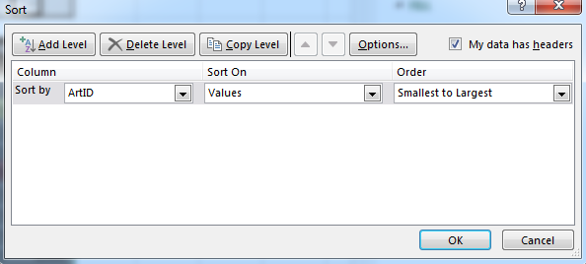
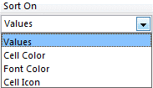
Then click Add Level to
specify the next (secondary) field involved in the sort
Use this dropdown to
Choose the Primary
("most important")
sort field
2
5
Use this dropdown to
specify the field property
on which to sort
3
Use this dropdown to
specify the sort order
4
House Remembered | 2004-08-16 | Sculpture | Good | East Pavilion | $700 |  | for windows users
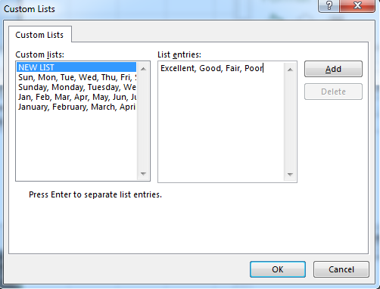
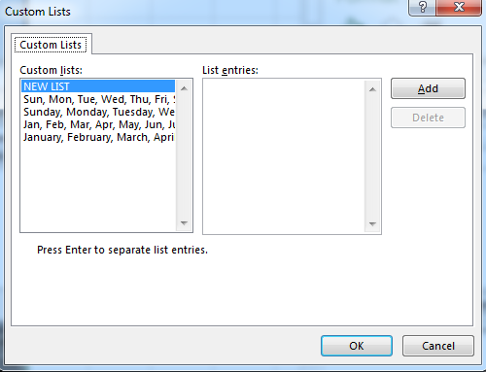
Click Custom List...
to display the Custom Lists dialog box
(you can then select an existing list or create additional lists of your own design)
A NEW LIST is being added here. (Just click Add as the last step.) Using this new list, the Museum records could be put into descending order on the Condition field and the records would be in "condition order," which is not the same as "alphabetic order" in this case.
With NEW LIST selected, we key in the NEW LIST entries; these are names of the conditions of art objects, and note that they are in order of decreasing condition (not in alphabetic order)
Homage to the Ancestors | 2004-07-17 | Textile | Excellent | East Pavilion | $1,200
End of the Path | 2004-08-16 | Sculpture | Excellent | East Pavilion | $1,900
Amen | 2003-12-13 | Sculpture | Excellent | East Pavilion | $3,000 |  |  | for mac users
Untitled (two figures) | 2007-09-08 | Sculpture | Excellent | East Pavilion | $800
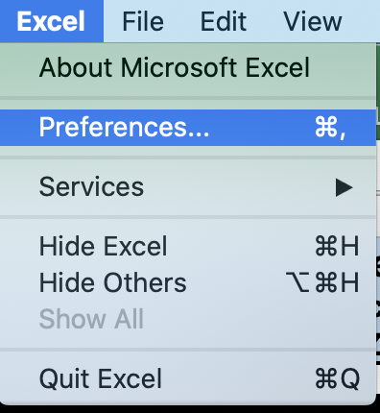
Eve | 2004-07-16 | Sculpture | Excellent | East Pavilion | $975
Man on horseback | 2007-11-10 | Painting | Good | East Pavilion | $8,000
Superstitions | 2009-01-10 | Painting | Excellent | Courtyard | $78,000
Plenty | 2005-02-19 | Sculpture | Excellent | West Pavilion | $500
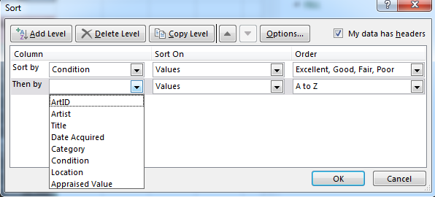
Additional levels can be added as well
(a Tertiary sort field, and so on)
Then use the
dropdowns to carry out steps analogous to 2, 3, and 4 above, but for the Secondary
("next most important") sort field
6
Watch out for terminology like this:
"Sort first by ArtID, then by Location, then by Appraised Value."
This means that ArtID is the Primary sort field, Location is Secondary, and Appraised Value is Tertiary.
And watch out for terminology like this:
"Sort by Title within Condition."
The "within" means that Condition is the Primary sort field, and Title is Secondary.
Punch | 2005-03-19 | Painting | Excellent | East Pavilion | $10,000
Untitled | 2006-01-07 | Painting | Excellent | East Pavilion | $6,000
Brittlecone | 2004-01-10 | Sculpture | Excellent | East Pavilion | $1,300
Mountain Scene | 2004-01-10 | Sculpture | Excellent | East Pavilion | $2,500
The White Heart | 2005-08-14 | Painting | Excellent | East Pavilion | $9,300
Untitled (Man holding coat) | 2007-10-13 | Textile | Excellent | East Pavilion | $3,000
Bead Wall | 2004-01-10 | Installation | Excellent | Courtyard | $14,000
The Cowboy | 2007-03-10 | Sculpture | Excellent | East Pavilion | $4,200
Shooting the Rapids | 2004-09-03 | Sculpture | Excellent | East Pavilion | $1,300
Spirit and Nature | 2005-05-16 | Sculpture | Fair | West Pavilion | $592
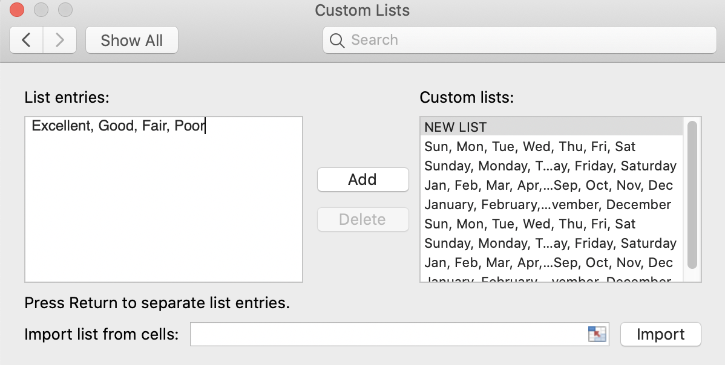
Profile of a Woman | 2006-11-11 | Sculpture | Excellent | West Pavilion | $625
Untitled (madonna figure) | 2006-07-08 | Painting | Good | East Pavilion | $4,000
Mountain Climber | 2004-08-16 | Textile | Good | East Pavilion | $4,700
Tired cowboy | 2005-05-16 | Painting | Excellent | East Pavilion | $4,700
Horseshoe Falls | 2004-08-16 | Painting | Excellent | East Pavilion | $15,000
Ash Bench | 2004-01-10 | Sculpture | Good | East Pavilion | $13,000
Inside/Out | 2004-08-16 | Painting | Excellent | East Pavilion | $3,500
Rising Sun | 2004-08-16 | Sculpture | Excellent | East Pavilion | $2,000
Untitled (Woman in abstract) | 2008-12-13 | Sculpture | Excellent | East Pavilion | $2,500
Beaver Pole Jumble | 2007-01-10 | Installation | Excellent | South Pavilion | $28,000
Nature/Nurture | 2004-08-16 | Sculpture | Excellent | East Pavilion | $1,300
Blackhaw | 2004-01-10 | Sculpture | Excellent | East Pavilion | $25,500
Floating World | 2004-07-18 | Sculpture | Fair | East Pavilion | $2,350
Spring Flowers | 2003-05-10 | Sculpture | Good | East Pavilion | $800
Treachery | 2004-05-11 | Painting | Excellent | West Pavilion | $20,000
Night on the Praire | 2004-09-03 | Sculpture | Excellent | East Pavilion | $1,300
Night Version | 2004-08-16 | Painting | Excellent | East Pavilion | $3,800
Coffee on the Trail | 2003-08-09 | Painting | Good | East Pavilion | $7,544
Creosote Bushes | 2004-01-10 | Sculpture | Excellent | East Pavilion | $18,000
Mexican Fiesta | 2004-08-16 | Painting | Excellent | East Pavilion | $14,000
Leaf Patterns | 2004-08-16 | Sculpture | Excellent | East Pavilion | $2,100
Immediate Gratification | 2004-08-16 | Sculpture | Good | East Pavilion | $1,500
Medicine Man | 2004-08-16 | Textile | Good | East Pavilion | $2,500
Comfy Chair | 2005-07-16 | Sculpture | Excellent | East Pavilion | $800
Buttercup with Red Lip | 2004-01-10 | Sculpture | Excellent | Garden | $400
Cattle Ranch | 2004-04-19 | Textile | Good | East Pavilion | $10,000
Night Version | 2004-08-16 | Painting | Excellent | East Pavilion | $7,000
American Rodeo | 2004-05-15 | Painting | Poor | East Pavilion | $3,500
Blue Eyed Indian | 2009-01-10 | Painting | Excellent | Courtyard | $40,000
Snake Charmer | 2005-05-16 | Painting | Good | East Pavilion | $4,500
Starlit Evening | 2004-01-10 | Painting | Excellent | East Pavilion | $9,500
Cavaralry is Coming | 2004-01-10 | Sculpture | Excellent | East Pavilion | $1,900
Untitled | 2006-01-07 | Painting | Fair | East Pavilion | $4,500
The Gathering | 2005-07-16 | Sculpture | Excellent | West Pavilion | $250
Dwelling | 2004-07-16 | Painting | Excellent | East Pavilion | $16,000
Story Sticks | 2004-08-16 | Sculpture | Excellent | West Pavilion | $650
Untitled Mural | 2009-03-07 | Painting | Excellent | East Pavilion | $3,520
Cowboy and Saddle | 2004-08-16 | Painting | Excellent | East Pavilion | $18,000
Asleep in the garden | 2009-01-10 | Installation | Excellent | Garden | $110,000
Spirit Columns | 2005-05-16 | Painting | Excellent | East Pavilion | $7,000
Moonlite | 2004-08-16 | Sculpture | Excellent | East Pavilion | $1,300
Untitled (still life) | 2008-12-13 | Painting | Excellent | Courtyard | $19,500
Owl in Flight | 2005-05-16 | Painting | Excellent | East Pavilion | $7,000
Moonlight | 2005-04-09 | Painting | Fair | East Pavilion | $9,750
Renaissance | 2005-05-15 | Painting | Excellent | East Pavilion | $5,500
Beginnings | 2010-01-10 | Textile | Fair | East Pavilion | $27,500
Ride the Rapids | 2009-08-15 | Sculpture | Good | Garden | $300
Funnel | 2004-07-18 | Painting | Excellent | East Pavilion | $4,500
Dancing in the Light | 2004-05-15 | Sculpture | Fair | East Pavilion | $1,000
Storm on the Rise | 2005-05-23 | Painting | Good | East Pavilion | $8,000
...

Completed Multi-Field Sort
Completed Multi-Field Sort
order these records A-to-Z by Title (secondary sort field)
within Z-to-A Condition (primary sort field)

Condition ties are now in Title order
ArtID | Artist | Title | Date Acquired | Category | Condition | Location | Appraised Value
52 | Curtis | American Rodeo | 2004-05-15 | Painting | Poor | East Pavilion | $3,500
77 | Bindner | Bull Riding | 2004-01-10 | Painting | Poor | East Pavilion | $5,200 | Two ways to achieve this solution
81 | Colvin | Coming Under Fire | 2004-04-17 | Sculpture | Poor | West Pavilion | $650
76 | Wright | Ride the Bronc | 2009-08-15 | Sculpture | Poor | East Pavilion | $1,500
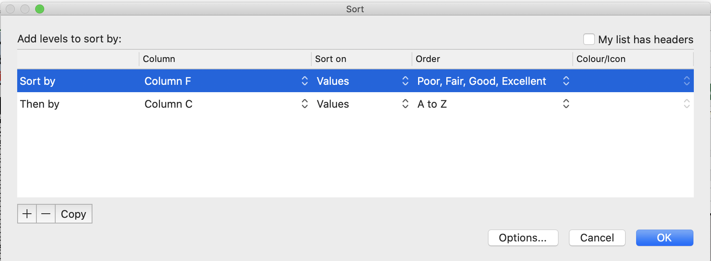
105 | Statom | Untitled | 2007-07-14 | Sculpture | Poor | East Pavilion | $1,800
30 | Guys | Ash Bench | 2004-01-10 | Sculpture | Good | East Pavilion | $13,000
50 | Acconci | Cattle Ranch | 2004-04-19 | Textile | Good | East Pavilion | $10,000
42 | Ames | Coffee on the Trail | 2003-08-09 | Painting | Good | East Pavilion | $7,544
6 | Ibe | House Remembered | 2004-08-16 | Sculpture | Good | East Pavilion | $700
Condition ties are now in Title order
46 | Indiana | Immediate Gratification | 2004-08-16 | Sculpture | Good | East Pavilion | $1,500
89 | Odiezma | Life Lessons | 2005-05-16 | Painting | Good | East Pavilion | $4,125
12 | Udinotti | Man on horseback | 2007-11-10 | Painting | Good | East Pavilion | $8,000
47 | Maglich | Medicine Man | 2004-08-16 | Textile | Good | East Pavilion | $2,500
27 | Meglech | Mountain Climber | 2004-08-16 | Textile | Good | East Pavilion | $4,700
71 | Wright | Ride the Rapids | 2009-08-15 | Sculpture | Good | Garden | $300
114 | Mogan | Shadow House | 2005-05-05 | Painting | Good | East Pavilion | $5,500
54 | Mogan | Snake Charmer | 2005-05-16 | Painting | Good | East Pavilion | $4,500
38 | Acconci | Spring Flowers | 2003-05-10 | Sculpture | Good | East Pavilion | $800
74 | Parker | Storm on the Rise | 2005-05-23 | Painting | Good | East Pavilion | $8,000
90 | Capplin | Trappers | 2004-04-18 | Painting | Good | East Pavilion | $6,000
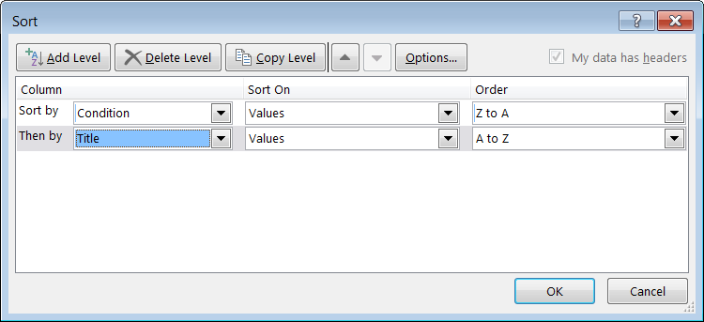
83 | Roman | Untitled | 2005-12-17 | Installation | Good | Courtyard | $2,500
26 | Scherzel | Untitled (madonna figure) | 2006-07-08 | Painting | Good | East Pavilion | $4,000
100 | Edwards | Watch that Rattler | 2004-07-17 | Textile | Good | East Pavilion | $900
70 | Baron | Beginnings | 2010-01-10 | Textile | Fair | East Pavilion | $27,500
73 | Cridler | Dancing in the Light | 2004-05-15 | Sculpture | Fair | East Pavilion | $1,000
 |  |  | 2004-07-18 | Sculpture | Fair | East Pavilion | $2,350
 |  |  | 2005-04-09 | Painting | Fair | East Pavilion | $9,750
 |  |  | 2005-05-16 | Sculpture | Fair | West Pavilion | $592
 |  |  | 2006-01-07 | Painting | Fair | East Pavilion | $4,500
 |  |  | 2004-01-10 | Painting | Fair | East Pavilion | $6,000
 |  |  | 2003-12-13 | Sculpture | Excellent | East Pavilion | $3,000
 |  |  | 2005-09-03 | Painting | Excellent | East Pavilion | $12,500
 |  |  | 2009-01-10 | Installation | Excellent | Garden | $110,000
 |  |  | 2004-01-10 | Installation | Excellent | Courtyard | $14,000
 |  |  | 2007-01-10 | Installation | Excellent | South Pavilion | $28,000
 |  |  | 2004-01-10 | Sculpture | Excellent | East Pavilion | $25,500
 |  |  | 2009-01-10 | Painting | Excellent | Courtyard | $40,000
 |  |  | 2004-01-10 | Sculpture | Excellent | East Pavilion | $1,300
 |  |  | 2004-01-10 | Sculpture | Excellent | Garden | $400
 |  |  | 2005-09-03 | Painting | Excellent | East Pavilion | $8,000
 |  |  | 2004-01-10 | Sculpture | Excellent | East Pavilion | $1,900
 |  |  | 2004-01-23 | Painting | Excellent | East Pavilion | $15,000
 |  |  | 2003-10-11 | Sculpture | Excellent | East Pavilion | $32,000
 |  |  | 2005-07-16 | Sculpture | Excellent | East Pavilion | $800
 |  |  | 2004-08-16 | Painting | Excellent | East Pavilion | $18,000
 |  |  | 2004-01-10 | Sculpture | Excellent | East Pavilion | $18,000
 |  |  | 2004-07-18 | Sculpture | Excellent | East Pavilion | $2,200
...

Providing Filter Controls
Filtering on Field Values
(to filter a set of records is to hide … not delete! … those records that fail to satisfy
user-specified conditions on the values in one or more of their fields)

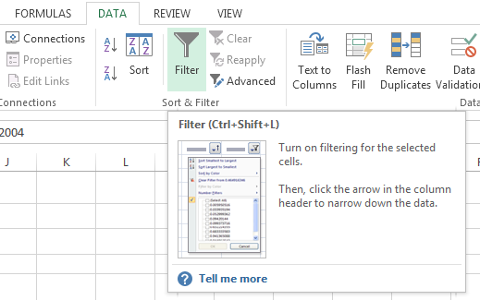

The Filter button is a toggle. (After the drop-down arrows have been displayed on the field names, they can be removed by clicking the Filter button again.)

Art Collection Records (2)
...
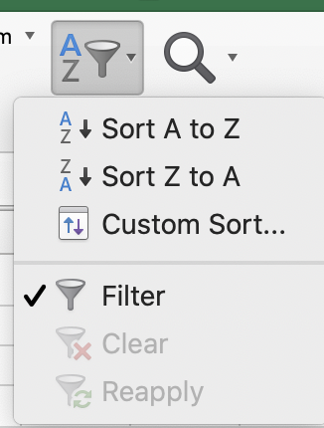
Category | Condition | Location | Appraised Value
Painting | Excellent | East Pavilion | $18,000
Painting | Excellent | East Pavilion | $10,000
Sculpture | Excellent | East Pavilion | $2,400
Sculpture | Excellent | Courtyard | $52,000
Painting | Excellent | East Pavilion | $8,000
Sculpture | Good | East Pavilion | $700
Textile | Excellent | East Pavilion | $1,200
Sculpture | Excellent | East Pavilion | $1,900
Sculpture | Excellent | East Pavilion | $3,000
Sculpture | Excellent | East Pavilion | $800
Sculpture | Excellent | East Pavilion | $975
Painting | Good | East Pavilion | $8,000
Painting | Excellent | Courtyard | $78,000
Sculpture | Excellent | West Pavilion | $500
Painting | Excellent | East Pavilion | $10,000
Painting | Excellent | East Pavilion | $6,000
Sculpture | Excellent | East Pavilion | $1,300
Sculpture | Excellent | East Pavilion | $2,500
Painting | Excellent | East Pavilion | $9,300
Textile | Excellent | East Pavilion | $3,000
Installation | Excellent | Courtyard | $14,000
Sculpture | Excellent | East Pavilion | $4,200
Sculpture | Excellent | East Pavilion | $1,300
...

Art Collection Records (3)
...
ArtID | Artist | Title | Date Acquired | Category | Condition | Location | Appraised Value
114 | Mogan | Shadow House | 2005-05-05 | Painting | Good | East Pavilion | $5,500

This is the solution for the filtering exercise spelled out on the preceding worksheet.
Filtered Fields

More Elaborate Filter Options
Next, we'll review some of the more complex filter options available via the Filter arrows for Excel Tables and Structured Ranges of Data .
The options depend on whether the field values being examined are Dates, Text, or Numbers.

In many cases, the more detailed filter options involve a comparison of two values:
(1) the value in the field (of the record) currently being examined
(2) a value supplied by the user
If the user-specified relationship between the two values is in effect, then the record is displayed; otherwise, the record is hidden.
Example
Compare a date in a date field with a date supplied by the user. The condition might be, "Is the date-field date earlier than ("before") the date supplied by the user?" If "yes," the record will be displayed. If "no," the record will be hidden.

Filter Options for Dates
...
Filtering on a Date Field

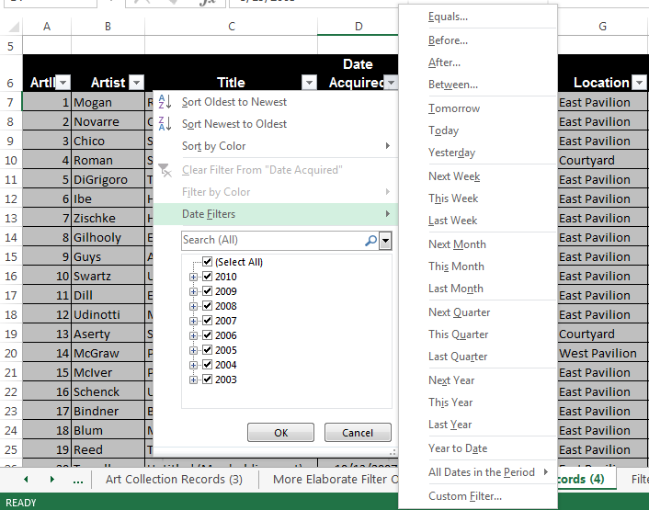

Note that these choices involve a comparison of two dates:
(1) the date in the relevant field in the record currently being tested
(2) the "other date" (supplied by the user) involved in the criterion that must be satisfied if the record whose field is currently being tested is to be displayed
With the active cell anywhere in the Date Acquired field, click on Before... (for example) and this all-purpose dialog is initiated (with the user then keying in 1/1/2005 as the "other date"
The date format in (1) and (2) should be the same

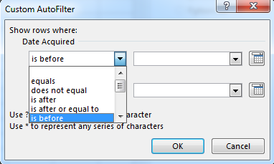

The drop-down controls give the user Custom AutoFilter dialog box flexibility

Dates Filtering Exercise 1
Exercise
Display only the records for the art objects whose Date Acquired is in the third quarter of 2006
Title | Date Acquired | Category | Condition | Location | Appraised Value
Spring Flowers | 2003-05-10 | Sculpture | Good | East Pavilion | $800
Trail End | 2003-05-10 | Painting | Excellent | East Pavilion | $8,000
Coffee on the Trail | 2003-08-09 | Painting | Good | East Pavilion | $7,544
Chuckwagon | 2003-10-11 | Sculpture | Excellent | East Pavilion | $32,000
Amen | 2003-12-13 | Sculpture | Excellent | East Pavilion | $3,000
Brittlecone | 2004-01-10 | Sculpture | Excellent | East Pavilion | $1,300
Mountain Scene | 2004-01-10 | Sculpture | Excellent | East Pavilion | $2,500
Bead Wall | 2004-01-10 | Installation | Excellent | Courtyard | $14,000
Ash Bench | 2004-01-10 | Sculpture | Good | East Pavilion | $13,000
Blackhaw | 2004-01-10 | Sculpture | Excellent | East Pavilion | $25,500
Creosote Bushes | 2004-01-10 | Sculpture | Excellent | East Pavilion | $18,000
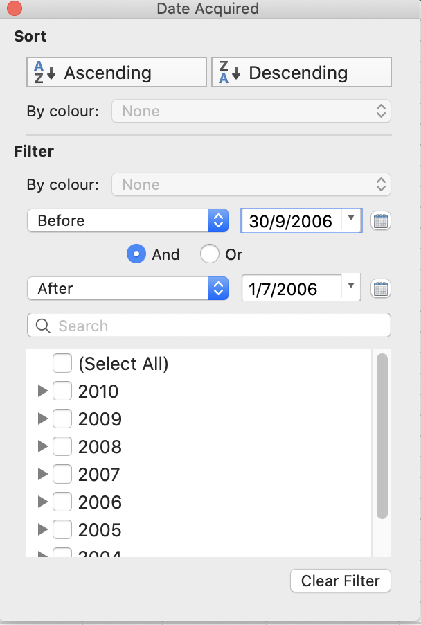
Buttercup with Red Lip | 2004-01-10 | Sculpture | Excellent | Garden | $400
Starlit Evening | 2004-01-10 | Painting | Excellent | East Pavilion | $9,500
Cavaralry is Coming | 2004-01-10 | Sculpture | Excellent | East Pavilion | $1,900
Western Boots and Spurs | 2004-01-10 | Painting | Fair | East Pavilion | $6,000
Bull Riding | 2004-01-10 | Painting | Poor | East Pavilion | $5,200
Ceremonial Sticks | 2004-01-23 | Painting | Excellent | East Pavilion | $15,000
Off the Grid | 2004-02-07 | Installation | Excellent | Garden | $8,000
Spring Flowers | 2004-03-20 | Sculpture | Excellent | East Pavilion | $2,400
Coming Under Fire | 2004-04-17 | Sculpture | Poor | West Pavilion | $650
Trappers | 2004-04-18 | Painting | Good | East Pavilion | $6,000
Cattle Ranch | 2004-04-19 | Textile | Good | East Pavilion | $10,000
Treachery | 2004-05-11 | Painting | Excellent | West Pavilion | $20,000
Crying Hats | 2004-05-11 | Painting | Excellent | East Pavilion | $10,000
American Rodeo | 2004-05-15 | Painting | Poor | East Pavilion | $3,500
Dancing in the Light | 2004-05-15 | Sculpture | Fair | East Pavilion | $1,000
The Hang | 2004-07-16 | Painting | Excellent | East Pavilion | $8,000
Eve | 2004-07-16 | Sculpture | Excellent | East Pavilion | $975
Dwelling | 2004-07-16 | Painting | Excellent | East Pavilion | $16,000
Homage to the Ancestors | 2004-07-17 | Textile | Excellent | East Pavilion | $1,200
Watch that Rattler | 2004-07-17 | Textile | Good | East Pavilion | $900
Floating World | 2004-07-18 | Sculpture | Fair | East Pavilion | $2,350
Funnel | 2004-07-18 | Painting | Excellent | East Pavilion | $4,500
Crossing the Platt River | 2004-07-18 | Sculpture | Excellent | East Pavilion | $2,200
Friends | 2004-07-18 | Painting | Excellent | East Pavilion | $16,000
House Remembered | 2004-08-16 | Sculpture | Good | East Pavilion | $700
End of the Path | 2004-08-16 | Sculpture | Excellent | East Pavilion | $1,900
Mountain Climber | 2004-08-16 | Textile | Good | East Pavilion | $4,700
Horseshoe Falls | 2004-08-16 | Painting | Excellent | East Pavilion | $15,000
Inside/Out | 2004-08-16 | Painting | Excellent | East Pavilion | $3,500
Rising Sun | 2004-08-16 | Sculpture | Excellent | East Pavilion | $2,000
Nature/Nurture | 2004-08-16 | Sculpture | Excellent | East Pavilion | $1,300
Night Version | 2004-08-16 | Painting | Excellent | East Pavilion | $3,800
Mexican Fiesta | 2004-08-16 | Painting | Excellent | East Pavilion | $14,000
Leaf Patterns | 2004-08-16 | Sculpture | Excellent | East Pavilion | $2,100
Immediate Gratification | 2004-08-16 | Sculpture | Good | East Pavilion | $1,500
Medicine Man | 2004-08-16 | Textile | Good | East Pavilion | $2,500
Night Version | 2004-08-16 | Painting | Excellent | East Pavilion | $7,000
Story Sticks | 2004-08-16 | Sculpture | Excellent | West Pavilion | $650
Cowboy and Saddle | 2004-08-16 | Painting | Excellent | East Pavilion | $18,000
Moonlite | 2004-08-16 | Sculpture | Excellent | East Pavilion | $1,300
Lessons | 2004-08-16 | Painting | Excellent | East Pavilion | $3,700
...

Numeric-Field Filter Options
Filter Options for Numeric Fields

Filtering on a Numeric Field

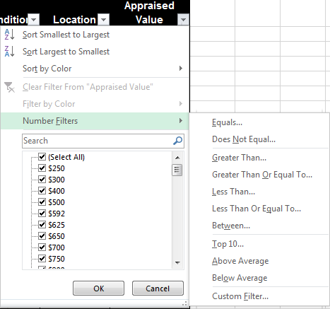

These choices involve a comparison of two numeric values:
(1) the numeric value in the relevant field in the record currently being tested
(2) the "other number" (supplied by the user) involved in the criterion that must be satisfied if the record whose field is currently being tested is to be displayed

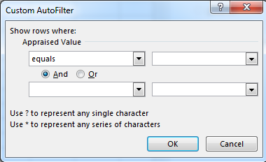

Note again the
"wildcard" characters

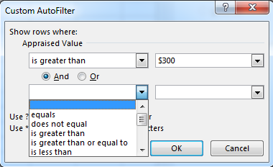
You can create a compound condition by choosing the And or the Or, but can't go beyond that level of complexity with the Custom AutoFilter dialog.
You can do so, however, with Advanced Filtering.

Numeric Filtering Completed
...
ArtID | Artist | Title | Date Acquired | Category | Condition | Location | Appraised Value
12 | Udinotti | Man on horseback | 2007-11-10 | Painting | Good | East Pavilion | $8,000
16 | Schenck | Untitled | 2006-01-07 | Painting | Excellent | East Pavilion | $6,000
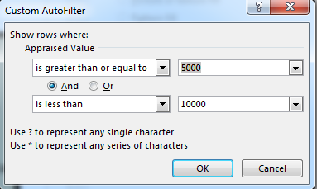
19 | Reed | The White Heart | 2005-08-14 | Painting | Excellent | East Pavilion | $9,300
Note how the icon has changed to indicate that the Appraised Value field has a filter in effect for it.
Hover the cursor over that icon and a tool tip indicates what the filter condition is.
42 | Ames | Coffee on the Trail | 2003-08-09 | Painting | Good | East Pavilion | $7,544
51 | Kerrihard | Night Version | 2004-08-16 | Painting | Excellent | East Pavilion | $7,000
55 | Budd | Starlit Evening | 2004-01-10 | Painting | Excellent | East Pavilion | $9,500
64 | Motherwell | Spirit Columns | 2005-05-16 | Painting | Excellent | East Pavilion | $7,000
67 | Miller | Owl in Flight | 2005-05-16 | Painting | Excellent | East Pavilion | $7,000
68 | Mogan | Moonlight | 2005-04-09 | Painting | Fair | East Pavilion | $9,750
69 | Mogan | Renaissance | 2005-05-15 | Painting | Excellent | East Pavilion | $5,500
74 | Parker | Storm on the Rise | 2005-05-23 | Painting | Good | East Pavilion | $8,000
75 | Bindner | Western Boots and Spurs | 2004-01-10 | Painting | Fair | East Pavilion | $6,000
77 | Bindner | Bull Riding | 2004-01-10 | Painting | Poor | East Pavilion | $5,200
79 | Rissman | Carrying the Mail | 2005-09-03 | Painting | Excellent | East Pavilion | $8,000
 |  | Trappers | 2004-04-18 | Painting | Good | East Pavilion | $6,000
 |  | Off the Grid | 2004-02-07 | Installation | Excellent | Garden | $8,000
...

Filter Options for Text Fields
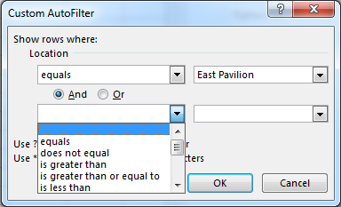
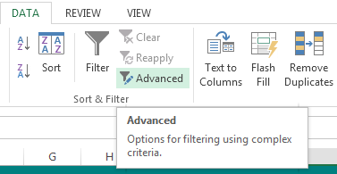
Filter Options for Text Fields

Filtering on a Text Field

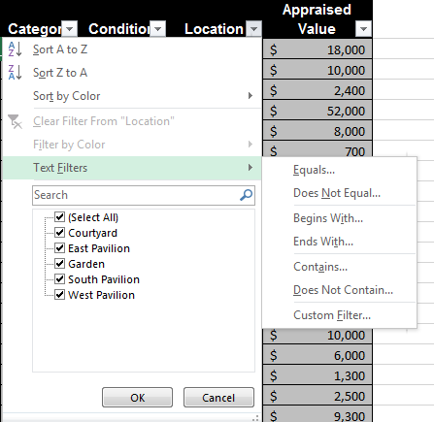

Note that these choices involve a comparison of two text strings:
(1) the text string in the relevant field in the record currently being tested
(2) the "other text string" (supplied by the user) involved in the criterion that must be satisfied if the record whose field is currently being tested is to be displayed
With the active cell in the Condition field, click on Custom Filter... for example, and this all-purpose dialog box comes up.

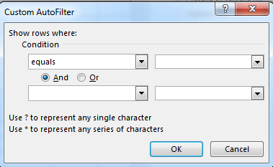

Note the
"wildcard" characters
(see the next worksheet)

You can create a compound condition by choosing the And or the Or, but can't go beyond that point with the Custom AutoFilter dialog.
You can do so however with Advanced Filtering.

Wildcard Characters
Wildcard Characters in the Context of Text Strings
If ? appears in a text-based criterion, then it stands for any single character.
If * appears in a text-based criterion, then it stands for a sequence of any zero or more characters.
If ? or * themselves are part of the criterion, use ~(tilde) followed by ? or *.

The user enters the criterion here.

Examples
(1) If the criterion is Sm?th, then a sequence of exactly five characters that starts with sm (lower or upper case doesn't matter) and ends with th satisfies the criterion.
Smith and Smyth both satisfy the criterion. So do smitH and sMyth.
(The comparison is not case sensitive!)
There are 5 characters in the Sm?th criterion. If the value being tested consists of fewer (or more) than 5 characters, there is no match. For example, Sm?th and Smithfield Hams do not match.
But note that Sm?th* and Smithfield Hams do match.
So do *Smith and Joe the blacksmith.

(2) If the criterion is S*, then any text whose first character is S or s satisfies the criterion. Examples are Street, satisfactory, serendipitous, and Stephan.
(3) If the criterion is S???, then any sequence of exactly four characters starting with S or s satisfies the criterion. Examples are Sour, stop, and Star.

(4) If the criterion is *p*, then any sequence of characters that includes p or P one or more times satisfies the criterion.
Examples are post office, perpendicular, and puppy.
(5) If the criterion is *Church*, then any sequence of characters that includes the six consecutive characters church one or more times satisfies the criterion.
Examples:
First Presbyterian Church
Church of the Latter Day Saints
411 Church Street
He is as poor as a churchmouse.
A "Churchill" is quite a cigar; it's made in Havana, and is smoked in Guy Caves.

Multi-Field Filtered Results
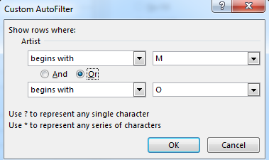
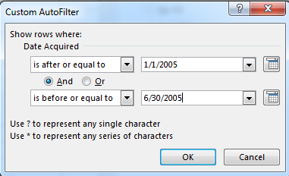
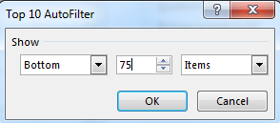
...
Appraised Value filter
ArtID | Artist | Title | Date Acquired | Category | Condition | Location | Appraised Value
64 | Motherwell | Spirit Columns | 2005-05-16 | Painting | Excellent | East Pavilion | $7,000
Artist filter
Date Acquired filter

