Excel Terminology (Part 01)
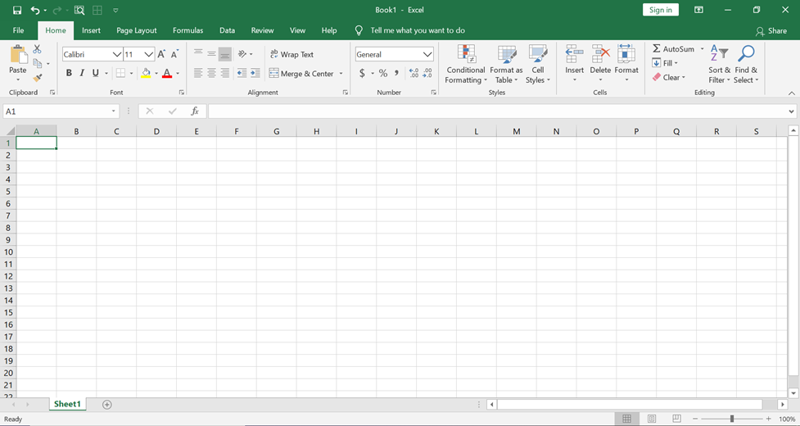
Excel Terms:
1. Worksheet
2. Spreadsheet
3. Spreadsheet Software
4. Excel Ribbon
5. Tabs
6. Tool Bar
7. Tool Group
6. QUICK-ACCESS TOOLBAR

