Excel Terminology (Part 02)
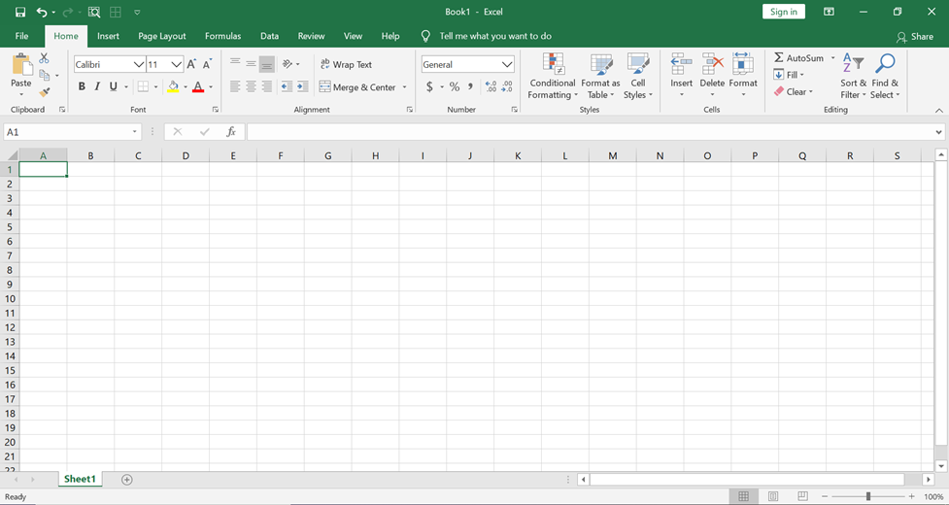
Excel Terms:
1. Workbook
2. Worksheet
3. Cell
4. Active Cell
5. Formula Bar
6. Column Letter
7. Row Number
8. Name Box

