Table 1
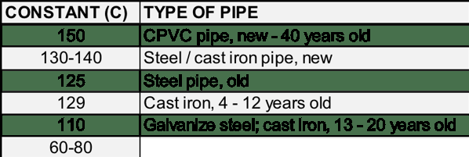
Cast iron, worn/ pitted

