SCENARIO 1
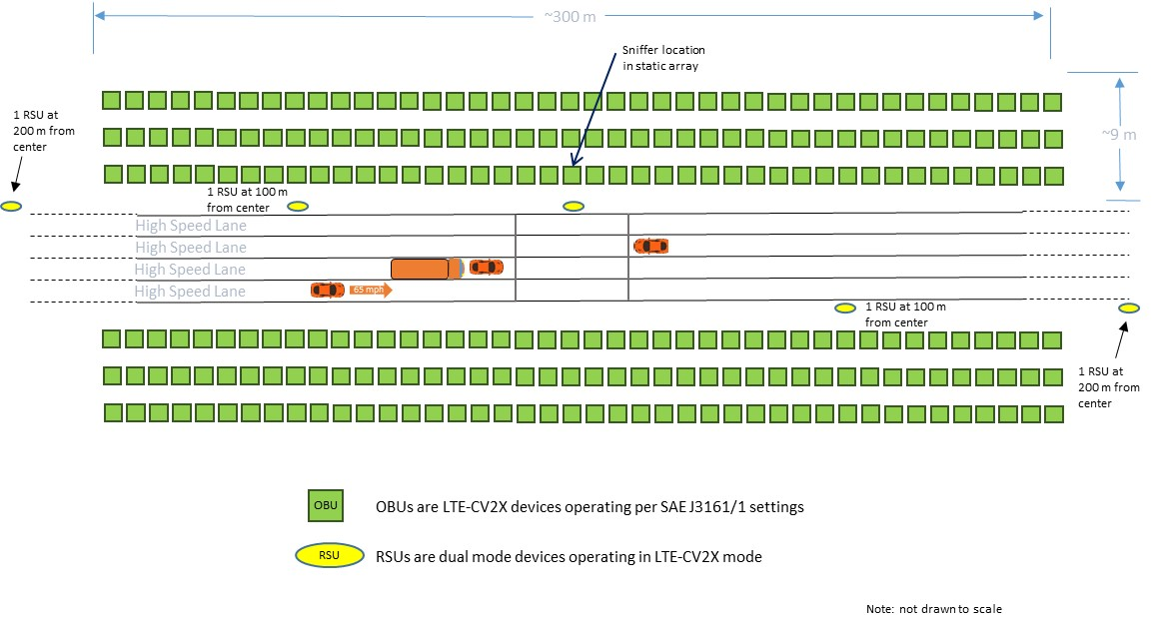
TEST DETAILS |  |  |  |  |  | VEHICLE OBU CONFIGURATION3, 4 |  |  |  | CLOUD OBU & RSU-AS-OBU CONFIGURATION |  |  | TRAILER RSU CONFIGURATION7 |  | UNII CONFIGURATION |  |  |  | SNIFFER9
TEST DATE | TEST NO. | SCENARIO | DESCRIPTION | OBSTRUCTING VEHICLES3 | # of RUNS | OBU TYPE | TTI | MITIGATION6 | OBU CHANNEL | TTI 5 ms | MITIGATION1, 6 | OBU CHANNEL | TTI ms | RSU CHANNEL | UNII EIRP | UNII Config | UNII LOADING | UNII CHANNEL | OPERATION
 | 1-1 | Scenario 1 | 250 devices w/mitigation | Yes | 5 | LTE-CV2X | Automatic | ON | CH 183 | 600 | ON | CH 183 | 100 | CH 183 | N/A | N/A | N/A | N/A | ON10
 | 1-2 | Scenario 1 | 250 devices w/600 ms TTI | Yes | 5 | LTE-CV2X | Automatic | ON | CH 183 | 600 | OFF | CH 183 | 100 | CH 183 | N/A | N/A | N/A | N/A | N/A
 | 1-3 | Scenario 1 | 500 devices w/300 ms TTI | Yes | 5 | LTE-CV2X | Automatic | ON | CH 183 | 300 | OFF | CH 183 | 100 | CH 183 | N/A | N/A | N/A | N/A | N/A
 | 1-4 | Scenario 1 | 1500 devices w/100 ms TTI | Yes | 5 | LTE-CV2X | Automatic | ON | CH 183 | 100 | OFF | CH 183 | 100 | CH 183 | N/A | N/A | N/A | N/A | N/A
 | 1-5 | Scenario 1 | Manually setting vehicles to 100 ms, 250 devices w/mitigation | Yes | 5 | LTE-CV2X | 100 | OFF | CH 183 | 600 | ON | CH 183 | 100 | CH 183 | N/A | N/A | N/A | N/A | N/A
 | 1-6 | Scenario 1 | 250 devices w/mitigation | No | 5 | LTE-CV2X | Automatic | ON | CH 183 | 600 | ON | CH 183 | 100 | CH 183 | N/A | N/A | N/A | N/A | ON10
 | 1-7 | Scenario 1 | 250 devices w/600 ms TTI | No | 5 | LTE-CV2X | Automatic | ON | CH 183 | 600 | OFF | CH 183 | 100 | CH 183 | N/A | N/A | N/A | N/A | N/A
 | 1-8 | Scenario 1 | 500 devices w/300 ms TTI | No | 5 | LTE-CV2X | Automatic | ON | CH 183 | 300 | OFF | CH 183 | 100 | CH 183 | N/A | N/A | N/A | N/A | N/A
 | 1-9 | Scenario 1 | 1500 devices w/100 ms TTI | No | 5 | LTE-CV2X | Automatic | ON | CH 183 | 100 | OFF | CH 183 | 100 | CH 183 | N/A | N/A | N/A | N/A | N/A
 | 1-10 | Scenario 1 | Manually setting vehicles to 100 ms, 250 devices w/mitigation | No | 5 | LTE-CV2X | 100 | OFF | CH 183 | 600 | ON | CH 183 | 100 | CH 183 | N/A | N/A | N/A | N/A | N/A
 | 1-11 | Scenario 1 | Co-Channel w/DSRC on CH 184 | Yes | 5 | DSRC | Automatic | ON8 | CH 1842 | 100 | ON | CH 183 | 100 | CH 183 | N/A | N/A | N/A | N/A | N/A
 | 1-12 | Scenario 1 | Adjacent Channel w/DSRC on CH 180 | Yes | 5 | DSRC | Automatic | ON8 | CH 1802 | 100 | ON | CH 183 | 100 | CH 183 | N/A | N/A | N/A | N/A | N/A
 | 1-13 | Scenario 1 | In-Band w/DSRC on CH 172 | Yes | 5 | DSRC | Automatic | ON8 | CH 1722 | 100 | ON | CH 183 | 100 | CH 183 | N/A | N/A | N/A | N/A | N/A
 | 1-14 | Scenario 1 | Co-Channel w/DSRC on CH 184 | No | 5 | DSRC | Automatic | ON8 | CH 1842 | 100 | ON | CH 183 | 100 | CH 183 | N/A | N/A | N/A | N/A | N/A
 | 1-15 | Scenario 1 | Adjacent Channel w/DSRC on CH 180 | No | 5 | DSRC | Automatic | ON8 | CH 1802 | 100 | ON | CH 183 | 100 | CH 183 | N/A | N/A | N/A | N/A | N/A
 | 1-16 | Scenario 1 | In-Band w/DSRC on CH 172 | No | 5 | DSRC | Automatic | ON8 | CH 1722 | 100 | ON | CH 183 | 100 | CH 183 | N/A | N/A | N/A | N/A | N/A

1 Note that RSUs functioning as OBUs in the congestion cloud, which do not have J3161/1 application layer congestion mitigation, are set to TTI shown in "Cloud OBU & RSU-as-OBU Configuration" regardless of mitigation ON/OFF status.

2 Note that the DSRC OBUs use 10 MHz channel width

3 In total 4 vehicles are used, as shown in the diagram below. One big box truck parked behind an unequipped sedan (doesn’t have an OBU). Another vehicle equipped with an OBU is parked on the other lane parallel to the sedan facing the other way and preparing to make a left turn before the unequipped sedan and the box truck. A mobile vehicle with an OBU is used to drive past the box truck approaching it from behind and continuing through the congestion cloud at speed (65 mph). Both vehicles with OBUs are configured as shown in "Vehicle OBU Configuration".

4 All mobile vehicles reach 65 mph speed prior to entering congestion cloud area

5 Transmit time interval; manually set to indicated TTI when mitigation is OFF; when mitigation is ON - manually set to indicated TTI only for cloud devices not able to provide application layer congestion mitigation

6 Mitigation ON in LTE-CV2X means SAE J3161/1 congestion mitigation algorithm activated

7 The Trailer RSU's do not use SAE J3161/1 based applications so they always have mitigation turned OFF, and are set to transmit ACME messages of 1400 Bytes to approximate larger MAP-type messages

8 Mitigation ON in DSRC means SAE J2945/1 congestion mitigation algorithm activated

9 Collect sniffer log files and videos of the constellation view from the sniffer screen during each test run execution

10 Collect sniffer data for 4 runs; for 2 of the runs, sniffer located in moving vehicle; for other 2 runs, sniffer located in congestion array as indicated in diagram below

All congestion cloud devices transmittng at 200 bytes if doing non BSM applications

SCENARIO 2
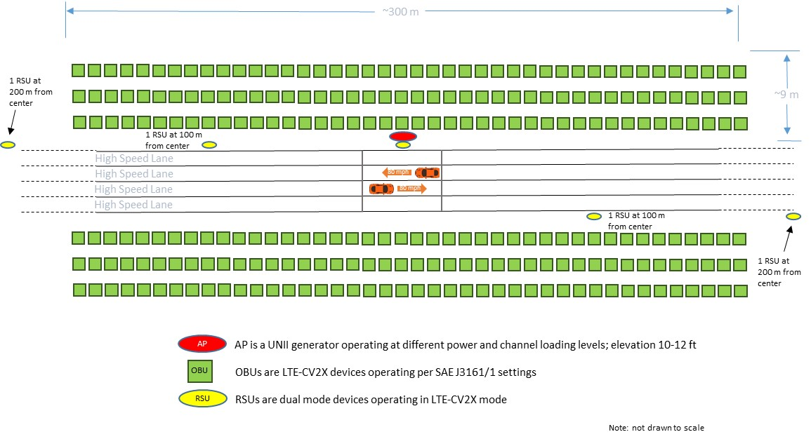
TEST DETAILS |  |  |  |  | VEHICLE OBU CONFIGURATION |  |  |  | CLOUD OBU & RSU-AS-OBU CONFIGURATION |  |  | TRAILER RSU CONFIGURATION5 |  | UNII CONFIGURATION11 |  |  |  | SNIFFER
TEST DATE | TEST NO. | SCENARIO | DESCRIPTION | # of RUNS | OBU TYPE | MITIGATION | TTI ms | OBU CHANNEL | MITIGATION1, 4 | TTI 3 ms | OBU CHANNEL | TTI ms | RSU CHANNEL | UNII EIRP | UNII Config | UNII LOADING | UNII CHANNEL | OPERATION
 | 2-1 | Baseline | Baseline, 250 devices w/mitigation | 5 | LTE-CV2X | ON | Automatic | CH 183 | ON | 100 | CH 183 | 100 | CH 183 | N/A | N/A | N/A | N/A | N/A
 | 2-2 | Scenario 2 | Indoor interference below, 250 devices w/mitigation | 5 | LTE-CV2X | ON | Automatic | CH 183 | ON | 100 | CH 183 | 100 | CH 183 | 13 dBm | UNII-4 | 10% | CH 177 | N/A
 | 2-3 | Scenario 2 | Indoor interference below, 250 devices w/mitigation | 5 | LTE-CV2X | ON | Automatic | CH 183 | ON | 100 | CH 183 | 100 | CH 183 | 13 dBm | UNII-4 | 60% | CH 177 | N/A
 | 2-4 | Scenario 2 | Indoor interference adjacent, 250 devices w/mitigation | 5 | LTE-CV2X | ON | Automatic | CH 183 | ON | 100 | CH 183 | 100 | CH 183 | 13 dBm | UNII-4 | 10% | 5895 MHz8 | N/A
 | 2-5 | Scenario 2 | Indoor interference adjacent, 250 devices w/mitigation | 5 | LTE-CV2X | ON | Automatic | CH 183 | ON | 100 | CH 183 | 100 | CH 183 | 13 dBm | UNII-4 | 60% | 5895 MHz8 | N/A
 | 2-6 | Scenario 2 | Outdoor interference below, 250 devices w/mitigation | 5 | LTE-CV2X | ON | Automatic | CH 183 | ON | 100 | CH 183 | 100 | CH 183 | 33 dBm | UNII-4 | 10% | CH 177 | N/A
 | 2-7 | Scenario 2 | Outdoor interference below, 250 devices w/mitigation | 5 | LTE-CV2X | ON | Automatic | CH 183 | ON | 100 | CH 183 | 100 | CH 183 | 33 dBm | UNII-4 | 60% | CH 177 | N/A
 | 2-8 | Scenario 2 | Outdoor interference above, 250 devices w/mitigation | 5 | LTE-CV2X | ON | Automatic | CH 183 | ON | 100 | CH 183 | 100 | CH 183 | Max OOBE | UNII-512 | 10% | 5935 MHz9 | N/A
 | 2-9 | Scenario 2 | Outdoor interference above, 250 devices w/mitigation | 5 | LTE-CV2X | ON | Automatic | CH 183 | ON | 100 | CH 183 | 100 | CH 183 | Max OOBE | UNII-512 | 60% | 5935 MHz9 | N/A
 | 2-10 | Baseline | Baseline, 250 devices w/600 ms TTI | 5 | LTE-CV2X | ON | Automatic | CH 183 | OFF | 600 | CH 183 | 100 | CH 183 | N/A | N/A | N/A | N/A | N/A
 | 2-11 | Scenario 2 | Indoor interference below, 250 devices w/600 ms TTI | 5 | LTE-CV2X | ON | Automatic | CH 183 | OFF | 600 | CH 183 | 100 | CH 183 | 13 dBm | UNII-4 | 10% | CH 177 | N/A
 | 2-12 | Scenario 2 | Indoor interference below, 250 devices w/600 ms TTI | 5 | LTE-CV2X | ON | Automatic | CH 183 | OFF | 600 | CH 183 | 100 | CH 183 | 13 dBm | UNII-4 | 60% | CH 177 | N/A
 | 2-13 | Baseline | Baseline, 3000 devices, no-mitigation, emulated w/50 ms TTI | 5 | LTE-CV2X | ON | Automatic | CH 183 | OFF | 50 | CH 183 | 100 | CH 183 | N/A | N/A | N/A | N/A | N/A
 | 2-14 | Scenario 2 | Indoor interference below, 3000 devices, no-mitigation, emulated w/50 ms TTI | 5 | LTE-CV2X | ON | Automatic | CH 183 | OFF | 50 | CH 183 | 100 | CH 183 | 13 dBm | UNII-4 | 10% | CH 177 | N/A
 | 2-15 | Scenario 2 | Indoor interference below, 3000 devices, no-mitigation, emulated w/50 ms TTI | 5 | LTE-CV2X | ON | Automatic | CH 183 | OFF | 50 | CH 183 | 100 | CH 183 | 13 dBm | UNII-4 | 60% | CH 177 | N/A
 | 2-16 | Baseline | Baseline, 1500 devices emulated w/100 ms TTI | 5 | LTE-CV2X | ON | Automatic | CH 183 | OFF | 100 | CH 183 | 100 | CH 183 | N/A | N/A | N/A | N/A | N/A
 | 2-17 | Scenario 2 | Indoor interference below, 1500 devices emulated w/100 ms TTI | 5 | LTE-CV2X | ON | Automatic | CH 183 | OFF | 100 | CH 183 | 100 | CH 183 | 13 dBm | UNII-4 | 10% | CH 177 | N/A
 | 2-18 | Scenario 2 | Indoor interference below, 1500 devices emulated w/100 ms TTI | 5 | LTE-CV2X | ON | Automatic | CH 183 | OFF | 100 | CH 183 | 100 | CH 183 | 13 dBm | UNII-4 | 60% | CH 177 | N/A
 | 2-19 | Scenario 2 | Manually setting vehicles to 100 ms, 250 devices w/mitigation | 5 | LTE-CV2X | OFF | 100 | CH 183 | ON | 600 | CH 183 | 100 | CH 183 | N/A | N/A | N/A | N/A | N/A
 | 2-20 | Scenario 2 | Co-Channel w/DSRC on CH 184 | 5 | DSRC | ON7 | Automatic | CH 1846 | ON | 100 | CH 183 | 100 | CH 183 | N/A | N/A | N/A | N/A | N/A
 | 2-21 | Scenario 2 | Adjacent Channel w/DSRC on CH 180 | 5 | DSRC | ON | Automatic | CH 1806 | ON | 100 | CH 183 | 100 | CH 183 | N/A | N/A | N/A | N/A | N/A
 | 2-22 | Scenario 2 | In-Band w/DSRC on CH 172 | 5 | DSRC | ON | Automatic | CH 1726 | ON | 100 | CH 183 | 100 | CH 183 | N/A | N/A | N/A | N/A | N/A
 | 2-23 | Scenario 2 | Emulated Stationary Vehicle sending event-driven message2 | 5 | LTE-CV2X | ON | Automatic | CH 183 | ON | 100 | CH 183 | 100 | CH 183 | N/A | N/A | N/A | N/A | N/A
 | 2-24 | Scenario 2 | Stationary Vehicle (Hidden Node), event-driven message, farther away2, 10 | 5 | LTE-CV2X | ON | Automatic | CH 183 | ON | 100 | CH 183 | 100 | CH 183 | N/A | N/A | N/A | N/A | N/A
 | 2-25 | Baseline | Baseline, 1250 devices, no-mitigation, emulated w/20 ms TTI | 5 | LTE-CV2X | ON | Automatic | CH 183 | OFF | 2014 | CH 183 | 100 | CH 183 | N/A | N/A | N/A | N/A | N/A
 | 2-26 | Scenario 2 | Outdoor interference below, 250 devices w/mitigation, max OOBE | 5 | LTE-CV2X | ON | Automatic | CH 183 | ON | 100 | CH 183 | 100 | CH 183 | 33 dBm | UNII-413 | 10% | CH 177 | N/A
 | 2-27 | Scenario 2 | Outdoor interference below, 250 devices w/mitigation, max OOBE | 5 | LTE-CV2X | ON | Automatic | CH 183 | ON | 100 | CH 183 | 100 | CH 183 | 33 dBm | UNII-413 | 60% | CH 177 | N/A

NOTE: Scenario 2 - Setup as shown in diagram below

1 Note that RSUs functioning as OBUs in the congestion cloud, which do not have J3161/1 aplication layer mitigation, are set to TTI shown in "Cloud OBU & RSU-as-OBU Configuration" regardless of mitigation ON/OFF status

2 Note that the static device modeling a stationary vehicle in midst of congestion cloud in Test 2-23 (with TTI manually set to 100 ms), and stationary vehicle farther away in Test 2-24 (with TTI manually set to 5 ms), both use ACME to send event-driven messages
3 Transmit time interval; manually set to indicated TTI when mitigation is OFF; when mitigation is ON - manually set to indicated TTI only for cloud devices not able to provide application layer congestion mitigation

4 Mitigation ON in LTE-CV2X means SAE J3161/1 congestion mitigation algorithm activated

5 The Trailer RSU's do not use SAE J3161/1 based applications so they always have mitigation turned OFF, and are set to transmit ACME messages of 1400 Bytes to approximate larger MAP-type messages

6 Mitigation ON in DSRC means SAE J2945/1 congestion mitigation algorithm activated

7 Note that the DSRC OBUs use 10 MHz channel width

8 UNII generator set to 20 MHz bandwidth, centered on 5895 MHz

9 UNII generator set to 20 MHz bandwidth, centered on 5935 MHz

10 Setup for Test - 2-24 begins with vehicles positioned at opposite farthest possible ends of test track, much farther out than in other tests, but the vehicle on the left hand side of the test track setup remains stationary, while the vehicle on the right hand side drives toward the stationary vehicle on the other side at exactly 25 mph, using the vehicle cruise control to maintain steady speed, proceeding until it is next to the other vehicle

11 UNII equipment includes signal generator, power amplifier, and related components to generate and send out UNII messages, using the settings in the relevant columns

12 Set up the signal generator to include the maximum out of band emissions (OOBE) characteristics of UNII-5

13 Set up the signal generator to include the maximum out of band emissions (OOBE) characteristics of UNII-4

14 Use ACME to avoid application layer processing issues

All congestion cloud devices transmitting at 200 bytes if doing non-BSM applications

UNII device always uses 20 MHz channel width

Preliminary Tests
Daily Baseline RF Scan:
Perform this test every morning of field testing before any devices under test are turned on.
· Use the handheld RF analyzer to confirm that there is no unacceptable noise in the testing frequencies
· Connect the handheld RF analyzer to an omnidirectional antenna through an external 25 dB preamp and turn on the internal preamp to pick up lower power signals
· Set the handheld RF analyzer to scan from 5.85 GHz to 5.95 GHz
· Turn attenuation off
· Set to “max hold” state to keep the maximum received value for each frequency
· Place the handheld RF analyzer at a location in the middle of the congestion array
· Collect signals for 45 seconds
· If necessary, use a marker on the handheld RF analyzer to check the frequency of any received signals
· Document the results

Test of Over the Air Power and Channel for Vehicle Devices:
Perform this test whenever a significant change is made to the OBU in a vehicle; including OBU replacement, transmit settings and/or antenna replacement or antenna cable damage.
· Connect an omnidirectional antenna to the handheld RF analyzer
· Set the handheld RF analyzer to scan a frequency range centered on the desired frequency with a 200 MHz span
· Turn attenuation off
· Set the handheld RF analyzer to “max hold” state to keep the maximum received value for each frequency, making it easier to see the received signal
· Place the handheld RF analyzer next to the Tx antenna of the OBU in question for roughly 30 seconds
· If necessary, use a marker on the handheld RF analyzer to check the frequency of any received signals
· Confirm that the OBU is operating on the desired frequency
· Confirm that the over-the-air transmission power is within the desired range

Power Over Distance Test:
Perform this test once during the field test location setup.
Preparations:
· Use a singular Tx device along with the sniffer for this test
· Place the Tx device in a vehicle with the Tx antennae and GPS antenna mounted on the roof of the vehicle
· Set up the sniffer in a second vehicle with the sniffer antenna and GPS antenna mounted on the roof of the vehicle
· Ensure that all the devices in the congestion array, trailer RSUs and the UNII-4 generator are all powered off
· Set the Tx device to transmit ACME messages with default settings
· Set the sniffer to receive at 5.915 GHz with an applied gain of 37.5 dB
· Confirm that the sniffer is only receiving packets from the Tx device
Case 1: Tx within Congestion Array
· Place the vehicle with the TX device in a stationary location behind the back of the congestion array, near the end, as shown in the diagram below
· Place the moving vehicle with the sniffer in the driving lane, so it is lined up immediately across the congestion array from the stationary vehicle with the Tx device, as shown in the diagram below
1) Drive the vehicle with the sniffer away from the congestion array and Tx device, accelerating as uniformly as possible to a speed of exactly 25 mph, and use the cruise control setting in the vehicle to accurately maintain 25 mph throughout the duration of the test run
2) Continue driving at a speed of exactly 25 mph, until the sniffer is no longer receiving packets, or the vehicle reaches ~1200 meters away from the Tx device
3) Repeat Step 2) four times for a total of five runs
4) Document the results and label the results of those runs as “Case 1: away”
· Place the vehicle with the sniffer at the far position away from the array
1) Drive the vehicle with the sniffer towards the congestion array, accelerating as uniformly as possible to a speed of exactly 25 mph, and use the cruise control setting in the vehicle to accurately maintain 25 mph throughout the duration of the test run
2) Continue driving at a speed of exactly 25 mph, until the moving vehicle is located in the driving lane lined up across the congestion array with the Tx device, then decelerate and stop
3) Repeat Step 2) four times for a total of five runs
4) Document the results and label the results of those runs as “Case 1: back”

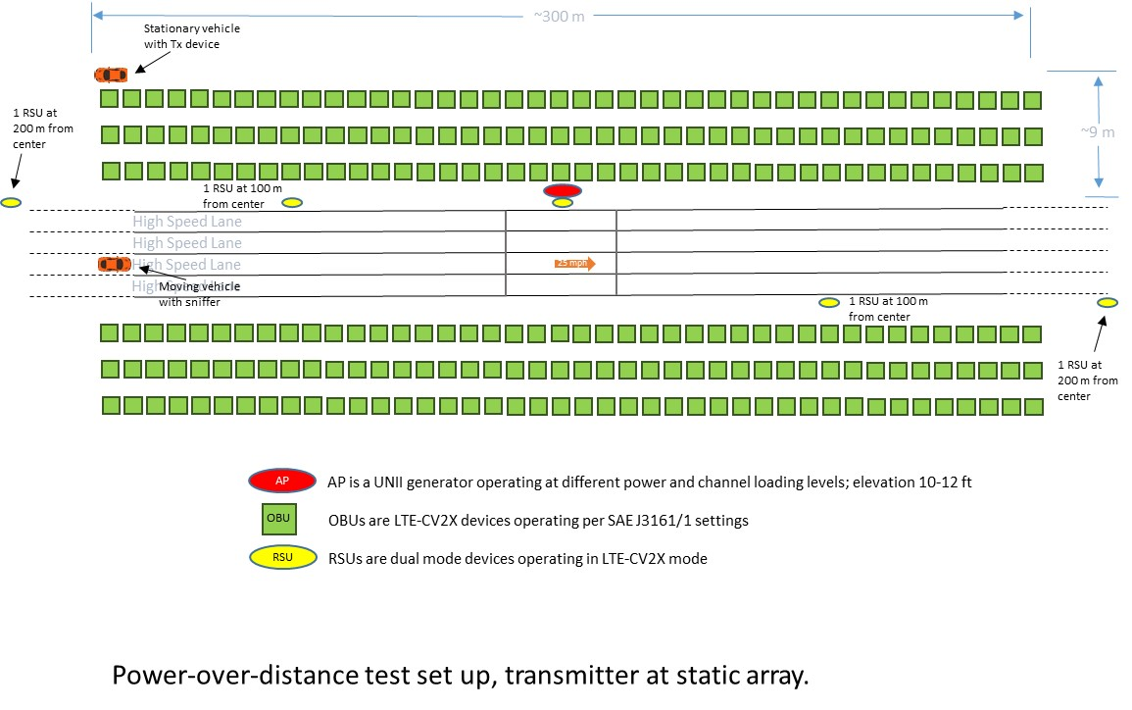

 | 1) Drive the vehicle with the sniffer towards the congestion array until it is located in the driving lane lined up across the congestion array with the Tx device

Case 2: Tx outside Congestion Array
· Place the two vehicles next to each other at the end of the runway, away from the array
1) Drive the vehicle with the sniffer device away from the vehicle with the Tx device, towards the array, accelerating as uniformly as possible to a speed of exactly 25 mph, and use the cruise control setting in the vehicle to accurately maintain 25 mph throughout the duration of the test run
2) Continue driving at a speed of exactly 25 mph, until the sniffer is no longer receiving packets, or the vehicle with the sniffer reaches ~1200 meters away from the Tx device
3) Repeat Step 2) four times for a total of five runs
4) Document the results and label the results of those runs as “Case 2: away”
· Place the vehicle with the sniffer in the middle of the congestion array, and the vehicle with the Tx device at the far position away from the array
1) Drive the vehicle with the sniffer towards the vehicle with the Tx device, accelerating as uniformly as possible to a speed of exactly 25 mph, and use the cruise control setting in the vehicle to accurately maintain 25 mph throughout the duration of the test run
2) Continue driving at a speed of exactly 25 mph, until the two cars are next to each other at the end of the runway , then decelerate and stop
3) Repeat Step 2) four times for a total of five runs
4) Document the results and label the results of those runs as “Case 2: back”

IPG Stability Test:
Perform this test once during the field test location setup.
· Turn on all devices with congestion mitigation enabled (where possible), and set devices not capable of congestion mitigation to 600 ms fixed transmission interval
· Run test with continuous on conditions for 30 minutes and download data from devices
· Analyze IPG device data to determine if IPG is stable after initial congestion mitigation sensing and adjustments period (of around 45 seconds)

