POTS New
Field # | Field Name | Type | List Values | Required/Optional/Conditional? | Condition | Entry Validation | Activity Type | Region | Additional Rules/Logic | Logical Grouping
Opening Section
1 | Bill to Existing Account? | Radial Button | Yes/No | Required |  | NA | N |  | Pull from Do you have existing account field under Account Information
 | Do you want to copy the configuration of an existing telephone number? | Radial Button | Yes/No | Optional |  |  | N |  | Default Selection to No If yes - then provide field What is the working number you want to model?
 | What is the working number you want to model? | Text |  | Conditional | Required if "Do you want to copy the configuration of an existing telephone number? if Yes | Numeric | N |  | 10 digits
 | Line Quantity | Text | 1 - 99 | Required |  | Numeric | N |  | 2 digits 1 - 99 Pop up Message Changing "Line Quantity" will clear out Lines that are already configured.
 | Main Billing Account Number | Text |  | Conditional | Required If "Bill to Existing Account?" is Yes | AlphaNumeric | N |  | Pull from Account Number Field under Account Information if populated
 | Customer Code | Text |  | Conditional | Required If "Bill to Existing Account?" is Yes | Numeric | N |  | Pull from Customer Code under Account Information if populated
 | Add Service to an Existing Account? | DD | Yes/No | Optional |  | NA | N |  | Default to No
 | Existing Account Number | Text |  | Conditional | Required if "Add Service to an Existing Account?" is Yes | Numeric | N |  | 10 digits
 | Customer Code | Text |  | Conditional | Required if "Add Service to an Existing Account?" is Yes | Numeric | N |  | 3 digits
 | Do you want to include DSL with this order? | DD | Yes/No | Optional |  | NA | N |  | Default to No Do Not present selection to user
 | Quantity of Lines with DSL | Text |  | Conditional |  | Numeric | N |  | 2 digits 1-99 Must be less than or equal too the value in the Line Quantity field Do not present Quantity of Lines with DSL and it will be defaulted to No so we will not see this field
 | Winback | Radial Button | Yes/No | Optional |  | NA | N |  | Default to No
 | TPV Authorization | Text |  | Conditional | Required if "TPV Authorization" is Yes | 8 AlphaNumeric | N |  | Only display if Winback is Yes
Listing Section
 | Existing TN at Service Location | Text |  | Optional |  | 10 digit Numeric | N |  | If a TN is entered in this field then a Service Address is not required.
 | Main Listing | Text |  | Required |  | 40 AlphaNumeric | N
 | Non-Pub | DD | Yes/No | Required |  |  | N |  | Default to No
 | Omit Listing Address? | DD | Yes/No | Required |  |  | N |  | Default to No

 | Service Address Line 1 | Text |  | Conditional | Required if "Existing TN at Service Location" is blank | 30 AlphaNumeric | N |  | Discuss Rule with Biz Ops and Derick
 | Service Address Line 2 | Text |  | Optional |  | 30 AlphaNumeric | N
 | Service Address Line 3 | Text |  | Optional |  | 30 AlphaNumeric | N
 | Service Address City | Text |  | Conditional | Required if "Existing TN at Service Location" is blank | 35 Alpha | N
 | Service Address State | DD | List states by region selection in alpha order | Conditional | Required if "Existing TN at Service Location" is blank | Alpha | N
 | Service Address Zip | Text |  | Conditional | Required if "Existing TN at Service Location" is blank | 5 + 4 Numeric NNNNN-NNNN | N |  | 5 Numeric Required
 | Validate Address Button?? |  |  |  |  |  |  |  | It provides an exact address match if one is available. If an exact match is not available then selections will be provided back to choose from. If Existing TN at Service Location is populated than the Address Validation Button is not active.
 | Manually Validate Address | Check Box |  | Optional |  |  | N |  | If checked validate address button is not required.
 | Yellow Page Header | DD | Get list of selections from Derick | Required |  |  | N
 | Classified Heading Code (CLH) | Text |  | Optional |  | 20 AlphaNumeric | N
 | Standard Industry Code (SIC) | Text |  | Optional |  | 20 AlphaNumeric | N
 | Additional Listing | Text |  | Optional |  | 40 AlphaNumeric | N
 | Additional Listing Address | Text |  | Conditional | Required if "Additional Listing" is populated | 40 AlphaNumeric | N
Lines Section
 | Is the customer choosing AT&T as their Long Distance Carrier? | Radial Button | Yes/No | Required |  |  | N |  | Default to Yes
 | LD Calling Plan | DD | ABN, AT&T Business Block of Time 10000 II 1Y, AT&T Business Block of Time 10000 II 2Y, AT&T Business Block of Time 1200 II 1Y, AT&T Business Block of Time 1200 II 2Y, AT&T Business Block of Time 1200 III 1Y, AT&T Business Block of Time 1200 III 2Y, AT&T Business Block of Time 1200 III 3Y, AT&T Business Block of Time 250 II 1Y, AT&T Business Block of Time 2500 II 1Y, AT&T Business Block of Time 2500 II 2Y, AT&T Business Block of Time 2500 III 1Y, AT&T Business Block of Time 2500 III 2Y, AT&T Business Block of Time 2500 III 3Y, AT&T Business Block of Time 5000 II 1Y, AT&T Business Block of Time 5000 II 2Y, AT&T Business Block of Time 5000 III 1Y, AT&T Business Block of Time 5000 III 2Y, AT&T Business Block of Time 5000 III 3Y, AT&T Business Block of Time 700 II 1Y, AT&T Business Block of Time 700 II 2Y, AT&T Business Block of Time 700 III 1Y, AT&T Business Block of Time 700 III 2Y, AT&T Business Block of Time 7500 II 1Y, AT&T Business Block of Time 7500 II 2Y, AT&T Business Calling MTM, AT&T Business Calling Monthly, AT&T Business Unlimited Calling 1Y, AT&T Business Unlimited Calling 2Y, AT&T Business Unlimited Calling II 1Y, AT&T Business Unlimited Calling II 2Y, AT&T Business Unlimited Calling Winback/Save Option 2 1Y, AT&T Long Distance Toll Free - Basic Service, AT&TBusinessUnlimitedCallingWinbk/Save Option 2 1Y, HVCP IV 1Y, HVCP IV 2Y, HVCP IV 2Y, MTS / Default with NO PLAN MTM, OneNet, VTNS | Conditional | Required if "Is the customer choosing AT&T as their Long Distance Carrier?" Is Yes |  | N |  | Lists will be regional
 | LD Carrier (PIC) | DD | Need valid list of selections | Required |  |  | N |  | Lists will be regional and dependant on if AT&T is selected as the Long Distance Carrier.
 | LD Carrier Freeze | DD | Yes/No | Required |  |  | N |  | Defaults to No
 | Local Toll Carrier (LPIC) | DD | Need valid list of selections | Required |  |  | N |  | Lists will be regional
 | Local Toll Carrier Freeze | DD | Yes/No | Required |  |  | N |  | Default to No
Local Calling Information
 | Local Calling | DD | Custom Contract, Month to Month, Business Local Calling | Required |  |  | N |  | Pop Up Note Changing Local Calling will clear out Lines that are already configured.
 | Do you wish to add an Inside Wire Line Maintenance Plan to all lines on this account? | Radial Button | Yes/No | Required |  |  | N | SE | Default to No
 | Custom Contract Number | Text |  | Conditional | Required if "Local Calling = Custom Contract" | 50 AlphaNumeric | N |  | Only show if Local Calling = Custom Contract
 | Local Calling Plan Term Length | DD | Month to Month, 12 Months Renewable, 12 Months, 24 Months, 36 Months | Conditional | Required if "Local Calling = Business Local Calling" |  | N
 | BLC Contract Number | Text |  | Optional | Display if "Local Calling = Business Local Calling" | 50 AlphaNumeric | N
 | Business Local Calling Plan Type | Radial Button | 1-19 Lines/20+ Lines | Conditional | Required if "Local Calling = Business Local Calling" |  | N
Line Configuration
 | Please Select Line(s) |  |  | Required |  |  |  |  | Based on Line Quantity entered that is how many lines will be provided for the user to select and configure
 | Select All | Check Box |  | Optional |  |  | N |  | The Select All feature is available so the user can configure all the lines the same
 | Do you wish to Add Features for this account | DD | Yes/No | Required |  |  | N |  | Default is No
Available Features
 | Feature Name Title Line
 | 3 Way Calling | Check Box |  | Optional |  |  | N | MW, SE, SW, W
 | Anonymous Call Rejection | Check Box |  | Optional |  |  | N | SE
 | Call Block | Check Box |  | Optional |  |  | N | SE
 | Auto Redial | Check Box |  | Optional |  |  | N | SW
 | Call Blocker | Check Box |  | Optional |  |  | N | SW
 | Alternate Answer | Check Box |  | Optional |  |  | N | MW
 | TN | Text |  | Conditional | Required if "Alternate Answer" is selected | 10 digit Numeric | N | MW
 | Ring Cycle | Text |  | Conditional | Required if "Alternate Answer" is selected |  | N | MW
 | Auto Call Back | Check Box |  | Optional |  |  | N | MW
 | Busy Line Transfer | Check Box |  | Optional |  |  | N | MW
 | TN | Text |  | Conditional | Required if "Busy Line Transfer" is selected | 10 digit Numeric | N | MW
 | Call Forward Busy | Check Box |  | Optional |  |  | N | SE, SW, W
 | TN | Text |  | Conditional | Required if "Call Forward Busy" is selected | 10 digit Numeric | N | SE, SW, W
 | Call Forwarding | Check Box |  | Optional |  |  | N | MW, SE, SW, W
 | Call Forwarding Don't Answer | Check Box |  | Optional |  |  | N | SE, SW, W
 | TN | Text |  | Conditional | Required if "Call Forwarding Don't Answer" is selected | 10 digit Numeric | N | SE, SW, W
 | Ring Cycle | Text |  | Conditional | Required if "Call Forwarding Don't Answer" is selected |  | N | SE, SW, W
 | Call Return | Check Box |  | Optional |  |  | N | SE, SW, W
 | Call Screening | Check Box |  | Optional |  |  | N | MW, W
 | Call Selector | Check Box |  | Optional |  |  | N | SE
 | Call Tracing | Check Box |  | Optional |  |  | N | SE, W
 | Call Waiting | Check Box |  | Optional |  |  | N | MW, SE, SW, W
 | Caller ID with Name and Number | Check Box |  | Optional |  |  | N | MW, SE, SW, W
 | Inside Wire Maintenance Plan | Check Box |  | Discussion it appears in RDS as a grayed out selection |  |  | N | SE | If one line on the account has it then all lines on the account must have it CONFIRM: Can this still be ordered new??? Yes
 | Inline Wire Maintenance | Check Box |  | Optional |  |  | N | SW
 | Linebacker | Check Box |  | Optional |  |  | N | MW
 | Message Waiting Indicator |  |  | Optional |  |  | N | MW, SE, SW, W
 | Preferred Call Forwarding | Text |  | Conditional | Optional is "Call Forwarding: is selected | 50 AlphaNumeric | N | SE
 | Remote Access to Call Forwarding | Check Box |  | Optional |  |  | N | SE, SW, W
 | Repeat Dialing | Check Box |  | Optional |  |  | N | MW, SE, SW, W
 | RingMaster I | Check Box |  | Optional |  |  | N | SE
 | RingMaster II | Check Box |  | Optional |  |  | N | SE
 | Speed Calling 30 | Check Box |  | Optional |  |  | N | MW, SE, SW, W
 | Speed Calling 8 | Check Box |  | Optional |  |  | N | MW, SE, W
 | Touchtone | Check Box |  | Optional |  |  | N | SE
 | Unified Messaging | Check Box |  |  |  |  | N | MW
 | Text |  |  |  | Optional if "Unified Messaging" is selected | 50 AlphaNumeric
 | Voice Mail Flat Rate Basic | Text |  | Optional |  | 40 AlphaNumeric | N | SE
 | Voice Mail |  |  | Optional |  |  | N | W
 | Text | Text |  | Optional |  |  | N
 | Voice Mail/CallNotes | Check Box |  | Optional |  |  | N | SW
 | Text | Text |  | Optional |  | 30 AlphaNumeric | N | SW
 | Wire Pro | Check Box |  | Optional |  |  | N | W
 | What Restriction Options would you like? | DD | Customized Block and Restrictions, Full Blocking, Full Blocking + Full Restrictions, Full Restriction, No Blocking | Required |  |  | N | MW, SE, SW, W
 | Block 3rd Party Calls | Check Box |  | Conditional | Optional if "What Restrictions would you like? = Customized Block and Restrictions" |  | N | MW, SE, SW, W
 | Block Call 54 (555-5454) Services | Check Box |  | Conditional | Optional if "What Restrictions would you like? = Customized Block and Restrictions" |  | N | MW, SE, SW, W
 | Block International Call Completion | Check Box |  | Conditional | Optional if "What Restrictions would you like? = Customized Block and Restrictions" |  | N | MW, SE, SW, W
 | Block 700 Calls | Check Box |  | Conditional | Optional if "What Restrictions would you like? = Customized Block and Restrictions" |  | N | MW, SE, SW, W
 | Block Call Trace | Check Box |  | Conditional | Optional if "What Restrictions would you like? = Customized Block and Restrictions" |  | N | MW, SE, SW, W
 | Block Last Call Return | Check Box |  | Conditional | Optional if "What Restrictions would you like? = Customized Block and Restrictions" |  | N | MW, SE, SW, W
 | Block 900/976 Calls | Check Box |  | Conditional | Optional if "What Restrictions would you like? = Customized Block and Restrictions" |  | N | MW, SE, SW, W
 | Block Calling Party Pays | Check Box |  | Conditional | Optional if "What Restrictions would you like? = Customized Block and Restrictions" |  | N | MW, SE, SW, W
 | Block Repeat Dialing | Check Box |  | Conditional | Optional if "What Restrictions would you like? = Customized Block and Restrictions" |  | N | MW, SE, SW, W
 | Block Auto Callback | Check Box |  | Conditional | Optional if "What Restrictions would you like? = Customized Block and Restrictions" |  | N | MW, SE, SW, W
 | Block Collect Calls | Check Box |  | Conditional | Optional if "What Restrictions would you like? = Customized Block and Restrictions" |  | N | MW, SE, SW, W
 | Block Three Way Calling | Check Box |  | Conditional | Optional if "What Restrictions would you like? = Customized Block and Restrictions" |  | N | MW, SE, SW, W

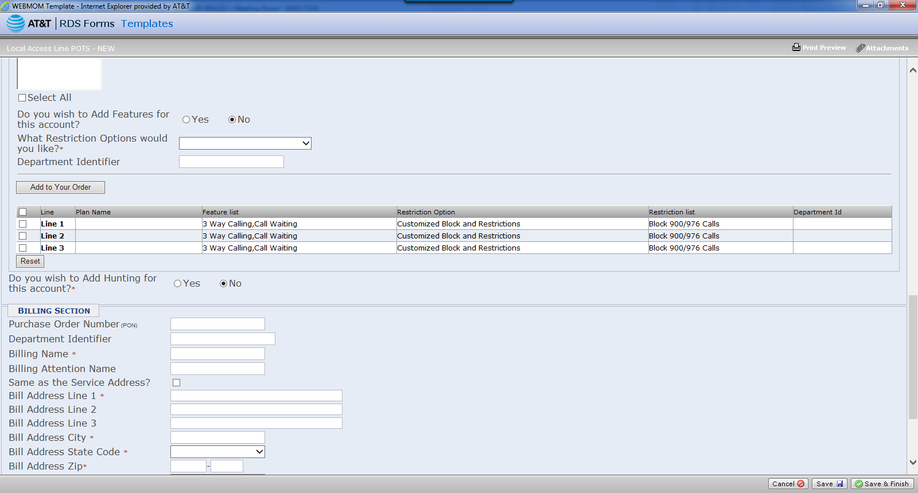
 | Add to Your Order Button?? |  |  |  |  |  |  |  | Selecting this button provides a graphical Excel version of what your lines look like. See output file
 | Reset Button |  |  |  |  |  |  |  | Clears out all your features and blocking and you have to start over.
DSL/HSI Information Section - Is DSL in Scope with POTS for Express Ordering
 | IP Address Type | DD | Static, Dynamic | Conditional | Required if "Do you want to include DSL with this order?" is Yes |  | N | MW, SE, SW, W
 | DSL/HSI Plan and Promotion (Change DSL Plan is a hyperlink what is it doing?? Does it only work on Change activity?) | DD | Requires List dependent on Static or Dynamic Selection | Conditional | Required if "Do you want to include DSL with this order?" is Yes |  | N | MW, SE, SW, W
 | DSL/HSI Speed |  |  | Autopopulated based off the plan and promotion selection |  |  | N | MW, SE, SW, W
 | DSL Term |  |  | Autopopulated based off the plan and promotion selection |  |  | N | MW, SE, SW, W
 | Number of IPs | DD | 1,5,13,29,61 | Conditional | Required if "Do you want to include DSL with this order?" is Yes |  | N | MW, SE, SW, W
 | Static IP speeds will require a Tech Install | Note |  |  |  |  |  |  | This is a note under the field Number of IPs and only shown if a Static IP is selected.
 | Network Equipment Type | DD | Customer Providing Equipment, Modem (Single Device), Router (Multi Device) | Conditional | Required if "Do you want to include DSL with this order?" is Yes |  | N | MW, SE, SW, W
Billing Section
 | Purchase Order Number (PON) | Text |  | Optional |  | 30 Alphanumeric | N | MW, SE, SW, W
 | Department Identifier | Text |  | Optional |  |  | N | SE
 | Billing Name | Text |  | Required |  | 50 Alphanumeric | N | MW, SE, SW, W
 | Billing Attention Name | Text |  | Optional |  | 30 Alphanumeric | N | MW, SE, SW, W
 | Same as the Service Address? | Check Box |  | Optional |  |  | N | MW, SE, SW, W | If checked - autopopulate Bill Address Line 1, Bill Address Line 2, Bill Address Line 3, Bill Address City, Bill Address State Code, Bill Address Zip with the same address entered in the Service Address fields above
 | Bill Address Line 1 | Text |  | Required |  | 30 Alphanumeric | N | MW, SE, SW, W
 | Bill Address Line 2 | Text |  | Optional |  | 30 Alphanumeric | N | MW, SE, SW, W
 | Bill Address Line 3 | Text |  | Optional |  | 30 Alphanumeric | N | MW, SE, SW, W
 | Bill Address City | Text |  | Required |  | 35 Alphanumeric | N | MW, SE, SW, W
 | Bill Address State Code | DD | Alabama Alaska Arizona Arkansas California Colorado Connecticut District of Columbia Delaware Florida Georgia Hawaii Idaho Illinois Indiana Iowa Kansas Kentucky Louisiana Maine Maryland Massachusetts Michigan Minnesota Mississippi Missouri Montana Nebraska Nevada New Hampshire New Jersey New Mexico New York North Carolina North Dakota Ohio Oklahoma Oregon Pennsylvania Puerto Rico Rhode Island South Carolina South Dakota Tennessee Texas Utah Virgin Island Vermont Virginia Washington West Virginia Wisconsin Wyoming | Required |  |  | N | MW, SE, SW, W
 | Bill Address Zip | Text |  | Required |  | 9 numeric - first 5 numeric characters are required format NNNNN-NNNN | N | MW, SE, SW, W
 | Ownership | DD | Sole Proprietorship, Partnership, Corporation, Limited Liability Corporation, Unknown | Required |  |  | N | MW, SE, SW, W
 | Corp ID: | Text |  | Optional |  | 30 Alphanumeric | N | MW, SE, SW, W
 | Tax ID: | Text |  | Optional |  | 12 Alphanumeric | N | MW, SE, SW, W
 | CAS Application Number: | Text |  | Optional |  | 12 Alphanumeric | N | MW, SE, SW, W

Due Date Section
 | Requested Due Date | Calendar Pick |  | Required |  |  | N | MW, SE, SW, W | Only allow weekdays to be selected . Earliest possible due date that can be selected is 4 business days out. (Example: Today is Thursday 8/17/17. First available date to select on calendar would be Wednesday 8/23/17 as that is 4 business days out) Also, need to prevent the following holidays to be selected every year: New Years Day, Presidents Day, Memorial Day, Independence Day, Labor Day, Thanksgiving, Day after Thankingsgiving, and Christmas
 | Tech Dispatch | Radial Button | Yes/No | Required |  |  | N | MW, SE, SW, W
 | Special Access Time | DD | All Day, AM, PM | Optional |  |  | N | MW, SE, SW, W | Default to All Day
 | Local Contact First Name | Text |  | Conditional | Required if Tech Dispatch is Yes | 20 alphanumeric | N | MW, SE, SW, W
 | Local Contact Last Name | Text |  | Conditional | Required if Tech Dispatch is Yes | 20 alphanumeric |  | MW, SE, SW, W
 | Local Contact Number |  |  |  |  |  |  | MW, SE, SW, W
 | Local Contact Email |  |  |  |  |  |  | MW, SE, SW, W
 | Alternate Contact First Name |  |  |  |  |  |  | MW, SE, SW, W
 | Alternate Contact Last Name |  |  |  |  |  |  | MW, SE, SW, W
 | Alternate Contact Number |  |  |  |  |  |  | MW, SE, SW, W
 | Alternate Contact Email |  |  |  |  |  |  | MW, SE, SW, W
 |  |  |  |  |  | 50 alphanumeric
Jack Type |  |  |  |  |  |  |  |  | Display this section only if Yes is selected for "Tech Dispatch"
 | Jack Type | Text |  | Optional |  | 500 alphanumeric |  | MW, SE, SW, W
 | Single Line Quantity | Text |  | Optional |  | 2 numeric characters. 1-99 allowed |  | MW, SE, SW, W
 | 2 Line Jack Quantity | Text |  | Optional |  | 2 numeric characters. 1-99 allowed |  | MW, SE, SW, W
 | 25 Line Jack Quantity | Text |  | Optional |  | 2 numeric characters. 1-99 allowed |  | MW, SE, SW, W
 | Alarm Jack Quantity | Text |  | Optional |  | 2 numeric characters. 1-99 allowed |  | MW, SE, SW, W
 | Network Interface (Send Tech-No Jack Needed) | Text |  | Optional |  | 2 numeric characters. 1-99 allowed |  | MW, SE, SW, W
 | Rewire Existing Jack Quantity | Text |  | Optional |  | 2 numeric characters. 1-99 allowed |  | MW, SE, SW, W

Summary Billing Add Remove
Field # | Field Name | Type | List Values | Required/Optional/Conditional? | Condition | Entry Validation | Activity Type | Region | Additional Rules/Logic | Logical Grouping
Service Location Section
 | Service Location State: | DD | AL, AR, CA, FL, GA, IL, IN, KS, KY, LA, MI, MO, MS, NC, NV, OH, OK, SC, TN, TX, WI | Required |  |  | SB | W, SW, MW, SE | If state is selected prior to getting to this template, autopopulate this DD with that state
Billing Information Section
 | Billing Telephone Number (BTN): | Text |  | Required |  | 10 Numeric | SB | W, SW, MW, SE | 10 digits.. Add dashes to the formatting so that submitter doesn't have to enter in the dashes
 | Customer Code | Text |  | Required |  | 3 numeric | SB | W, SW, MW, SE
New Billing Name Section
 | Billing Name | Text |  | Required |  | 28 Alphanumeric | SB | W, SW, MW, SE
 | Attention | Text |  | Optional |  | 28 Alphanumeric | SB | W, SW, MW, SE | Auto-populate field with "ATTN:" already. When submitter clicks in this field they will be able to add text after ATTN: . They can also clear out ATTN: if they desire

SCREENSHOTS FROM RDS FORMS

WEST - Summary Billing Add or Remove
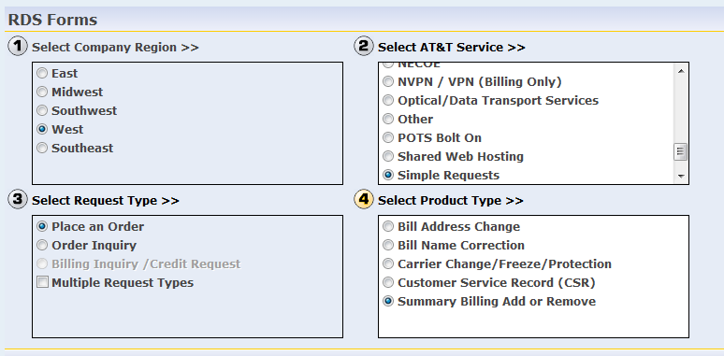

SOUTHWEST - Consolidated Bill Add or Remove
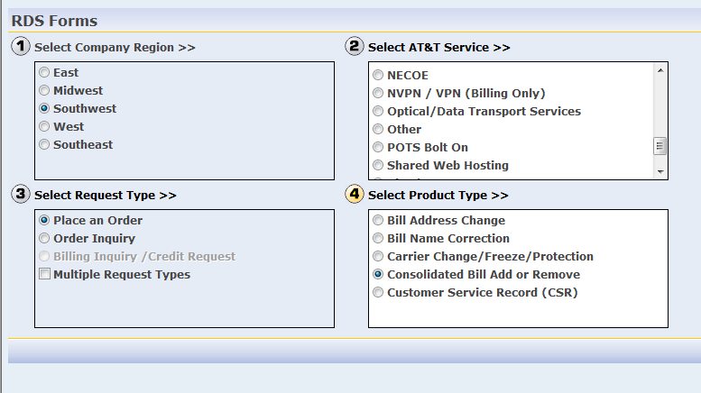

MIDWEST - Bill Under Add or Remove
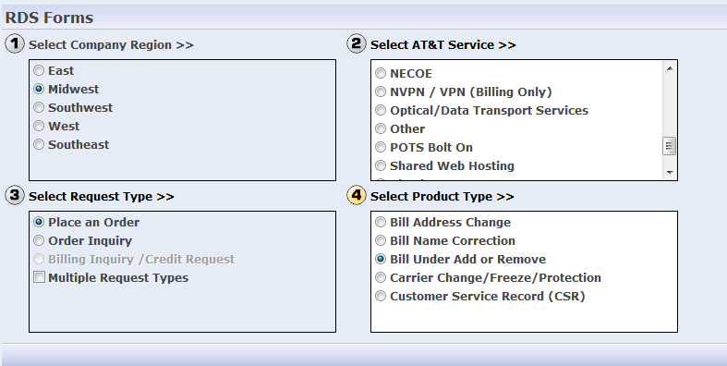

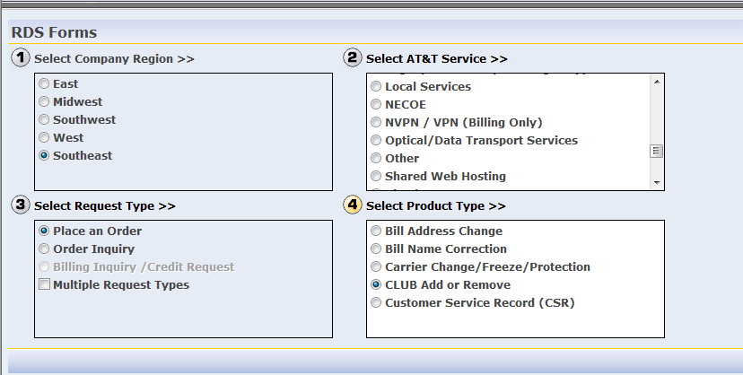
SOUTHEAST - CLUB Add or Remove

