Deliverables
Item | Deliverable | Complete (Y/N) | What to do
1 | Use Conditional Formatting to fill each cell in the OUTCOME column with a different color depending on whether the associated campaign was successful, failed, canceled or live | Y | Conditional format colors
2 | Create a new column called PERCENT FUNDED that uses a formula to find how much money a campaing made relative to it's funding goal | Y | equation = X act funded/Y Goal
3 | Use Conditional Formatting to fill each cell in PERCENT FUNDED according to 3 color scale; 0% to 99% Red, 100% to 199% Green 200% and above Blue | Y | Conditional format colors
4 | Create a new column called AVERAGE DONATION; use formula that determines how much each project backer paid on average | N | Issue I used a Pivot Table instead of a column; What formula do I use for Average and how do I use the formula
5 | Create two new columns, once called Parent Category; 2nd called Sub Category; use formulas to split the cell to separate columns | Y | I used Text to Column formula
6 | Create a new shhet with a PIVOT TABLE that analyzes your initial worksheet to count how many campaigns were successful failed, canceld or Live per Catetory. | Y | Pivot Table
7 | Create a stacked - column PIVOT CHART that can be filtered by Sub Category | Y | Pivot Table & Chart
8 | Datesin the DEADLINE and LAUNCHED_A colunes use Unix timestamps; convert the timestamps to normal date. Create new columns named Date Created & Date Conversion | Y | Formulas + Number "date" change Plus identified with comments
9 | Create a new sheet with a PIVOT TABLE & PIVOT CHART Columns = Outcome, Date created conversion; count of outcome, parent filter, years filter | N | Issue: Creating a new sheet with PT I'm to see NEW Date Created Conversion Row FIXED: Required a refresh Issue: Need to create another column converting DATE CREATED CONVERSION from short date to month; but dates have multiple years (my data it's not possible to get 12 months for all years | 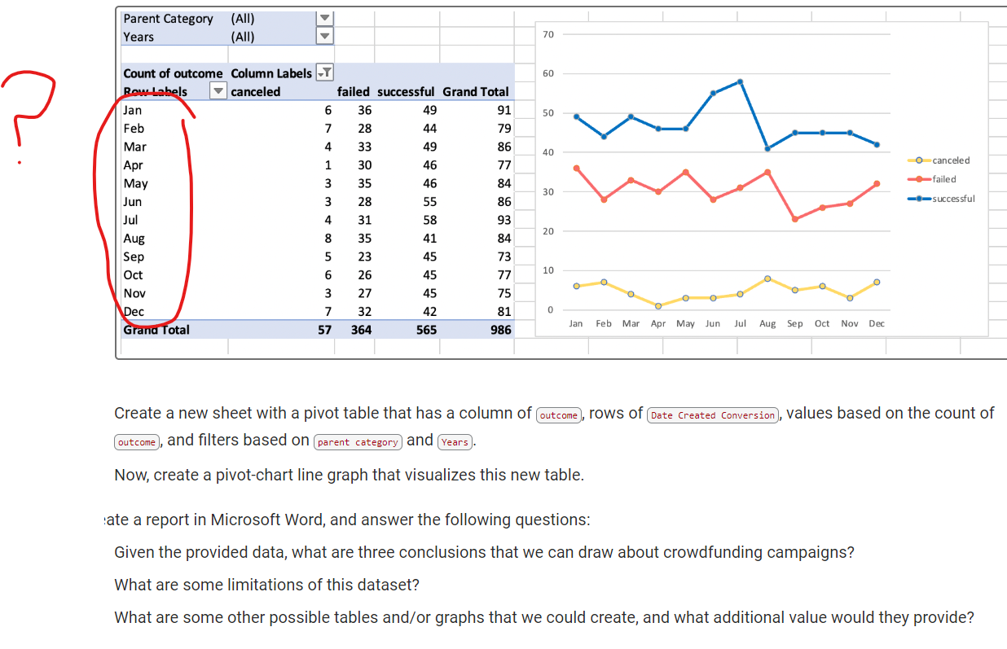
10 | Create a Word Report: Answer, 3 conclucsion about the campaigns dataset limitations, other tables/graphs that could add value | In progress | Conclusions: We have a 36% failure rate, we should find out why and improve this trend. We have a 56% Success rate; and 39% comes from 3 categories. We should find out the whys and determine if we can build these successes 70% of our pledges come from three categories; can we add more marketing $s here to raise our pledge level within these categories | Need to put in a word document
11 | Crow Funding Analysis Create a new sheet with 8 columns: Goal, Number Successful Number Failed, Total projects, % Successful, % failed, % Canceled. | N | Require Help - Never used the CountIF formula | Created template

Campaign Success by SubCat
country | (All)
Category | (All)
 | canceled | failed | live | successful
animation | 1 | 10 | 2 | 21
audio |  |  |  | 4
documentary | 4 | 21 | 1 | 34
drama | 2 | 12 | 1 | 22
electric music |  | 8 |  | 10
fiction | 1 | 7 |  | 9
food trucks | 4 | 20 |  | 22
indie rock | 3 | 19 |  | 23
jazz | 1 | 6 |  | 10
metal |  | 3 |  | 4
mobile games |  | 8 | 1 | 4
nonfiction | 1 | 6 | 1 | 13
photography books | 4 | 11 | 1 | 26
plays | 23 | 132 | 2 | 187
radio & podcasts |  | 4 |  | 4
rock | 6 | 30 |  | 49
science fiction |  | 9 |  | 5
shorts | 1 | 5 | 1 | 9
television | 3 | 3 |  | 11
translations |  | 7 |  | 14
video games | 1 | 15 | 2 | 17
wearables |  | 16 | 1 | 28
web | 2 | 12 | 1 | 36
world music |  |  |  | 3
Count of outcome | Column Labels
Row Labels | canceled | failed | live | successful | Grand Total
animation | 1 | 10 | 2 | 21 | 34
audio |  |  |  | 4 | 4
documentary | 4 | 21 | 1 | 34 | 60
drama | 2 | 12 | 1 | 22 | 37
electric music |  | 8 |  | 10 | 18
fiction | 1 | 7 |  | 9 | 17
food trucks | 4 | 20 |  | 22 | 46
indie rock | 3 | 19 |  | 23 | 45
jazz | 1 | 6 |  | 10 | 17
metal |  | 3 |  | 4 | 7
mobile games |  | 8 | 1 | 4 | 13
nonfiction | 1 | 6 | 1 | 13 | 21
photography books | 4 | 11 | 1 | 26 | 42
plays | 23 | 132 | 2 | 187 | 344
radio & podcasts |  | 4 |  | 4 | 8
rock | 6 | 30 |  | 49 | 85
science fiction |  | 9 |  | 5 | 14
shorts | 1 | 5 | 1 | 9 | 16
television | 3 | 3 |  | 11 | 17
translations |  | 7 |  | 14 | 21
video games | 1 | 15 | 2 | 17 | 35
wearables |  | 16 | 1 | 28 | 45
web | 2 | 12 | 1 | 36 | 51
world music |  |  |  | 3 | 3
Grand Total | 57 | 364 | 14 | 565 | 1000

Campaign Success by Cat
country | (All)

 | canceled | failed | live | successful
film & video | 11 | 60 | 5 | 102
food | 4 | 20 |  | 22
games | 1 | 23 | 3 | 21
journalism |  |  |  | 4
music | 10 | 66 |  | 99
photography | 4 | 11 | 1 | 26
publishing | 2 | 24 | 1 | 40
technology | 2 | 28 | 2 | 64
theater | 23 | 132 | 2 | 187
Count of outcome | Column Labels
Row Labels | canceled | failed | live | successful | Grand Total
film & video | 11 | 60 | 5 | 102 | 178
food | 4 | 20 |  | 22 | 46
games | 1 | 23 | 3 | 21 | 48
journalism |  |  |  | 4 | 4
music | 10 | 66 |  | 99 | 175
photography | 4 | 11 | 1 | 26 | 42
publishing | 2 | 24 | 1 | 40 | 67
technology | 2 | 28 | 2 | 64 | 96
theater | 23 | 132 | 2 | 187 | 344
Grand Total | 57 | 364 | 14 | 565 | 1000

 |  | 0.364 |  | 0.38761061947 | 0.697

