Summary
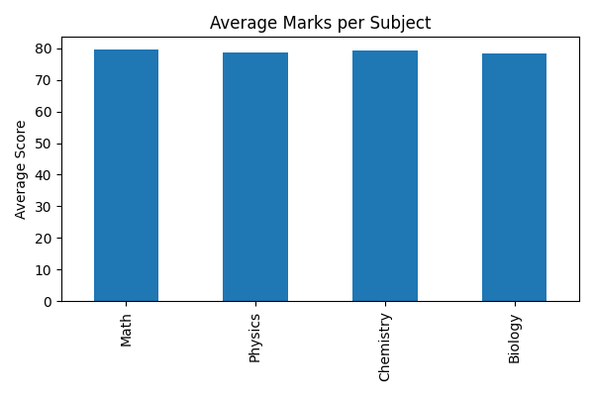
StudentID | Name | Total | Average | Grade
101 | Alice | 364 | 91 | A
102 | Bob | 267 | 66.75 | C
103 | Charlie | 354 | 88.5 | B
104 | David | 236 | 59 | F
105 | Emma | 319 | 79.75 | B
106 | Frank | 387 | 96.75 | A
107 | Grace | 284 | 71 | C

