To do list
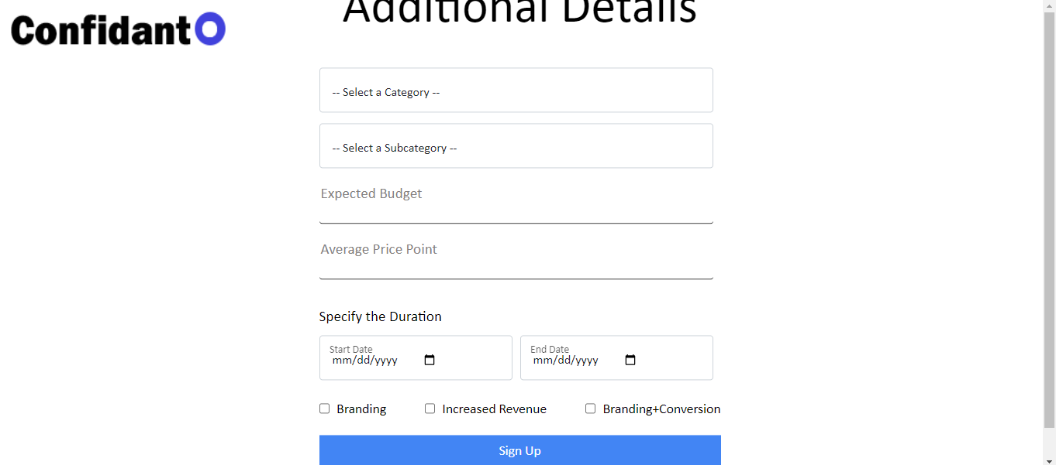
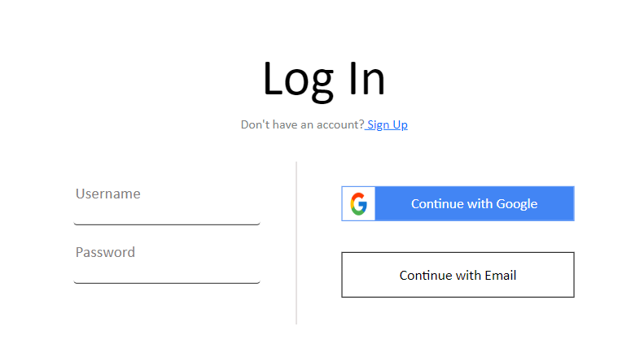
 |  | 1. Work on the "Continue with Google Button"
 |  | 2. Work on the "Continue with Email"

Sign up page

 |  | "Additional details" CSS to be worked on
 |  | Please refer to the PPT for the questions given
 |  | Specify the duration - show only months, no days
 |  | There have to rules for entering the correct email ID

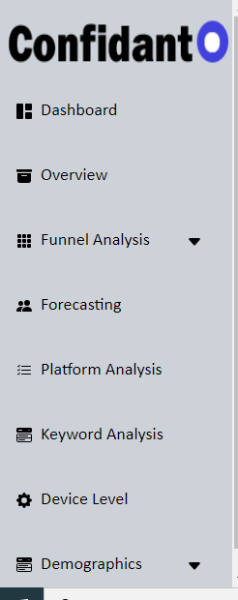
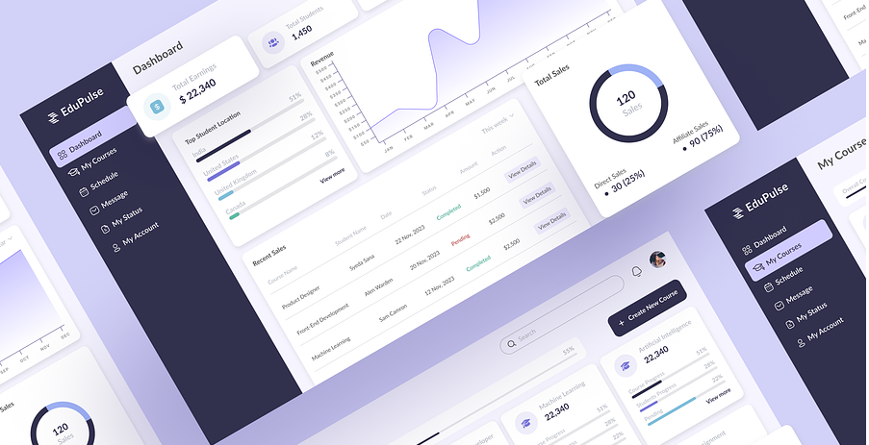
 | 1. Reduce the gaps between the features
 | 2. Reduce the font size by 1px
 | 3. Change the color combo according to

 |  |  | This should be editable

 |  |  |  | Change is the headings should change the table

Sample look
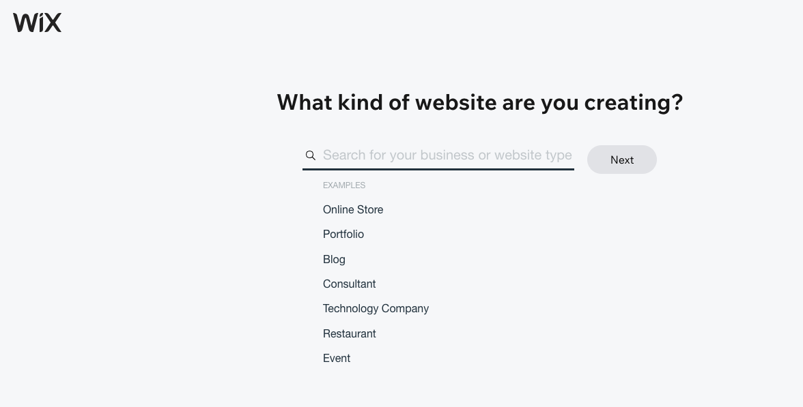

Ideas
In the forecasting table use "Orders" for Ecommerce

Please refer to the Sample tab to get an idea of how we want the look of the web app

We need to design logo

Website will have a color combination of Blue, white and black

Can we create a Coming soon page for Confidanto.com?

We need to integrate Average Monthly Searches in the table

Every user will have their individual login.
There should be a Myplan section where the user will see all the plans he created and saved.

Future plan
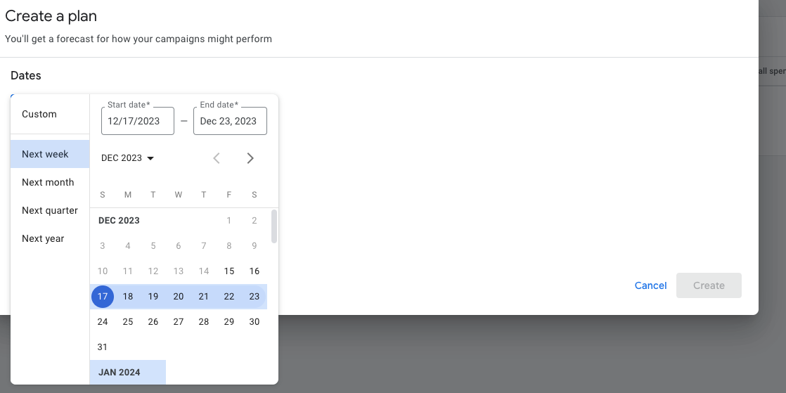

User can one sub category or more than one, the result should be a month wise and category wise.

