Binned
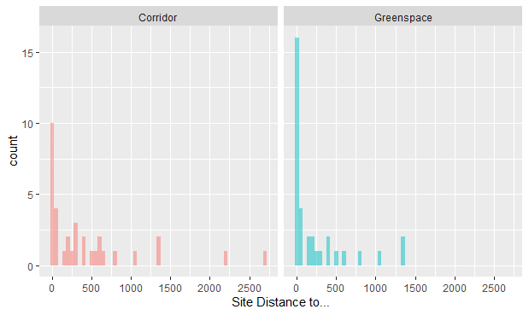
Bin (m) | Corridor | Greenspace | Percent_Corridor | Percent_Greenspace | Perc_Corr_Cumulative | Perc_Greensp_Cumulative
Bins of distances from site to either corridor or green space connected to corridor | Number of sites within the distance bin when considering the distance from the site to the corridor to be measured with the endpoint as the linear subtransect | Number of sites within the distance bin when considering the distance from the site to the corridor to be measured with the endpoint as any green space connected to the green corridor | Percentage of sites within each bin |  | Cumulative percentage of sites within each bin and previous bins
[0,50] | 11 | 17 | 32.35 | 50.00 | 32.35 | 50.00
(50,100] | 2 | 2 | 5.88 | 5.88 | 38.24 | 55.88
(100,150] | 0 | 1 | 0.00 | 2.94 | 38.24 | 58.82
(150,200] | 2 | 2 | 5.88 | 5.88 | 44.12 | 64.71
(200,250] | 1 | 2 | 2.94 | 5.88 | 47.06 | 70.59
(250,300] | 3 | 2 | 8.82 | 5.88 | 55.88 | 76.47
(300,350] | 1 | 0 | 2.94 | 0.00 | 58.82 | 76.47
(350,400] | 1 | 1 | 2.94 | 2.94 | 61.76 | 79.41
(400,450] | 1 | 1 | 2.94 | 2.94 | 64.71 | 82.35
(500,550] | 2 | 1 | 5.88 | 2.94 | 70.59 | 85.29
(550,600] | 1 | 0 | 2.94 | 0.00 | 73.53 | 85.29
(600,650] | 2 | 1 | 5.88 | 2.94 | 79.41 | 88.24
(750,800] | 1 | 1 | 2.94 | 2.94 | 82.35 | 91.18
(1050,1100] | 1 | 1 | 2.94 | 2.94 | 85.29 | 94.12
(1300,1350] | 2 | 2 | 5.88 | 5.88 | 91.18 | 100.00
(2150,2200] | 1 | 0 | 2.94 | 0.00 | 94.12 | 100.00
(2650,2700] | 1 | 0 | 2.94 | 0.00 | 97.06 | 100.00
(4300,4350] | 1 | 0 | 2.94 | 0.00 | 100.00 | 100.00
TOTAL | 34 | 34 | 100.00 | 100.00 | 100.00 | 100.00

