Milkweed anatomy
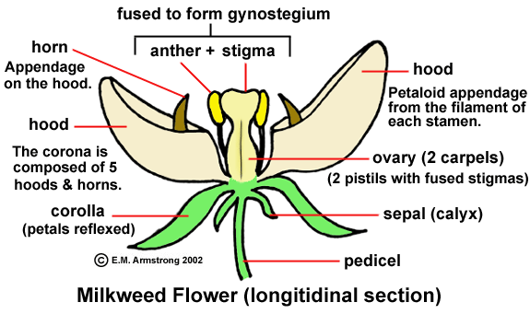


 |  |  | oval indicates flower anatomy to be measured (length and width)

 |  |  | Note: Hoods and corollas should be measured with they are fully reflexed

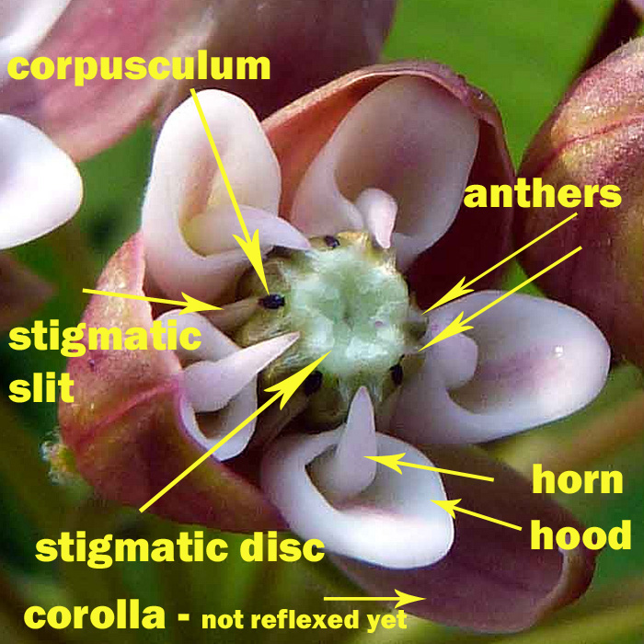

 |  | <-- Yimin will assess how many of the five corpuscula have been removed (I call them pollinaria, or pollinia)
 |  | - each flower typically has 5. Pollinators remove them through time.
 |  | -If, when surveying a flower, you see that a chunk has been removed from where a pollinarium should be found (some herbivores eat those parts of the flowers), consider that pollinarium removed.

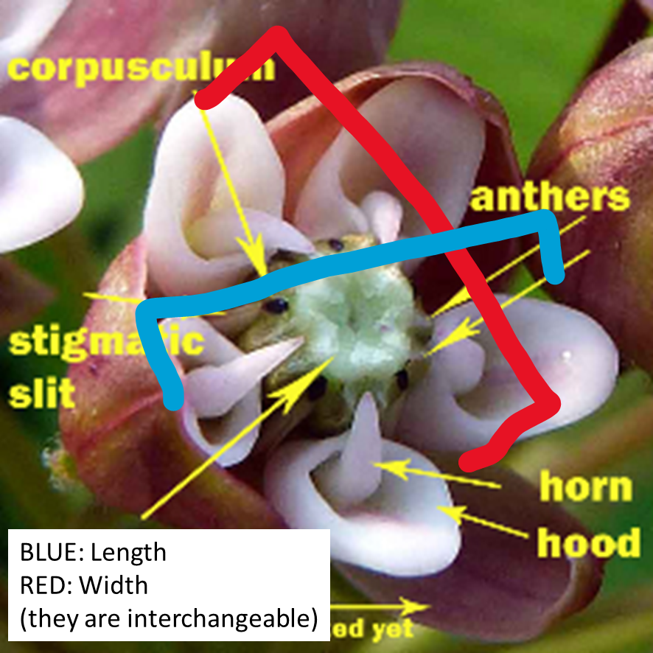

 | <-- how to measure floral length/width

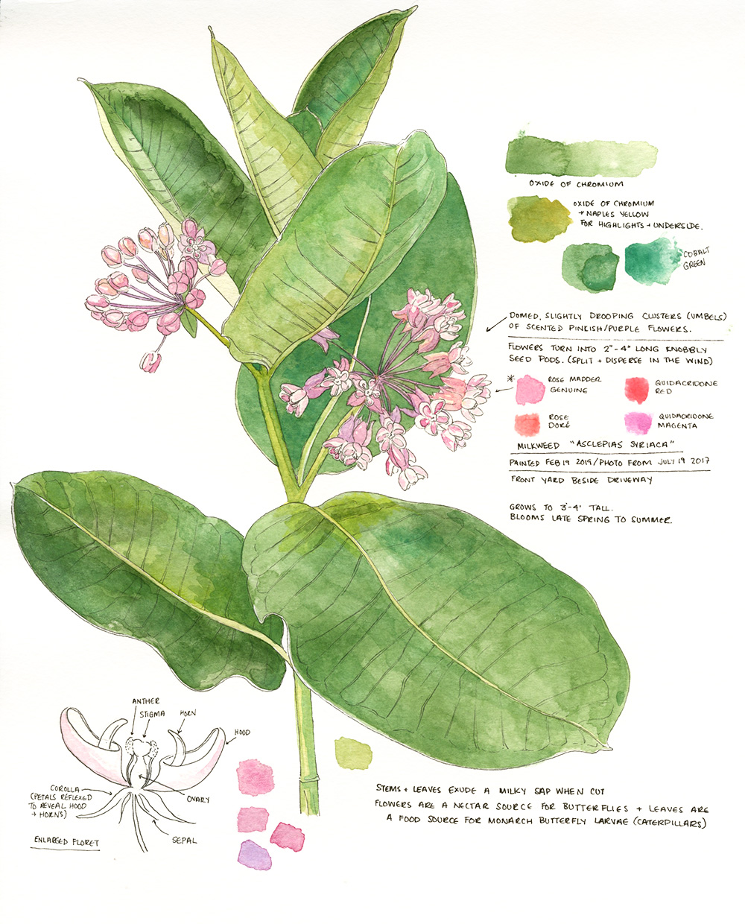

 |  |  | <-- red oval indicates a peduncle: a stem that attaches an inflorescence to the main stem.
 |  |  | When the plant is completely done flowering and you are absolutely sure that it will not produce any more inflorescences, you can count up the number of peduncles as the number of inflorescences OR you can count up the number of peduncles, if it's easier. If you wait until later in the season, though, sometimes the peduncles can fall off. In this case, you'd need to survey the milkweed stem for peduncle scars, which would inform you if a peduncle had been there but then fell off. Generally, I find it easier to write down the number of inflorescences when I'm sure the plant is done flowering.

painting by Amanda Farquharson

