Sheet1
Parallel Quicksort
pqsort
F | Elapsed seconds | Multicore limit | Hyperthread limit
1 | 20.9 | 2.6125 | 1.30625 | 8 | 16
2 | 20.11 | 2.6125 | 1.30625
4 | 9.15 | 2.6125 | 1.30625
8 | 6.96 | 2.6125 | 1.30625
16 | 5.27 | 2.6125 | 1.30625
32 | 3.66 | 2.6125 | 1.30625
64 | 3.33 | 2.6125 | 1.30625
128 | 3.08 | 2.6125 | 1.30625
256 | 3.1 | 2.6125 | 1.30625
512 | 3.07 | 2.6125 | 1.30625
1024 | 3.13 | 2.6125 | 1.30625
2048 | 3.32 | 2.6125 | 1.30625
4096 | 3.43 | 2.6125 | 1.30625
8192 | 4.13 | 2.6125 | 1.30625
16384 | 5.42 | 2.6125 | 1.30625
min | 3.07
Speedup | 6.8078175896
Measured: | Sort 134217728 elements
X-axis: | Fraction of N at which switch to sequential sort

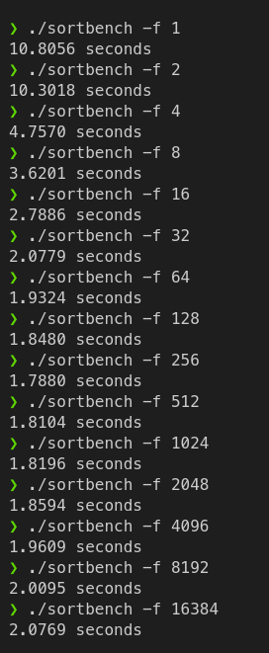

 |  |  | 6.0434004474

