dihedrals
 | UFF |  |  | GROMACS
PROPER | kr [КДж * моль^-1] | phi, degree | m |  | funct | phase | Kd | pn
Zr-O1-C1-C2 | 86.837 | 180.000 | 2 |  | 9 | 180.000 | 86.83700 | 2
O1-C1-C2-C3 | 10.46 | 180.000 | 2 |  | 9 | 180.000 | 10.46000 | 2
C1-C2-C3-C3 | 12.552 | 180.000 | 2 |  | 9 | 180.000 | 12.55200 | 2
C1-C2-C3-H1 | 12.552 | 180.000 | 2 |  | 9 | 180.000 | 12.55200 | 2
C2-C3-C3-C2 | 12.552 | 180.000 | 2 |  | 9 | 180.000 | 12.55200 | 2
C2-C3-C3-H1 | 12.552 | 180.000 | 2 |  | 9 | 180.000 | 12.55200 | 2
C3-C3-C2-C3 | 12.552 | 180.000 | 2 |  | 9 | 180.000 | 12.55200 | 2
H1-C3-C2-C3 | 12.552 | 180.000 | 2 |  | 9 | 180.000 | 12.55200 | 2
H1-C3-C3-H1 | 12.552 | 180.000 | 2 |  | 9 | 180.000 | 12.55200 | 2
 | UFF |  |  | GROMACS
IMPROPER | kr [Ккал * моль^-1] | phi, degree | m |  | funct | phase | Kd | pn
C2-C1-O1-O1 | 41.84 | 180.000 | 2 |  | 9 | 180.000 | 41.84000 | 2
C1-C2-C3-C3 | 41.84 | 180.000 | 2 |  | 9 | 180.000 | 41.84000 | 2
C2-C3-C3-H1 | 1.548 | 180.000 | 2 |  | 9 | 180.000 | 1.54800 | 2

UFF
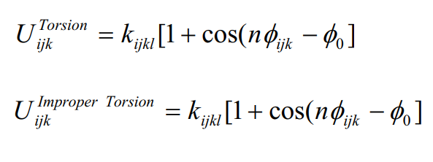

GROMACS

