Sample Report
Sales Development

Calculated fields are in light green. Input fields are left white.
 |  | Actual | Budget | Outlook
 | Game | 212 | 223 | 217
 | Crazy Games | 127 | 136 | 132
 | Fightrr | 53 | 63 | 55
 | Aviatrr | 36 | 35 | 39
 | deRamblr | 16 | 19 | 17
 | Hackrr | 22 | 19 | 21
 | Toddler Games | 85 | 87 | 85
 | Jellyfish | 71 | 70 | 70
 | Twistrr | 14 | 17 | 15

Sales Development

 |  | Actual | Budget | Outlook
 | Game | 212 | 223 | 217
 | Crazy Games | 127 | 136 | 132
Input fields are highlighted
 | Fightrr | 53 | 63 | 55
 | Aviatrr | 36 | 35 | 39
 | deRamblr | 16 | 19 | 17
 | Hackrr | 22 | 19 | 21
 | Toddler Games | 85 | 87 | 85
 | Jellyfish | 71 | 70 | 70
 | Twistrr | 14 | 17 | 15

Hyperlinks
Adding Hyperlinks
Table of Contents | Create a mini Table of Contents to jump to Index, Style & Theme tabs.
TRY THIS - Insert an icon / shape of your choice and add a link to one of the sheets here.
 | Style | Learn more about cell styles
 | Theme | More about themes
 | Template | Use templates

Style
Define Cell Styles & Set Defaults |  |  |  | TOC
Update the styles settings for different purposes

TRY THIS - Define your own cell style from the menu.
 | Title
 | Headings
 | Hyperlink
 | Input cells
 | Calculated cells
 | and more…

 | Add your own style

Set defaults for Excel Tables

Name | Entry Date | Yearly Salary | PY Salary
Gary Miller | 2006-09-01 | 60,270 | 57,400
James Willard | 2009-12-01 | 39,627 | 0
Richard Elliot | 2016-04-01 | 29,727 | 29,906
Robert Spear | 2005-01-01 | 93,668 | 92,658
Roger Mun | 2011-09-01 | 134,000 | 127,000
Paul Garza | 2005-01-01 | 34,808 | 34,433

Name | Division | Department
Gary Miller | Utility | Finance
James Willard | Productivity | Sales
Richard Elliot | Productivity | Finance
Robert Spear | Productivity | Sales

Theme
Workbook Theme & Color to Save Time | TOC
Define your set of colors & fonts

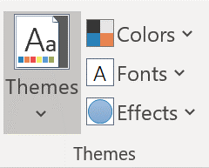
In a theme, you can define your custom set of colors, fonts and effects.

NOTE - New Workbooks always use the Office theme. To set a different default for new workbooks, check out this tutorial (click here).

Template
Use Your Own Excel Template | TOC
Define your defaults and theme and save the empty workbook as your template.
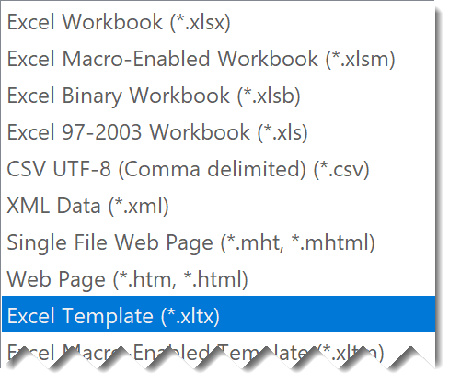
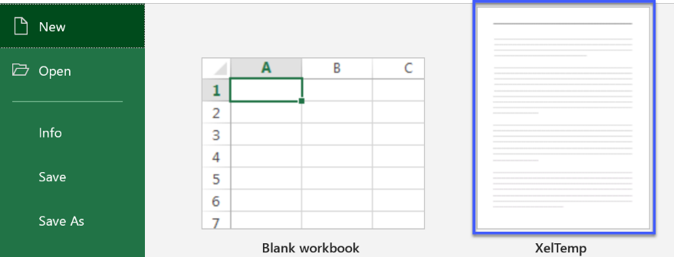
Once it's saved as a template you can open it directly from by going to FILE / NEW.

