Tabelle1
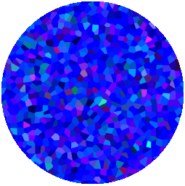
XLSX | XLSX | XLSX | XLSX | XLSX | XLSX | XLSX | XLSX | XLSX

All insights, we summed up in “diabetes map” in order to get an overview, how the typical process of diabetes looks like. We found out, that the course of peoples change is very complex and there is no typical way of changing.
All insights, we summed up in “diabetes map” in order to get an overview, how the typical process of diabetes looks like. We found out, that the course of peoples change is very complex and there is no typical way of changing.

