Sheet1
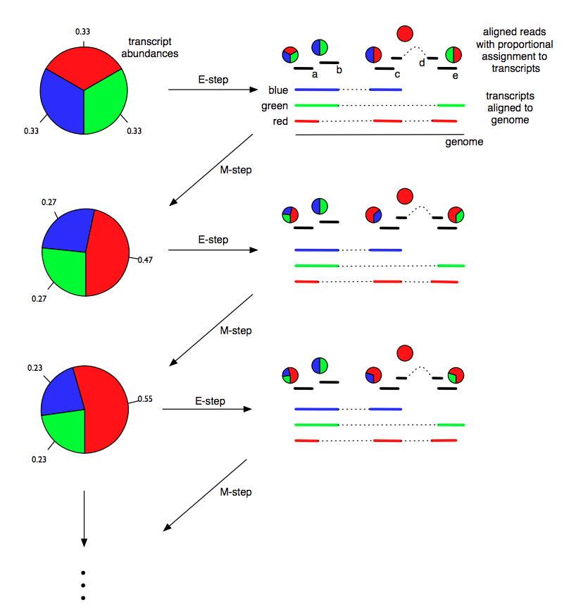
Models for transcript quantification from RNA-seq
Pachter, L (2011) arXiv. 1104.3889 [q-bio.GN]

 | Transcripts |  |  | Read A |  |  | Read B |  |  | Read C |  |  | Read D |  |  | Read E
Round | Red | Green | Blue | Ared | Agreen | Ablue | Bred | Bgreen | Bblue | Cred | Cgreen | Cblue | Dred | Dgreen | Dblue | Ered | Egreen | Eblue
0 | 33.0% | 33.0% | 34.0% | 33.0% | 33.0% | 34.0% | 0.0% | 49.3% | 50.7% | 49.3% | 0.0% | 50.7% | 100.0% | 0.0% | 0.0% | 50.0% | 50.0% | 0.0%
1 | 46.5% | 26.5% | 27.1% | 46.5% | 26.5% | 27.1% | 0.0% | 49.4% | 50.6% | 63.2% | 0.0% | 36.8% | 100.0% | 0.0% | 0.0% | 63.7% | 36.3% | 0.0%
2 | 54.7% | 22.4% | 22.9% | 54.7% | 22.4% | 22.9% | 0.0% | 49.5% | 50.5% | 70.5% | 0.0% | 29.5% | 100.0% | 0.0% | 0.0% | 70.9% | 29.1% | 0.0%
3 | 59.2% | 20.2% | 20.6% | 59.2% | 20.2% | 20.6% | 0.0% | 49.5% | 50.5% | 74.2% | 0.0% | 25.8% | 100.0% | 0.0% | 0.0% | 74.6% | 25.4% | 0.0%
4 | 61.6% | 19.0% | 19.4% | 61.6% | 19.0% | 19.4% | 0.0% | 49.5% | 50.5% | 76.1% | 0.0% | 23.9% | 100.0% | 0.0% | 0.0% | 76.4% | 23.6% | 0.0%
5 | 62.8% | 18.4% | 18.8% | 62.8% | 18.4% | 18.8% | 0.0% | 49.6% | 50.4% | 77.0% | 0.0% | 23.0% | 100.0% | 0.0% | 0.0% | 77.3% | 22.7% | 0.0%
6 | 63.4% | 18.1% | 18.4% | 63.4% | 18.1% | 18.4% | 0.0% | 49.6% | 50.4% | 77.5% | 0.0% | 22.5% | 100.0% | 0.0% | 0.0% | 77.8% | 22.2% | 0.0%
7 | 63.7% | 18.0% | 18.3% | 63.7% | 18.0% | 18.3% | 0.0% | 49.6% | 50.4% | 77.7% | 0.0% | 22.3% | 100.0% | 0.0% | 0.0% | 78.0% | 22.0% | 0.0%
8 | 63.9% | 17.9% | 18.2% | 63.9% | 17.9% | 18.2% | 0.0% | 49.6% | 50.4% | 77.8% | 0.0% | 22.2% | 100.0% | 0.0% | 0.0% | 78.1% | 21.9% | 0.0%
9 | 64.0% | 17.9% | 18.1% | 64.0% | 17.9% | 18.1% | 0.0% | 49.7% | 50.3% | 77.9% | 0.0% | 22.1% | 100.0% | 0.0% | 0.0% | 78.1% | 21.9% | 0.0%
10 | 64.0% | 17.9% | 18.1% | 64.0% | 17.9% | 18.1% | 0.0% | 49.7% | 50.3% | 77.9% | 0.0% | 22.1% | 100.0% | 0.0% | 0.0% | 78.2% | 21.8% | 0.0%
11 | 64.0% | 17.9% | 18.1% | 64.0% | 17.9% | 18.1% | 0.0% | 49.7% | 50.3% | 78.0% | 0.0% | 22.0% | 100.0% | 0.0% | 0.0% | 78.2% | 21.8% | 0.0%
12 | 64.0% | 17.9% | 18.1% | 64.0% | 17.9% | 18.1% | 0.0% | 49.7% | 50.3% | 78.0% | 0.0% | 22.0% | 100.0% | 0.0% | 0.0% | 78.2% | 21.8% | 0.0%
13 | 64.0% | 17.9% | 18.1% | 64.0% | 17.9% | 18.1% | 0.0% | 49.7% | 50.3% | 78.0% | 0.0% | 22.0% | 100.0% | 0.0% | 0.0% | 78.2% | 21.8% | 0.0%
14 | 64.0% | 17.9% | 18.1% | 64.0% | 17.9% | 18.1% | 0.0% | 49.7% | 50.3% | 78.0% | 0.0% | 22.0% | 100.0% | 0.0% | 0.0% | 78.2% | 21.8% | 0.0%
15 | 64.0% | 17.9% | 18.1% | 64.0% | 17.9% | 18.1% | 0.0% | 49.8% | 50.2% | 78.0% | 0.0% | 22.0% | 100.0% | 0.0% | 0.0% | 78.2% | 21.8% | 0.0%
16 | 64.0% | 17.9% | 18.1% | 64.0% | 17.9% | 18.1% | 0.0% | 49.8% | 50.2% | 78.0% | 0.0% | 22.0% | 100.0% | 0.0% | 0.0% | 78.2% | 21.8% | 0.0%
17 | 64.0% | 17.9% | 18.1% | 64.0% | 17.9% | 18.1% | 0.0% | 49.8% | 50.2% | 78.0% | 0.0% | 22.0% | 100.0% | 0.0% | 0.0% | 78.2% | 21.8% | 0.0%
18 | 64.0% | 17.9% | 18.1% | 64.0% | 17.9% | 18.1% | 0.0% | 49.8% | 50.2% | 78.0% | 0.0% | 22.0% | 100.0% | 0.0% | 0.0% | 78.1% | 21.9% | 0.0%
19 | 64.0% | 17.9% | 18.1% | 64.0% | 17.9% | 18.1% | 0.0% | 49.8% | 50.2% | 78.0% | 0.0% | 22.0% | 100.0% | 0.0% | 0.0% | 78.1% | 21.9% | 0.0%
20 | 64.0% | 17.9% | 18.0% | 64.0% | 17.9% | 18.0% | 0.0% | 49.8% | 50.2% | 78.0% | 0.0% | 22.0% | 100.0% | 0.0% | 0.0% | 78.1% | 21.9% | 0.0%

Initial Isoform Abundance Estimate

Final Isoform Abundance Estimate

