Sheet1
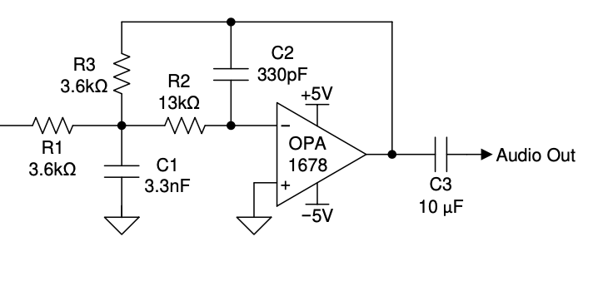

R2 | R3 | C1 | C2 | fc
13000 | 3600 | 3.3E-09 | 3.3E-10 | 22297.963567
2000 | 4700 | 2.2E-09 | 5.6E-10 | 46777.045446
2000 | 4700 | 0.000000001 | 2.7E-10 | 99920.882038
2000 | 4700 | 8.2E-10 | 2.2E-10 | 122241.83893
2000 | 4700 | 5.6E-10 | 1.8E-10 | 163533.93052
2000 | 4700 | 2.7E-10 | 7.5E-11 | 364859.47372
 |  |  |  |  | 2.2 | 254.54545455
 |  |  |  |  | 1.2195121951 | 223.14049587
 |  |  |  |  | 1.4705882353 | 183.67346939
 |  |  |  |  | 3.7037037037 | 72.913853632
 |  | 1nF | 270p
 |  | 820pF | 220p
 |  | 560p | 180p

 |  |  | 75p

https://www.ti.com/lit/an/sbaa322a/sbaa322a.pdf

