PFHxS_Fig7a_datasets
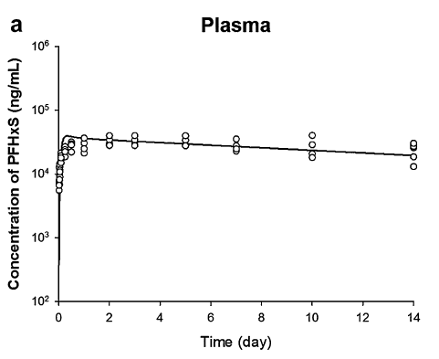
TimeObs | CPlasmaObs | TimePred | CPlasmaPred
0.020710059 | 5498.018357 | 0.141202992 | 25354.22633
0.031065089 | 6647.837766 | 0.15637 | 29771.63232
0.041420118 | 8192.228587 | 0.163191822 | 33347.90676
0.051775148 | 10789.21111 | 0.18035 | 33597.57842
0.093195266 | 15042.48502 | 0.20695 | 36156.58759
0.103550296 | 17846.22613 | 0.26428 | 38334.21
0.103550296 | 21578.46853 | 0.269230769 | 38876.81891
0.25887574 | 22413.79853 | 0.37218 | 39402.11617
0.269230769 | 27101.27298 | 0.455621302 | 39622.15972
0.279585799 | 18537.07628 | 0.48009 | 38971.42941
0.50739645 | 28690.09318 | 0.58799 | 38124.12737
0.517751479 | 22201.98233 | 0.67126856 | 37890.3319
1.00443787 | 24881.48454 | 0.6959 | 37295.24704
1.014792899 | 21172.5514 | 0.879962234 | 36610.95298
1.014792899 | 30372.05844 | 1.380318985 | 35249.99457
1.014792899 | 36723.87104 | 1.704274256 | 34495.14091
2.00887574 | 28150.39778 | 2.388179828 | 33496.99852
2.00887574 | 34362.31971 | 2.712135098 | 32984.05893
2.00887574 | 40000.17171 | 3.288055579 | 32119.00737
3.013313609 | 28150.39778 | 3.68400091 | 31545.93125
3.013313609 | 34362.31971 | 4.079946241 | 31029.59832
3.013313609 | 40000.17171 | 4.475891572 | 30521.71654
5.01183432 | 27884.36923 | 4.763851813 | 30157.57707
5.01183432 | 34037.58688 | 5.375767324 | 29310.06214
5.01183432 | 40000.17171 | 5.771712655 | 28529.13443
7.020710059 | 24881.48454 | 6.167657986 | 28118.1854
7.020710059 | 27620.85471 | 6.563603317 | 27769.01351
7.020710059 | 35355.22523 | 6.815568527 | 27314.49987
10.00295858 | 20972.4653 | 7.391489008 | 26388.04959
10.01331361 | 18188.37143 | 7.787434339 | 25917.22679
10.01331361 | 28963.80868 | 8.18337967 | 25531.29794
10.01331361 | 40000.17171 | 8.579325001 | 25000.63296
14 | 30372.05844 | 8.975270332 | 24628.35294
14 | 26845.15893 | 9.371215663 | 24188.92714
14.01035503 | 13045.59577 | 9.713168448 | 23837.67321
14.01035503 | 18713.92775 | 10.41507153 | 23124.35884
 |  | 10.81101687 | 22609.77534
 |  | 11.2069622 | 22007.36789
 |  | 11.60290753 | 21941.43241
 |  | 11.99885286 | 21517.64065
 |  | 12.39479819 | 20881.58112
 |  | 12.79074352 | 20509.00623
 |  | 13.18668885 | 20173.32189
 |  | 13.58263418 | 19783.68061
 |  | 13.79860436 | 19635.8305

