PFHxS_Fig7b_datasets
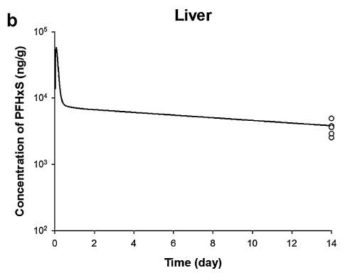
TimeObs | CLiverObs | TimePred | CLiverPred
14 | 2553.002747 | 0.085889571 | 56234.13252
14 | 2937.302791 | 0.111338013 | 48031.29883
14 | 3638.291032 | 0.154394679 | 35562.03365
14 | 4960.355703 | 0.183117769 | 26430.99166
 |  | 0.222577056 | 19463.14605
 |  | 0.247590887 | 14772.99069
 |  | 0.341794017 | 9962.160737
 |  | 0.593610534 | 7756.35218
 |  | 0.989322203 | 7201.769835
 |  | 1.385033871 | 6939.530615
 |  | 1.78074554 | 6823.508849
 |  | 2.176457209 | 6641.895218
 |  | 2.572168878 | 6523.512925
 |  | 2.967880546 | 6414.446543
 |  | 3.363592215 | 6300.118197
 |  | 3.759303884 | 6180.876255
 |  | 4.155015553 | 6077.538404
 |  | 4.550727221 | 5969.214964
 |  | 4.94643889 | 5829.964997
 |  | 5.342150559 | 5751.856966
 |  | 5.737862228 | 5655.691873
 |  | 6.133573896 | 5511.352099
 |  | 6.529285565 | 5419.207999
 |  | 6.924997234 | 5310.666336
 |  | 7.320708902 | 5233.629691
 |  | 7.716420571 | 5128.804988
 |  | 8.11213224 | 5048.728364
 |  | 8.507843909 | 4958.741993
 |  | 8.903555577 | 4875.836962
 |  | 9.299267246 | 4783.552301
 |  | 9.694978915 | 4703.57626
 |  | 10.09069058 | 4630.138781
 |  | 10.48640225 | 4491.731647
 |  | 10.88211392 | 4446.521533
 |  | 11.27782559 | 4347.67712
 |  | 11.67353726 | 4260.597218
 |  | 12.06924893 | 4198.792899
 |  | 12.4649606 | 4119.322609
 |  | 12.86067226 | 4050.4518
 |  | 13.25638393 | 3978.258283
 |  | 13.6520956 | 3911.745924

