PFHxS_Fig7c_datasets
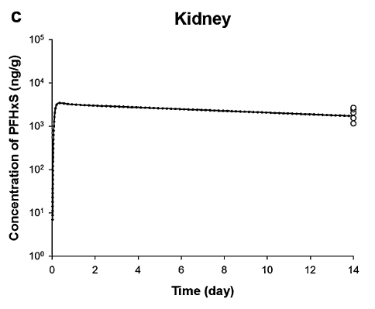
TimeObs | CKidneyObs | TimePred | CKidneyPred
14 | 1178.568163 | 0.045454545 | 340.4904354
14 | 1549.812695 | 0.069128788 | 524.9335767
14 | 2062.406903 | 0.084280303 | 803.4852476
14 | 2679.959504 | 0.112689394 | 1427.584623
 |  | 0.171401515 | 2751.082533
 |  | 0.480113636 | 3424.997978
 |  | 0.87594697 | 3250.323867
 |  | 1.271780303 | 3125.189633
 |  | 1.667613636 | 3050.151779
 |  | 2.06344697 | 2988.067207
 |  | 2.459280303 | 2938.211851
 |  | 2.855113636 | 2889.188324
 |  | 3.25094697 | 2835.676464
 |  | 3.646780303 | 2772.768885
 |  | 4.042613636 | 2731.607736
 |  | 4.43844697 | 2686.03136
 |  | 4.834280303 | 2641.215417
 |  | 5.230113636 | 2592.296368
 |  | 5.62594697 | 2544.283368
 |  | 6.021780303 | 2506.514037
 |  | 6.417613636 | 2450.908705
 |  | 6.81344697 | 2410.015741
 |  | 7.209280303 | 2374.239583
 |  | 7.605113636 | 2321.568671
 |  | 8.00094697 | 2274.314105
 |  | 8.396780303 | 2232.190587
 |  | 8.792613636 | 2194.946895
 |  | 9.18844697 | 2154.293371
 |  | 9.584280303 | 2122.313356
 |  | 9.980113636 | 2079.114549
 |  | 10.37594697 | 2025.403594
 |  | 10.7717803 | 2006.559259
 |  | 11.16761364 | 1969.39494
 |  | 11.56344697 | 1932.918957
 |  | 11.9592803 | 1904.225197
 |  | 12.35511364 | 1868.95625
 |  | 12.75094697 | 1830.914422
 |  | 13.1467803 | 1800.365949
 |  | 13.54261364 | 1767.020622
 |  | 13.81287879 | 1743.655262

