PFHxS_Fig7d_datasets
TimeObs | CLungObs | TimePred | CLungPred
13.99450884 | 893.3295799 | 0.060792227 | 544.9967658
13.99485132 | 1198.967033 | 0.072077333 | 885.8305174
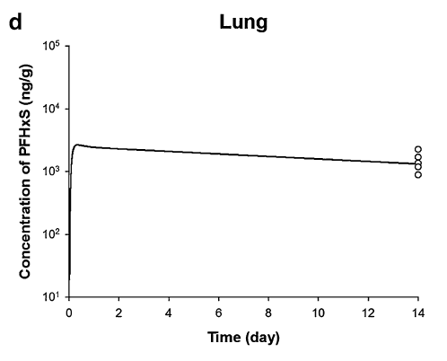
13.99499973 | 1362.025704 | 0.114683083 | 1504.446971
13.9952623 | 1706.718415 | 0.156298366 | 2097.098083
13.99559337 | 2268.284633 | 0.343281572 | 2644.745527
 |  | 0.739119291 | 2508.959253
 |  | 1.134973056 | 2413.1875
 |  | 1.530842502 | 2352.552943
 |  | 1.926717174 | 2303.764266
 |  | 2.322597073 | 2266.141179
 |  | 2.71847523 | 2225.798215
 |  | 3.114353386 | 2186.173457
 |  | 3.510231543 | 2147.254118
 |  | 3.906111442 | 2112.187019
 |  | 4.301987856 | 2071.48169
 |  | 4.697867755 | 2037.652041
 |  | 5.093733716 | 1980.515141
 |  | 5.489624069 | 1965.747257
 |  | 5.885502225 | 1930.752054
 |  | 6.281366444 | 1873.80568
 |  | 6.677256796 | 1859.833484
 |  | 7.073122757 | 1807.682716
 |  | 7.469000914 | 1775.501456
 |  | 7.864879071 | 1743.893103
 |  | 8.26075897 | 1715.413348
 |  | 8.656638869 | 1687.398699
 |  | 9.052515283 | 1654.879742
 |  | 9.448395182 | 1627.853676
 |  | 9.844275081 | 1601.268976
 |  | 10.24015324 | 1572.762396
 |  | 10.63602965 | 1542.452669
 |  | 11.03191129 | 1519.535564
 |  | 11.42778771 | 1490.251606
 |  | 11.82366935 | 1468.110083
 |  | 12.21953357 | 1424.809056
 |  | 12.61542566 | 1416.303328
 |  | 13.01130556 | 1393.173486
 |  | 13.4071663 | 1348.040843
 |  | 13.73107824 | 1341.713799

