PFHxS_Fig7e_datasets
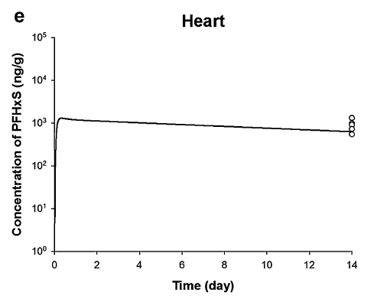
TimeObs | CHeartObs | TimePred | CHeartPred
14.00583155 | 555.8975133 | 0.061231873 | 284.1507723
14.00608899 | 734.8097682 | 0.101133933 | 571.8957544
14.00630166 | 925.2951697 | 0.152499212 | 1049.253223
14.00663745 | 1331.50074 | 0.444129043 | 1302.207944
 |  | 0.840344427 | 1223.156025
 |  | 1.236586534 | 1182.665715
 |  | 1.632837269 | 1154.258882
 |  | 2.029093179 | 1132.872632
 |  | 2.425350816 | 1113.964009
 |  | 2.821587746 | 1071.062134
 |  | 3.217860912 | 1071.062134
 |  | 3.614116823 | 1051.217363
 |  | 4.010362381 | 1020.227679
 |  | 4.406620017 | 1003.199197
 |  | 4.802879379 | 988.3015218
 |  | 5.199126662 | 960.9620882
 |  | 5.595382573 | 943.157265
 |  | 5.991638484 | 925.6823316
 |  | 6.387894395 | 908.531176
 |  | 6.784150305 | 891.6977991
 |  | 7.180406216 | 875.1763131
 |  | 7.576662127 | 858.9609392
 |  | 7.972921489 | 846.2052259
 |  | 8.369179125 | 832.0813292
 |  | 8.76543331 | 815.1385326
 |  | 9.161690947 | 801.533166
 |  | 9.557946858 | 786.6822613
 |  | 9.954202768 | 772.106516
 |  | 10.35045695 | 756.3849235
 |  | 10.74671632 | 745.1524811
 |  | 11.14296532 | 725.8955867
 |  | 11.53921088 | 704.4963254
 |  | 11.93547542 | 697.939314
 |  | 12.33174341 | 694.0344373
 |  | 12.72798034 | 667.3052267
 |  | 13.12423625 | 654.9413138
 |  | 13.52049216 | 642.8064809
 |  | 13.79067496 | 640.406629

