PFHxS_Fig7f_datasets
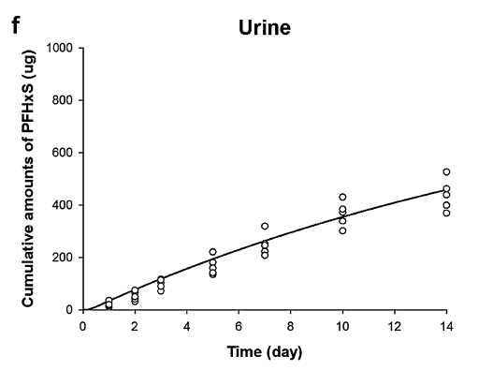
TimeObs | UrineObs | TimePred | UrinePred
0.980571212 | 21.8579235 | 0.405874545 | 10.03710714
0.980739747 | 37.15846995 | 0.712358945 | 22.30919765
1.983063979 | 33.87978142 | 1.343390362 | 50.67316844
1.98325659 | 51.36612022 | 1.685940913 | 65.22087838
1.983533468 | 76.50273224 | 2.316950845 | 91.63431822
2.9858577 | 73.22404372 | 2.659498263 | 105.8975757
2.986062349 | 91.80327869 | 3.362604241 | 133.5707335
2.98632719 | 115.8469945 | 3.759226267 | 149.0124368
4.991336799 | 142.0765027 | 4.155846502 | 164.2915958
4.991541448 | 160.6557377 | 4.552455995 | 178.5954894
4.991782212 | 182.5136612 | 4.804843854 | 187.6979671
4.992215587 | 221.8579235 | 5.345678562 | 207.528365
6.996803859 | 209.8360656 | 5.742282683 | 221.3446259
6.996972394 | 225.136612 | 6.138886805 | 235.1608867
6.997225196 | 248.0874317 | 6.535485555 | 248.4895148
6.998019717 | 320.2185792 | 6.787871624 | 257.4294483
9.993893195 | 302.7322404 | 7.328677685 | 274.6591383
9.994302494 | 339.8907104 | 7.725271064 | 287.5001337
9.994675678 | 373.7704918 | 8.121862653 | 300.1785848
9.99479606 | 384.6994536 | 8.51844887 | 312.3694032
9.995313702 | 431.6939891 | 8.915031507 | 324.2351331
13.993066 | 370.4918033 | 9.311614144 | 336.100863
13.99339103 | 400 | 9.672140974 | 346.630118
13.99383644 | 440.4371585 | 10.35713326 | 365.8464599
13.99408925 | 463.3879781 | 10.75370694 | 376.8994685
13.9947995 | 527.8688525 | 11.15027347 | 387.3023002
 |  | 11.54684536 | 398.1927646
 |  | 11.94341009 | 408.4330521
 |  | 12.33997482 | 418.6733395
 |  | 12.7365324 | 428.26345
 |  | 13.13309534 | 438.3411932
 |  | 13.52965291 | 447.9313037
 |  | 13.80002908 | 454.107985

