PFHxS_Fig8a_datasets
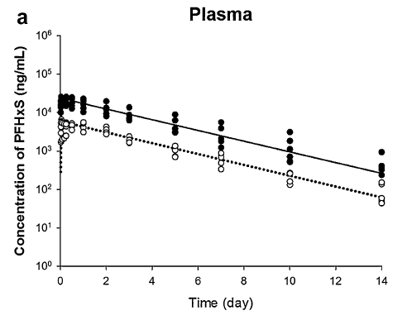
TimeObs1mgkg | CPlasmaObs1mgkg | TimeObs4mgkg | CPlasmaObs4mgkg | TimePred1mgkg | CPlasmaPred1mgkg | TimePred4mgkg | CPlasmaPred4mgkg
0.021196064 | 2964.946733 | 0.021196064 | 9951.489007 | 0.703175101 | 4709.148309 | 0.757199215 | 18562.8507
0.021196064 | 4269.842216 | 0.021196064 | 26447.61314 | 1.373974508 | 3736.478277 | 1.351464461 | 15212.22723
0.18016654 | 2150.945249 | 0.254352763 | 14541.82106 | 1.711625216 | 3362.855594 | 1.693617178 | 13644.90481
0.243754731 | 2488.784701 | 0.254352763 | 27230.65439 | 2.375350037 | 2707.124978 | 2.395930651 | 10922.5451
0.254352763 | 5013.091097 | 0.508705526 | 25687.08892 | 2.72607801 | 2391.55176 | 2.702067293 | 9865.502536
0.508705526 | 4728.924797 | 0.508705526 | 12206.44586 | 3.35292923 | 1989.326104 | 3.332348615 | 8057.481078
0.508705526 | 3481.053238 | 0.996214989 | 10097.73258 | 3.787051568 | 1711.365517 | 3.728525446 | 7118.209616
0.996214989 | 4086.998093 | 0.996214989 | 16825.84054 | 4.217315042 | 1493.246149 | 4.124702277 | 6232.000076
1.00681302 | 3097.592522 | 1.00681302 | 13130.10549 | 4.610919296 | 1319.176427 | 4.520879107 | 5468.432143
1.00681302 | 5552.085908 | 1.00681302 | 23534.23607 | 5.32866823 | 1033.198571 | 4.790999674 | 5030.960564
1.992429977 | 3636.7886 | 2.003028009 | 19754.70454 | 5.758931704 | 903.9114585 | 5.313232769 | 4193.454369
1.992429977 | 4332.59031 | 2.003028009 | 13518.85189 | 6.193054043 | 775.5489584 | 5.7094096 | 3744.908078
2.003028009 | 2756.372505 | 2.003028009 | 7995.60091 | 6.609811488 | 677.9018581 | 6.105586431 | 3293.481588
2.999242998 | 1654.188531 | 2.999242998 | 13919.10799 | 7.324130319 | 538.199443 | 6.501763261 | 2909.555987
2.999242998 | 2417.217523 | 2.999242998 | 6239.396076 | 7.788051673 | 459.1889952 | 6.771883828 | 2673.778667
4.991672975 | 1368.420718 | 3.00984103 | 8855.267595 | 8.215099426 | 402.7977486 | 7.330132999 | 2225.160655
5.002271007 | 709.7554966 | 5.002271007 | 9117.447769 | 8.626711718 | 353.3316956 | 7.726309829 | 1961.345713
5.002271007 | 1052.386553 | 5.002271007 | 6239.396076 | 9.079485238 | 304.5007536 | 8.12248666 | 1728.808657
7.005299016 | 337.2741873 | 5.002271007 | 3052.73067 | 9.52311182 | 264.8039644 | 8.518663491 | 1520.411012
7.005299016 | 492.8489472 | 6.994700984 | 5633.677403 | 9.743210059 | 250.6113266 | 8.914840322 | 1328.125096
7.005299016 | 689.3458573 | 6.994700984 | 3911.983761 | 10.39149942 | 198.027956 | 9.311017153 | 1178.603869
7.005299016 | 883.3762591 | 7.005299016 | 1235.574851 | 10.78767625 | 175.4864936 | 9.671177908 | 1049.588744
9.993943982 | 134.5327059 | 7.005299016 | 1805.509545 | 11.23530462 | 151.5691079 | 10.35548334 | 838.656474
9.993943982 | 162.6272214 | 9.993943982 | 3143.113648 | 11.65606385 | 131.9132965 | 10.75166017 | 739.2254019
10.00454201 | 263.1931314 | 9.993943982 | 1832.042676 | 12.12027104 | 113.0192564 | 11.147837 | 653.0528975
14 | 45.04463617 | 9.993943982 | 1132.020461 | 12.52044966 | 99.6041098 | 11.54401384 | 573.0384166
14 | 59.43239493 | 9.993943982 | 709.7554966 | 12.9023344 | 88.16641012 | 11.94019067 | 503.9620292
14 | 153.4087223 | 10.00454201 | 522.4647833 | 13.34081583 | 76.25123639 | 12.3363675 | 445.2144942
 |  | 13.98940197 | 936.4593116 | 13.66896229 | 68.6266259 | 12.73254433 | 393.3152387
 |  | 13.98940197 | 419.7783763 |  |  | 13.12872116 | 345.1247862
 |  | 14 | 237.6424223 |  |  | 13.52489799 | 302.838808
 |  |  |  |  |  | 13.77701052 | 279.0307591

