PFHxS_Fig8b_datasets
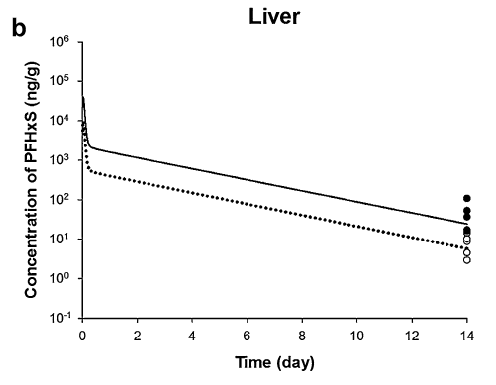
TimeObs1mgkg | CLiverObs1mgkg | TimeObs4mgkg | CLiverObs4mgkg | TimePred1mgkg | CLiverPred1mgkg | TimePred4mgkg | CLiverPred4mgkg
13.98921418 | 2.925344373 | 14 | 17.10363813 | 0.086286595 | 4668.016518 | 0.082755906 | 24846.25707
14 | 4.432230459 | 14 | 36.63663409 | 0.100805477 | 3404.578645 | 0.143395797 | 6588.914762
14 | 10.17476974 | 14 | 53.62028289 | 0.129602121 | 2046.413611 | 0.269947009 | 2430.382625
 |  | 14 | 107.1719124 | 0.185318116 | 903.3093613 | 0.701896669 | 1791.479709
 |  |  |  | 0.259109516 | 601.4481571 | 1.097850524 | 1562.029718
 |  |  |  | 0.609336027 | 458.9775918 | 1.493804379 | 1358.395127
 |  |  |  | 1.047456397 | 394.0926246 | 1.889758234 | 1200.069487
 |  |  |  | 1.473235347 | 343.4505062 | 2.285712089 | 1062.985275
 |  |  |  | 1.889758234 | 298.3328785 | 2.681665944 | 929.2770743
 |  |  |  | 2.30628112 | 261.2899728 | 3.077619799 | 820.9666245
 |  |  |  | 2.732060071 | 225.8415937 | 3.473573654 | 723.3778466
 |  |  |  | 3.171208892 | 196.4923603 | 3.869527509 | 637.3895032
 |  |  |  | 3.631955196 | 168.9885486 | 4.265481364 | 561.622644
 |  |  |  | 4.070075565 | 145.0988934 | 4.661435219 | 492.2697628
 |  |  |  | 4.496882968 | 126.0362679 | 5.057389074 | 431.4810343
 |  |  |  | 4.913405854 | 112.2241939 | 5.453342929 | 381.1904308
 |  |  |  | 5.32992874 | 97.08030194 | 5.849296784 | 334.9971532
 |  |  |  | 5.777305174 | 83.28647949 | 6.245250639 | 295.952079
 |  |  |  | 6.19382806 | 72.04753537 | 6.641204494 | 258.7255804
 |  |  |  | 6.620635463 | 63.10085308 | 7.037158349 | 227.372793
 |  |  |  | 7.037158349 | 55.49440374 | 7.433112204 | 199.8193874
 |  |  |  | 7.453681235 | 48.20434068 | 7.829066059 | 176.5297483
 |  |  |  | 7.880488638 | 42.04457 | 8.225019914 | 154.7306866
 |  |  |  | 8.297011524 | 36.82404904 | 8.620973769 | 136.6962911
 |  |  |  | 8.686966078 | 32.45308107 | 9.016927624 | 120.7638666
 |  |  |  | 9.147412417 | 27.76975788 | 9.412881479 | 106.9689825
 |  |  |  | 9.57743373 | 24.03441244 | 9.808835334 | 93.26855821
 |  |  |  | 10.00424113 | 21.04987937 | 10.20478919 | 81.96612235
 |  |  |  | 10.42076402 | 18.4361926 | 10.60074304 | 72.41268794
 |  |  |  | 10.83728691 | 15.94835376 | 10.9966969 | 63.8049498
 |  |  |  | 11.26409431 | 13.85311038 | 11.39265075 | 56.07296202
 |  |  |  | 11.68061719 | 12.08305038 | 11.78860461 | 49.40753656
 |  |  |  | 12.0675721 | 10.66534029 | 12.18455846 | 43.64891768
 |  |  |  | 12.48795168 | 9.307348558 | 12.58051232 | 38.25886043
 |  |  |  | 12.90447456 | 8.018225552 | 12.97646617 | 33.62258938
 |  |  |  | 13.32099745 | 7.110119417 | 13.37242003 | 29.70376056
 |  |  |  | 13.71438018 | 6.274756726 | 13.71438018 | 26.34702453

