PFHxS_Fig8c_datasets
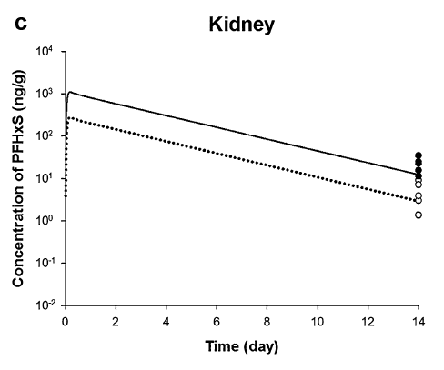
TimeObs1mgkg | CKidneyObs1mgkg | TimeObs4mgkg | CKidneyObs4mgkg | TimePred1mgkg | CKidneyPred1mgkg | TimePred4mgkg | CKidneyPred4mgkg
14.00375358 | 1.393800535 | 14.00536068 | 11.46993954 | 0.05173193 | 88.4521643 | 0.059186264 | 562.1620603
14.00434799 | 3.039195382 | 14.00560285 | 15.75767587 | 0.091847092 | 208.8090013 | 0.092969864 | 910.4322829
14.00455713 | 3.998350643 | 14.00590005 | 23.26864854 | 0.134182174 | 270.7708329 | 0.312307435 | 1044.260324
14.00501945 | 7.331684395 | 14.00621927 | 35.3662768 | 0.297242409 | 260.8210407 | 0.709219257 | 906.347675
14.00519557 | 9.236708572 |  |  | 0.666053375 | 226.3855257 | 1.106131079 | 786.6487785
 |  |  |  | 1.084446505 | 195.8573299 | 1.503051473 | 690.4766236
 |  |  |  | 1.50199106 | 171.857484 | 1.899973581 | 607.4261704
 |  |  |  | 1.904925314 | 150.5323663 | 2.296900831 | 537.9813919
 |  |  |  | 2.311296969 | 131.8533983 | 2.693821225 | 472.2101975
 |  |  |  | 2.728846912 | 116.5168327 | 3.090743333 | 415.4128063
 |  |  |  | 3.115446776 | 101.1612543 | 3.487663727 | 364.6262979
 |  |  |  | 3.538144738 | 88.4521643 | 3.884589263 | 322.2146862
 |  |  |  | 3.969220019 | 77.20324259 | 4.281509657 | 282.8221624
 |  |  |  | 4.404156989 | 66.91044151 | 4.678431765 | 248.8043435
 |  |  |  | 4.815690582 | 59.0581427 | 5.075357301 | 219.8645954
 |  |  |  | 5.326867499 | 49.37860266 | 5.472281124 | 193.8546541
 |  |  |  | 5.744417442 | 43.63511642 | 5.869201517 | 170.1548527
 |  |  |  | 6.192871668 | 36.9590792 | 6.26612534 | 150.0255648
 |  |  |  | 6.610421611 | 32.66017337 | 6.663050876 | 132.5752985
 |  |  |  | 7.002180271 | 28.45629683 | 7.05997127 | 116.3672366
 |  |  |  | 7.419730213 | 25.14639456 | 7.456895092 | 102.6010138
 |  |  |  | 7.821798382 | 21.83238899 | 7.853813771 | 89.85522739
 |  |  |  | 8.229030734 | 19.15710504 | 8.250741022 | 79.5824129
 |  |  |  | 8.646580677 | 16.9288409 | 8.647664844 | 70.16782806
 |  |  |  | 9.095045678 | 14.54285499 | 9.04458181 | 61.31310601
 |  |  |  | 9.512590233 | 12.7608115 | 9.441505632 | 54.05977682
 |  |  |  | 9.961057929 | 11.00107449 | 9.838432883 | 47.87932328
 |  |  |  | 10.3785971 | 9.585063667 | 10.23535328 | 42.02581175
 |  |  |  | 10.82706479 | 8.263267532 | 10.63227196 | 36.8050834
 |  |  |  | 11.24460935 | 7.2507083 | 11.02919749 | 32.52408963
 |  |  |  | 11.64754046 | 6.324872629 | 11.42612131 | 28.6764958
 |  |  |  | 12.05391256 | 5.543307239 | 11.82304171 | 25.17063592
 |  |  |  | 12.47145173 | 4.829796659 | 12.2199621 | 22.09338675
 |  |  |  | 12.91991673 | 4.14907511 | 12.61688764 | 19.52358818
 |  |  |  | 13.33746667 | 3.666474256 | 13.01381317 | 17.25269645
 |  |  |  | 13.74041296 | 3.262597965 | 13.41073185 | 15.10945073
 |  |  |  |  |  | 13.73548593 | 13.59868152

