PFHxS_Fig8d_datasets
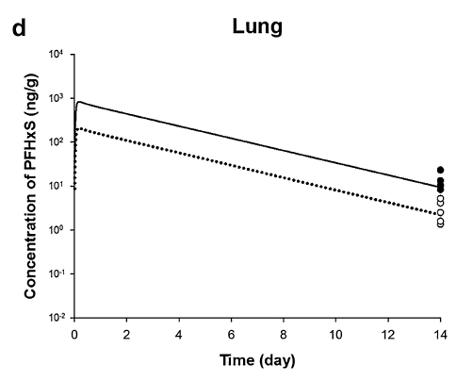
TimeObs1mgkg | CLungObs1mgkg | TimeObs4mgkg | CLungObs4mgkg | TimePred1mgkg | CLungPred1mgkg | TimePred4mgkg | CLungPred4mgkg
14 | 1.386549836 | 14 | 23.66974332 | 0.033724561 | 43.81101794 | 0.019338861 | 294.8471141
14 | 1.608613144 | 14 | 13.6610434 | 0.051728222 | 71.01699517 | 0.058964143 | 548.3972041
14 | 2.549480021 | 14 | 10.45574153 | 0.094971465 | 147.5158289 | 0.203876386 | 858.1511904
14 | 4.162505676 | 14 | 8.36720954 | 0.227381166 | 209.9418245 | 0.559448692 | 722.7529069
14 | 5.279352312 |  |  | 0.652038948 | 174.9633581 | 0.955529234 | 627.2711881
 |  |  |  | 1.042975588 | 151.3621396 | 1.351609777 | 551.7994485
 |  |  |  | 1.463632557 | 131.4081451 | 1.74769032 | 485.4082845
 |  |  |  | 1.907151318 | 114.0846756 | 2.143770862 | 426.0458782
 |  |  |  | 2.334095279 | 98.69552567 | 2.539851405 | 376.4746746
 |  |  |  | 2.771327047 | 85.98790456 | 2.935931948 | 331.9238253
 |  |  |  | 3.187983202 | 75.98305733 | 3.332012491 | 291.3316113
 |  |  |  | 3.692085711 | 63.67560029 | 3.728093033 | 256.2793023
 |  |  |  | 4.108741867 | 56.06832371 | 4.124173576 | 225.9520018
 |  |  |  | 4.499678506 | 49.02214923 | 4.520254119 | 199.2135403
 |  |  |  | 4.916334661 | 43.16550954 | 4.916334661 | 175.244653
 |  |  |  | 5.317559107 | 37.60769994 | 5.312415204 | 153.8133247
 |  |  |  | 5.723927456 | 32.88149451 | 5.708495747 | 135.6115313
 |  |  |  | 6.162188005 | 28.62756932 | 6.104576289 | 119.8328859
 |  |  |  | 6.588103186 | 24.78344086 | 6.500656832 | 105.6522326
 |  |  |  | 6.998758121 | 21.86117817 | 6.896737375 | 92.5233022
 |  |  |  | 7.50886185 | 18.41756278 | 7.292817918 | 81.75804971
 |  |  |  | 7.898941172 | 16.11249319 | 7.68889846 | 72.08305482
 |  |  |  | 8.316454645 | 14.07932098 | 8.084979003 | 62.98380457
 |  |  |  | 8.7331108 | 12.30995557 | 8.481059546 | 55.53049582
 |  |  |  | 9.118903536 | 10.83929434 | 8.877140088 | 49.17990528
 |  |  |  | 9.59728653 | 9.245526869 | 9.273220631 | 43.16550954
 |  |  |  | 9.998510975 | 8.140970654 | 9.669301174 | 37.8866369
 |  |  |  | 10.40487932 | 7.117884963 | 10.06538172 | 33.4032494
 |  |  |  | 10.82153548 | 6.267516544 | 10.46146226 | 29.45041211
 |  |  |  | 11.20732822 | 5.460537453 | 10.8575428 | 25.90701035
 |  |  |  | 11.62912827 | 4.774305065 | 11.25362334 | 22.84125482
 |  |  |  | 12.05928718 | 4.205779979 | 11.64970389 | 20.04791179
 |  |  |  | 12.43157717 | 3.72794042 | 12.04578443 | 17.79516494
 |  |  |  | 12.85337722 | 3.236487915 | 12.44186497 | 15.58383938
 |  |  |  | 13.27003338 | 2.822263828 | 12.83794552 | 13.64730536
 |  |  |  | 13.68411758 | 2.478511727 | 13.23402606 | 12.08656928
 |  |  |  |  |  | 13.6301066 | 10.68027523
 |  |  |  |  |  | 13.84615053 | 10.0284491

