PFHxS_Fig8e_datasets
TimeObs1mgkg | CHeartObs1mgkg | TimeObs4mgkg | CHeartObs4mgkg | TimePred1mgkg | CHeartPred1mgkg | TimePred4mgkg | CHeartPred4mgkg
14 | 0.689460384 | 14 | 3.622481792 | 0.047756048 | 42.40470691 | 0.040148699 | 172.3599468
14 | 0.958002097 | 14 | 7.620572122 | 0.07618124 | 73.72478244 | 0.072862454 | 292.3065245
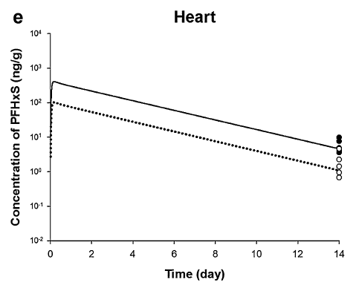
14 | 1.429813862 | 14 | 10 | 0.228032664 | 104.4086348 | 0.274360218 | 394.5069685
14 | 2.292178566 |  |  | 0.614095608 | 85.34846264 | 0.670718173 | 334.9597361
14 | 4.619513847 |  |  | 1.044555789 | 73.82914185 | 1.067076127 | 293.3122635
 |  |  |  | 1.4788766 | 63.63911569 | 1.463434082 | 258.0016563
 |  |  |  | 1.895824578 | 55.02553562 | 1.859792037 | 226.9419419
 |  |  |  | 2.343657592 | 48.12777427 | 2.256149992 | 199.1726542
 |  |  |  | 2.760605571 | 42.37472623 | 2.652507947 | 176.3818807
 |  |  |  | 3.208438585 | 35.88593045 | 3.048865902 | 155.1480215
 |  |  |  | 3.625386563 | 31.82049585 | 3.445223856 | 136.1636504
 |  |  |  | 4.027749942 | 27.88497983 | 3.841581811 | 120.0413268
 |  |  |  | 4.433544991 | 24.32125552 | 4.237939766 | 106.0663727
 |  |  |  | 4.864005172 | 21.28185425 | 4.634297721 | 93.0877774
 |  |  |  | 5.236555912 | 18.72132756 | 5.030655676 | 82.25069774
 |  |  |  | 5.656721082 | 16.2591013 | 5.427013631 | 72.18625892
 |  |  |  | 6.079602991 | 14.21394825 | 5.823371586 | 63.49606438
 |  |  |  | 6.523432389 | 12.33422894 | 6.21972954 | 55.726498
 |  |  |  | 6.960970391 | 10.63183727 | 6.616087495 | 49.12825663
 |  |  |  | 7.388213381 | 9.294966838 | 7.01244545 | 43.40885022
 |  |  |  | 7.80516136 | 8.104673371 | 7.408803405 | 38.26906785
 |  |  |  | 8.252994374 | 7.029419894 | 7.80516136 | 33.5108543
 |  |  |  | 8.669942352 | 6.189144378 | 8.201519315 | 29.34425683
 |  |  |  | 9.117775366 | 5.316075345 | 8.59787727 | 26.0450204
 |  |  |  | 9.548235548 | 4.600607897 | 8.994235224 | 22.90957194
 |  |  |  | 9.982556359 | 4.006147793 | 9.390593179 | 20.10628891
 |  |  |  | 10.39950434 | 3.527265048 | 9.786951134 | 17.80558214
 |  |  |  | 10.80186772 | 3.054795531 | 10.18330909 | 15.69732964
 |  |  |  | 11.20766276 | 2.705533678 | 10.57966704 | 13.77655792
 |  |  |  | 11.63490575 | 2.348663855 | 10.976025 | 12.17272056
 |  |  |  | 12.07244376 | 2.017350582 | 11.37238295 | 10.68323044
 |  |  |  | 12.50290394 | 1.784860315 | 11.76874091 | 9.418293011
 |  |  |  | 12.93722475 | 1.531048052 | 12.16509886 | 8.303129258
 |  |  |  | 13.35417273 | 1.343272572 | 12.56145682 | 7.287133786
 |  |  |  | 13.74332417 | 1.165265548 | 12.95781477 | 6.424307853
 |  |  |  |  |  | 13.35417273 | 5.676403693
 |  |  |  |  |  | 13.747255 | 5.062952311

