PFHxS_Fig8f_datasets
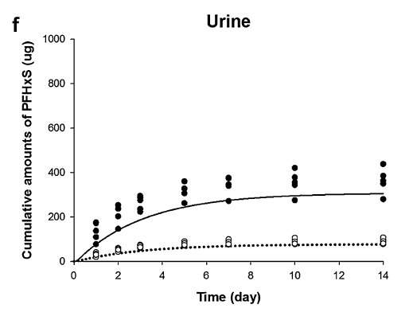
TimeObs1mgkg | UrineObs1mgkg | TimeObs4mgkg | UrineObs4mgkg | TimePred1mgkg | UrinePred1mgkg | TimePred4mgkg | UrinePred4mgkg
0.995207668 | 22.22222222 | 0.995207668 | 80 | 0.619668533 | 13.13424929 | 0.447097617 | 32.90801399
0.995207668 | 31.11111111 | 0.995207668 | 111.1111111 | 1.394538937 | 27.22376841 | 0.707158848 | 55.56930469
1.990415335 | 45.55555556 | 0.995207668 | 138.8888889 | 2.658811797 | 44.99941891 | 1.058314404 | 82.53808684
2.001597444 | 52.22222222 | 0.995207668 | 175.5555556 | 3.465922219 | 52.09662456 | 1.454579032 | 109.4776279
2.996805112 | 64.44444444 | 1.990415335 | 147.7777778 | 3.844174818 | 56.19068008 | 1.85084366 | 135.9987155
4.998402556 | 74.44444444 | 1.990415335 | 204.4444444 | 4.240439446 | 59.17362449 | 2.208997633 | 152.4920266
7 | 80 | 2.001597444 | 237.7777778 | 4.636704074 | 60.74716335 | 2.535300744 | 167.889103
7 | 101.1111111 | 2.001597444 | 255.5555556 | 5.429233329 | 64.62499108 | 2.931565372 | 184.9865125
9.996805112 | 82.22222222 | 2.996805112 | 224.4444444 | 5.843509986 | 66.41475772 | 3.32783 | 199.7794905
9.996805112 | 106.6666667 | 2.996805112 | 237.7777778 | 6.239774614 | 68.12245772 | 3.724094628 | 212.7959752
14 | 82.22222222 | 2.996805112 | 277.7777778 | 6.588007165 | 68.80111325 | 4.120359256 | 224.5108114
14 | 108.8888889 | 2.996805112 | 297.7777778 | 7.39854845 | 71.18746878 | 4.516623883 | 234.2731749
 |  | 4.998402556 | 264.4444444 | 7.794813077 | 72.0823521 | 4.912888511 | 243.6275091
 |  | 4.998402556 | 307.7777778 | 8.198282517 | 72.38064654 | 5.309153139 | 251.6827232
 |  | 4.998402556 | 330 | 8.62336639 | 73.57382431 | 5.705417767 | 258.0282595
 |  | 4.998402556 | 361.1111111 | 9.014484724 | 73.91473224 | 6.101682395 | 264.0483836
 |  | 7 | 273.3333333 | 9.451919703 | 74.76700207 | 6.497947023 | 269.5803896
 |  | 7 | 340 | 10.24444896 | 75.12999833 | 6.894211651 | 273.9456219
 |  | 7 | 376.6666667 | 10.67673764 | 75.66188539 | 7.290476278 | 278.2038107
 |  | 9.996805112 | 276.6666667 | 11.11417262 | 75.96017983 | 7.686740906 | 282.5968743
 |  | 9.996805112 | 345.5555556 | 11.50529096 | 76.85506316 | 8.083005534 | 285.8509955
 |  | 9.996805112 | 380 | 11.90155558 | 75.96017983 | 8.479270162 | 288.2915864
 |  | 9.996805112 | 422.2222222 | 12.33384427 | 76.85506316 | 8.87553479 | 290.8948833
 |  | 13.98881789 | 386.6666667 | 12.74812093 | 75.96017983 | 9.271799418 | 292.847356
 |  | 14 | 281.1111111 | 13.16239758 | 77.1533576 | 9.668064046 | 294.7998287
 |  | 14 | 350 | 13.55866221 | 76.85506316 | 10.06432867 | 296.0451486
 |  | 14 | 438.8888889 |  |  | 10.4605933 | 297.8912438
 |  |  |  |  |  | 10.85685793 | 299.0301863
 |  |  |  |  |  | 11.25312256 | 300.0064226
 |  |  |  |  |  | 11.64938718 | 301.4707771
 |  |  |  |  |  | 12.04565181 | 301.6334832
 |  |  |  |  |  | 12.44191644 | 303.2605438
 |  |  |  |  |  | 12.83818107 | 303.2605438
 |  |  |  |  |  | 13.2344457 | 303.4232498
 |  |  |  |  |  | 13.63071032 | 305.0503104

