Fig7c
TimeMaleObs | MaleObs | TimeMalePred | MalePred | TimeFemaleObs | FemaleObs | TimeFemalePred | FemalePred | FemaleObs Percent | Dose
59.9522673 | 2.306978134 | 0.602531753 | 14.64287615 | 60 | 0.00033246 | 0.738539028 | 8.540512866 | 0.0004056012 | 519
 |  | 1.908201597 | 13.79147012 |  |  | 1.717791411 | 6.895571808
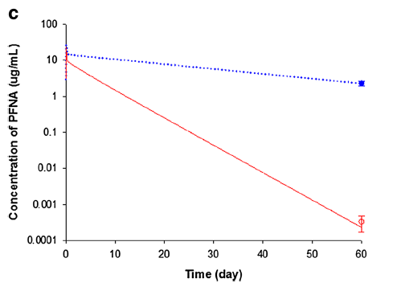
 |  | 3.268274351 | 13.32736759 |  |  | 2.697043794 | 5.736731619
 |  | 4.81875729 | 12.44549009 |  |  | 3.676296177 | 4.752263431
 |  | 6.36924023 | 11.9242005 |  |  | 4.65554856 | 3.903192173
 |  | 7.674910074 | 11.52293424 |  |  | 5.634800943 | 3.289190305
 |  | 9.225393014 | 10.94621071 |  |  | 6.614053326 | 2.736423106
 |  | 10.61266722 | 10.66876536 |  |  | 7.593305709 | 2.276551589
 |  | 13.06079818 | 9.962808686 |  |  | 8.572558092 | 1.918432678
 |  | 14.52967675 | 9.383523895 |  |  | 9.551810475 | 1.602872892
 |  | 15.67213787 | 9.224288361 |  |  | 10.53106286 | 1.344961579
 |  | 17.14101644 | 8.687944633 |  |  | 11.51031524 | 1.128549655
 |  | 18.17467174 | 8.467737855 |  |  | 12.48956762 | 0.942916407
 |  | 19.42593867 | 7.97538355 |  |  | 13.46882001 | 0.797995668
 |  | 20.97642161 | 7.690529723 |  |  | 14.44807239 | 0.672464869
 |  | 22.36369582 | 7.447649077 |  |  | 15.42732477 | 0.559453311
 |  | 23.83257439 | 6.83681359 |  |  | 16.40657716 | 0.479585461
 |  | 25.4646617 | 6.606745115 |  |  | 17.38582954 | 0.402417448
 |  | 26.85193591 | 6.384418769 |  |  | 18.36508192 | 0.331936113
 |  | 28.32081448 | 6.222597724 |  |  | 19.3443343 | 0.284548738
 |  | 29.78969306 | 5.83576273 |  |  | 20.32358669 | 0.238763237
 |  | 31.340176 | 5.615302619 |  |  | 21.30283907 | 0.199489471
 |  | 32.64584584 | 5.380101053 |  |  | 22.28209145 | 0.170280088
 |  | 34.27793314 | 5.067276547 |  |  | 23.26134384 | 0.142271001
 |  | 35.74681172 | 4.855029503 |  |  | 24.15899185 | 0.119993331
 |  | 37.13408593 | 4.631811396 |  |  | 25.2198486 | 0.102775031
 |  | 38.6029645 | 4.399988963 |  |  | 26.19910099 | 0.084774515
 |  | 40.15344744 | 4.197692106 |  |  | 27.17835337 | 0.072052811
 |  | 41.62232602 | 4.021868322 |  |  | 28.15760575 | 0.060459106
 |  | 42.87359295 | 3.886526747 |  |  | 29.13685813 | 0.051166895
 |  | 44.4784788 | 3.72373638 |  |  | 30.11611052 | 0.042750538
 |  | 46.02896174 | 3.507220745 |  |  | 31.0953629 | 0.03618003
 |  | 47.41623595 | 3.403730671 |  |  | 32.07461528 | 0.030228837
 |  | 48.96671889 | 3.247238456 |  |  | 33.05386767 | 0.025802711
 |  | 50.10918 | 3.111225204 |  |  | 34.03312005 | 0.021930622
 |  | 51.1428353 | 3.058428663 |  |  | 35.01237243 | 0.018245056
 |  | 52.39410223 | 2.905354128 |  |  | 35.99162482 | 0.015440897
 |  | 53.8629808 | 2.759940983 |  |  | 36.9708772 | 0.013123756
 |  | 56.31111176 | 2.555352842 |  |  | 37.95012958 | 0.010965051
 |  | 57.77999034 | 2.469361594 |  |  | 38.92938196 | 0.009240165
 |  | 59.24886891 | 2.386264073 |  |  | 39.90863435 | 0.007786617
 |  | 60.10571475 | 2.293662291 |  |  | 40.88788673 | 0.006478031
 |  |  |  |  |  | 41.86713911 | 0.005505904
 |  |  |  |  |  | 42.8463915 | 0.004699726
 |  |  |  |  |  | 43.82564388 | 0.003893216
 |  |  |  |  |  | 44.80489626 | 0.00330898
 |  |  |  |  |  | 45.78414864 | 0.002800409
 |  |  |  |  |  | 46.76340103 | 0.002359883
 |  |  |  |  |  | 47.74265341 | 0.001988656
 |  |  |  |  |  | 48.72190579 | 0.00166867
 |  |  |  |  |  | 49.70115818 | 0.001394193
 |  |  |  |  |  | 50.68041056 | 0.001190054
 |  |  |  |  |  | 51.65966294 | 0.000994304
 |  |  |  |  |  | 52.63891533 | 0.000837893
 |  |  |  |  |  | 53.61816771 | 0.000715208
 |  |  |  |  |  | 54.59742009 | 0.000600127
 |  |  |  |  |  | 55.57667247 | 0.000499272
 |  |  |  |  |  | 56.55592486 | 0.000424349
 |  |  |  |  |  | 57.53517724 | 0.000357595
 |  |  |  |  |  | 58.51442962 | 0.000301343
 |  |  |  |  |  | 59.53901777 | 0.000258307

