Fig4_3M_OralLiver
Time | Model | Time | Data
0.059973012 | 260.7970698 | 84.9277825 | 28.34572491
0.289869559 | 147.2602878
0.473786796 | 131.8108098
1.508321255 | 118.3987536
4.336048778 | 107.739598
7.370683193 | 97.50909488
10.40531761 | 88.42166471
13.43995202 | 80.99169036
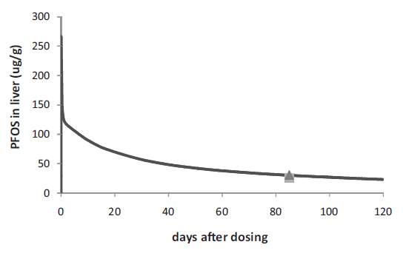
16.47458644 | 75.04771087
19.50922085 | 70.30395801
22.54385527 | 65.90312705
25.57848968 | 62.07383257
28.61312409 | 58.2445381
31.64775851 | 55.10108741
34.68239292 | 52.35771226
37.71702734 | 49.84295171
40.75166175 | 47.7282667
43.78629617 | 45.67073534
46.82093058 | 43.95612588
49.855565 | 42.29867006
52.89019941 | 40.81267519
55.92483382 | 39.38383397
58.95946824 | 38.24076099
61.99410265 | 37.04053436
65.02873707 | 36.01176868
68.06337148 | 34.92584935
71.0980059 | 33.95423732
74.13264031 | 32.86831799
77.16727473 | 32.23962786
80.20190914 | 31.26801582
82.40891599 | 30.69647934
88.20230896 | 29.26763811
91.23694338 | 28.69610162
94.27157779 | 27.95310419
97.3062122 | 27.495875
100.3408466 | 26.75287756
103.375481 | 26.12418742
106.4101154 | 25.38118999
109.4447499 | 24.8096535
112.4793843 | 24.29527066
115.5140187 | 23.78088782
118.5486531 | 23.26650498

