Parts_List
Picture | Manufacturer | Description | Manufacturer Article Number | EAN | Status | (Estimated) Delivery Date | Stock | Source of supply | Comment | Unit Price incl. VAT [€] | Quantity | Unit | Total Price incl. VAT [€]
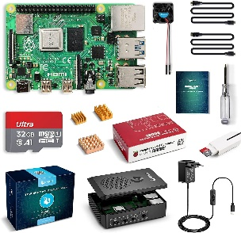 | LABISTS | LABISTS Raspberry Pi 4 Model B 4 GB Ultimatives Kit mit 32GB Class10 Micro SD-Karte, 5,1V 3,0A USB-C EIN/Aus-Schaltnetzteil, 3 Premium Kupfer Kühlkörper, Micro HDMI-Kabel, Premium Schwarzes Gehäuse | B09B9M7TPP |  | In Stock |  | 1.00 | https://www.amazon.de/Raspberry-Ultimatives-Aus-Schaltnetzteil-HDMI-Kabel-K%C3%BChlk%C3%B6rper/dp/B09B9M7TPP/ref=sr_1_1?__mk_de_DE=%C3%85M%C3%85%C5%BD%C3%95%C3%91&dchild=1&keywords=LABISTS+Raspberry+Pi+4+Model+B+4+GB+Ultimatives+Kit+mit+32GB+Class10+Micro&qid=1629744030&sr=8-1 |  | 87.99 € | 1.00 | pc | 87.99 €
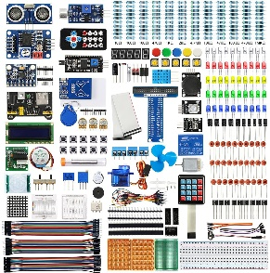 | WayinTop | WayinTop Ultimate Starter Kit für Raspberry Pi 4 B 3 B+, Ausführliche E-Book Anleitung, Python C Java, 300 Elemente, Elektronische Kit für Raspberry Pi zum Lernen Elektronik und Programmierung |  |  | In Stock |  | 1.00 | https://www.amazon.de/gp/product/B08DQYLLNZ/ref=ppx_yo_dt_b_asin_title_o01_s00?ie=UTF8&psc=1 |  | 34.19 € | 1.00 | pc | 34.19 €
 | LABISTS | LABISTS Ultimate Starter Kit, Raspberry Pi Starter Kit, Support Python C, mit kostenlosen Tutorials, Lötfreies Steckbrett und Zubehör |  |  | In Stock |  | 1.00 |  |  | 44.79 € | 1.00 | pc | 44.79 €
 | DFRobot | DFRobot ROB0170 NXP CUP Race Car Chassis | ROB0170 |  | In Stock |  | 1.00 | https://www.mouser.de/ProductDetail/DFRobot/ROB0170?qs=hWgE7mdIu5TqrtXq%252BmF5EA%3D%3D |  | 86.98 € | 1.00 | pc | 86.98 €
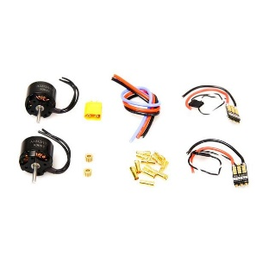 | DFRobot | DFRobot KIT0166 Brushless DC Motor-Kit for ROB0170 | KIT0166 |  | In Stock |  | 1.00 | https://www.mouser.de/ProductDetail/DFRobot/KIT0166?qs=%2Fha2pyFaduhoI3b5HBhnSR7OWwpyE6wx1nIJ2SF1Jlym%2Fsno4JOPGw%3D%3D |  | 38.55 € | 1.00 | pc | 38.55 €
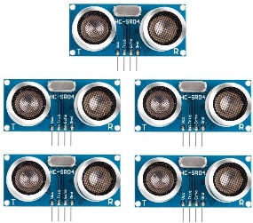 |  | HC-SR04 Ultraschall-Modul Entfernungssensor für Raspberry Pi, UNO, MEGA2560, Roboter (blau), 5 Stück |  |  | In Stock |  | 2.00 | https://www.amazon.de/gp/product/B081PZF4T3/ref=ppx_yo_dt_b_asin_title_o01_s00?ie=UTF8&psc=1 |  | 7.99 € | 2.00 | pc | 15.98 €
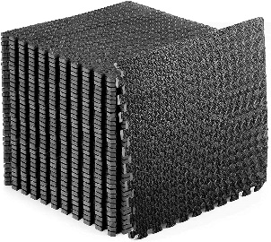 |  | Schutzmatten 60 x 60cm Schutzmatte Trainingsmatte Puzzlematte Unterlegmatten Poolmatte Fitnessmatten für Bodenschut für Bodenschutz, Büro, Fitnessraum, Bordures |  |  | In Stock |  | 1.00 | https://www.amazon.de/gp/product/B08SQ6NZXJ/ref=ppx_yo_dt_b_asin_title_o06_s00?ie=UTF8&psc=1 | Base for race track | 32.58 € | 1.00 | pc | 32.58 €
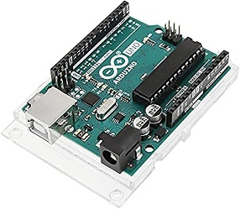 | Arduino | ARDUINO UNO REV 3 |  |  | In Stock |  | 1.00 | https://www.amazon.de/gp/product/B008GRTSV6/ref=ppx_yo_dt_b_asin_title_o03_s00?ie=UTF8&psc=1 |  | 22.00 € | 1.00 | pc | 22.00 €
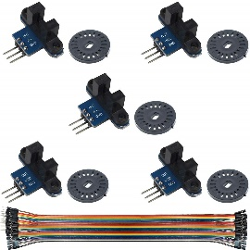 | Youmile | Youmile 5 Stücke Geschwindigkeitsmesssensor IR Infrarot Schlitz Optokoppler Modul Lichtschranke Sensor für Motordrehzahlerkennung oder Arduino mit Encoder |  |  | In Stock |  | 1.00 | https://www.amazon.de/gp/product/B0817FM4BJ/ref=ppx_yo_dt_b_asin_title_o05_s01?ie=UTF8&psc=1 |  | 6.99 € | 1.00 | pc | 6.99 €
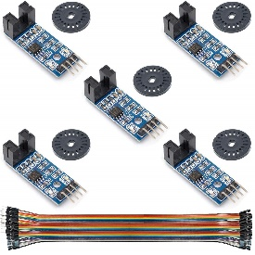 | Youmile | Youmile 5 Stücke Geschwindigkeitsmesssensor LM393 Geschwindigkeitsmessmodul Tacho Sensor Slot Typ IR Optokoppler für MCU RPI Arduino DIY Kit mit Encoder |  |  | In Stock |  | 1.00 | https://www.amazon.de/gp/product/B0817H9436/ref=ppx_yo_dt_b_asin_title_o05_s00?ie=UTF8&psc=1 |  | 7.79 € | 1.00 | pc | 7.79 €
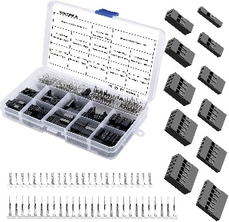 | KINCREA | KINCREA 2.54mm Male Female Dupont Wire Jumper with Pin Header Connector Housing Kit - 620pcs JA001 |  |  | In Stock |  | 1.00 | https://www.amazon.de/gp/product/B07BTB3MC7/ref=ppx_yo_dt_b_asin_title_o02_s00?ie=UTF8&psc=1 |  | 12.99 € | 1.00 | pc | 12.99 €
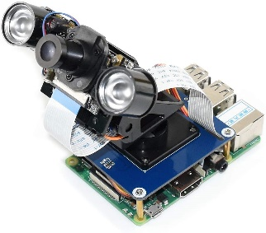 | Waveshare | Waveshare 2-DOF Pan-Tilt Hat for Raspberry Pi Zero/Zero W/Zero WH/2B/3B/3B+ Onboard PCA9685 PWM Chip TSL25911FN 16-bit Ambient Light Sensor Make Pi Camera Move and Sense Light Intensity Via I2C |  |  | In Stock |  | 1.00 | https://www.amazon.de/gp/product/B07PPV122Z/ref=ppx_yo_dt_b_asin_title_o01_s00?ie=UTF8&psc=1 |  | 24.99 € | 1.00 | pc | 24.99 €
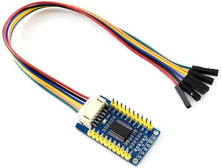 | Waveshare | Waveshare MCP23017 IO Expansion Board I2C Interface Expands 16 I/O Pins 8 pcs Stacked and Used at The Same Time Allow Multi I2C Modules to be Stacked |  |  | In Stock |  | 1.00 | https://www.amazon.de/gp/product/B07P2KD39X/ref=ppx_yo_dt_b_asin_title_o00_s00?ie=UTF8&psc=1 |  | 9.75 € | 1.00 | pc | 9.75 €
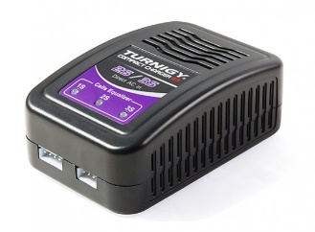 | Turnigy | Turnigy E3 Compact 2S/3S Lipo Charger 100-240v (EU Plug) |  |  | In Stock |  | 1.00 | https://hobbyking.com/en_us/turnigy-e3-compact-2s-3s-lipo-charger-100-240v-eu-plug.html?queryID=203eb5cc403bea76c27314cc71a3bd36&objectID=74445&indexName=hbk_live_magento_en_us_products_hbk_price_stock_7_group_0_asc |  | 13.31 € | 1.00 | pc | 13.31 €
 | Turnigy | Turnigy nano-tech 1500mah 3S 35~70C Lipo Pack |  |  | In Stock |  | 1.00 | https://hobbyking.com/en_us/turnigy-nano-tech-1500mah-3s-35-70c-lipo-pack.html |  | 16.01 € | 1.00 | pc | 16.01 €
 |  | MT60 3 Pole Motor / ESC Connector Set 12AWG Black Male - Female (2 set) |  |  | In Stock |  | 2.00 | https://hobbyking.com/en_us/mt60-3-pole-motor-esc-connector-set-12awg-black-male-female-2-set.html?queryID=47e53caa35d8f4eae638fbe80202dff0&objectID=5427&indexName=hbk_live_magento_en_us_products&___store=en_us |  | 3.05 € | 2.00 | pc | 6.10 €
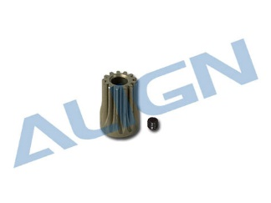 |  | Align Motor Pinion Gear 13T T-Rex 450 PRO # H45059 |  |  | In Stock |  | 2.00 | https://www.live-hobby.de/en/Accessories/Drives/Brushless-ESC-Motors/Motor-Pinion-Gear/Align-Motor-Pinion-Gear-13T-T-Rex-450-PRO-H45059.html |  | 3.79 € | 2.00 | pc | 7.58 €
 |  |  |  |  |  |  |  |  |  | Total Price incl. VAT [€] |  |  | 468.57 €

