ReadMe
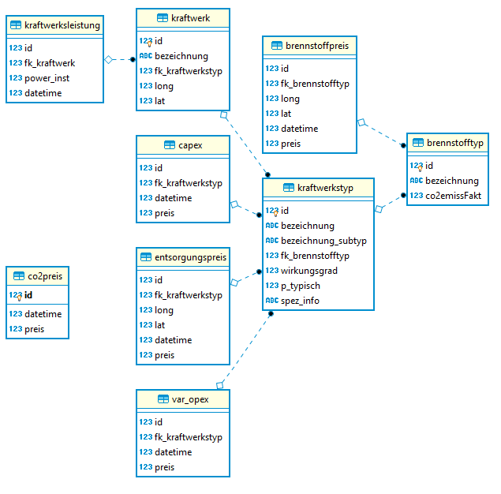
Data for SPG database

Author: | Linus Walker, linus.walker@fhnw.ch

Sheet | Contents
Sources | Contains all sources which are referenced in the file.
BLANK | Empty reference for the Scenarios
Scenario 1-8 | Contain Installed Capacity values for different countries, types of electricity generation and different dates. Each Scenario contains all types of generation and all countries for a specific future scenario.
model comparison | Allows to compare different scenarios for specific countries.
market nodes | Informational sheet about market nodes.
power plant types | References the types of power plants contained in the sources to those contained in the software
compile | Scenarios are chosen and data from the scenarios is automatically collected and edited
DB_... | All sheets starting with DB_ are read by the Python function db_generator.py which builds a database based on those sheets. Headers in those sheets must NOT be changed. It is, however, possible to add rows or columns, but the headers are needed for importing the columns into python.
DB_KW_KWL | Data used for tables kraftwerksleistung and kraftwerk
DB_KWT | Data used for tables kraftwerkstyp, capex and var_opex
DB_ENTS | Data used for table entsorgungspreis
DB_BST | Data used for table brennstofftyp
DB_CO2 | Data used for table co2preis
DB_BSP | Data used for table brennstoffpreis

Colour Coding
 | Turquoise fields mark possible inputs
 | Named areas

Used data
Used models: | Currently BE 2020, BE2025, DG 2030, DG 2040 from [1] are used (Scenario 1-4)
Used Types of Installed capacity: | Additional DSR, Battery and Hydro pump contained in the models are not used since they are not production capacities
Used Market Nodes: | See sheet market nodes. Only one market node per country, countries with multiple nodes are totaled and used as one.
Fuels: | The installed capacity of some fuels needs to be split up to cover different types of power plants in the database. For example wind onshore --> wind onshore stark & wind onshore schwach. The splits are in the sheet "fuels"

Database structure

model comparison
Model Comparison
Compare different scenarios for different Market Nodes. Simply change the Market Node in the turquoise input fields. This sheet is only used for comparison, values chosen here are not used any further.

 |  | Biofuels | Gas | Hard coal | Hydro-run | Hydro-turbine | Lignite | Nuclear | Oil | Other non-RES | Other RES | Solar-thermal | Solar-PV | Wind onshore | Wind offshore
RS | 53 | 3 | 4 | 5 | 7 | 8 | 9 | 10 | 11 | 12 | 13 | 14 | 15 | 16 | 17
Scenario1 | BE 2020 | 0 | 140 | 0 | 2025 | 1063 | 4864 | 0 | 0 | 0 | 24 | 0 | 10 | 1068 | 0
Scenario2 | BE 2025 | 0 | 140 | 0 | 2025 | 1063 | 5306 | 0 | 0 | 0 | 66 | 0 | 100 | 1068 | 0
Scenario3 | DG 2030 | 0 | 580 | 0 | 2025 | 1763 | 5306 | 0 | 0 | 0 | 118 | 0 | 5535 | 1068 | 0
Scenario4 | DG 2040 | 0 | 580 | 0 | 2025 | 1763 | 4735 | 0 | 0 | 0 | 118 | 0 | 7832 | 1200 | 0
Scenario5 | EUCO 2030 | 0 | 580 | 0 | 2025 | 1763 | 5306 | 0 | 0 | 0 | 118 | 0 | 200 | 1068 | 0
Scenario6 | GCA 2040 | 0 | 580 | 0 | 2025 | 1763 | 2222 | 0 | 755 | 0 | 118 | 0 | 450 | 1200 | 0
Scenario7 | ST 2030 | 0 | 580 | 0 | 2025 | 1763 | 5306 | 0 | 0 | 0 | 118 | 0 | 200 | 1068 | 0
Scenario8 | ST 2040 | 0 | 580 | 0 | 2025 | 1763 | 3898 | 0 | 700 | 0 | 118 | 0 | 450 | 1200 | 0

SI | 58 | 3 | 4 | 5 | 7 | 8 | 9 | 10 | 11 | 12 | 13 | 14 | 15 | 16 | 17
Scenario1 | BE 2020 | 0 | 479 | 50 | 1197 | 180 | 787 | 696 | 0 | 141 | 61 | 0 | 277 | 42 | 0
Scenario2 | BE 2025 | 0 | 479 | 50 | 1225 | 600 | 539 | 696 | 0 | 152 | 66 | 0 | 295 | 59 | 0
Scenario3 | DG 2030 | 0 | 395 | 50 | 1500 | 600 | 539 | 696 | 0 | 159 | 67 | 0 | 1373 | 76 | 0
Scenario4 | DG 2040 | 0 | 395 | 50 | 1500 | 600 | 539 | 696 | 0 | 159 | 67 | 0 | 4006 | 575 | 0
Scenario5 | EUCO 2030 | 118 | 83 | 68 | 1500 | 600 | 564 | 700 | 109 | 0 | 0 | 0 | 1743 | 337 | 0
Scenario6 | GCA 2040 | 0 | 395 | 50 | 1500 | 600 | 0 | 696 | 420 | 159 | 67 | 0 | 1221 | 575 | 0
Scenario7 | ST 2030 | 0 | 395 | 50 | 1500 | 600 | 539 | 696 | 0 | 159 | 67 | 0 | 320 | 76 | 0
Scenario8 | ST 2040 | 0 | 395 | 0 | 1500 | 600 | 0 | 696 | 680 | 159 | 67 | 0 | 1081 | 324 | 0

SK | 59 | 3 | 4 | 5 | 7 | 8 | 9 | 10 | 11 | 12 | 13 | 14 | 15 | 16 | 17
Scenario1 | BE 2020 | 0 | 867 | 197 | 848 | 1708 | 240 | 2762 | 0 | 864 | 364 | 0 | 555 | 55 | 0
Scenario2 | BE 2025 | 0 | 241 | 197 | 848 | 1708 | 240 | 2890 | 0 | 879 | 408 | 0 | 596 | 123 | 0
Scenario3 | DG 2030 | 0 | 241 | 0 | 974 | 2292 | 240 | 2890 | 0 | 899 | 505 | 0 | 3578 | 265 | 0
Scenario4 | DG 2040 | 0 | 241 | 0 | 974 | 2292 | 0 | 2890 | 0 | 899 | 505 | 0 | 8065 | 326 | 0
Scenario5 | EUCO 2030 | 455 | 1007 | 328 | 974 | 2292 | 126 | 4020 | 84 | 96 | 0 | 0 | 680 | 374 | 0
Scenario6 | GCA 2040 | 0 | 0 | 0 | 974 | 2292 | 0 | 2890 | 0 | 899 | 505 | 0 | 1533 | 326 | 0
Scenario7 | ST 2030 | 0 | 241 | 0 | 974 | 2292 | 240 | 2890 | 0 | 899 | 505 | 0 | 716 | 265 | 0
Scenario8 | ST 2040 | 0 | 0 | 0 | 974 | 2292 | 0 | 2890 | 770 | 899 | 505 | 0 | 1533 | 326 | 0

