Tabelle1
Hub --> Fan (9 byte)
 |  | Hex | HextoDez | 554D0097030101001700
0 | Head (Start of Frame) | 55 | 85 |  | 554D006E01014300 | Node 01 Poll
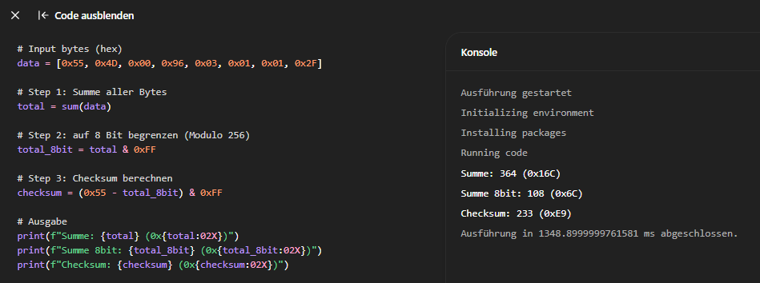
1 | Head (Master -> Slave) | 4D | 77 |  | 554D006E01024200 | Node 02 Poll
2 | Head | 00 | 0 |  | 554D006E01034100 | Node 03 Poll
3 | SensorRequest | 97 | 151 | 0x96 = no SensorData poll, 0x97 poll sensor data | 554D006E01044000 | Node 04 Poll
4 | FrameType | 03 | 3 |  | 554D006E01053F00 | Node 05 Poll
5 | Node Adress | 01 | 1 |  | 554D006E01004400 | Node 00 Poll
6 | Direction | 01 | 1 |  | 554D009603010119FF00 | Node 01-Active Command
7 | Speed | 00 | 0 | Accepted Range: 20%-100% = (20-100)(dez) = (14-64)hex
8 | Checksum | 17 | 23
9 | Optional Terminator | 00 | 0

Hub --> Fan (7 byte) (Master Poll Frame)
 |  | Hex | HextoDez | 554D006E01014300
0 | Head (Start of Frame) | 55 | 85
1 | Head (Master -> Slave) | 4D | 77
2 | Head | 00 | 0
3 | FrameType | 6E | 110
4 | FrameType | 01 | 1
5 | Node Adress | 01 | 1
6 | Checksum | 43 | 67
7 | Optional Terminator | 00 | 0

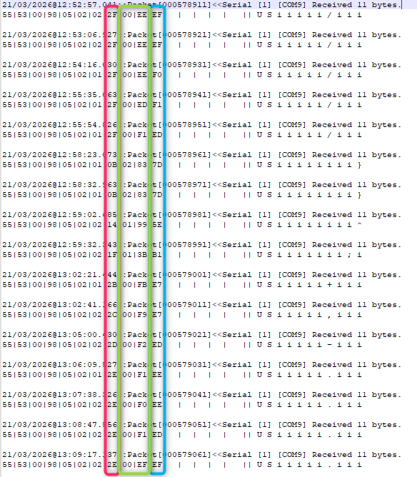
Fan --> Hub (10 byte)
 |  | Hex | HextoDez | 555300980501012DDA0700
0 | Head (Start of Frame) | 55 | 85
1 | Head (Slave -> Master) | 53 | 83
2 | Head | 00 | 0
3 | FrameType | 98 | 152
4 | FrameType | 05 | 5
5 | Node Adress | 01 | 1
6 | Direction flag | 01 | 1
7 | Humidity [%] | 2D | 45 | 45 %relative Humudity
8-9 | Temperature (16bit, BE) | DA | 218 | 22 °C
10 | Checksum | 07 | 7 | Not correct -> see orignal log on right
11 | Optional Terminator | 00 | 0

Fan --> Hub (8 byte) (Answer to Master Poll Frame) |  |  |  | Usually polled only at Start up
 |  | Hex | HextoDez
0 | Head (Start of Frame) | 55 | 85
1 | Head (Slave -> Master) | 53 | 83
2 | Head | 00 | 0
3 | FrameType | 6E | 110
4 | FrameType | 02 | 2
5 | ?? | 02 | 2
6 | Node Adress | 05 | 5
7 | Checksum | 36 | 54
8 | Optional Terminator | 00 | 0

