MPPC ETD
MOFE on Board TAD, PT 1000 connections and variable bias functionality

 | TAD Bias functionality flow:

 |  | 1) | Read MPPC Vop: MPPC_ETD_0_VopCal

 |  |  |  |  | In the case of failure EEPROM reading generate message: Detector EEPROM cannot be read. Verify detector connection.
 |  | During the Bias test, set bias voltage cannot exceed value of: MPPC_ETD_0_VopCal.

 |  | 2) | Using the MOFE calibration data bias voltage is set in N steps to VopCal and is alse read using OD TAD.
 |  |  | Reading using OD TAD is done as:
 |  |  |  |  |  | Set:
 |  |  |  |  |  |  | MOFE_0_TADSwitch = 1 (On)
 |  |  |  |  |  | Get:
 |  |  |  |  |  |  | MOFE_0_CtrlCheck
 |  |  | How the bias is set is illustrated in the attached file. Note that I use just default MOFE calibration data, in reality real calibration data is read from OD.

 |  |  | The result is plot this graph:
 |  |  |  |  | x-axis |  | MOFE_0_Bias
 |  |  |  |  | y-axis |  | MOFE_CtrlCheck

 |  |  | To pass this TAD, for each point the allowed difference is 10%

 |  |  | For more details illustration script is attached:
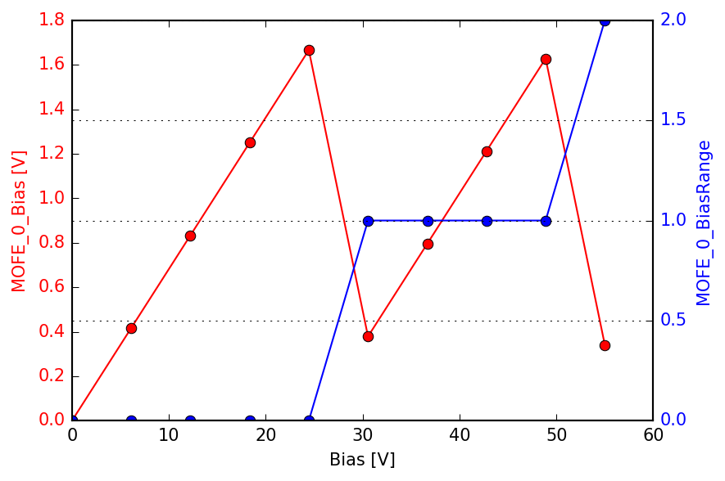

 |  |  |  |  |  |  |  | # -*- coding: utf-8 -*-
 |  |  |  |  |  |  |  | " Created on Wed Jun 5 14:42:39 2019 @author: petr.kucera "
 |  |  |  |  |  |  |  | import math
 |  |  |  |  |  |  |  | import numpy as np
 |  |  |  |  |  |  |  | from scipy import misc
 |  |  |  |  |  |  |  | from scipy import signal
 |  |  |  |  |  |  |  | import matplotlib
 |  |  |  |  |  |  |  | import matplotlib.pyplot as plt

 |  |  |  |  |  |  |  | def RangeConversion(Values_in,min_in,max_in,min_out,max_out):
 |  |  |  |  |  |  |  | # linear function
 |  |  |  |  |  |  |  | k = (max_out-min_out)/(max_in-min_in)
 |  |  |  |  |  |  |  | c = min_out - k*min_in
 |  |  |  |  |  |  |  | Values_out = k*Values_in+c
 |  |  |  |  |  |  |  | return Values_out

 |  |  |  |  |  |  |  | # MOFE calibration values read from MOFE
 |  |  |  |  |  |  |  | MOFE_0_Bias0Cal = 0
 |  |  |  |  |  |  |  | MOFE_0_BiasRangeThrLoCal = 25
 |  |  |  |  |  |  |  | MOFE_0_BiasRangeThrHiCal = 50
 |  |  |  |  |  |  |  | MOFE_0_MaxBiasOffsetCal = 30

 |  |  |  |  |  |  |  | # Reading TAD object
 |  |  |  |  |  |  |  | # MOFE_0_CtrlCheck

 |  |  |  |  |  |  |  | # MOFE Set Object
 |  |  |  |  |  |  |  | # MOFE_0_Bias
 |  |  |  |  |  |  |  | # Max_MOFE_0_Bias (form OD definition)
 |  |  |  |  |  |  |  | Max_MOFE_0_Bias = 2.045

 |  |  |  |  |  |  |  | # Read from MPPC ETD EEPROM
 |  |  |  |  |  |  |  | MPPC_ETD_0_VopCal = 55

 |  |  |  |  |  |  |  | # only for plotting purpose
 |  |  |  |  |  |  |  | Bias_out_array = np.array([])
 |  |  |  |  |  |  |  | Range_array = np.array([])

 |  |  |  |  |  |  |  | Bias_array = np.linspace(MOFE_0_Bias0Cal,MPPC_ETD_0_VopCal,10)
 |  |  |  |  |  |  |  | for Bias in Bias_array:
 |  |  |  |  |  |  |  | if (Bias <= MOFE_0_BiasRangeThrLoCal):
 |  |  |  |  |  |  |  | # Set bias range to HW
 |  |  |  |  |  |  |  | MOFE_0_BiasRange = 0
 |  |  |  |  |  |  |  | # Set bias control DAC to HW
 |  |  |  |  |  |  |  | MOFE_0_Bias = RangeConversion(Bias-MOFE_0_Bias0Cal,0,MOFE_0_MaxBiasOffsetCal,0,Max_MOFE_0_Bias)
 |  |  |  |  |  |  |  | elif (Bias <= MOFE_0_BiasRangeThrHiCal):
 |  |  |  |  |  |  |  | MOFE_0_BiasRange = 1
 |  |  |  |  |  |  |  | MOFE_0_Bias = RangeConversion(Bias-MOFE_0_BiasRangeThrLoCal,0,MOFE_0_MaxBiasOffsetCal,0,Max_MOFE_0_Bias)
 |  |  |  |  |  |  |  | else:
 |  |  |  |  |  |  |  | MOFE_0_BiasRange = 2
 |  |  |  |  |  |  |  | MOFE_0_Bias = RangeConversion(Bias-MOFE_0_BiasRangeThrHiCal,0,MOFE_0_MaxBiasOffsetCal,0,Max_MOFE_0_Bias)

 |  |  |  |  |  |  |  | # only for plotting purpose
 |  |  |  |  |  |  |  | Bias_out_array = np.append(Bias_out_array,MOFE_0_Bias)
 |  |  |  |  |  |  |  | Range_array = np.append(Range_array,MOFE_0_BiasRange)

 |  |  |  |  |  |  |  | # Check based on TAD reading of:
 |  |  |  |  |  |  |  | # MOFE_0_CtrlCheck
 |  |  |  |  |  |  |  | # if (abs(MOFE_0_CtrlCheck-MOFE_0_Bias)/MOFE_0_Bias) < 0.1:
 |  |  |  |  |  |  |  | # print('Bias check passed')
 |  |  |  |  |  |  |  | # else:
 |  |  |  |  |  |  |  | # print('Bias check failed')

 |  |  |  |  |  |  |  | data1 = Bias_out_array
 |  |  |  |  |  |  |  | data2 = Range_array
 |  |  |  |  |  |  |  | t = Bias_array

 |  |  |  |  |  |  |  | fig, ax1 = plt.subplots()

 |  |  |  |  |  |  |  | color = 'red'
 |  |  |  |  |  |  |  | ax1.set_xlabel("Bias [V]")
 |  |  |  |  |  |  |  | ax1.set_ylabel('MOFE_0_Bias [V]', color=color)
 |  |  |  |  |  |  |  | ax1.plot(t, data1,'o-',color=color)
 |  |  |  |  |  |  |  | ax1.tick_params(axis='y', labelcolor=color)

 |  |  |  |  |  |  |  | ax2 = ax1.twinx() # instantiate a second axes that shares the same x-axis

 |  |  |  |  |  |  |  | color = 'blue'
 |  |  |  |  |  |  |  | ax2.set_ylabel('MOFE_0_BiasRange', color=color) # we already handled the x-label with ax1
 |  |  |  |  |  |  |  | ax2.plot(t, data2,'o-',color=color)
 |  |  |  |  |  |  |  | ax2.tick_params(axis='y', labelcolor=color)

 |  |  |  |  |  |  |  | fig.tight_layout() # otherwise the right y-label is slightly clipped
 |  |  |  |  |  |  |  | plt.grid()
 |  |  |  |  |  |  |  | plt.show()

 | PT 1000 connection
 |  | The purpose of this TAD is to check if the thermistor PT1000 is properly connected

 |  | For instance (again default MOFE calibration values assumed, but real has to be read):

 |  | MOFE_0_RefVTempCal |  |  |  | 2.6 | V
 |  | MOFE_0_MaxTempSensCal |  |  |  | 110 | mV/Deg

 |  | Set:
 |  |  | MOFE_0_Temp |  |  | 1.0225 |  | Set to half its OD range
 |  |  | MOFE_0_TADSwitch = 0 (Off)
 |  | Get:
 |  |  | MOFE_0_TMeasOut |  |  | 1 |  | Example of read value

 |  | Calculate temperature as:

 |  |  | Calculate temperature as:
 |  |  | T[Deg] = 1000*(MOFE_0_TMeasOut - MOFE_0_RefVTempCal/2)/(MOFE_0_MaxTempSensCal/2) + 25Deg |  |  |  |  |  |  |  | 19.545454545

 |  |  | T[Deg] | 19.545454545

 |  | Report results
 |  | o T < = 5 Deg:
 |  | Measured temperature is xxx. MPPC temperature is too low. Temperature resistor seems to be shorted. Replace MPPC ETD.
 |  | o T >= 45 Deg
 |  | Measured temperature is xxx. MPPC temperature is too high. Temperature resistor seems to be disconnected. Replace MPPC ETD.
 |  | o 5 Deg< T<45 Deg;
 |  | Measured temperature is xxx.

MPPC ETD System TAD test

 | Purpose of this part is troubleshoot overall MPPC ETD signal path from different point of view then boards TAD

 | ETD - Bias Calibration
 |  | Reasons of fails:
 |  |  | Bad MOFE calibration data (real Bias is not a monotonic function)
 |  |  | Detector issue (low gain, collection efficiency…)
 |  |  | HW issuse (dmaged MOFE or other board)
 |  |  | Buggs, SW issue (NOT assumed)
 |  |  | Optics issue (badly adjusted spots…), NOT aasumed her

 | ETD - MOFE offset calibration; modification for TAD
 |  | Results of the calibration is function:
 |  |  |  |  | MOFE_Offset = f(Bias) to get 0V output

 |  | Basically parasitic MOFE offset and MPPC dark current is measured

 |  | Steps: |  | (but these valuese can be deduced from offsets obtained in the calibration above)
 |  |  | 1) | Determine required MOFE_Offset for 0V bias set

 |  |  |  | passed: |  | abs(offset) <= 0.1
 |  |  |  | failed: |  | abs(offset) > 0.1 |  |  | MOFE damaged

 |  |  | 2) | Determine dark current mean value for bias = Vop |  |  |  |  | (DABE setting as in ETD - MOFE offset calibration)

 |  |  |  | passed: |  | within the range 40-80DN
 |  |  |  | failed: |  | <40DN |  | Wrong Vop, PT1000 issue, MOFE issue, wrong MOFE calibration data, Detector issue
 |  |  |  |  |  | >80DN |  | Wrong Vop, PT1000 issue, MOFE issue, wrong MOFE calibration data, Detector issue

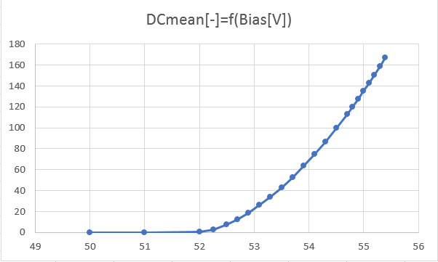
 |  |  |  |  |  |  |  |  |  | was measured for 20dB on DABE and PreOn
 |  |  |  |  |  |  |  |  |  | MOFE calibration uses 10dB

 |  |  |  |  |  |  |  |  |  | Vop was about 54.8V

 |  |  |  |  |  |  |  |  |  | Do 60DN id a typical value for DABE gain 10dB and PreAmp ON

 | MOFE calibration data check; range consistency

 |  | With beam and signal acquistion
 |  | Vop cannot be exceeded

 |  | At points where there are changes in the discrete MOFE bias ranges
 |  | That bias, where the range changes will be set from left and from right
 |  | Same signal has to be measured

 | MOFE HW or MPPC HW issue

 |  | Signal acquisition without beam
 |  | Set DABE gain 10dB and PreAmp On

 |  | Set Bias 0V
 |  |  | White signal or black signal: |  |  | MOFE, DABE, PIA Issue

 |  | If ok continue
 |  | Set Bias Vop - 15V
 |  |  | Calculate signal difference for setting Bias = (Vop -15V) and Signal 0V

 |  |  | if > 50 DN |  | MPPC ETD issue

