Sheet1
ID | Test Suite/Scenario | Test Case | Type | Severity | Priority | Automation Feasibility | Test Data | Preconditions | Test Step | Expected Result | Actual Result | TEST STATUS | Start Testing | End Testing | Note | Evidence | Gherkin Syntax
1 | Open browser | open browser | Positive |  | HIGH | Yes |  |  |  | Sukses open browser | Same as expected | Passed | 2024-05-26 | 2024-05-26 |  | 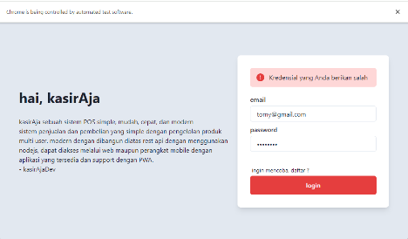
2 | Login | success login | Positive |  | HIGH | Yes | tomyandryanto@gmail.com | User has been registered | 1 Masukkan username yg valid 2 Masukkan password yg valid 3 Klik tombol login | Sistem menampilkan halaman dashboard | Same as expected | Passed | 2024-05-26 | 2024-05-26
3 |  | Login without register | Negative |  | MEDIUM | Yes | tomy@gmail.com | User has not been registered | 1 Masukkan username yg valid 2 Masukkan password yg valid 3 Klik tombol login | Gagal login | Same as expected | BLOCKED | 2024-05-26 | 2024-05-26 | BLOCKER: Login nya gagal

