1. Title Page & & Citation
[Instacart Grocery Basket Analysis]

Project Name: Instacart Grocery Basket Analysis
Date: Dec 20th 2024
Analyst Name: Aya

Contents:
Population Flow
Consistency checks
Wrangling steps
Column derivations
Visualizations
Recommendations

Data Citation:
“The Instacart Online Grocery Shopping Dataset 2017”, Accessed from www.instacart.com/datasets/grocery-shopping-2017 via Kaggle on [date].
The “prices” column in the products data set, were both fabricated for the purpose of this course.

2. Population Flow
 | Title page

Population flow

Exclusion flag
Condition: max_order < 5
Obervations to be removed: low-activity customers
Final total count of order_products_all >> ords_prods_customers_merge >> df_excluded: 30964564 rows x 33 columns

Orders_products_combined
Orders_products_merged
Orders_products_all

Total: 32434489 rows x 10 columns
Total: 32404859 rows x 24 columns
Total:
32404859 row 31 columns

1.) The grey boxes in the first row of the population flow represent the original data sets as they were when you downloaded them. In the Total fields you need to add the count of the rows when you imported the data set into Jupyter.
2.) The second row of boxes (coloured) represents the data sets after you manipulated them, e.g., removed missing values and duplicates. In the Total fields you need to add the count of the rows after conducting these operations. This offers a visual oveview of how the data flows throughout the data consistency checks.
3.) The third row, where also the arrows are coloured, represents the merges you performed between the datasets. In the Total fields you need to add the count of the rows in the merged datasets, so that you end up with the final dataset (in the red box). Keep in mind the final dataset should be without exclusions (based on the exclusion flag).

3. Consistency checks
 |  |  |  | Title page
Consistency checks

Dataset | Missing values | Missing values treatment | Duplicates
orders | * There are 206209 missing values found in the "days_since_prior_order" column | * There is no need to remove these missing values, since each unique user_id should have only one missing value in the days_since_prior_order column, and that missing value belongs to the very first order of each unique user_id. | * There are no duplicate values found.
products | * There are 16 missing values found in the "product_name" column | * Created a df_nan dataframe for the missing values * Created a df_prods_clean dataframe for the all non-missing values | * There are 5 duplicate values found. * Created a df_dups dataframe only for the duplicate values. * Created a df_prods_clean_no_dups dataframe where is no duplicate values
orders_products_prior | - | - | -
df_cust | There are 11259 missing values from the cariable 'First Name' | Created a df_customers dataframe in which the column with some missing values is dropped. This was done because the column is unnecessary for the analysis and for privacy reasons.

4. Wrangling steps
 |  |  |  | Title page
Wrangling steps

Columns dropped | Columns renamed | Columns' type changed | Comment/Reason
eval_set |  |  | (df_ords) the column is unnecessary - irrelevant to the analysis
 | order_dow >>> orders_day_of_week |  | (df_ords) for clearity
 |  | order_id = str (from 'int') | (df_ords) not real numeric values, rather, keys related to specific orders
 |  | user_id = str (from 'int') | (df_ords) not real numeric values, rather, keys related to specific orders
 | days_since_prior_order >>> days_since_last_order |  | (df_ords) for clearity
Unnamed: 0 |  |  | (df_ords) the column is unnecessary - irrelevant to the analysis
 | n_dependants | number_dependants | (df_cust) for clearity
First Name |  |  | (df_customers) it is unnecessary for the analysis + for customer privacy data
Surnam |  |  | (df_customers) it is unnecessary for the analysis + for customer privacy data
 |  | user_id = str (from 'int') | (ords_prods_merge) not real numeric values, rather, keys
 | Unnamed: 0 >>> department_id |  | (df_department) for clearity

5. Column derivations
 |  |  |  |  |  |  | Title page

Column derivations and aggregations

In this tab you should add tables below that the frequences of flags/label variables that you produced after deriving them. NB: don't do this for continuous variables, only for flags.
Dataset | New column | Column/s it was derived from | Conditions
ords_prods_merge | price_range_loc | prices | Low-range product = prices > 15 Medium-range product = prices <= 15 & prices > 5 High-range product = prices <= 5
ords_prods_merge | busiest_day | orders_day_of_week | Regularly busy = value = 1,2,3,5,6 Busiest day = value = 0 (Saturday) Least busy = value = 4 (Wednesday)
ords_prods_merge | Busiest days | orders_day_of_week | Regular days = value = 2,3,5,6 Busiest days = value = 0 or 1 (Saturday or Sunday) Slowest days= value = 4 or 3 (Tuesday or Wednesday)
ords_prods_merge | busiest_period_of_day | order_hour_of_day | Average orders = value = 17, 8, 18, 19, 20, 7, 21, 22 - the rest (in hours) Most orders = value = 10, 11, 14, 15, 13, 12, 16, 9 (in hours) Fewest orders= value = 23, 6, 0, 1, 5, 2, 4, 3 (in hours)
ords_prods_merge | max_order | order_number | The total maximum order for each customer
ords_prods_merge | loyalty_flag | max_order | max_order > 40 (value = Loyal customer) max_order <= 40 & > 10 (value = Loyal customer) max_order <= 40 (value = Loyal customer)
ords_prods_merge | Avg_spending | prices | The mean order prices for each customer
ords_prods_merge | spending_flag | Avg_spending | Avg_spending >= 10 (High spender) Avg_spending < 10 (Low spender) max_order <= 40 (value = Loyal customer)
ords_prods_merge | median_days_since_last_order | days_since_prior_order | median_days_since_last_order > 20 (value = Non-frequent customer) median_days_since_last_order <= 20 & > 10 (value = Regular customer) median_days_since_last_order <= 10 (value = Frequent customer)
ords_prods_customers_merge | Region | STATE | Wisconsin,Michigan,Illinois,Indiana,Ohio,North Dakota,South Dakota,Nebraska,Kansas,Minnesota,Iowa,Missouri = Midwest
ords_prods_customers_merge | Region | STATE | Maine,New Hampshire,Vermont,Massachusetts,Rhode Island,Connecticut,New York,Pennsylvania,New Jersey = Northeast | price_range_loc |  | busiest_day |  | Busiest days |  | busiest_period_of_day
ords_prods_customers_merge | Region | STATE | Delaware,Maryland,District of Columbia,Virginia,West Virginia,North Carolina,South Carolina,Georgia, Florida,Kentucky,Tennessee,Mississippi,Alabama,Oklahoma,Texas,Arkansas,Louisiana= South | Low-range product | 10126321 | Regularly busy | 22416875 | Regular days | 12916111 | Most orders | 21118071
ords_prods_customers_merge | Region | STATE | Idaho,Montana,Wyoming,Nevada,Utah,Colorado,Arizona,New Mexico,Alaska,Washington,Oregon,California,Hawaii = West | Mid-range product | 652638 | Busiest day | 6204182 | Busiest days | 11864412 | Average orders | 9997651
df_excluded | exclusion_flag | max_order | max_order < 5 & >= 5 | High-range product | 412551 | Least busy | 3783802 | Slowest days | 7624336 | Fewest orders | 1289137
df_excluded | adult_age_flag | Age | Age <= 35 + > 35 & <= 60 + > 60 | NaN | 21213349
df_excluded | income_flag | income | income <= 150000 + > 150000 & <= 350000 + > 350000
df_excluded | dependants_flag | number_dependants | number_dependants < 1 + >= 1
 |  |  |  | loyalty_flag |  | spending_flag |  | order_frquency_flag
 |  |  |  | Regular customer | 15876776 | Low spender | 32285150 | Frequent customer | 21559853
 |  |  |  | Loyal customer | 10284093 | High spender | 119709 | Regular customer | 7208564
 |  |  |  | New customer | 6243990 |  |  | Non-frequent customer | 3636437
 |  |  |  | NaN | 21213349 |  |  | NaN | 5
 |  |  |  |  |  | exclusion_flag
 |  |  |  |  |  | Low high-activity customers | 30964564

 |  |  |  | Region
 |  |  |  | South | 10791885 | adult_age_flag |  | income_flag |  | dependants_flag
 |  |  |  | West | 8292913 | Mid-age | 12113152 | Low | 27070030 | with dependants | 23224883
 |  |  |  | Midwest | 7597325 | Senior | 10112607 | Medium | 3821396 | without dependants | 7739681
 |  |  |  | Northeast | 5722736 | Yong | 8738805 | High | 73138

6. Visualizations
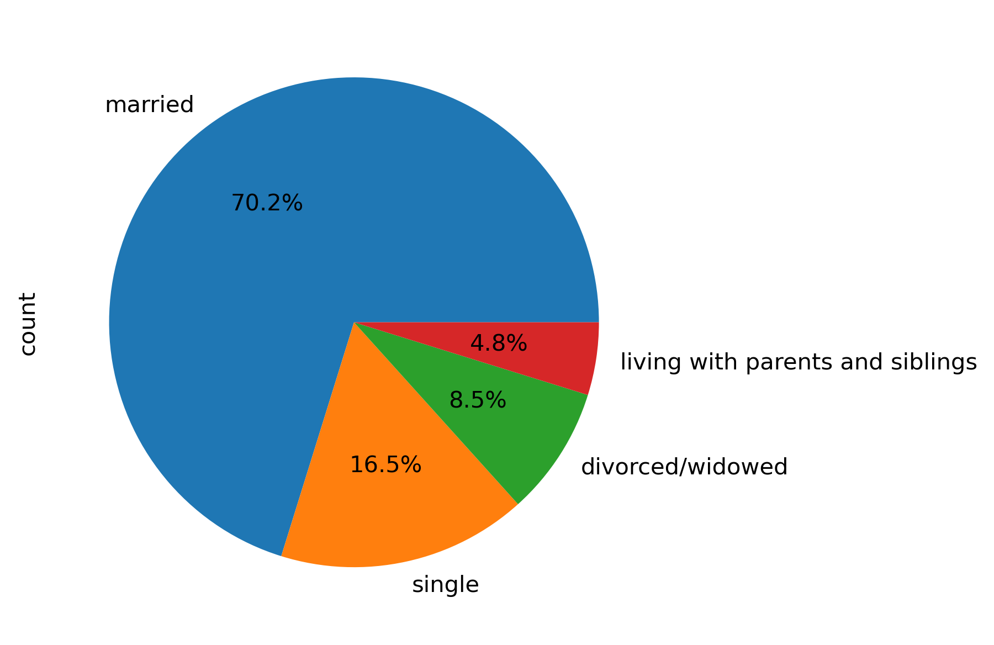
 |  |  |  |  |  |  |  |  |  |  |  | Title page

Recommendations
Visualisations

In this tab you should include all the visualtions from Exercises 4.9 and 4.10, alongside the questions from the project brief that they answer. Include any commentary on the relationship between different variables.

Question | Answer |  | Item
Key Question 1: The sales team needs to know what the busiest days of the week and hours of the day are (i.e., the days and times with the most orders) in order to schedule ads at times when there are fewer orders. | The busiest days of the week are Saturdays and Sundays. The busiest times with the most orders are 10AM to 4PM. | 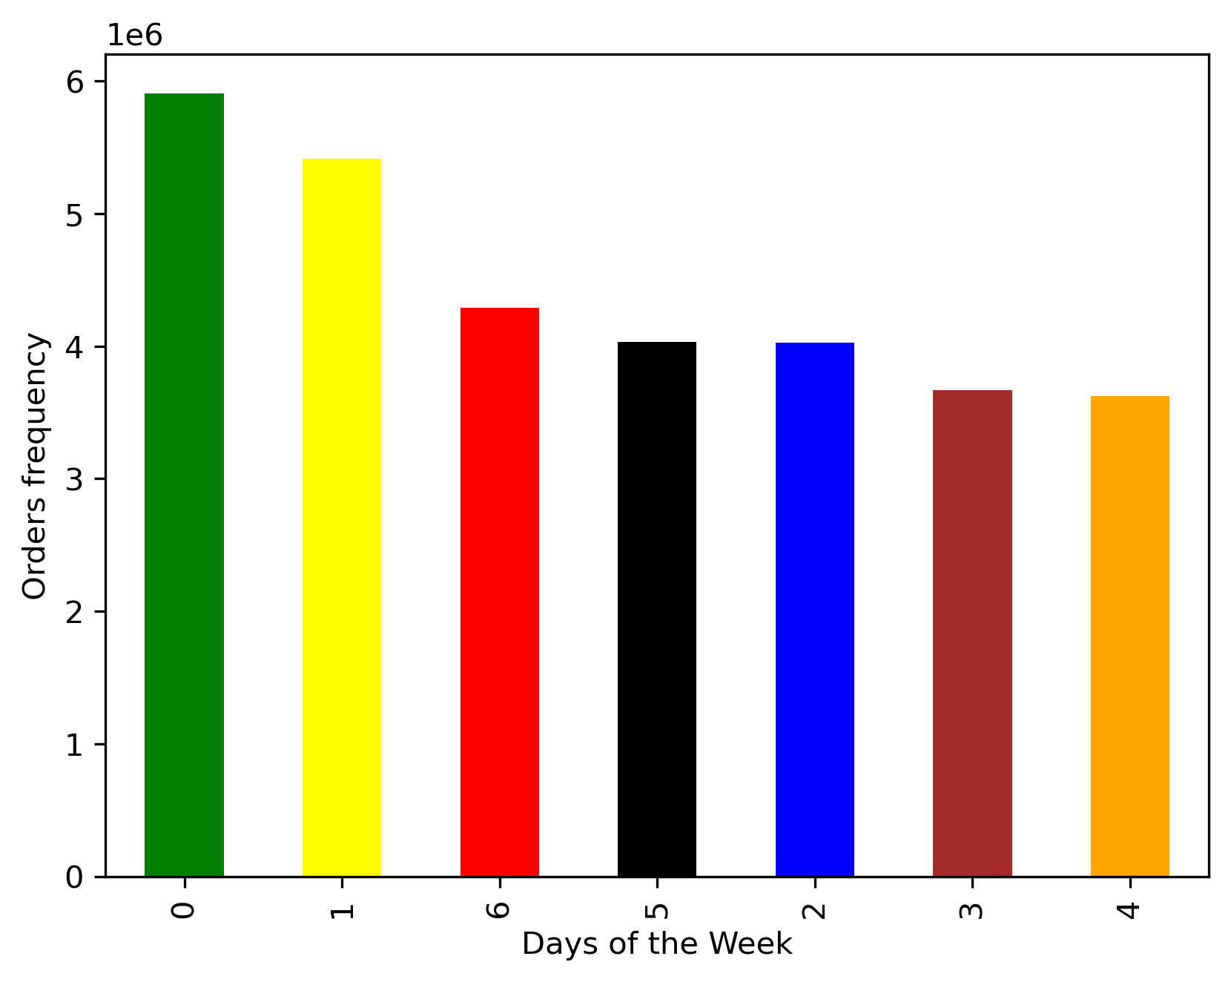

Key Question 2: They also want to know whether there are particular times of the day when people spend the most money, as this might inform the type of products they advertise at these times. | People tend to place orders from 10AM until ealy afteroon which is the most times people spent monry. | 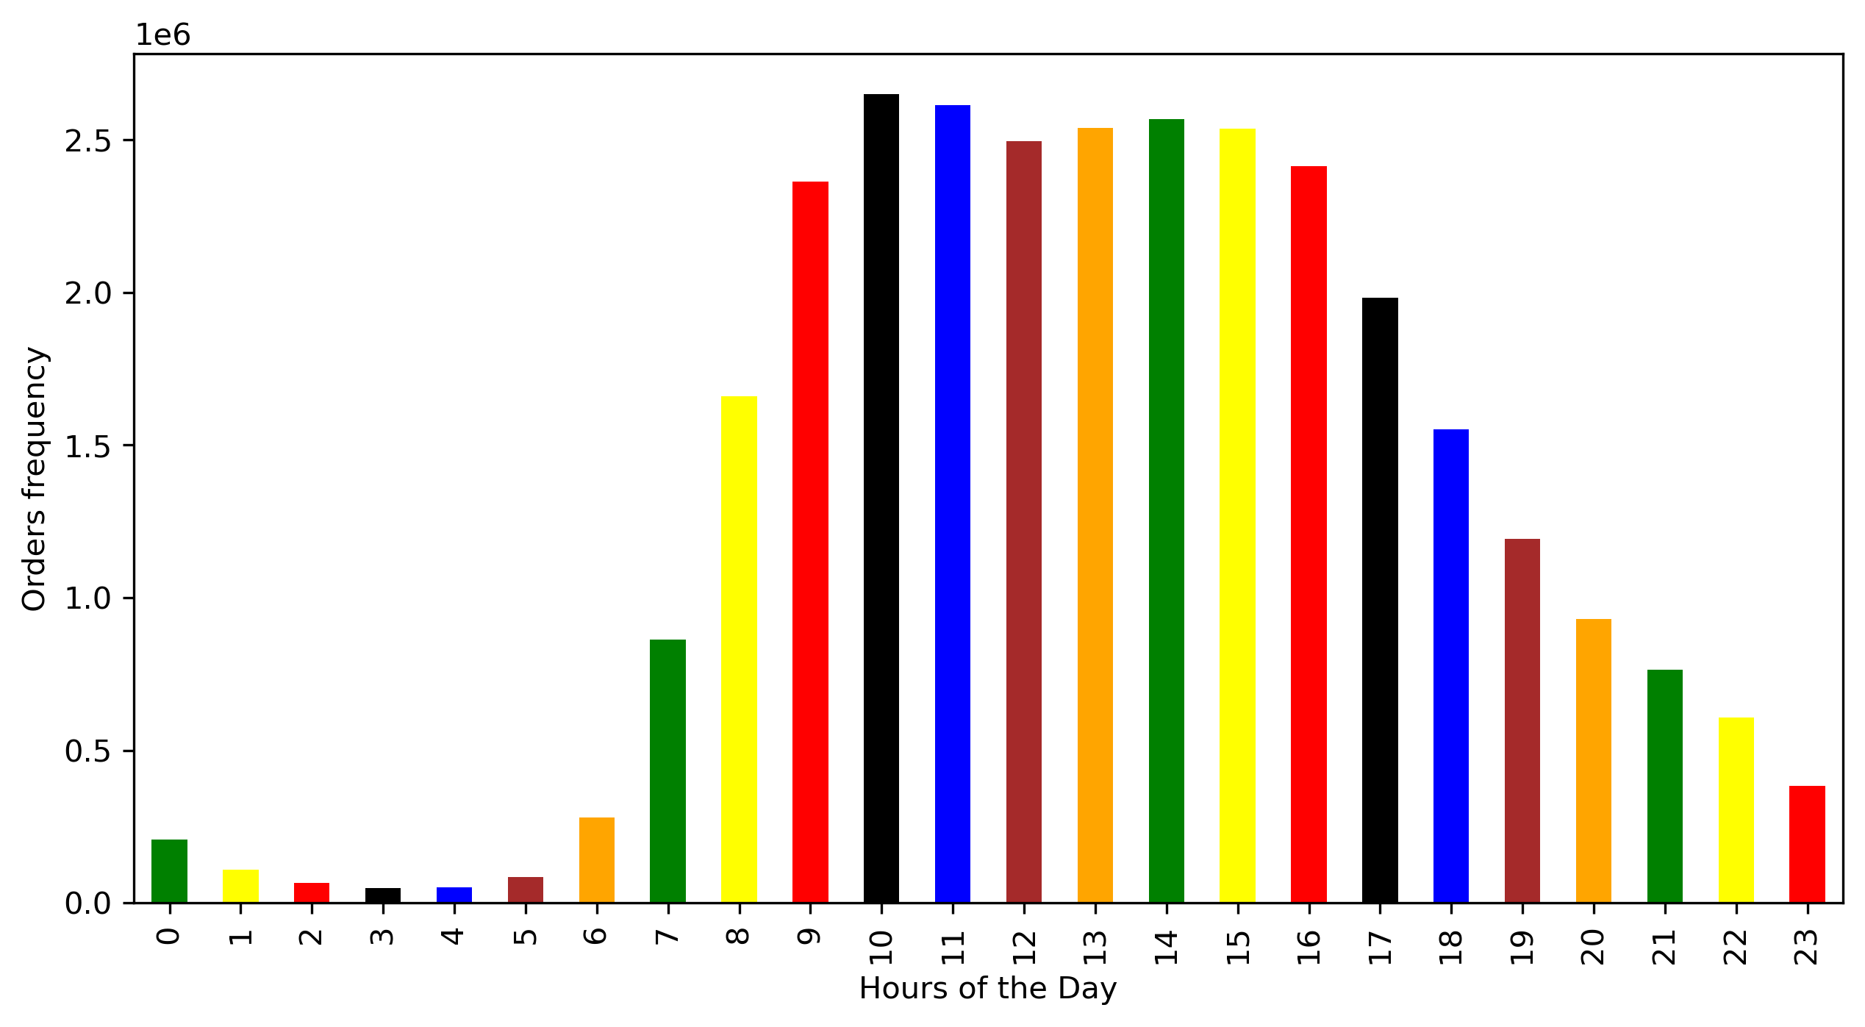

Key Question 3: Instacart has a lot of products with different price tags. Marketing and sales want to use simpler price range groupings to help direct their efforts. | Cusomters make the most purshcases where prices are within the mid-range products that is items between $5 and $15
 |  |  |  |  | price_range_loc
 |  |  |  |  | Mid-range product | 21865987
 |  |  |  |  | Low-range product | 10126321
 |  |  |  |  | High-range product | 2612551

Key Question 4: Are there certain types of products that are more popular than others? The marketing and sales teams want to know which departments have the highest frequency of product orders | The produce department has the most Instacart customer orders. Fellowed by the dairy eggs deparment, then the snaks. Bananas orders shows the hiests frequency of product orders. |  | 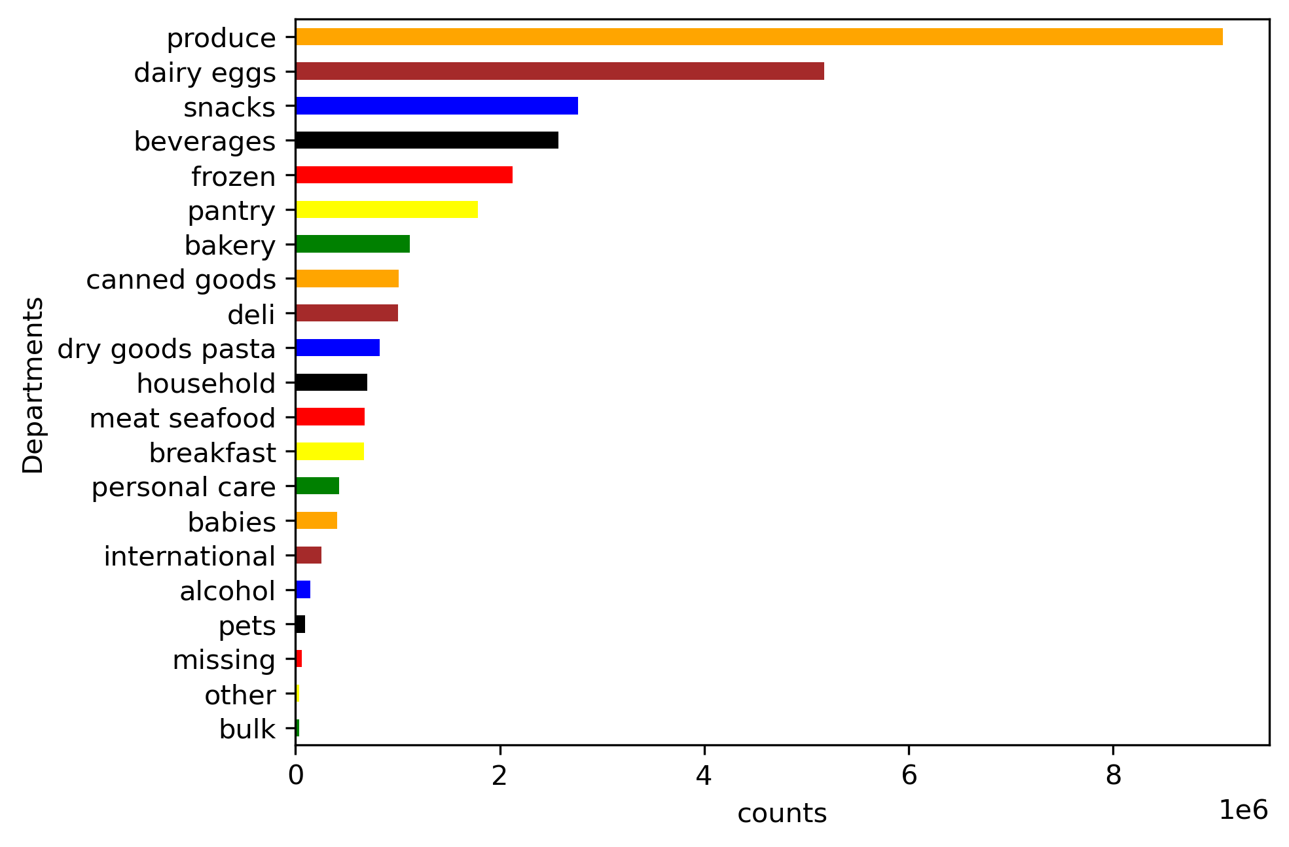
 |  |  |  |  |  |  |  |  | product_name
 |  |  |  |  |  |  |  |  | Banana | 453164
 |  |  |  |  |  |  |  |  | Bag of Organic Bananas | 366403
 |  |  |  |  |  |  |  |  | Organic Strawberries | 255988
 |  |  |  |  |  |  |  |  | Organic Baby Spinach | 231772
 |  |  |  |  |  |  |  |  | Organic Hass Avocado | 206799
 |  |  |  |  |  |  |  |  | Organic Avocado | 168267
 |  |  |  |  |  |  |  |  | Large Lemon | 145397
 |  |  |  |  |  |  |  |  | Strawberries | 136330
 |  |  |  |  |  |  |  |  | Limes | 134751
 |  |  |  |  |  |  |  |  | Organic Whole Milk | 133514
 |  |  |  |  |  |  |  |  | Organic Raspberries | 132945
 |  |  |  |  |  |  |  |  | Organic Yellow Onion | 109219
 |  |  |  |  |  |  |  |  | Organic Garlic | 105639
 |  |  |  |  |  |  |  |  | Organic Zucchini | 100664
 |  |  |  |  |  |  |  |  | Organic Blueberries | 95637
 |  |  |  |  |  |  |  |  | Cucumber Kirby | 92612
 |  |  |  |  |  |  |  |  | Organic Fuji Apple | 85941
 |  |  |  |  |  |  |  |  | Organic Lemon | 84608
 |  |  |  |  |  |  |  |  | Apple Honeycrisp Organic | 82349
 |  |  |  |  |  |  |  |  | Organic Grape Tomatoes | 80756

Key Question 5: What’s the distribution among users in regards to their brand loyalty (i.e., how often do they return to Instacart)? ○ Are there differences in ordering habits based on a customer’s loyalty status? ○ Are there differences in ordering habits based on a customer’s region? ○ Is there a connection between age and family status in terms of ordering habits? | Most customers are regular customers who have maximum number ofrders between 10 to 40 orders. Loyal customers comes in the sencod palce and fellowed by new customers. This is also true when counting for age, regions, and income. Those regular customers are of low spenders. \ Married low spender of mid-aged cusmtoers are making the most sales flellowed by married senior low spenders | 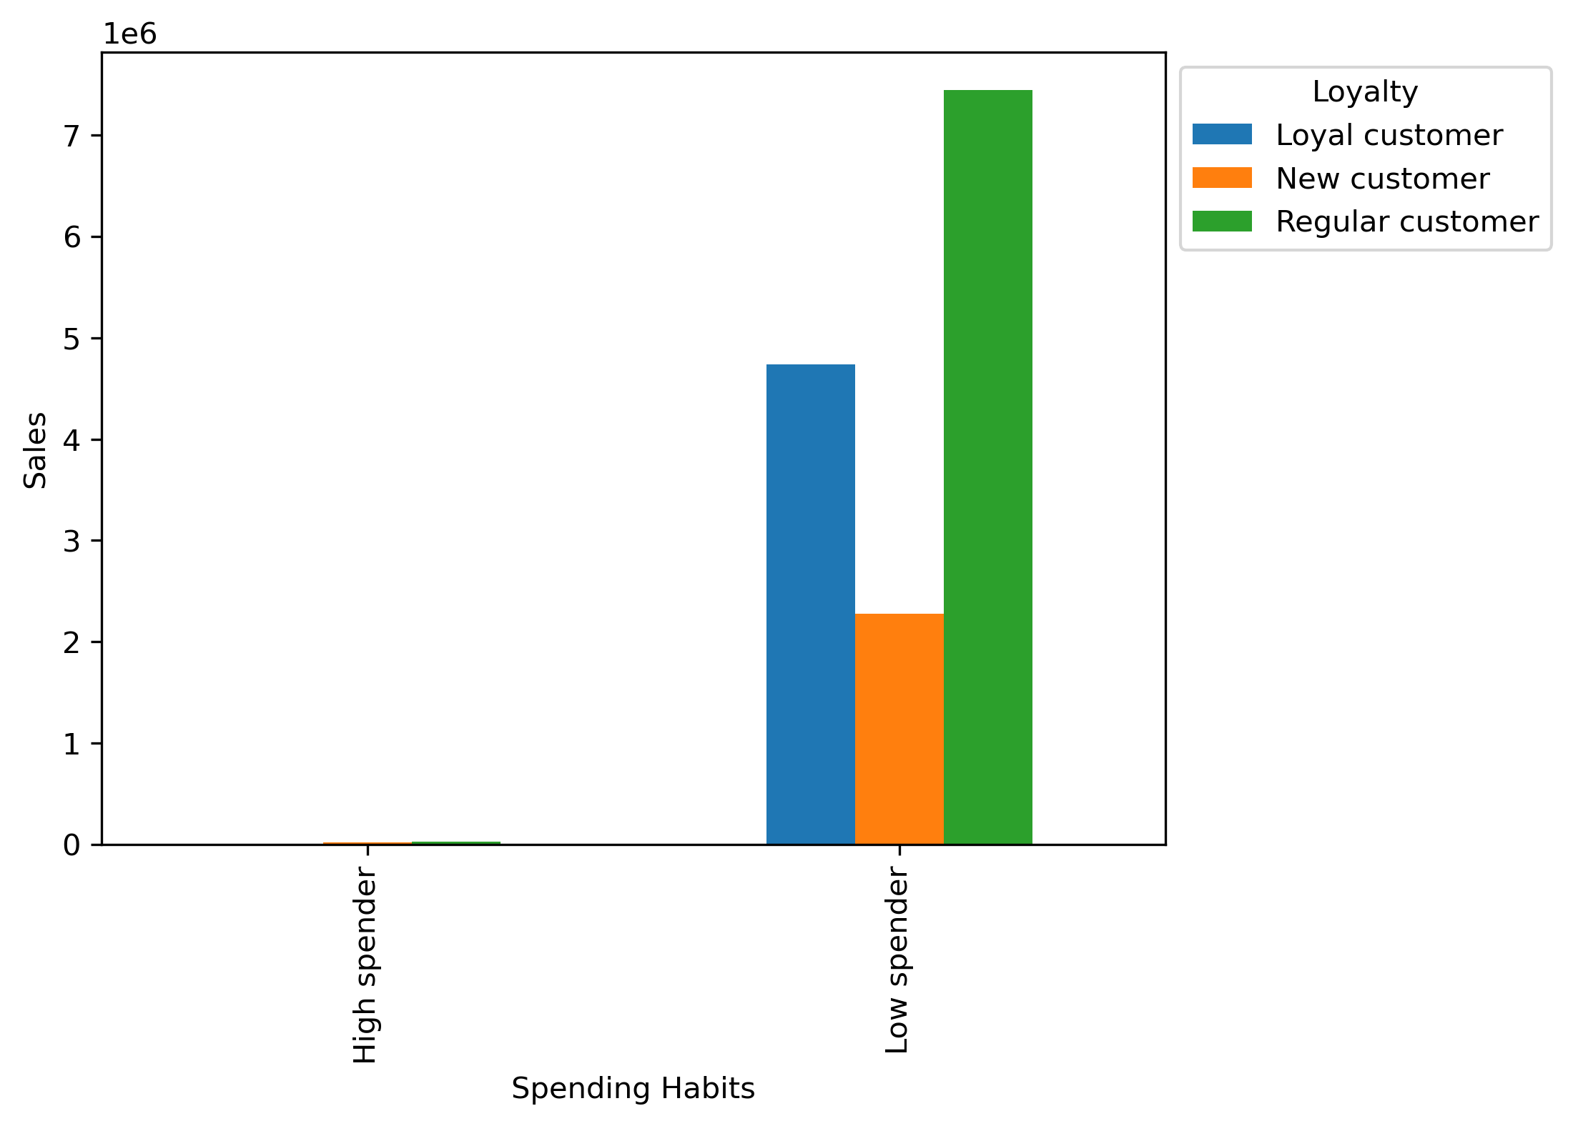 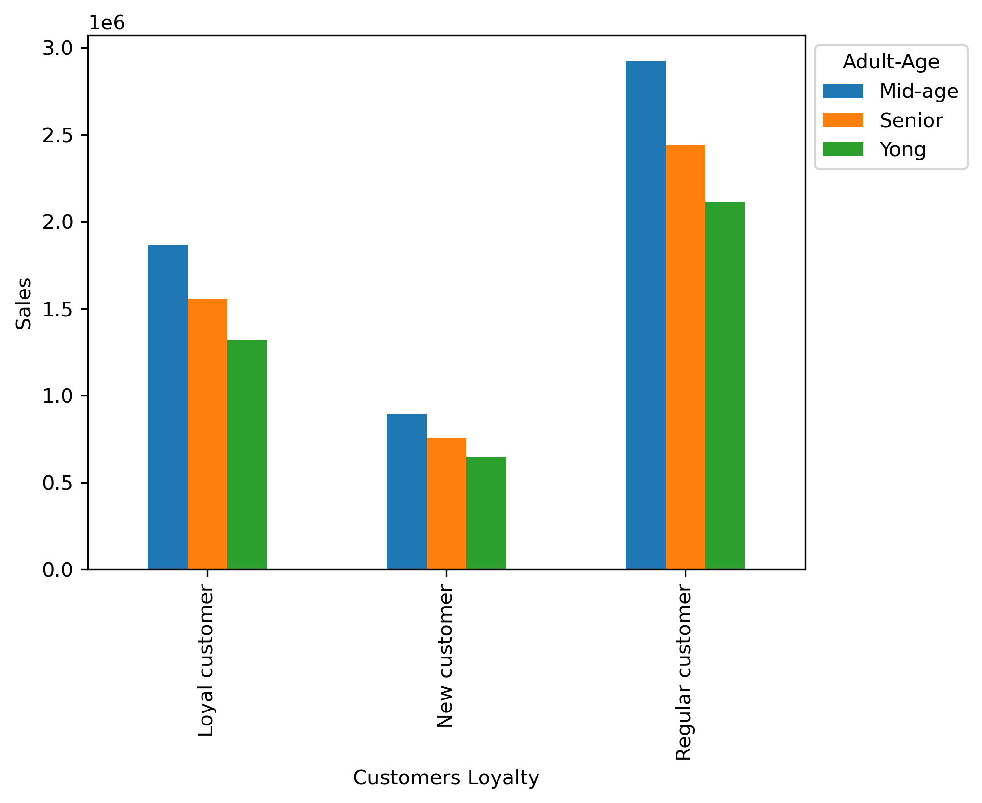 |  |  |  | 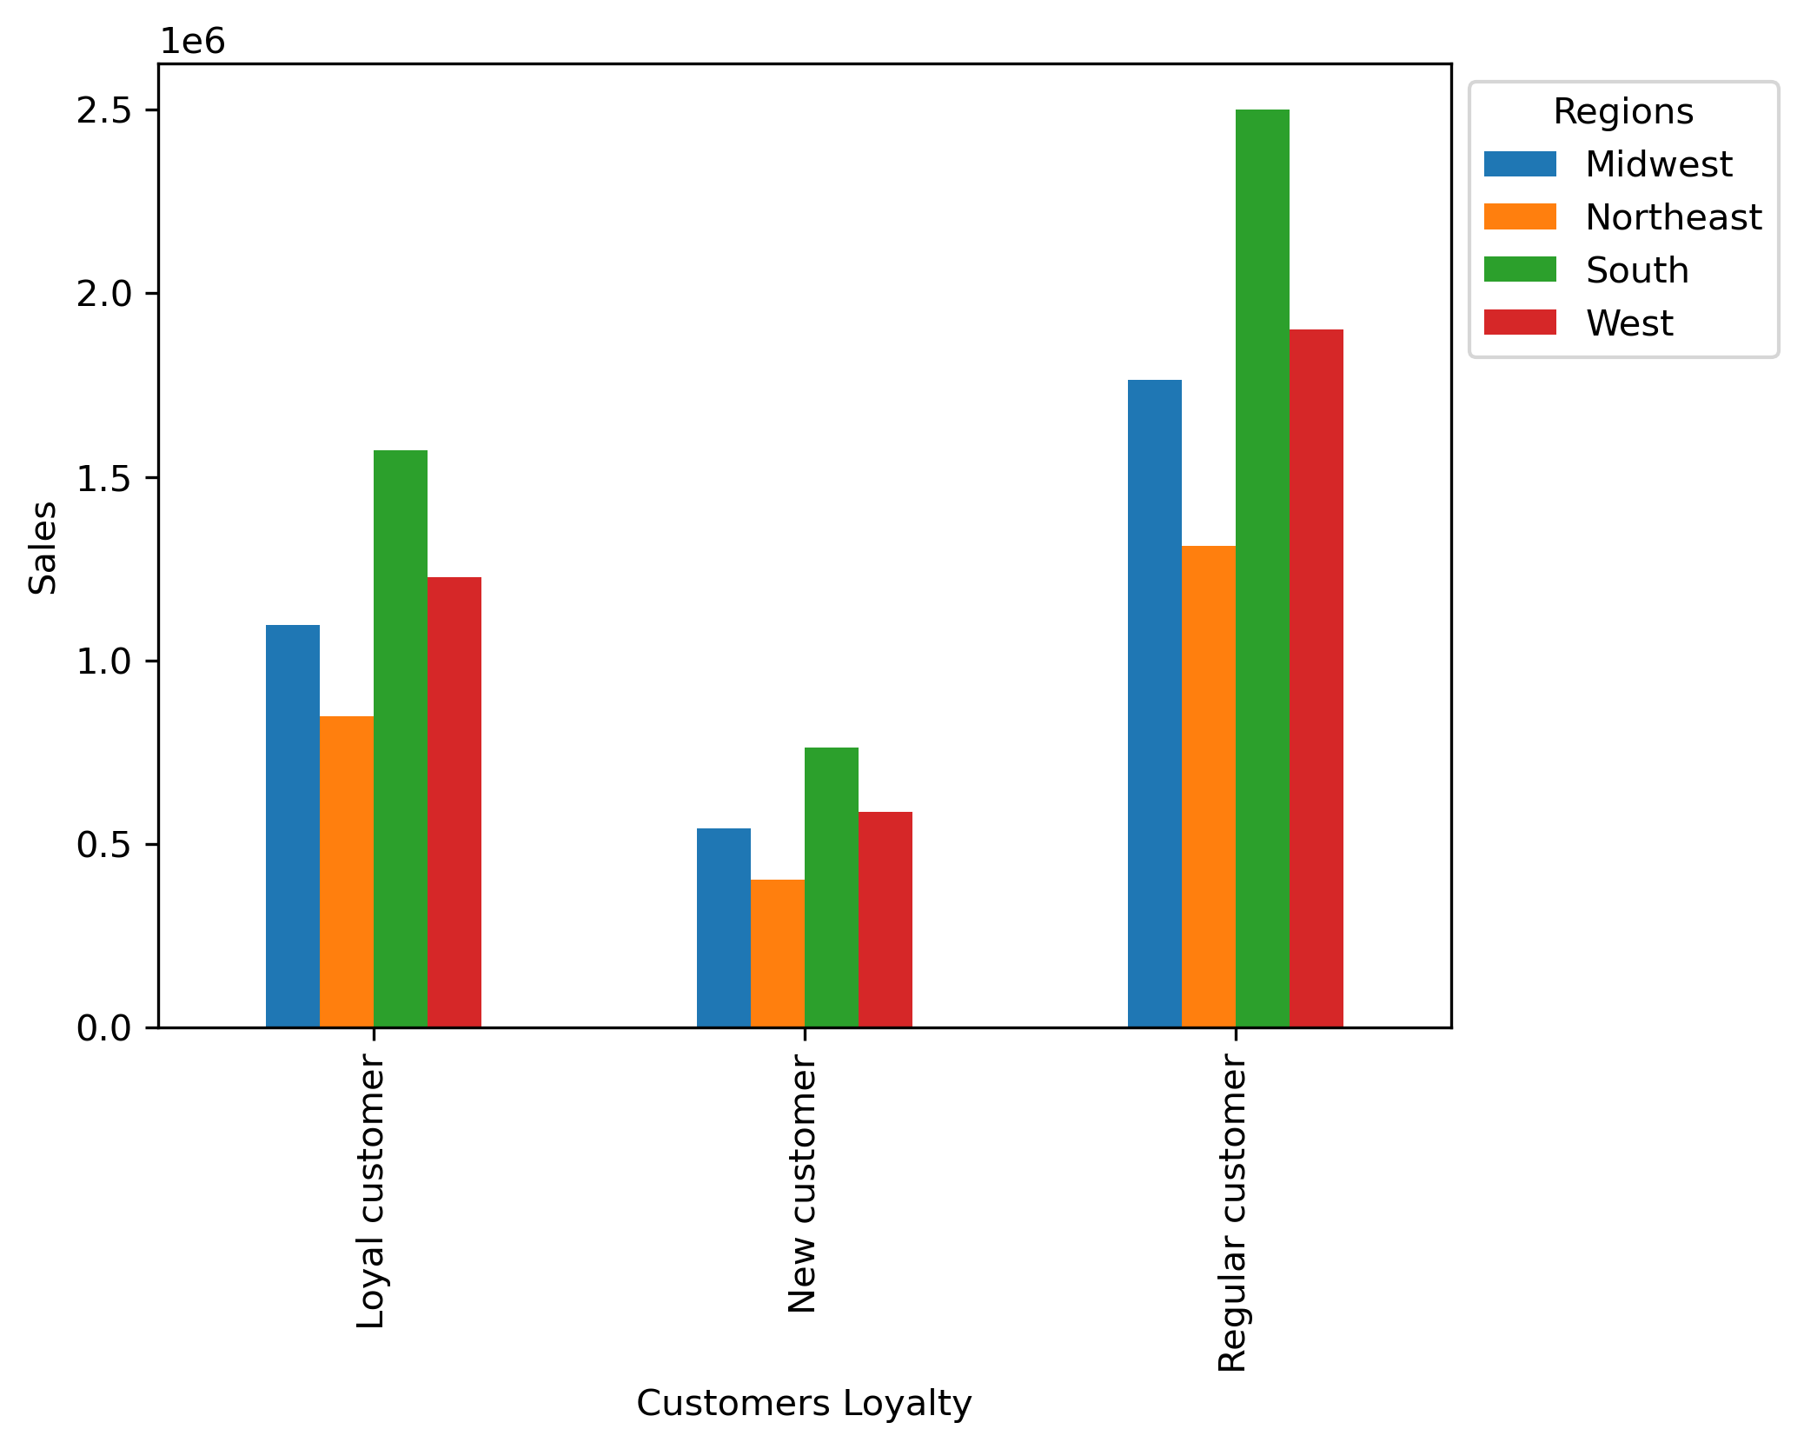 |  |  | 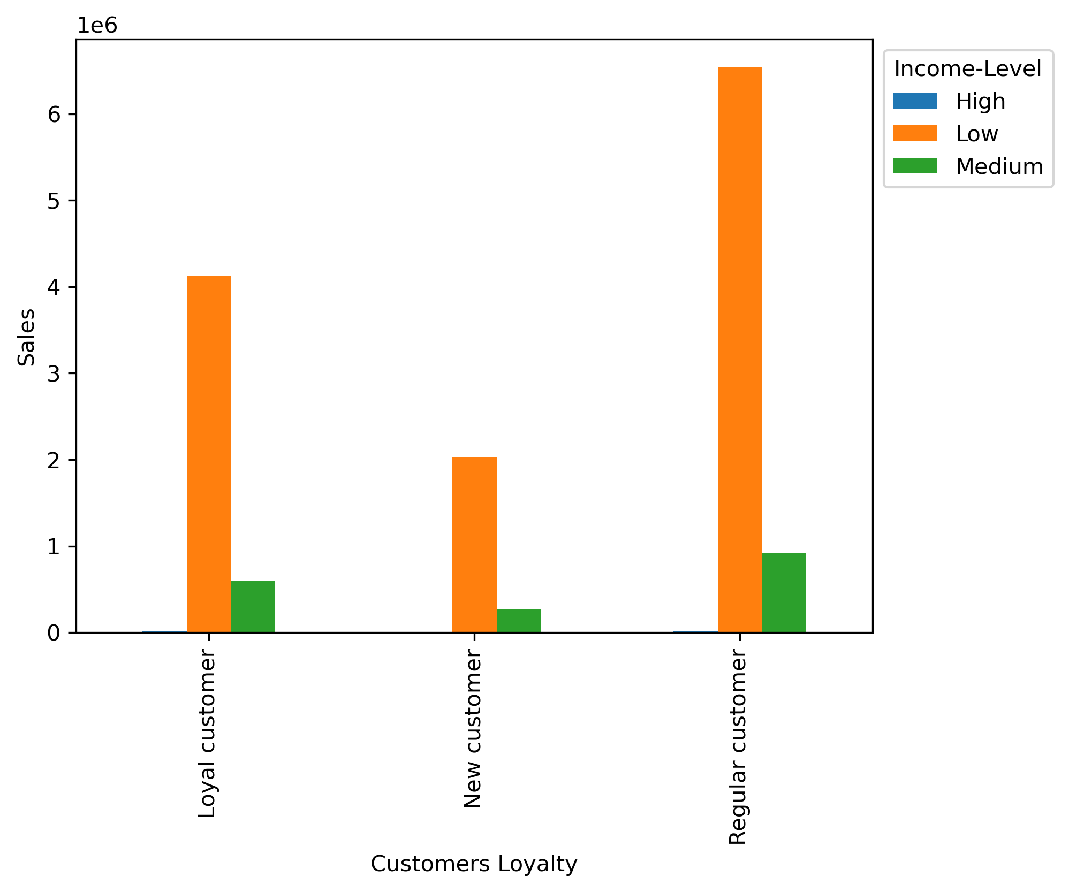

 |  |  |  | loyalty_flag
 |  |  |  | Regular customer | 473070
 |  |  |  | Loyal customer | 287917
 |  |  |  | New customer | 239013

 |  |  |  | adult_age_flag | fam_status |  | spending_flag
 |  |  |  | Mid-age | divorced/wi | dowed | Low spender | 53244
 |  |  |  |  |  |  | High spender | 69
 |  |  |  |  | married |  | Low spender | 4245291
 |  |  |  |  |  |  | High spender | 17348
 |  |  |  |  | single |  | Low spender | 1364095
 |  |  |  |  |  |  | High spender | 8285
 |  |  |  | Senior | divorced/wi | dowed | Low spender | 1179204
 |  |  |  |  |  |  | High spender | 5529
 |  |  |  |  | married |  | Low spender | 3546882
 |  |  |  |  |  |  | High spender | 14874
 |  |  |  | Yong | living with | parents and siblings | Low spender | 693371
 |  |  |  |  |  |  | High spender | 2913
 |  |  |  |  | married |  | Low spender | 2359021
 |  |  |  |  |  |  | High spender | 9500
 |  |  |  |  | single |  | Low spender | 1016378
 |  |  |  |  |  |  | High spender | 4172

Key Question 6: What different classifications does the demographic information suggest? Age? Income? Certain types of goods? Family status? | * Across Instacart departments, the Southern and MidWestern regions lead in sales. The produce department has the highest sales, followed by dairy and eggs, and then beverages. * Middle-aged customers in the Southern regions are the primary customers placing grocery orders via Instacart, followed by Senior customers. This is consistent with previous findings where the produce department was found to be the most popular category. * As far as the income level, the low-income customers are making the most transactions, followed by medium-income customers. These low-income customers are primarily located in the Southern region, followed by the MidWestern regions. * Instantcart customers primarily consist of individuals with dependents. These customers with dependents conduct the majority of transactions across all departments, compared to those without dependents. It is important to note that while customers with dependents are mainly located in the Southern region, the Western region ranks second in terms of customer base with dependents and sales. * This suggests that the number of dependents is not necessarily driving the sales in the Instantcart. This is because most of the sales are driven by the Southern and MidWestern regions. While the Western region comes in third place for sales, it comes in second place when factoring in the dependents' status. | 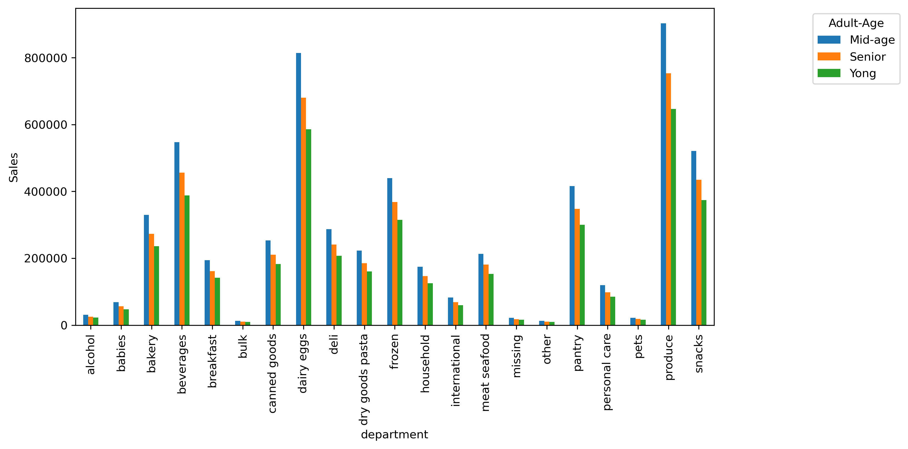 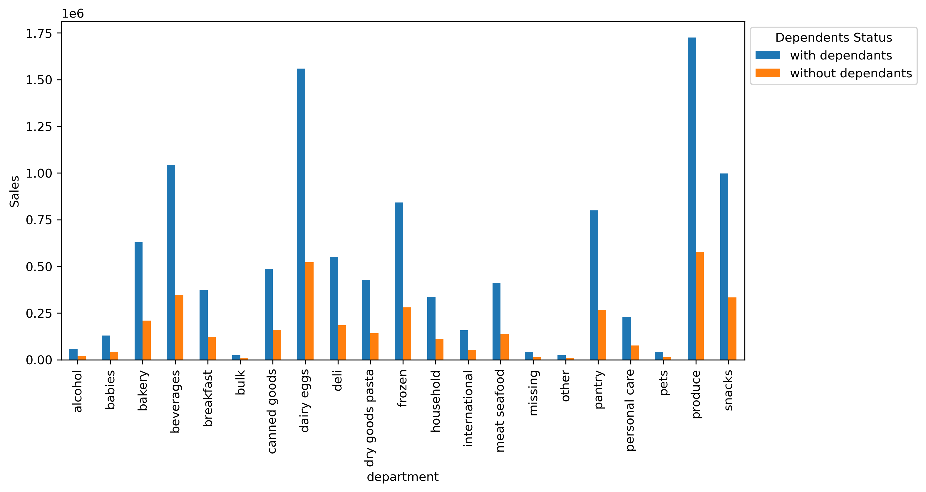 |  |  |  | 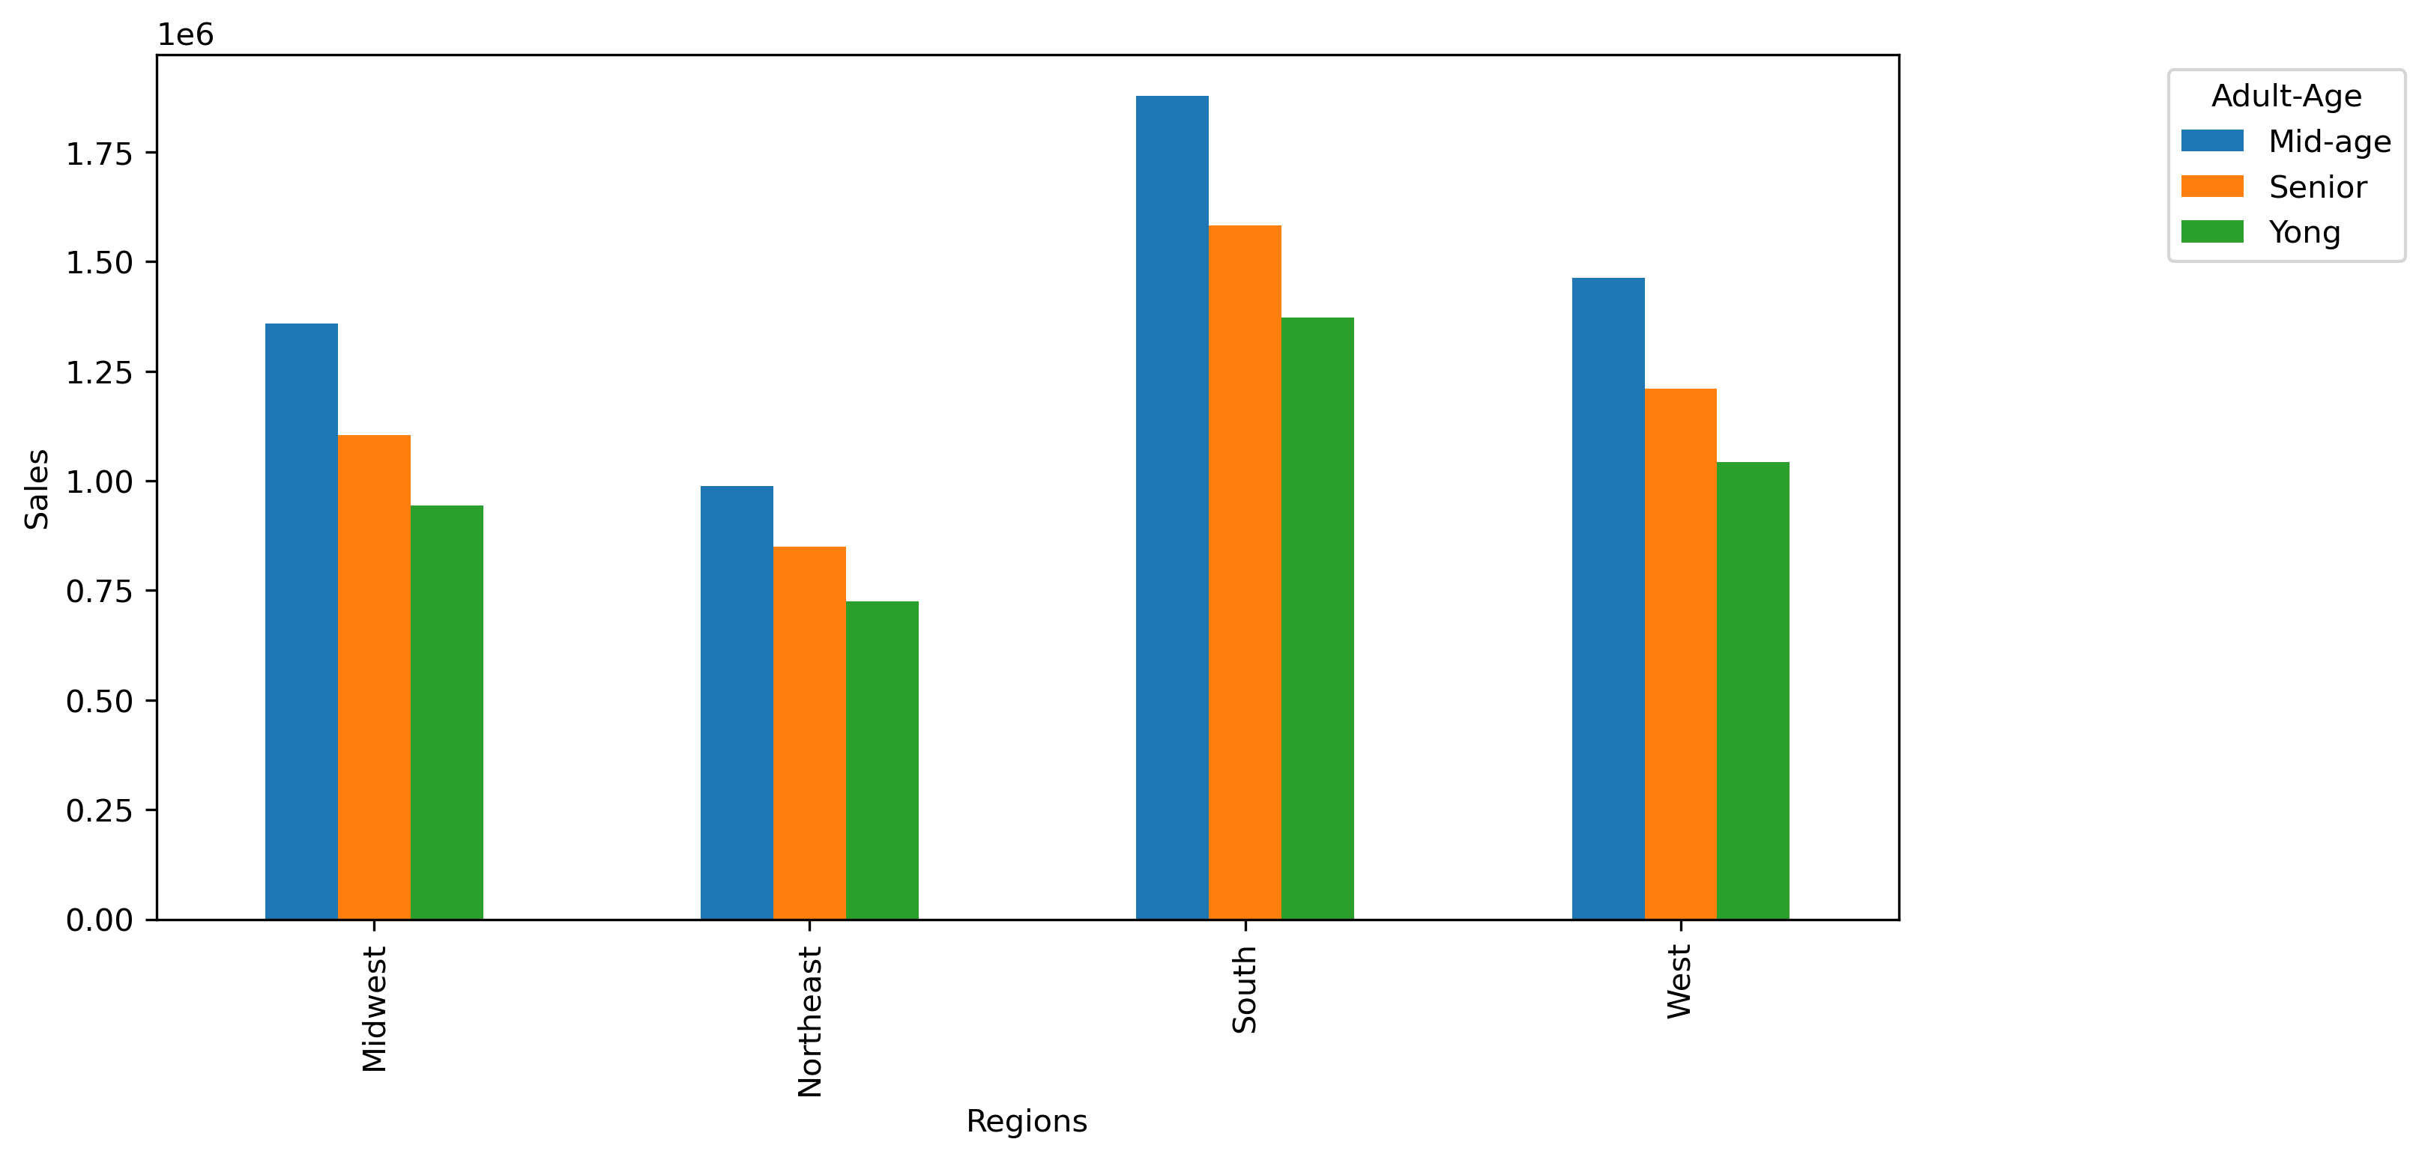 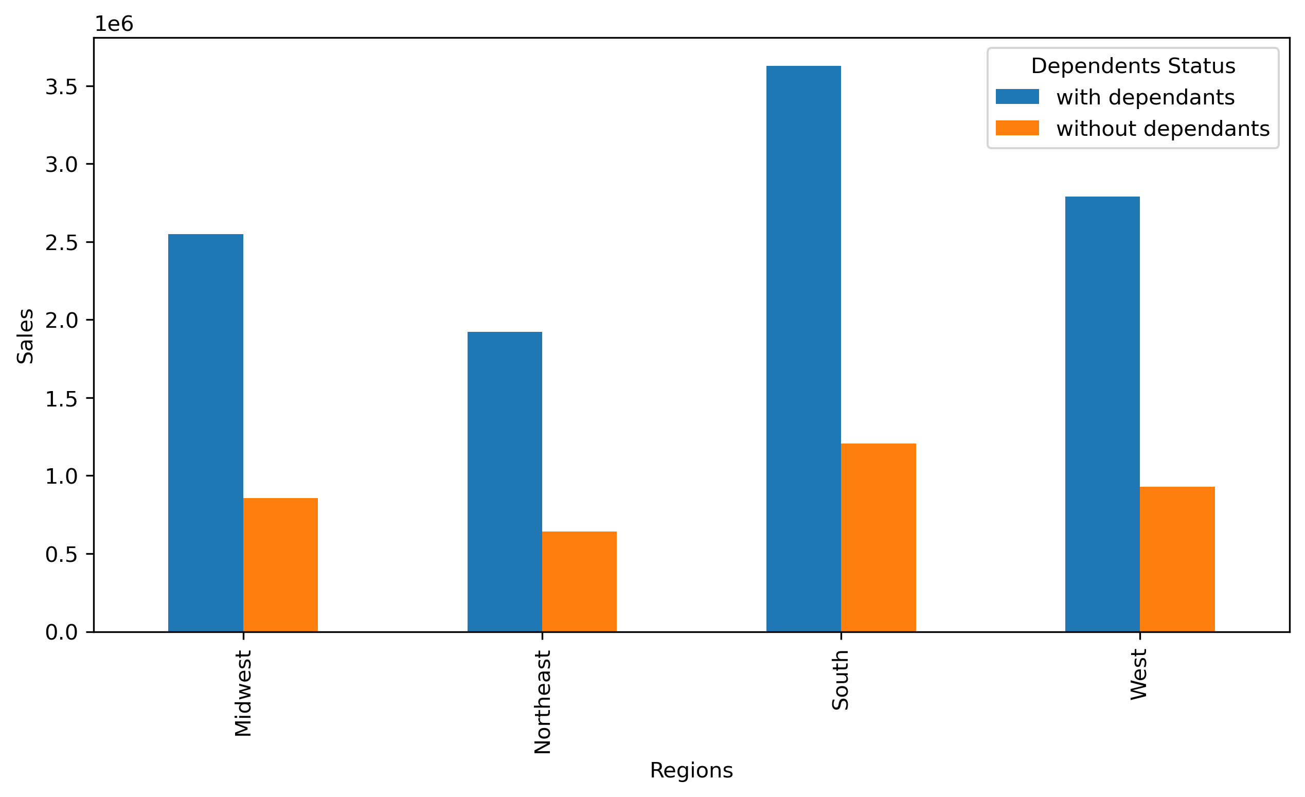 |  |  | 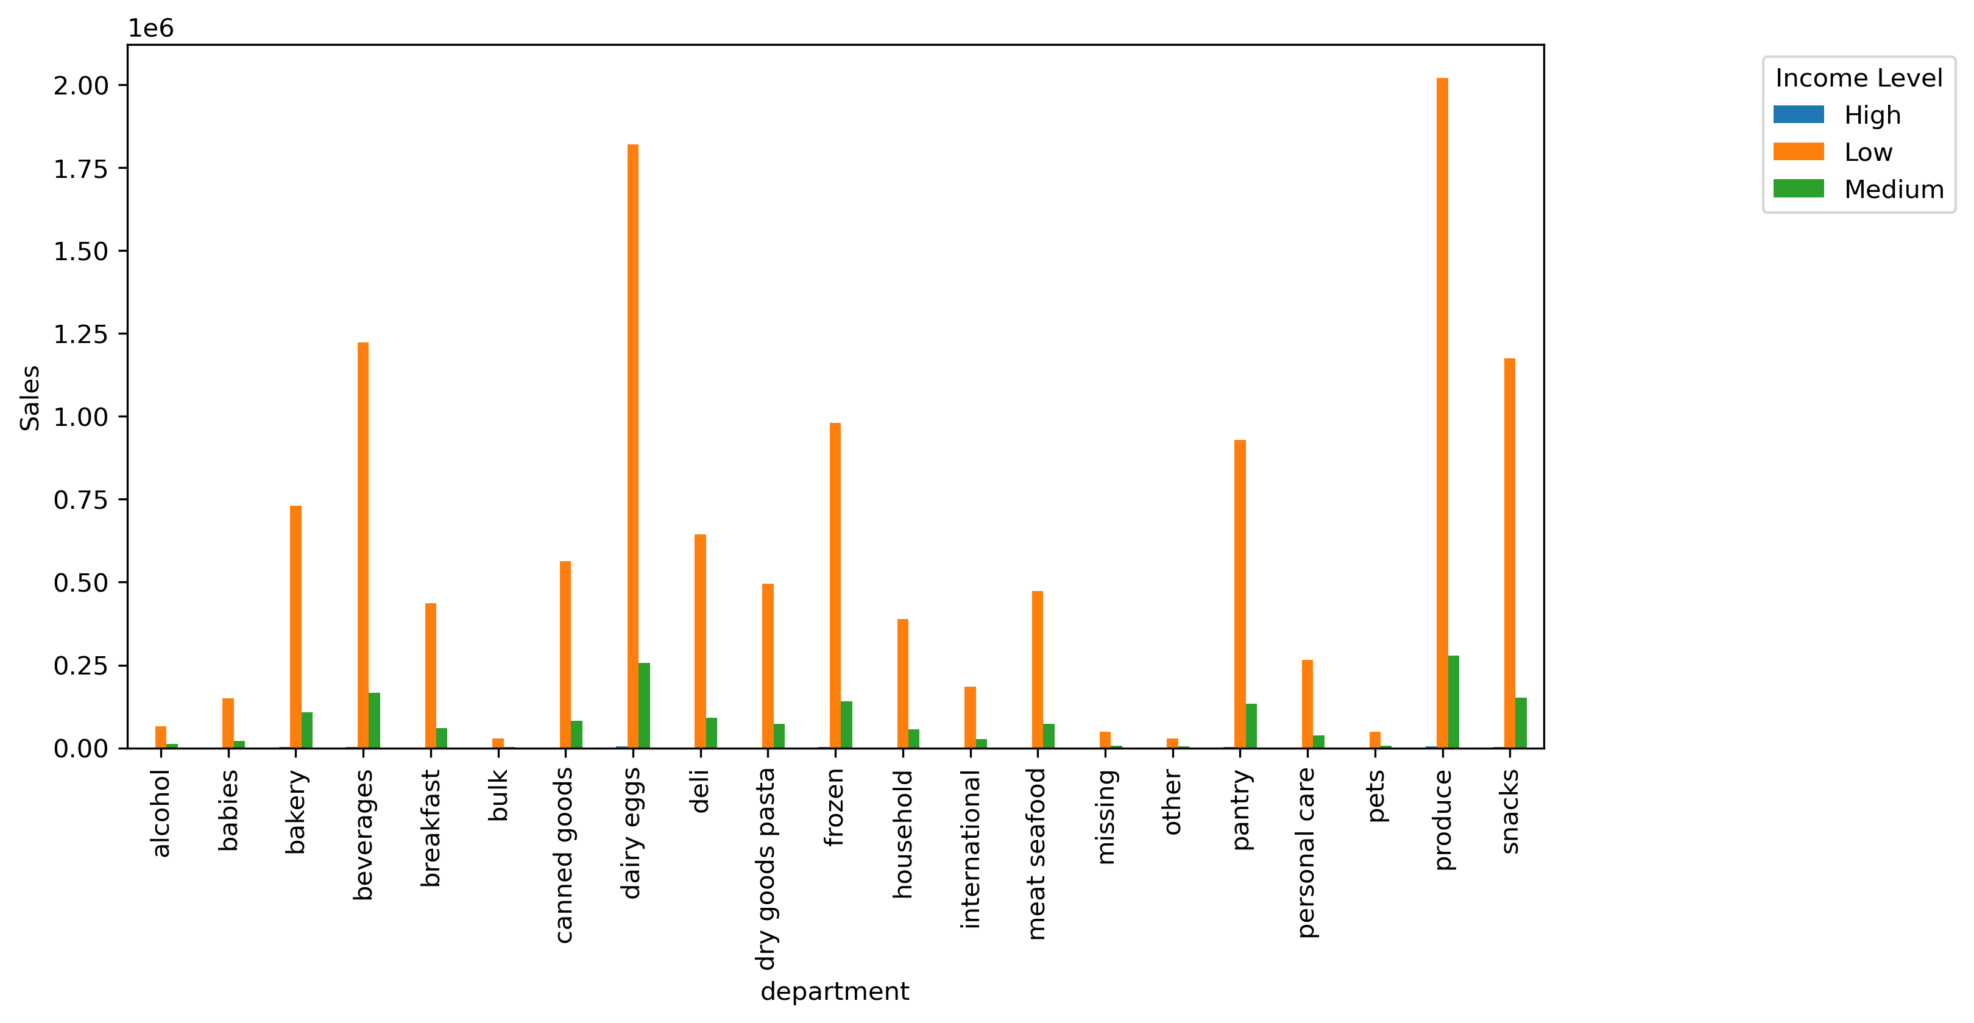 |  | 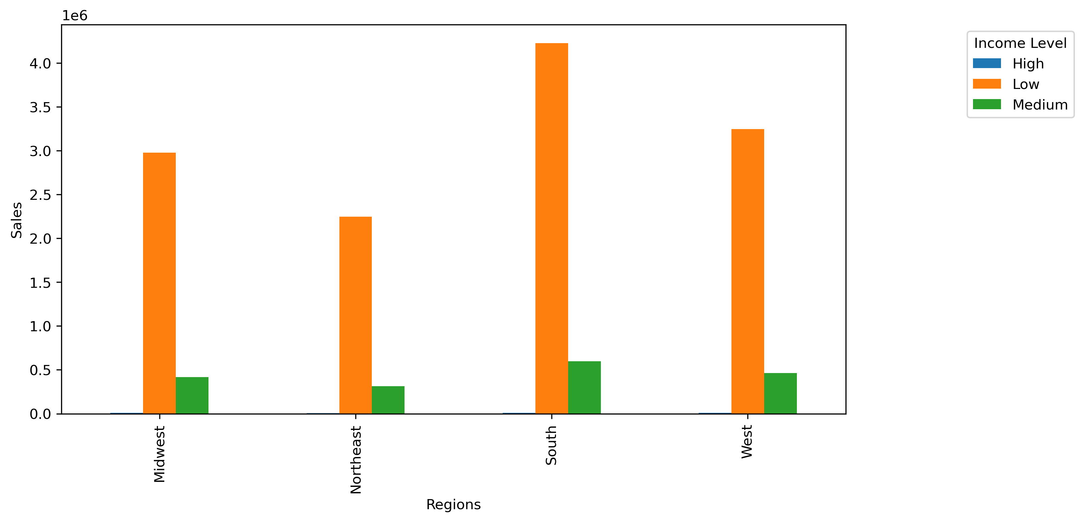

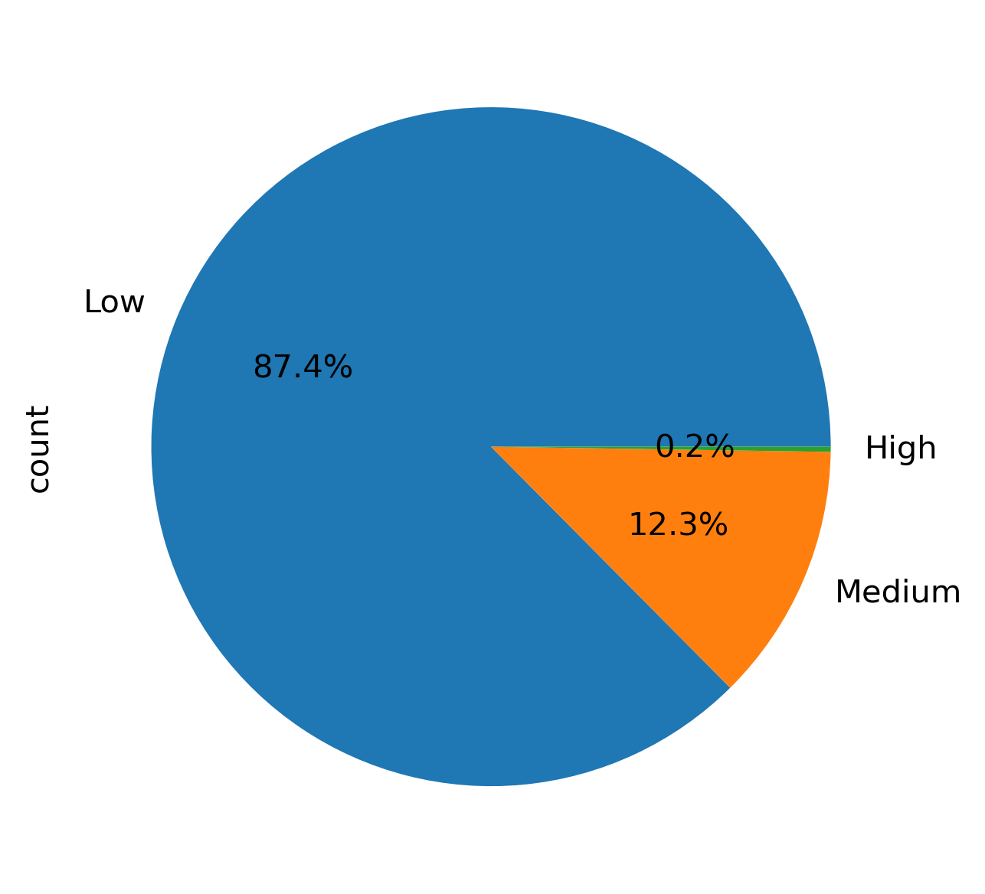
Key Question 7: What differences can you find in ordering habits of different customer profiles? Consider the price of orders, the frequency of orders, the products customers are ordering, and anything else you can think of. | Ordering habits are more frequent among married customers, accounting for 70.2% of Instantcart orders, followed by single customers at 16.5%. In terms of ordering frequency, frequent customers make up 68.2% of orders, followed by regular customers at 22.3%. Among customers, those with low income make up 87.4% of orders, with medium income customers accounting for 12.3% of orders. Among customers, those with dependents make up the majority of orders at 75%, while customers with no dependents account for 25% of orders. |  | 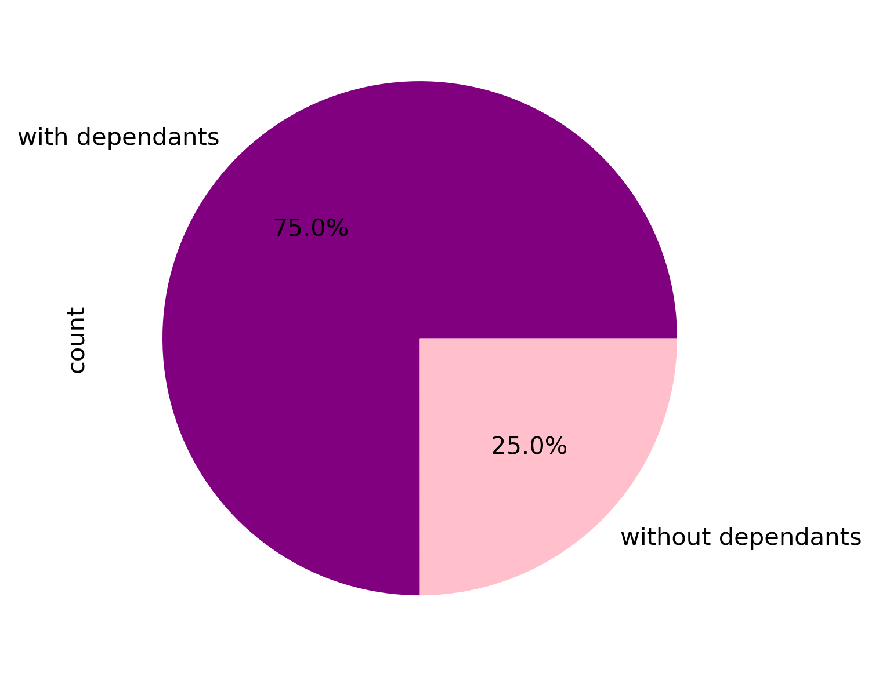 |  |  |  |  | 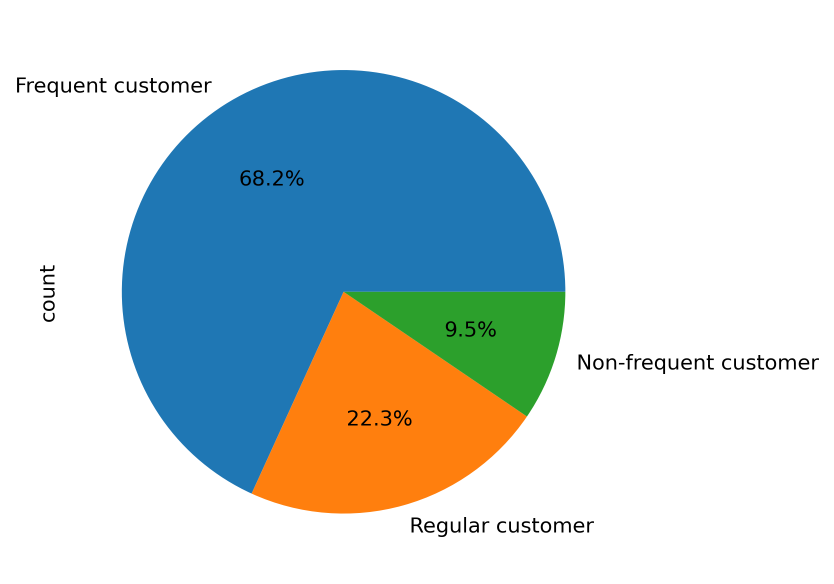

7. Recommendations
 |  |  | Title page

Recommendations

In this tab you should include any recommendations you would made to Instcart in terms of their marketing strategy based on the questions posed in the brief. Every key question has been covered in the Tasks of the Exercises - here you need to add an item - a visualisation or table/crosstable that is showing the answer in the data, acompanied by a comment from you. Please, list the questions below and add the answer underneath.

Question | Answer | Recommendations
Key Question 1: The sales team needs to know what the busiest days of the week and hours of the day are (i.e., the days and times with the most orders) in order to schedule ads at times when there are fewer orders. | The busiest days of the week are Saturdays and Sundays. The busiest times with the most orders are 10AM to 4PM. | We suggest that Instacart increase their advertising and promotions for weekend sales. This could include releasing ads a day before peak days as well as offering pop-up sales and promotions on the morning of those peak days. Additionally, it is encouraged to have promotions running during slower sales days such as Tuesdays and Thursdays in order to maintain a consistent level of sales throughout the week.

Key Question 2: They also want to know whether there are particular times of the day when people spend the most money, as this might inform the type of products they advertise at these times. | People tend to place orders from 10AM until ealy afteroon which is the most times people spent monry. | We recommend that Instacart increase their advertising and promotional efforts during peak sales hours. According to our research, Instacart customers tend to start placing their orders early in the morning arounf 7AM, with a peak at 10AM. This trend continues into the early afternoon. To maximize sales during these peak hours, we suggest releasing daily promotions during early morning hours, with a focus on specific product categories. In addition, we suggest offering promotions during mid-morning and early afternoon to further boost sales throughout the day. To increase sales during other hours of the day, we recommend releasing advertisements and incentives targeted towards orders placed during less busy times. This can help balance out sales and attract customers to shop at different times throughout the day.

Key Question 3: Instacart has a lot of products with different price tags. Marketing and sales want to use simpler price range groupings to help direct their efforts. | Cusomters make the most purshcases hwere prices are within the mid-range products that is items between $5 and $15 | Mid-range product are the most popular items among Instacart customers, followed by low-range products. Ensuring a variety of products within this popular range could help increase sales. Additionally, promotions on higher-priced products could also drive sales for those items. Offering different sizes of products may also help boost sales for less popular, higher-priced items and . popular items as well.

Key Question 4: Are there certain types of products that are more popular than others? The marketing and sales teams want to know which departments have the highest frequency of product orders | The produce department has the most Instacart customer orders. Fellowed by the dairy eggs deparment, then the snaks. Bananas orders shows the hiests frequency of product orders. | We recommend that Instantcart maintains a good inventory, especially during busy days, such as weekends, for popular items in the produce and dairy departments, including bananas, other fruits and vegetables, and daily products. These items are the most popular and generate the majority of sales. Furthermore, we suggest offering promotions on these items during peak times to further increase sales. To encourage sales in other departments, it is important to target customers who may not typically shop in those areas. For example, offering more snack items with different price tags in different can attract new customers and increase sales in those departments.

Key Question 5: What’s the distribution among users in regards to their brand loyalty (i.e., how often do they return to Instacart)? ○ Are there differences in ordering habits based on a customer’s loyalty status? ○ Are there differences in ordering habits based on a customer’s region? ○ Is there a connection between age and family status in terms of ordering habits? | Most customers are regular customers who have maximum number ofrders between 10 to 40 orders. Loyal customers comes in the sencod palce and fellowed by new customers. This is also true when counting for age, regions, and income. Those regular customers are of low spenders. \ Married low spender of mid-aged cusmtoers are making the most sales flellowed by married senior low spenders | There are differences in ordering habits among Instantcart customers. It is important to cater to those customers with particular products and orders at different regions and times in order to maximize sales for Instantcart. Married customers are making the most sales. Therefore, it is important to consider the items they order, as well as their preferred days and times, in order to offer more promotions and attract more sales from these customers. To increase sales among other customers, it is also encouraging to understand their needs and try to meet them in order to drive more sales.

Key Question 6: What different classifications does the demographic information suggest? Age? Income? Certain types of goods? Family status? | * Across Instacart departments, the Southern and MidWestern regions lead in sales. The produce department has the highest sales, followed by dairy and eggs, and then beverages. * Middle-aged customers in the Southern regions are the primary customers placing grocery orders via Instacart, followed by Senior customers. This is consistent with previous findings where the produce department was found to be the most popular category. * As far as the income level, the low-income customers are making the most transactions, followed by medium-income customers. These low-income customers are primarily located in the Southern region, followed by the MidWestern regions. * Instantcart customers primarily consist of individuals with dependents. These customers with dependents conduct the majority of transactions across all departments, compared to those without dependents. It is important to note that while customers with dependents are mainly located in the Southern region, the Western region ranks second in terms of customer base with dependents and sales. * This suggests that the number of dependents is not necessarily driving the sales in the Instantcart. This is because most of the sales are driven by the Southern and MidWestern regions. While the Western region comes in third place for sales, it comes in second place when factoring in the dependents' status. | A large portion of sales can be attributed to regular, middle-aged Instacart customers in low-income southern regions who are also low spenders. We recommend focusing on meeting the needs and preferences of these customers, particularly when it comes to products and slaes. Instacart should prioritize and value these customers by offering promotions when they reach a certain number of orders or sales. We recommend that Instacart offers different promotions for customers with dependents and those without. To attract a diverse range of customers in various regions, it is helpful to understand their specific needs based on location and cater to their preferences. This also depends on Instacart's future projections of the company's strategy and expansion. Instacart may choose to focus on a basket where they can excel, or they may decide to expand and target a larger customer base in bigger areas.

Key Question 7: What differences can you find in ordering habits of different customer profiles? Consider the price of orders, the frequency of orders, the products customers are ordering, and anything else you can think of. | Ordering habits are more frequent among married customers, accounting for 70.2% of Instantcart orders, followed by single customers at 16.5%. In terms of ordering frequency, frequent customers make up 68.2% of orders, followed by regular customers at 22.3%. Among customers, those with low income make up 87.4% of orders, with medium income customers accounting for 12.3% of orders. Among customers, those with dependents make up the majority of orders at 75%, while customers with no dependents account for 25% of orders. | Since the majority of Instantcart customers are married with dependents and have low income, it is important to offer good promotions. This not only increases sales, but also shows appreciation to these regular customers. It is recommended that Instantcart develops a strategic plan to attract more sales from other demographics. This could involve providing a seamless shopping experience catered to those customers.

