Sheet1
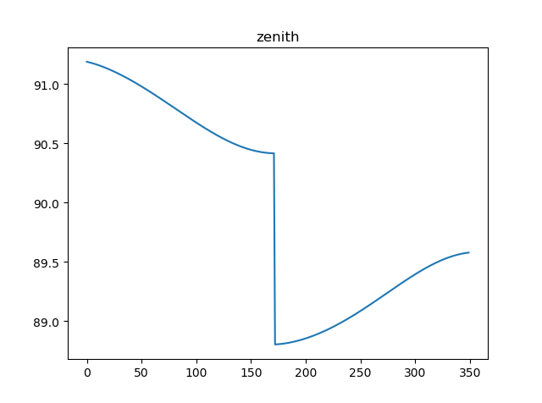
mean longitude
[280.76310586666386, 281.7487532666637, 282.73440066666444, 283.7200480666643, 284.7056954666641, 285.69134286666394, 286.6769902666638, 287.6626376666636, 288.64828506666436, 289.6339324666642, 290.619579866664, 291.60522726666386, 292.5908746666637, 293.57652206666444, 294.5621694666643, 295.5478168666641, 296.53346426666394, 297.5191116666638, 298.5047590666636, 299.49040646666435, 300.4760538666642, 301.461701266664, 302.44734866666386, 303.4329960666637, 304.41864346666443, 305.40429086666427, 306.3899382666641, 307.37558566666394, 308.3612330666638, 309.3468804666636, 310.33252786666435, 311.3181752666642, 312.303822666664, 313.28947006666385, 314.2751174666637, 315.26076486666443, 316.24641226666427, 317.2320596666641, 318.21770706666393, 319.20335446666377, 320.1890018666636, 321.17464926666435, 322.1602966666642, 323.145944066664,
324.13159146666385, 325.1172388666637, 326.1028862666644, 327.08853366666426, 328.0741810666641, 329.05982846666393, 330.04547586666376, 331.0311232666636, 332.01677066666434, 333.0024180666642, 333.988065466664, 334.97371286666385, 335.9593602666637, 336.9450076666644, 337.93065506666426, 338.9163024666641, 339.9019498666639, 340.88759726666376, 341.8732446666636, 342.85889206666434, 343.8445394666642, 344.830186866664, 345.81583426666384, 346.8014816666637, 347.7871290666644, 348.77277646666425, 349.7584238666641, 350.7440712666639, 351.72971866666376, 352.7153660666636, 353.70101346666434, 354.68666086666417, 355.672308266664, 356.65795566666384, 357.6436030666637, 358.6292504666644, 359.61489786666425, 0.6005452666640849, 1.5861926666639192, 2.5718400666637535, 3.557487466663588, 4.543134866664332, 5.528782266664166, 6.514429666664, 7.500077066663835, 8.485724466663669, 9.471371866664413, 10.457019266664247, 11.442666666664081, 12.428314066663916, 13.41396146666375, 14.399608866663584, 15.385256266664328, 16.370903666664162, 17.356551066663997, 18.34219846666383, 19.327845866663665, 20.31349326666441, 21.299140666664243, 22.284788066664078, 23.270435466663912, 24.256082866663746, 25.24173026666358, 26.227377666664324, 27.21302506666416, 28.198672466663993, 29.184319866663827, 30.16996726666366, 31.155614666664405, 32.14126206666424, 33.126909466664074, 34.11255686666391, 35.09820426666374, 36.08385166666358, 37.06949906666432, 38.055146466664155, 39.04079386666399, 40.026441266663824, 41.01208866666366, 41.9977360666644, 42.983383466664236, 43.96903086666407, 44.954678266663905, 45.94032566666374, 46.92597306666357, 47.91162046666432, 48.89726786666415, 49.882915266663986, 50.86856266666382, 51.854210066663654, 52.8398574666644, 53.82550486666423, 54.81115226666407, 55.7967996666639, 56.782447066663735, 57.76809446666357, 58.75374186666431, 59.73938926666415, 60.72503666666398, 61.710684066663816, 62.69633146666365, 63.681978866664394, 64.66762626666423, 65.6532

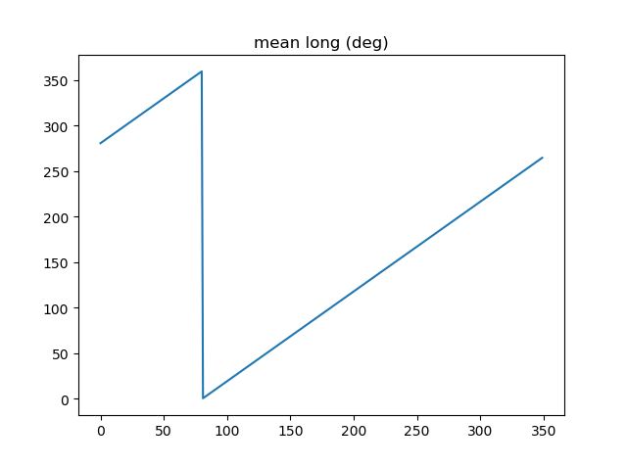

mean anomaly
[6.2399262581815735, 6.257128228525225, 6.274330198868861, 0.008346862032926236, 0.025548832376561945, 0.04275080272021353, 0.05995277306384924, 0.07715474340750082, 0.09435671375113654, 0.11155868409478811, 0.12876065443842383, 0.14596262478207542, 0.16316459512571113, 0.1803665654693627, 0.1975685358129984, 0.21477050615665, 0.2319724765002857, 0.2491744468439373, 0.266376417187573, 0.2835783875312246, 0.3007803578748603, 0.31798232821851186, 0.3351842985621635, 0.35238626890579916, 0.3695882392494508, 0.38679020959308646, 0.403992179936738, 0.42119415028037377, 0.43839612062402533, 0.4555980909676611, 0.47280006131131264, 0.4900020316549483, 0.5072040019985999, 0.5244059723422356, 0.5416079426858872, 0.558809913029523, 0.5760118833731745, 0.5932138537168102, 0.6104158240604618, 0.6276177944040975, 0.6448197647477492, 0.6620217350913848,
0.6792237054350364, 0.6964256757786721, 0.7136276461223237, 0.7308296164659595, 0.748031586809611, 0.7652335571532467, 0.7824355274968983, 0.799637497840534, 0.8168394681841856, 0.8340414385278213, 0.8512434088714729, 0.8684453792151086, 0.8856473495587601, 0.9028493199023959, 0.9200512902460475, 0.9372532605896832, 0.9544552309333347, 0.9716572012769863, 0.9888591716206221, 1.0060611419642735, 1.0232631123079092, 1.040465082651561, 1.0576670529951966, 1.0748690233388483, 1.092070993682484, 1.1092729640261354, 1.1264749343697713, 1.1436769047134228, 1.1608788750570584, 1.1780808454007101, 1.1952828157443458, 1.2124847860879975, 1.2296867564316332, 1.2468887267752846, 1.2640906971189203, 1.281292667462572, 1.2984946378062077, 1.3156966081498593, 1.332898578493495, 1.3501005488371465, 1.3673025191807824, 1.3845044895244338, 1.4017064598680695, 1.4189084302117212, 1.4361104005553569, 1.4533123708990086, 1.4705143412426442, 1.4877163115862957, 1.5049182819299314, 1.522120252273583, 1.5393222226172187, 1.5565241929608704, 1.5737261633045219, 1.5909281336481575, 1.6081301039918092, 1.625332074335445, 1.6425340446790966, 1.6597360150227323, 1.6769379853663837, 1.6941399557100194, 1.711341926053671, 1.7285438963973068, 1.7457458667409584, 1.7629478370845941, 1.7801498074282456, 1.7973517777718815, 1.814553748115533, 1.8317557184591686, 1.8489576888028203, 1.866159659146456, 1.8833616294901077, 1.9005635998337433, 1.9177655701773948, 1.9349675405210305, 1.9521695108646822, 1.9693714812083178, 1.9865734515519695, 2.003775421895605, 2.020977392239257, 2.0381793625828926, 2.0553813329265442, 2.07258330327018, 2.089785273613831, 2.106987243957467, 2.1241892143011185, 2.141391184644754, 2.158593154988406, 2.1757951253320416, 2.1929970956756932, 2.210199066019345, 2.2274010363629806, 2.2446030067066323, 2.261804977050268, 2.279006947393919, 2.296208917737555, 2.3134108880812065, 2.3306128584248422, 2.347814828768494, 2.3650167991121296, 2.3822187694557813, 2.399420739799417, 2.416

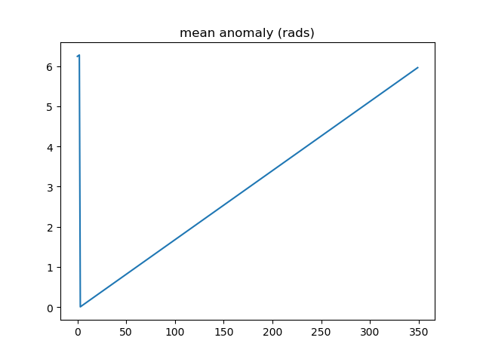

ecliptic longitude
[4.898765053971808, 4.916554416225464, 4.934344057671722, 4.9521337940090815, 4.969923440901517, 4.987712814045577, 5.005501729237538, 5.023290002440504, 5.04107744985142, 5.058863887967896, 5.076649133655032, 5.094433004211891, 5.112215317437829, 5.129995891698567, 5.147774545991886, 5.16555110001317, 5.1833253742204075, 5.201097189898895, 5.2188663692255, 5.236632735332476, 5.254396112370707, 5.2721563255725945, 5.289913201314224, 5.307666567177046, 5.325416252008911, 5.343162085984413, 5.360903900664697, 5.378641529056416, 5.396374805670027, 5.414103566577324, 5.431827649468189, 5.4495468937064615, 5.467261140385123, 5.484970232380456, 5.502674014405407, 5.520372333062019, 5.53806503689287, 5.555751976431689, 5.573433004252863, 5.591107975019991, 5.6087767455334285, 5.626439174776794, 5.644095123962339, 5.661744456575401, 5.679387038417612, 5.6970227376490605, 5.714651424829345, 5.732272972957397, 5.749887257510319, 5.767494156480887, 5.785093550413965, 5.802685322441708, 5.8202693583175815, 5.837845546449094, 5.855413777929476, 5.8729739465679645, 5.890525948918947, 5.908069684309861, 5.925605054867766, 5.943131965544848, 5.9606503241424855, 5.978160041334171, 5.995661030687143, 6.013153208682791, 6.030636494735714, 6.0481108112117, 6.065576083444281, 6.083032239750125, 6.100479211443174, 6.117916932847479, 6.135345341308938, 6.152764377205647, 6.170173983957116, 6.1875741080322495, 6.204964698956118, 6.222345709315476, 6.239717094763223, 6.257078814021539, 6.2744308288839274, 0.00858779703651083, 0.025920300776027298, 0.04324300393100335, 0.060555880577494274, 0.07785890785587621, 0.09515206596611207, 0.11243533816195808, 0.12970871074402798, 0.1469721730519717, 0.164225717455465, 0.18146933934426765, 0.19870303711728565, 0.21592681217057832, 0.23314066888456486, 0.25034461461013197, 0.2675386596539005, 0.28472281726257337, 0.30189710360641747, 0.3190615377618038, 0.3362161416930633, 0.3533609402333627, 0.37049596106485705, 0.3876212346980624, 0.404736794450387
1.132407003187924, 1.1491659193166643, 1.1659190707112366, 1.1826665878738, 1.1994086026191708, 1.216145248039254, 1.2328766584675244, 1.249602969443476, 1.2663243176772752, 1.2830408410143144, 1.2997526783998956, 1.316459969843986, 1.333162856385952, 1.349861480059527, 1.3665559838576853, 1.3832465116976784, 1.399933208386121, 1.4166162195841776, 1.433295691772741, 1.4499717722178533, 1.4666446089360379, 1.483314350659799, 1.4999811468031894, 1.5166451474273765, 1.533306503206444, 1.5499653653931023, 1.5666218857845566, 1.583276216688415, 1.5999285108886894, 1.6165789216117694, 1.6332276024926227, 1.6498747075408815, 1.6665203911070714, 1.6831648078488768, 1.6998081126973794, 1.7164504608234867, 1.7330920076042446, 1.7497329085892512, 1.7663733194670876, 1.7830133960317776, 1.7996532941491923, 1.8162931697236135, 1.832933178664158, 1.849573476851265, 1.8662142201031968, 1.8828555641424354, 1.8994976645622363, 1.9161406767929934, 1.9327847560686686, 1.9494300573931713, 1.9660767355067221, 1.9827249448520967, 1.999374839540995, 2.01602657332019, 2.0326802995377236, 2.0493361711090325, 2.0659943404829466, 2.082654959607783, 2.0993181798972116, 2.1159841521961464, 2.1326530267465325, 2.149324953153095, 2.166000080348925, 2.1826785565611515, 2.199360529276377, 2.2160461452061186, 2.2327355502521677, 2.249428889471794, 2.2661263070430304, 2.2828279462297227, 2.299533949346579, 2.3162444577241392, 2.332959611673674, 2.3496795504519463, 2.366404412226058, 2.3831343340380777, 2.399869451769686, 2.416609900106767, 2.433355812503872, 2.450107321148789, 2.46686455692692, 2.4836276493857103, 2.5003967266990195, 2.517171915631507, 2.533953341502913, 2.5507411281525085, 2.5675353979033777, 2.5843362715268103, 2.601143868206707, 2.617958305503951, 2.6347796993209758, 2.6516081638662428, 2.668443811618854, 2.685286753293247, 2.702137097803991, 2.7189949522306116, 2.735860421782701, 2.752733609765004, 2.769614617542734, 2.786503544507058, 2.8034004880406793, 2.82030554348378, 2.8372
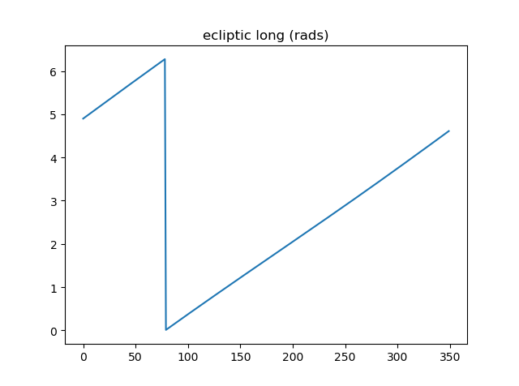

obliquity eliptic
[0.4090418235427291, 0.4090418165614121, 0.4090418095800951, 0.4090418025987781, 0.40904179561746107, 0.40904178863614404, 0.4090417816548271, 0.40904177467351005, 0.409041767692193, 0.40904176071087606, 0.40904175372955903, 0.409041746748242, 0.40904173976692504, 0.409041732785608,
0.409041725804291, 0.409041718822974, 0.409041711841657, 0.40904170486033997, 0.409041697879023, 0.409041690897706, 0.40904168391638895, 0.409041676935072, 0.40904166995375496, 0.40904166297243794, 0.4090416559911209, 0.40904164900980394, 0.4090416420284869, 0.4090416350471699, 0.4090416280658529, 0.4090416210845359, 0.4090416141032189, 0.4090416071219019, 0.4090416001405849, 0.40904159315926786, 0.4090415861779509, 0.40904157919663386, 0.40904157221531684, 0.40904156523399987, 0.40904155825268285, 0.4090415512713658, 0.4090415442900488, 0.40904153730873183, 0.4090415303274148, 0.4090415233460977, 0.4090415163647808, 0.40904150938346373, 0.4090415024021467, 0.4090414954208298, 0.4090414884395127, 0.4090414814581957, 0.4090414744768787, 0.4090414674955617, 0.40904146051424467, 0.4090414535329277, 0.4090414465516107, 0.40904143957029365, 0.4090414325889767, 0.40904142560765966, 0.40904141862634263, 0.4090414116450256, 0.40904140466370864, 0.4090413976823916, 0.4090413907010746, 0.4090413837197576, 0.4090413767384406, 0.4090413697571236, 0.4090413627758066, 0.4090413557944896, 0.40904134881317256, 0.4090413418318556, 0.40904133485053856, 0.40904132786922154, 0.40904132088790457, 0.40904131390658754, 0.4090413069252705, 0.40904129994395355, 0.4090412929626365, 0.4090412859813195, 0.4090412790000025, 0.4090412720186855, 0.4090412650373685, 0.40904125805605146, 0.4090412510747345, 0.40904124409341747, 0.40904123711210044, 0.4090412301307835, 0.40904122314946645, 0.4090412161681494, 0.40904120918683246, 0.40904120220551543, 0.4090411952241984, 0.40904118824288144, 0.4090411812615644, 0.4090411742802474, 0.4090411672989304, 0.4090411603176134, 0.40904115333629637, 0.4090411463549793, 0.4090411393736624, 0.4090411323923453, 0.4090411254110283, 0.40904111842971136, 0.4090411114483943, 0.40904110446707725, 0.4090410974857603, 0.40904109050444326, 0.40904108352312624, 0.40904107654180927, 0.40904106956049224, 0.4090410625791752, 0.40904105559785825, 0.4090410486165412, 0.409041

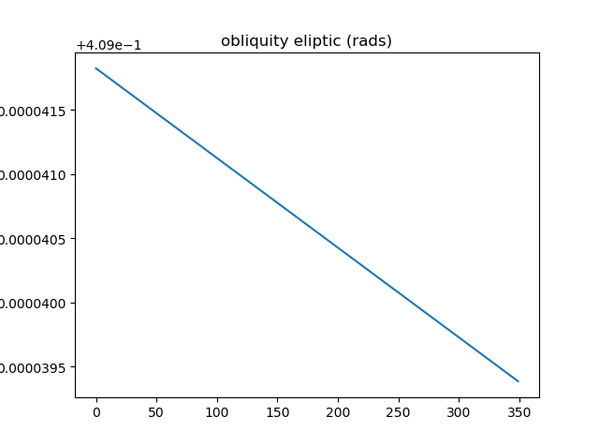

right ascension
[4.915085920016588, 4.934338527736528, 4.95356609730333, 4.972766436271195, 4.99193740492982, 5.011076919840933, 5.030182957177906, 5.049253555859982, 5.06828682047398, 5.087280923977602, 5.106234110180066, 5.125144695996504, 5.144011073474447, 5.16283171159159, 5.181605157825241, 5.2003300394953484, 5.219005064883454, 5.2376290241315715, 5.256200789925586, 5.274719317968711, 5.293183647251289, 5.3115929001242055, 5.329946282183277, 5.348243081973098, 5.366482670518896, 5.384664500695444, 5.402788106442583, 5.420853101836632, 5.438859180027657, 5.456806112052312, 5.474693745532102, 5.492522003266734, 5.510290881732469, 5.528000449494651, 5.545650845543962, 5.563242277565339, 5.580775020148293, 5.598249412947239, 5.615665858799705, 5.633024821810308, 5.650326825407812, 5.66757245038221, 5.684762332908277, 5.701897162561952, 5.7189776803349295, 5.736004676652952, 5.752978989402611, 5.769901501970985, 5.786773141302403, 5.803594875975645, 5.820367714305072, 5.837092702468449, 5.8537709226640064, 5.870403491298827, 5.886991557210601, 5.903536299923958, 5.920038927942828, 5.936500677079694, 5.952922808822286, 5.969306608738403, 5.9856533849187015, 6.0019644664576495, 6.018241201972314, 6.034484958158563, 6.050697118384002, 6.066879081317103, 6.083032259591317, 6.099158078503339, 6.115257974744327, 6.131333395162717, 6.1473857955575, 6.163416639500221, 6.179427397184429, 6.195419544300915, 6.211394560937098, 6.227353930498883, 6.243299138653421, 6.259231672290815, 6.275153018503208, 0.007879356399858454, 0.023782784833847482, 0.0396794783451479, 0.05557091490967298, 0.07145856779904307, 0.08734390462677057, 0.10322838639963215, 0.11911346657249076, 0.1350005901051833, 0.1508911925196198, 0.16678669895580664, 0.1826885232252687, 0.19859806686041187, 0.21451671815872522, 0.2304458512202872, 0.2463868249776333, 0.2623409822168194, 0.2783096485887266, 0.2942941316096352, 0.31029571965050645, 0.3263156809140096, 0.34235526239896197, 0.35841568885168296, 0.374498161703887, 0.39
0.8547747697205533, 0.8719153221344993, 0.8890974058245884, 0.9063208824136781, 0.9235855557548052, 0.9408911714817857, 0.9582374166447437, 0.9756239194356312, 0.9930502490083184, 1.0105159153978316, 1.0280203695429813, 1.045563003416758, 1.0631431502680262, 1.0807600849783487, 1.0984130245370876, 1.1161011286375946, 1.1338235003972075, 1.1515791872027823, 1.1693671816835884, 1.1871864228125764, 1.205035797136617, 1.2229141401356631, 1.2408202377105488, 1.2587528277979996, 1.2767106021113879, 1.2946922080048735, 1.3126962504579123, 1.3307212941768882, 1.3487658658093924, 1.3668284562667017, 1.3849075231490373, 1.4030014932677914, 1.4211087652582017, 1.4392277122758286, 1.4573566847690855, 1.4754940133202625, 1.4936380115467027, 1.5117869790534688, 1.5299392044288567, 1.5480929682732578, 1.566246546252282, 4.725990865754314, 4.7441388946042125, 4.762281565670309, 4.780417165559518, 4.798543991237608, 4.816660353026759, 4.834764577560965, 4.852855010690273, 4.8709300203255115, 4.8889879992149226, 4.90702736764508, 4.925046576058591, 4.943044107581673, 4.961018480455077, 4.978968250362707, 4.996892012652307, 5.014788404443674, 5.032656106620222, 5.050493845700201, 5.068300395584959, 5.086074579181531, 5.103815269898111, 5.121521393011169, 5.139191926903714, 5.156825904174599, 5.174422412619709, 5.191980596085752, 5.2094996551985115, 5.226978847967479, 5.244417490269305, 5.261814956213149, 5.279170678390873, 5.296484148015896, 5.313754914954452, 5.330982587653489, 5.348166832969385, 5.365307375902358, 5.3824039992408785, 5.399456543121232,
5.416464904507004, 5.433429036593418, 5.450348948141794, 5.467224702748756, 5.484056418055472, 5.500844264901734, 5.517588466429756, 5.534289297142389, 5.550947081920618, 5.5675621950045535, 5.584135058942534, 5.600666143512463, 5.617155964619361, 5.633605083173231, 5.650014103950589, 5.6663836744434, 5.682714483698581, 5.699007261151205, 5.715262775454171, 5.731481833307254, 5.747665278287653, 5.763813989684578, 5.779928881339789, 5.796010900495907, 5.812061026654343, 5.828080270444025, 5.8440696725024, 5.860030302369714, 5.875963257397517, 5.891869661672001, 5.907750664953013, 5.923607441628804, 5.939441189687025, 5.9552531297019735, 5.971044503838001, 5.986816574869106, 6.0025706252141555, 6.018307955987476, 6.0340298860642445, 6.049737751160022, 6.065432902923591, 6.081116708042482, 6.096790547359927, 6.112455815002446, 6.128113917516864, 6.143766273015505, 6.159414310328502, 6.175059468161631, 6.190703194258452, 6.206346944565256, 6.221992182397347, 6.23764037760498, 6.253293005737637, 6.268951547204674, 0.0014321792513372067, 0.017107003825871825, 0.032792203642166395, 0.04848927002811898, 0.06419969486389521, 0.0799249696860489, 0.09566658477607737, 0.11142602823166081, 0.1272047850187632, 0.14300433600305285, 0.15882615695864732, 0.1746717175527035,
0.1905424803041189, 0.20643989951467123, 0.22236542017123995, 0.2383204768173255, 0.25430649239265524, 0.2703248770394455, 0.28637702687400024, 0.302464322722682, 0.318588128820954, 0.33474979147475503, 0.3509506376833693, 0.3671919737231648, 0.3834750836916734, 0.3998012280119272, 0.4161716418966894, 0.43258753377289727, 0.44905008366662713, 0.4655604415490582, 0.4821197256445484, 0.4987290207016106, 0.5153893762284634, 0.5321018046947632, 0.5488672797016165, 0.5656867341221465, 0.5825610582155991, 0.599491097717777, 0.6164776519115232, 0.633521471681056, 0.6506232575543542, 0.667783657738509, 0.6850032661528593, 0.7022826204656272, 0.7196222001399541, 0.7370224244956893, 0.7544836507936381, 0.7720061723496849, 0.7895902166860407, 0.8072359437278149, 0.8249434440531358, 0.8427127372053733, 0.8605437700766592, 0.8784364153715649, 0.8963904701606373, 0.9144056545332915, 0.9324816103598557, 0.9506179001724808, 0.9688140061750219, 0.9870693293913622, 1.005383188962091, 1.0237548215990016, 1.0421833812065224, 1.0606679386792623, 1.0792074818838109, 1.0978009158330355, 1.1164470630601495, 1.135144664199331, 1.1538923787787574, 1.1726887862314503, 1.1915323871278252, 1.2104216046334515, 1.2293547861941243, 1.248330205449263, 1.2673460643737768, 1.2864004956467736, 1.3054915652447932, 1.3246172752556191, 1.3437755669075506, 1.3629643238076032, 1.3821813753810936, 1.4014245005032844, 1.420691431313014, 1.4399798571967566, 1.4592874289303723]

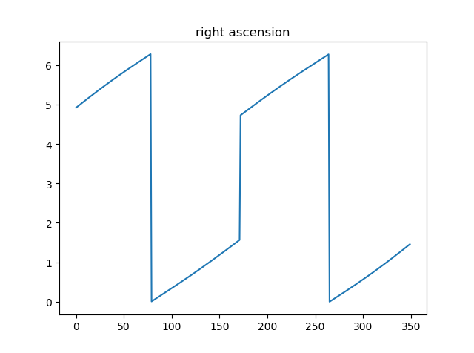

declination
[-0.4015467910701192, -0.4000557896874948, -0.3984319741507871, -0.3966761387342102, -0.39478914279139327, -0.3927719093715064, -0.3906254237488222, -0.3883507318718342, -0.38594893873827096, -0.38342120670251834, -0.38076875372206315, -0.3779928515497219, -0.3750948238783933, -0.37207604444511455, -0.3689379351011743, -0.36568196385489815, -0.36230964289371537, -0.3588225265918765, -0.35522220951006683, -0.351510324392952, -0.34768854017048156, -0.34375855996846183, -0.3397221191337601, -0.3355809832791028, -0.3313369463522059, -0.3269918287336604, -0.3225474753676235, -0.31800575392916713, -0.3133685530316919, -0.30863778047756746, -0.3038153615548153, -0.2989032373823714, -0.2939033633060625, -0.288817707347288, -0.28364824870594785, -0.2783969763189761, -0.2730658874755519, -0.2676569864897357, -0.26217228343116555, -0.25661379291408654, -0.25098353294483844, -0.24528352382770408, -0.23951578712886668, -0.23368234469793694, -0.22778521774653349, -0.22182642598307772, -0.21580798680291738, -0.20973191453279313, -0.20360021972842784, -0.19741490852412527, -0.19117798203297953, -0.18489143579634382, -0.17855725928109867, -0.17217743542324437, -0.16575394021618675, -0.15928874234224852, -0.1527838028456978, -0.14624107484569648, -0.13966250328754465, -0.1330500247304708, -0.12640556717043247, -0.11973104989616927, -0.11302838337689641, -0.10629946917997832, -0.09954619991699099, -0.09277045921645709, -0.08597412172178828, -0.07915905311275807, -0.07232711014898345, -0.06548014073390443, -0.05861998399767218, -0.051748470397574194, -0.04486742183444594, -0.03797865178366836, -0.031083965439336846, -0.024185159870236828, -0.017284024186187616, -0.010382339713525887, -0.003481880178327928, 0.0034155881038984734, 0.01030830603328818, 0.01719452152681863, 0.02407248931673044, 0.030940470747492368, 0.03779673357246742, 0.044639551751480405, 0.051467205250418785, 0.058277979844119386, 0.06507016692355896, 0.07184206330857686, 0.07859197106721964, 0.08531819734278959, 0.092
0.296573384632427, 0.29181907941573887, 0.2869863531267413, 0.2820766668195742, 0.2770914903197265, 0.2720323015735207, 0.2669005860315857, 0.2616978360664936, 0.25642555042453896, 0.25108523371170965, 0.24567839591363852, 0.24020655194935153, 0.23467122125849146, 0.22907392742168606, 0.22341619781353092, 0.21769956328779788, 0.21192555789421744, 0.20609571862625875, 0.2002115851992629, 0.19427469985814963, 0.18828660721405716, 0.18224885410906128, 0.17616298950818687, 0.1700305644178738, 0.16385313183006459, 0.15763224669094505, 0.15136946589355507, 0.145066348293265, 0.13872445474521627, 0.13234534816281612, 0.12593059359624603, 0.11948175833013923, 0.11300041199937906, 0.10648812672207494, 0.09994647724873026, 0.09337704112665489, 0.08678139887854637, 0.08016113419436947, 0.07351783413545149, 0.06685308934982467, 0.060168494297844106, 0.05346564748698132, 0.04674615171490747, 0.040011614319751844, 0.03326364743654973, 0.02650386825883185, 0.01973389930435593, 0.012955368683827045, 0.006169910371675726, -0.0006208355222805019, -0.007415222481346038, -0.014211597311704835, -0.02100829987463791, -0.02780366282221538, -0.03459601133771394, -0.041383662881904246, -0.04816492694641511, -0.0549381048153666, -0.061701489336607504, -0.0684533647037083, -0.07519200625010235, -0.0819156802566659, -0.08862264377406594, -0.09531114446134442, -0.10197942044202865, -0.10862570017929911, -0.1152482023716508, -0.1218451358705153, -0.12841469962145127, -0.1349550826303422, -0.14146446395625556, -0.14794101273253404, -0.15438288821774138, -0.1607882398780735, -0.16715520750296975, -0.17348192135547644, -0.1797665023591193, -0.1860070623229409, -0.19220170420633956, -0.1983485224254743, -0.20444560320276717, -0.21049102496123137, -0.2164828587651912, -0.2224191688089806, -0.22829801295510843, -0.23411744332344778, -0.23987550693274362, -0.2455702463958546, -0.25119970066994307, -0.2567619058627389, -0.26225489609598096, -0.2676767044268558, -0.27302536382827103, -0.2782989082285668,

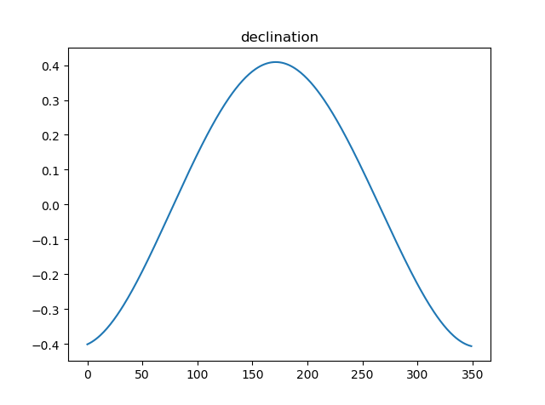

gmst
[10.717565840266559, 10.783275664466544, 10.848985488666528, 10.91469531286657, 10.980405137066555, 11.04611496126654, 11.111824785466524, 11.177534609666566, 11.24324443386655, 11.308954258066535, 11.37466408226652, 11.440373906466561, 11.506083730666546, 11.571793554866531, 11.637503379066573, 11.703213203266557, 11.768923027466542, 11.834632851666527, 11.900342675866568, 11.966052500066553, 12.031762324266538, 12.097472148466522, 12.163181972666564, 12.228891796866549, 12.294601621066533, 12.360311445266575, 12.42602126946656, 12.491731093666544, 12.55744091786653, 12.62315074206657, 12.688860566266555, 12.75457039046654, 12.820280214666525, 12.885990038866566, 12.951699863066551, 13.017409687266536, 13.08311951146652, 13.148829335666562, 13.214539159866547, 13.280248984066532, 13.345958808266573, 13.411668632466558, 13.477378456666543,
13.543088280866527, 13.608798105066569, 13.674507929266554, 13.740217753466538, 13.805927577666523, 13.871637401866565, 13.93734722606655, 14.003057050266534, 14.068766874466576, 14.13447669866656, 14.200186522866545, 14.26589634706653, 14.331606171266571, 14.397315995466556, 14.46302581966654, 14.528735643866526, 14.594445468066567, 14.660155292266552, 14.725865116466537, 14.791574940666521, 14.857284764866563, 14.922994589066548, 14.988704413266532, 15.054414237466574, 15.120124061666559, 15.185833885866543, 15.251543710066528, 15.31725353426657, 15.382963358466554, 15.448673182666539, 15.514383006866524, 15.580092831066565, 15.64580265526655, 15.711512479466535, 15.77722230366652, 15.842932127866561, 15.908641952066546, 15.97435177626653, 16.040061600466572, 16.105771424666557, 16.17148124886654, 16.237191073066526, 16.302900897266568, 16.368610721466553, 16.434320545666537, 16.500030369866522, 16.565740194066564, 16.63145001826655, 16.697159842466533, 16.762869666666575, 16.82857949086656, 16.894289315066544, 16.95999913926653, 17.02570896346657, 17.091418787666555, 17.15712861186654, 17.222838436066525, 17.288548260266566, 17.35425808446655, 17.419967908666536, 17.48567773286652, 17.551387557066562, 17.617097381266547, 17.68280720546653, 17.748517029666573, 17.814226853866558, 17.879936678066542, 17.945646502266527, 18.01135632646657, 18.077066150666553, 18.142775974866538, 18.208485799066523, 18.274195623266564, 18.33990544746655, 18.405615271666534, 18.471325095866575, 18.53703492006656, 18.602744744266545, 18.66845456846653, 18.73416439266657, 18.799874216866556, 18.86558404106654, 18.931293865266525, 18.997003689466567, 19.06271351366655, 19.128423337866536, 19.19413316206652, 19.259842986266563, 19.325552810466547, 19.391262634666532, 19.456972458866574, 19.52268228306656, 19.588392107266543, 19.654101931466528, 19.71981175566657, 19.785521579866554, 19.85123140406654, 19.916941228266523, 19.982651052466565, 20.04836087666655, 20.114070700866534, 20.179780
3.2764415386665746, 3.3421513628665593, 3.407861187066544, 3.473571011266529, 3.5392808354665704, 3.604990659666555, 3.67070048386654, 3.7364103080665245, 3.802120132266566, 3.867829956466551, 3.9335397806665355, 3.9992496048665203, 4.064959429066562, 4.1306692532665465, 4.196379077466531, 4.262088901666573, 4.327798725866558, 4.393508550066542, 4.459218374266527, 4.524928198466569, 4.590638022666553, 4.656347846866538, 4.722057671066523, 4.787767495266564, 4.853477319466549, 4.919187143666534, 4.984896967866575, 5.05060679206656, 5.116316616266545, 5.1820264404665295, 5.247736264666571, 5.313446088866556, 5.3791559130665405, 5.444865737266525, 5.510575561466567, 5.5762853856665515, 5.641995209866536, 5.707705034066521, 5.7734148582665625, 5.839124682466547, 5.904834506666532, 5.9705443308665735, 6.036254155066558, 6.101963979266543, 6.167673803466528, 6.233383627666569, 6.299093451866554, 6.364803276066539, 6.4305131002665235, 6.496222924466565, 6.56193274866655, 6.6276425728665345, 6.693352397066576, 6.759062221266561, 6.8247720454665455, 6.89048186966653, 6.956191693866572, 7.0219015180665565, 7.087611342266541, 7.153321166466526, 7.2190309906665675, 7.284740814866552, 7.350450639066537, 7.416160463266522, 7.481870287466563, 7.547580111666548, 7.613289935866533, 7.678999760066574, 7.744709584266559, 7.810419408466544, 7.876129232666528, 7.94183905686657, 8.007548881066555, 8.07325870526654, 8.138968529466524, 8.204678353666566, 8.27038817786655, 8.336098002066535, 8.40180782626652, 8.467517650466561, 8.533227474666546, 8.598937298866531, 8.664647123066572, 8.730356947266557, 8.796066771466542, 8.861776595666527, 8.927486419866568, 8.993196244066553, 9.058906068266538, 9.124615892466522, 9.190325716666564, 9.256035540866549, 9.321745365066533, 9.387455189266575, 9.45316501346656, 9.518874837666544, 9.58458466186653, 9.65029448606657]

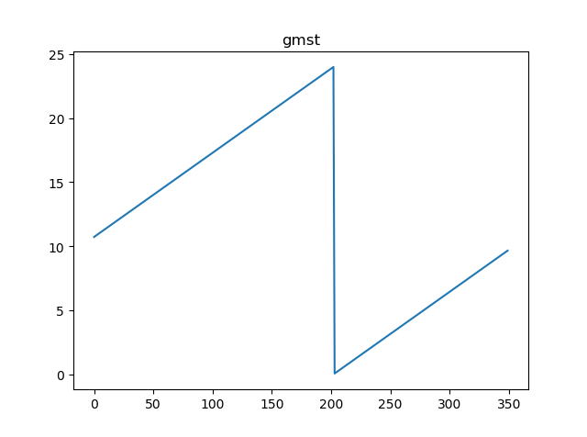

lmst
[1.530862977158224, 1.5480657689061696, 1.5652685606541155, 1.5824713524020761, 1.5996741441500217, 1.6168769358979675, 1.6340797276459134, 1.6512825193938738, 1.6684853111418196, 1.6856881028897654, 1.702890894637711, 1.7200936863856717, 1.7372964781336175, 1.7544992698815631, 1.7717020616295238, 1.7889048533774696, 1.8061076451254152, 1.823310436873361, 1.8405132286213217, 1.8577160203692673, 1.8749188121172131, 1.892121603865159, 1.9093243956131194, 1.9265271873610652, 1.943729979109011, 1.9609327708569715, 1.9781355626049173, 1.995338354352863, 2.012541146100809, 2.029743937848769, 2.046946729596715, 2.064149521344661, 2.0813523130926064, 2.098555104840567, 2.115757896588513, 2.1329606883364587, 2.1501634800844043, 2.167366271832365, 2.1845690635803106, 2.2017718553282566, 2.2189746470762173, 2.236177438824163, 2.2533802305721085, 2.2705830223200545, 2.2877858140680147, 2.3049886058159608, 2.3221913975639064, 2.339394189311852, 2.3565969810598126, 2.3737997728077587, 2.3910025645557043, 2.408205356303665, 2.4254081480516105, 2.442610939799556, 2.459813731547502, 2.4770165232954624, 2.4942193150434084, 2.511422106791354, 2.5286248985392996, 2.5458276902872603, 2.5630304820352063, 2.580233273783152, 2.5974360655310975, 2.614638857279058, 2.631841649027004, 2.64904444077495, 2.6662472325229105, 2.683450024270856, 2.7006528160188017, 2.7178556077667477, 2.735058399514708, 2.752261191262654, 2.7694639830105996, 2.786666774758545, 2.803869566506506, 2.821072358254452, 2.8382751500023975, 2.855477941750343, 2.8726807334983038, 2.8898835252462494, 2.9070863169941954, 2.924289108742156, 2.9414919004901017, 2.9586946922380473, 2.9758974839859933, 2.9931002757339535, 3.0103030674818996, 3.027505859229845, 3.0447086509777908, 3.0619114427257514, 3.0791142344736975, 3.096317026221643, 3.1135198179696038, 3.1307226097175493, 3.147925401465495, 3.165128193213441, 3.1823309849614017, 3.1995337767093472, 3.216736568457293, 3.233939360205239, 3.251142151953199, 3.268344943701145,
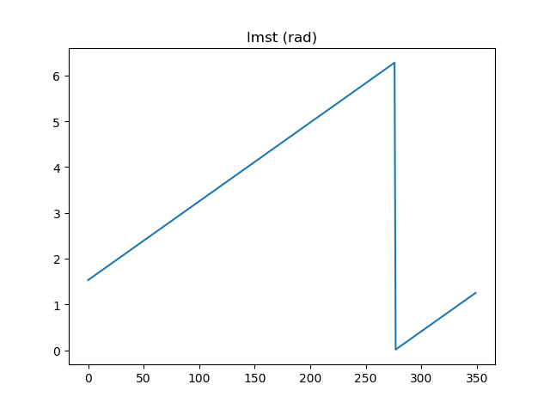

hour angle
[2.8989623643212226, 2.896912548349228, 2.8948877705303717, 2.8928902233104674, 2.890922046399788, 2.8889853232366205, 2.8870820776475936, 2.885214270713478, 2.8833837978474257, 2.88159248609175, 2.8798420916372316, 2.8781342975687543, 2.876470711838757, 2.8748528654695598, 2.873282210983869, 2.8717601210617074, 2.870287887421547, 2.8688667199213755, 2.8674977458753217, 2.8661820095801422, 2.8649204720455104, 2.86371401092054, 2.8625634206094284, 2.861469412567554, 2.8604326157697013, 2.859453577341114, 2.8585327633419206, 2.8576705596958174, 2.8568672732527385, 2.8561231329760437, 2.8554382912441993, 2.8548128252575133, 2.854246738539724, 2.8537399625255024, 2.853292358224137, 2.8529037179507055, 2.8525737671156977, 2.852302166064712, 2.8520885119601918, 2.851932340697535, 2.8518331288479914, 2.8517902956215395, 2.8518032048434176, 2.8518711669376886, 2.8519934409126715, 2.8521692363425952, 2.8523977153408815, 2.8526779945204535, 2.853009146936996, 2.8533902040116996, 2.8538201574302184, 2.8542979610148023, 2.8548225325671903, 2.8553927556803154, 2.856007481516487, 2.856665530551091, 2.8573656942801664, 2.858106736891246, 2.8588873968966, 2.8597063887284433, 2.860562404296091, 2.8614541145050887, 2.8623801707383696, 2.8633392063000813, 2.8643298378225883, 2.8653506666374327, 2.86640028011118, 2.8674772529471033, 2.868580148454061, 2.8697075197836166, 2.8708579111367944, 2.8720298589420197, 2.873221893005757, 2.8744325376372166, 2.875660312748994, 2.876903734935155, 2.878161318528563, 2.8794315766391145, 2.8807130221746817, 2.882004168846391, 2.883303532160348, 2.884609630397008, 2.885920985580429, 2.887236124439004, 2.8885535793592227, 2.8898718893343216, 2.8911896009094087, 2.892505269124662, 2.893817458458171, 2.8951247437699448, 2.896425711248429, 2.897718959361231, 2.8990030998108787, 2.900276758497262, 2.9015385764878614, 2.9027872109966215, 2.9040213363726752, 2.905239645099712, 2.9064408488067865, 2.907623679291229, 2.908786889554237, 2.9099292548494624, 2.9

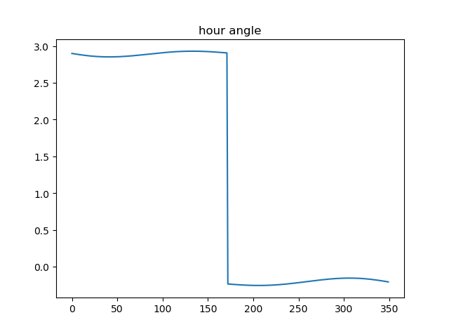

azimuth
[323.6284923664179, 323.4855254892069, 323.35653797844805, 323.2415700041156, 323.14062923704836, 323.05369226756795, 322.98070610440084, 322.92158973494315, 322.87623572907427, 322.844511870126, 322.8262627979505, 322.8213116506359, 322.82946169278534, 322.8504979198408, 322.88418862929296, 322.9302869510004, 322.9885323301984, 323.05865195786777, 323.1403621443395, 323.2333696329714, 323.3373728516916, 323.4520631009361, 323.57712567733216, 323.71224093300776, 323.85708527102184, 324.0113320778091, 324.1746525939308, 324.3467167247929, 324.5271937931421, 324.7157532354395, 324.9120652443008, 325.11580135935435, 325.32663500884775, 325.54424200447806, 325.7683009918325, 325.998493858889, 326.23450610492876, 326.476027172202, 326.7227507426213, 326.9743750016902, 327.2306028717637, 327.49114221669277, 327.7557060198219, 328.0240125371555, 328.29578542751216, 328.57075386131623, 328.848652609643, 329.1292221150101, 329.4122085453343, 329.697363832407, 329.9844456961513, 330.2732176558286, 330.56344902931875, 330.85491492153636, 331.14739620291925, 331.4406794789516, 331.7345570515451, 332.02882687310665, 332.32329249402255, 332.61776300426186, 332.91205296975886, 333.2059823641892, 333.49937649668516, 333.7920659360412, 334.08388643188977, 334.3746788333118,
334.66428900530383, 334.9525677434931, 335.2393706874853, 335.52455823316336, 335.8079954442606, 336.0895519635043, 336.36910192360244, 336.64652385830414, 336.9217006137818, 337.19451926053404, 337.464871006009, 337.7326511081201, 337.99775878981865, 338.2600971548613, 338.5195731049309, 338.77609725818894, 339.02958386940327, 339.27995075173925, 339.52711920028435, 339.7710139173986, 340.0115629399477, 340.24869756847784, 340.48235229837786, 340.7124647530693, 340.938975619249, 341.16182858422894, 341.3809702753552, 341.59635020154536, 341.8079206969427, 342.0156368666698, 342.21945653468913, 342.4193401937486, 342.61525095739677, 342.8071545140396, 342.99501908301414, 343.17881537263594, 343.3585165402045, 343.5340981538888, 343.70553815648134, 343.87281683094506, 344.03591676772, 344.19482283370996, 344.3495221429044, 344.50000402856466, 344.64626001690584, 344.7882838022074, 344.92607122326905, 345.05962024115803, 345.18893091813254, 345.3140053976962, 345.4348478856719, 345.55146463223133, 345.66386391477016, 345.77205602155345, 345.87605323603424, 345.9758698217516, 346.0715220077142, 346.16302797416694, 346.250407838663, 346.33368364230984, 346.41287933612494, 346.48802076737655, 346.5591356658306, 346.6262536297849, 346.6894061118119, 346.74862640408656, 346.80394962323646, 346.8554126945868, 346.9030543357168, 346.94691503925094, 346.987037054761, 347.0234643697242, 347.0562426894281, 347.08541941575936, 347.11104362477795, 347.13316604302076, 347.15183902243984, 347.16711651394, 347.17905403942274, 347.1877086622974, 347.1931389564017, 347.19540497328506, 347.19456820781534, 347.19069156206854, 347.1838393074859, 347.17407704525783, 347.1614716649375, 347.14609130125285, 347.12800528914454, 347.1072841170058, 347.0839993781535, 347.05822372054405, 347.03003079475866, 346.99949520029634, 346.96669243020466, 346.9316988141118, 346.89459145969283, 346.85544819265203, 346.8143474952612, 346.771368443561, 346.72659064327155, 346.6800941645144, 346.631959475430

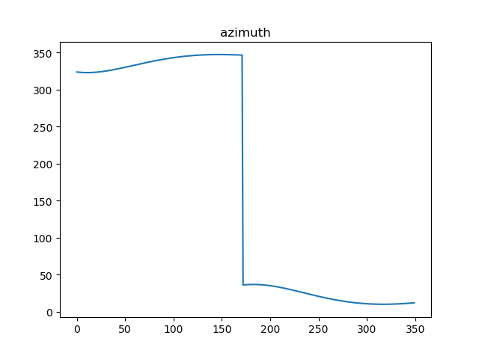

zenith
[323.6284923664179, 323.4855254892069, 323.35653797844805, 323.2415700041156, 323.14062923704836, 323.05369226756795, 322.98070610440084, 322.92158973494315, 322.87623572907427, 322.844511870126, 322.8262627979505, 322.8213116506359, 322.82946169278534, 322.8504979198408, 322.88418862929296, 322.9302869510004, 322.9885323301984, 323.05865195786777, 323.1403621443395, 323.2333696329714, 323.3373728516916, 323.4520631009361, 323.57712567733216, 323.71224093300776, 323.85708527102184, 324.0113320778091, 324.1746525939308, 324.3467167247929, 324.5271937931421, 324.7157532354395, 324.9120652443008, 325.11580135935435, 325.32663500884775, 325.54424200447806, 325.7683009918325, 325.998493858889, 326.23450610492876, 326.476027172202, 326.7227507426213, 326.9743750016902, 327.2306028717637, 327.49114221669277, 327.7557060198219, 328.0240125371555, 328.29578542751216, 328.57075386131623, 328.848652609643, 329.1292221150101, 329.4122085453343, 329.697363832407, 329.9844456961513, 330.2732176558286, 330.56344902931875, 330.85491492153636, 331.14739620291925, 331.4406794789516, 331.7345570515451, 332.02882687310665, 332.32329249402255, 332.61776300426186, 332.91205296975886, 333.2059823641892, 333.49937649668516, 333.7920659360412, 334.08388643188977, 334.3746788333118,
334.66428900530383, 334.9525677434931, 335.2393706874853, 335.52455823316336, 335.8079954442606, 336.0895519635043, 336.36910192360244, 336.64652385830414, 336.9217006137818, 337.19451926053404, 337.464871006009, 337.7326511081201, 337.99775878981865, 338.2600971548613, 338.5195731049309, 338.77609725818894, 339.02958386940327, 339.27995075173925, 339.52711920028435, 339.7710139173986, 340.0115629399477, 340.24869756847784, 340.48235229837786, 340.7124647530693, 340.938975619249, 341.16182858422894, 341.3809702753552, 341.59635020154536, 341.8079206969427, 342.0156368666698, 342.21945653468913, 342.4193401937486, 342.61525095739677, 342.8071545140396, 342.99501908301414, 343.17881537263594, 343.3585165402045, 343.5340981538888, 343.70553815648134, 343.87281683094506, 344.03591676772, 344.19482283370996, 344.3495221429044, 344.50000402856466, 344.64626001690584, 344.7882838022074, 344.92607122326905, 345.05962024115803, 345.18893091813254, 345.3140053976962, 345.4348478856719, 345.55146463223133, 345.66386391477016, 345.77205602155345, 345.87605323603424, 345.9758698217516, 346.0715220077142, 346.16302797416694, 346.250407838663, 346.33368364230984, 346.41287933612494, 346.48802076737655, 346.5591356658306, 346.6262536297849, 346.6894061118119, 346.74862640408656, 346.80394962323646, 346.8554126945868, 346.9030543357168, 346.94691503925094, 346.987037054761, 347.0234643697242, 347.0562426894281, 347.08541941575936, 347.11104362477795, 347.13316604302076, 347.15183902243984, 347.16711651394, 347.17905403942274, 347.1877086622974, 347.1931389564017, 347.19540497328506, 347.19456820781534, 347.19069156206854, 347.1838393074859, 347.17407704525783, 347.1614716649375, 347.14609130125285, 347.12800528914454, 347.1072841170058, 347.0839993781535, 347.05822372054405, 347.03003079475866, 346.99949520029634, 346.96669243020466, 346.9316988141118, 346.89459145969283, 346.85544819265203, 346.8143474952612, 346.771368443561, 346.72659064327155, 346.6800941645144, 346.631959475430

