Sheet1
 | Test scenarios
1 | Create Board based on input field size | 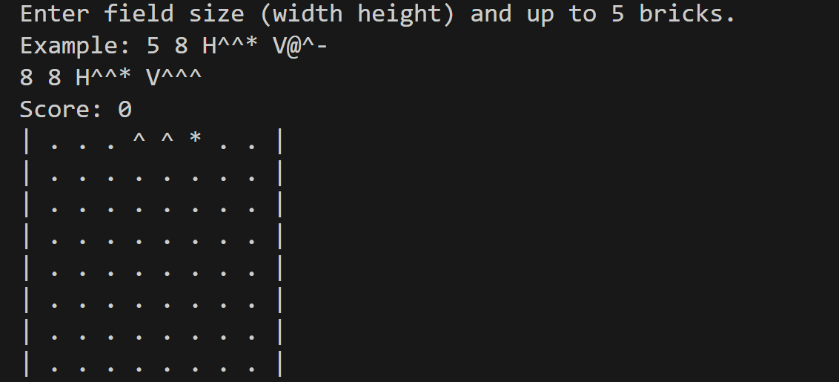
2 | Bricks are created based on the input (E.g H^^*)
3 | Ensure only up to 5 bricks can be created
4 | Ensure only V or H orientation is accepted
5 | 2 commands per input, L , R, D is working, any command onwards will be ignored | 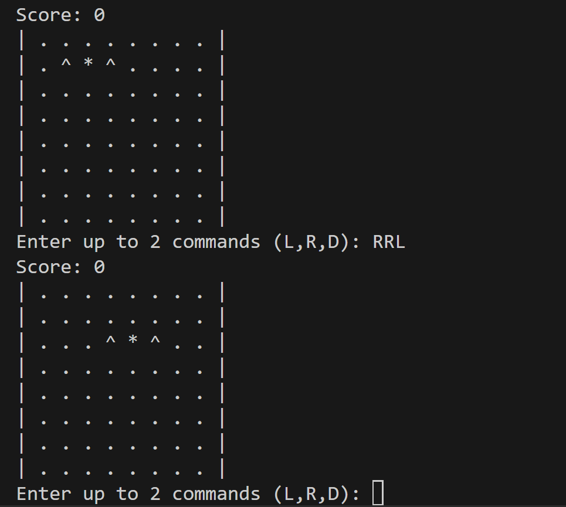
6 | after every cmd excluding D, the brick will always drop by 1 row automatically | 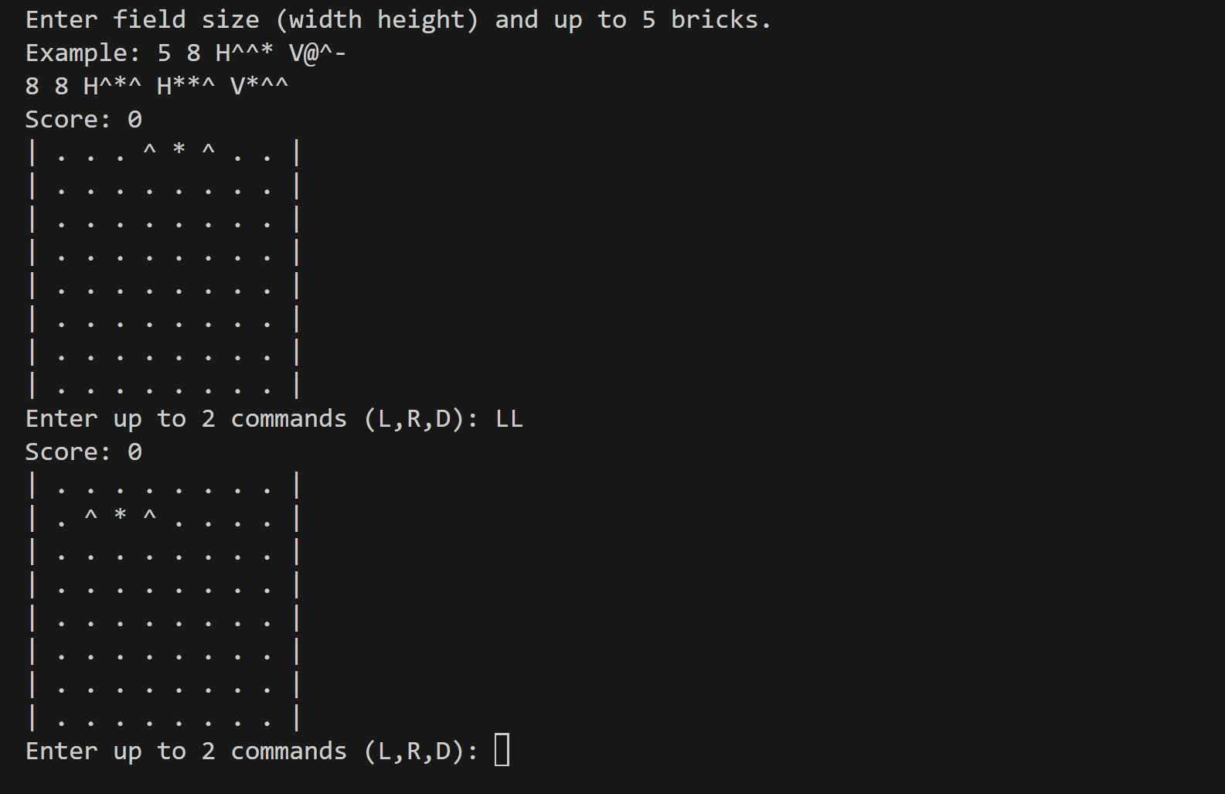
7 | When Brick cannot move further and becomes stationary, check for 3 or more matching symbols horizontally and vertically and remove them, after removing ensure blocks wont drop as gravity is not applied | 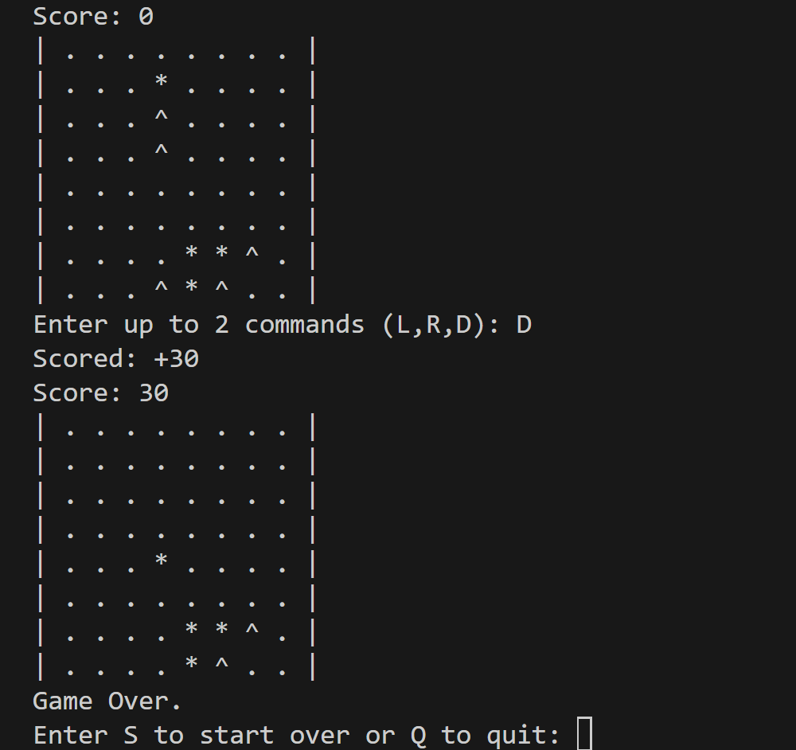
8 | Once last brick is placed, game ends and able to quit/restart | 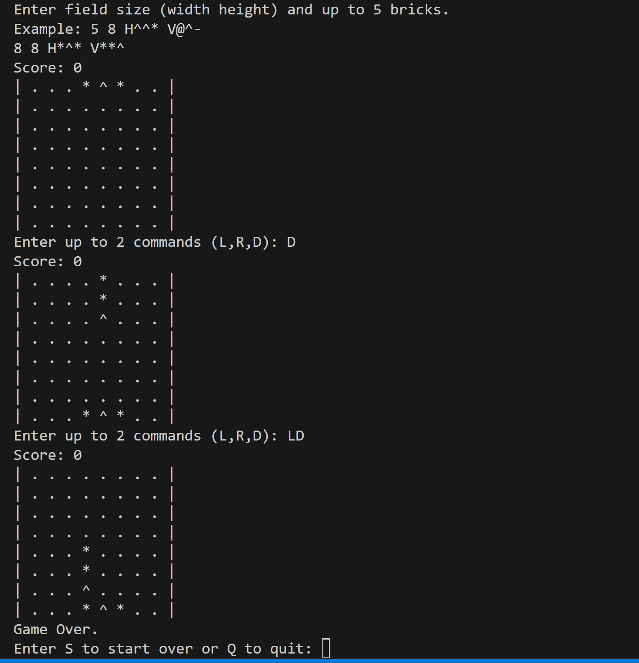
9 | Ensure Bricks spawn in the middle of the board | 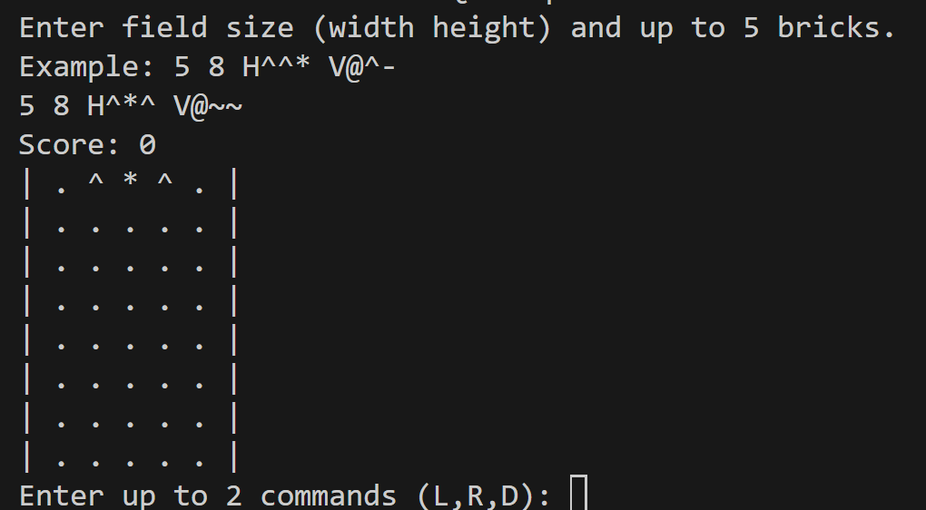 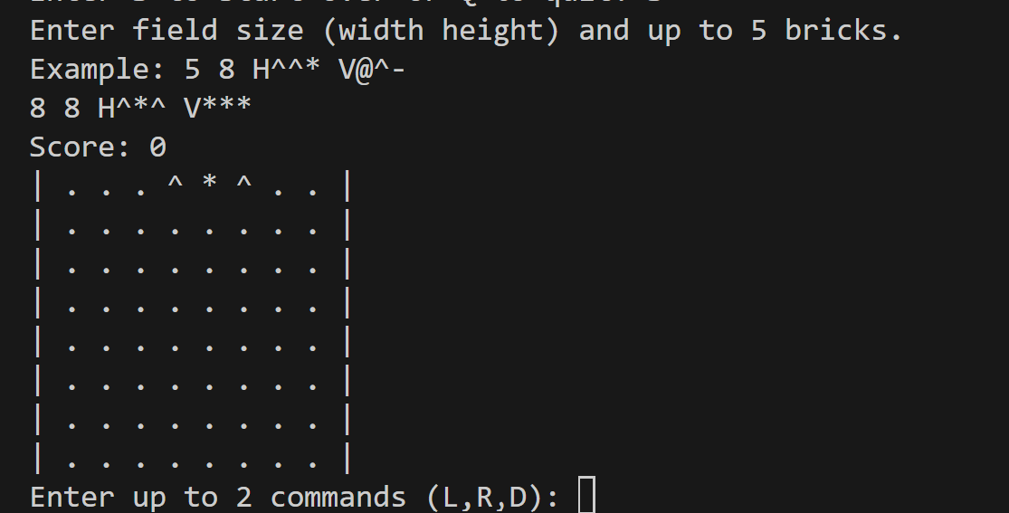
10 | Game over scenario 1: where no more bricks can be placed | 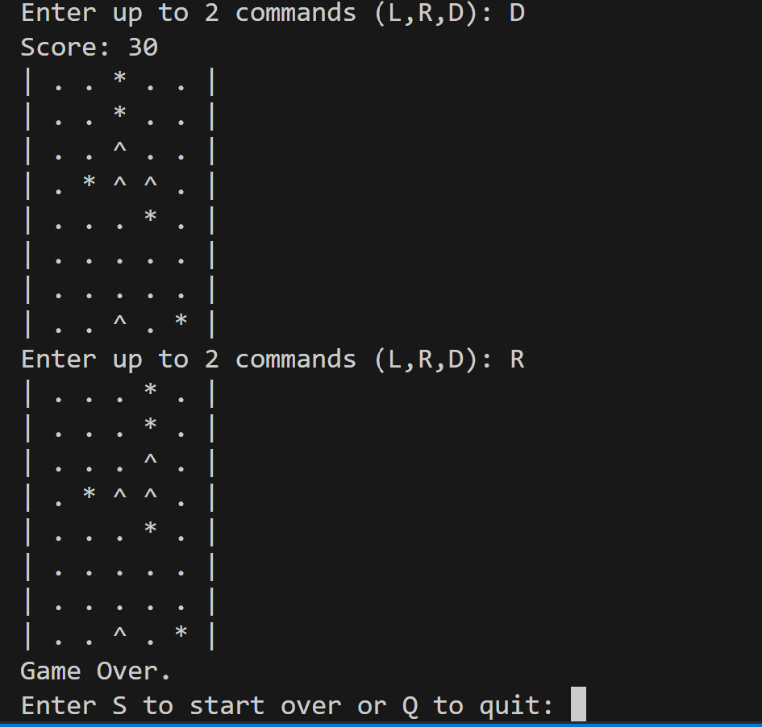
11 | Game over scenario 2: where all bricks have been used | 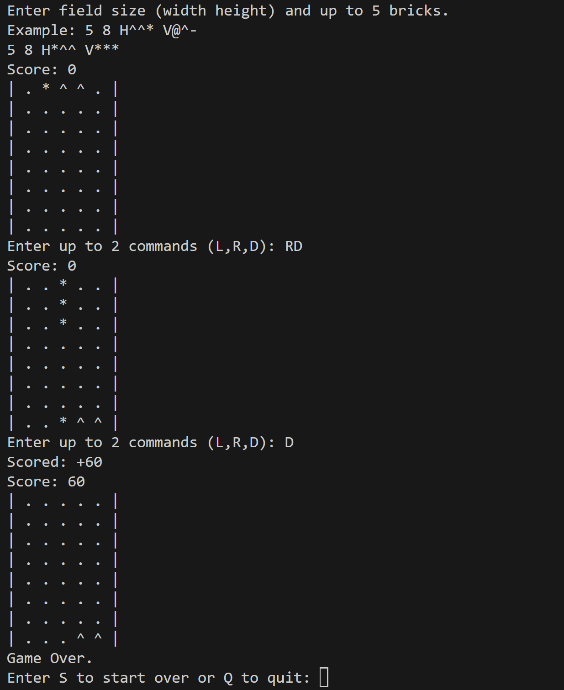
12 | Invalid input handling
13 | Match 3 or more matching symbols and remove them, both horiztonally and vertically | 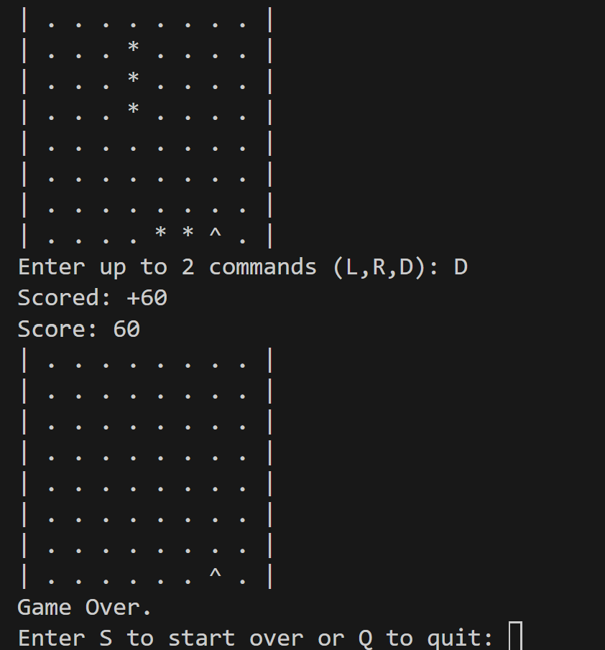
14 | Ensure all Junit test cases passed | 