Regular Expression Example
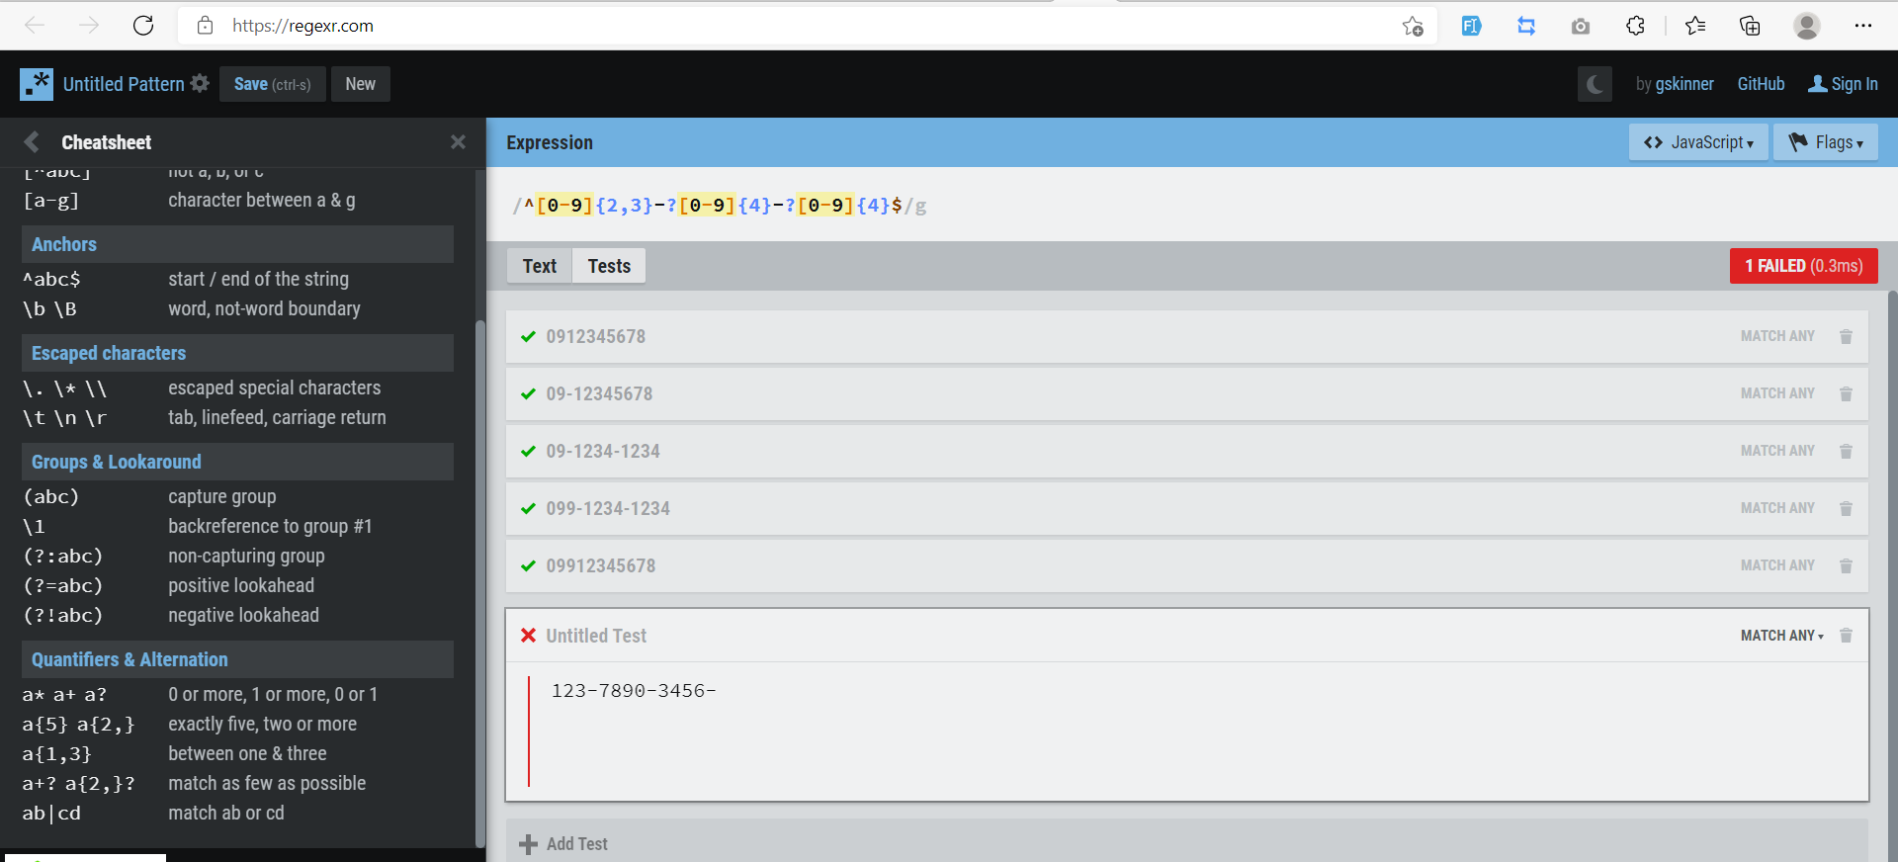
Regular Expressions Example

You can test it before writing code at https://regexr.com/

1. Postal code example
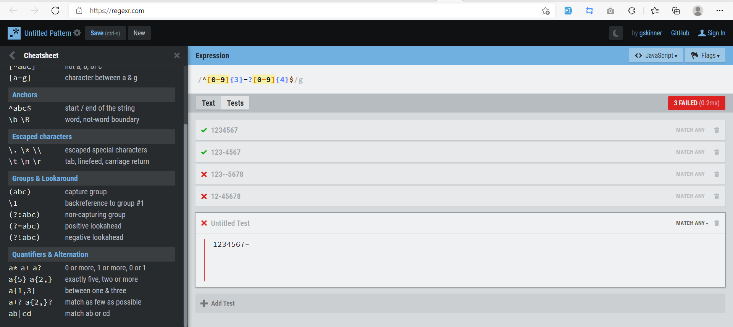

2 . email example
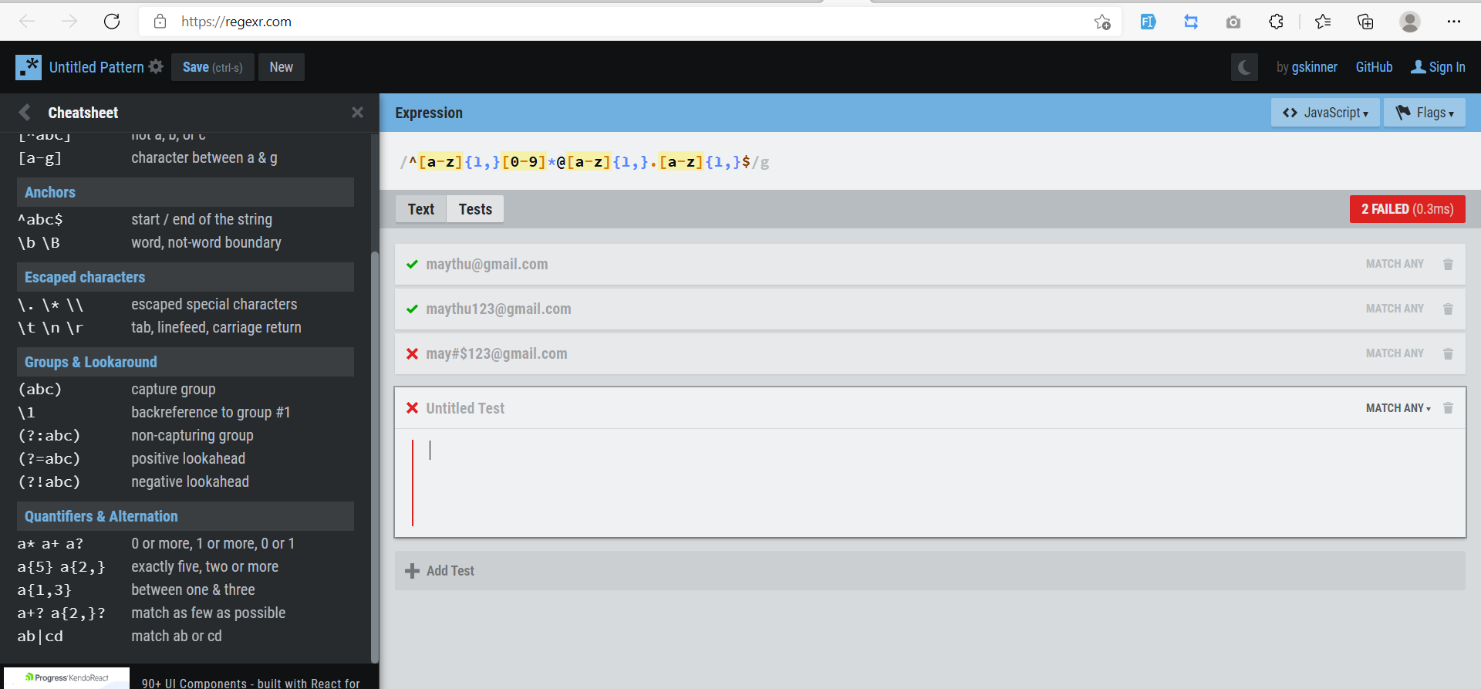

3. phone number example

