BUY DATES
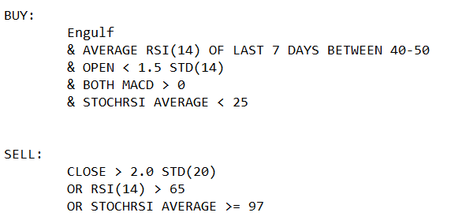
Tickers | Buy 1
ADSK | 2018-04-04
AKAM | 2018-04-04
ATVI | 2021-04-26
BIO | 2020-06-15
COF | 2020-05-14
CPRT | 2012-12-31
CRM | 2013-08-29
DFS | 2021-03-25
FB | 2020-07-30
FTNT | 2011-06-16
HSIC | 2021-06-03
IT | 2014-09-29
KLAC | 2020-10-29
LH | 2013-03-01
LUV | 2020-10-02
MNST | 2014-07-10
MU | 2018-04-04
MU | 2019-03-08
ORLY | 2017-10-26
PRGO | 2021-07-01
REG | 2021-07-01
TXT | 2019-03-11
UAL | 2018-07-02
VRSN | 2018-04-04

SUMMARY
Ticker: | Buy Date: | Buy Price: | Sell Date: | Sell Price: | Return: | DayDiff:
ADSK | 2018-04-05 | 128.680 | 2018-05-14 | 136.990 | 6.46% | 39 | Sum Return: | 140.31%
AKAM | 2018-04-05 | 71.170 | 2018-05-08 | 73.540 | 3.33% | 33 | Avg. Return: | 6.68%
ATVI | 2021-04-27 | 94.510 | 2021-05-21 | 96.970 | 2.60% | 24
BIO | 2020-06-16 | 462.300 | 2020-07-08 | 469.880 | 1.64% | 22 | Avg. DayDiff: | 20.71
COF | 2020-05-15 | 58.130 | 2020-05-28 | 71.920 | 23.72% | 13 | Median DayDiff: | 18
CPRT | 2013-01-02 | 15.000 | 2013-01-14 | 15.850 | 5.67% | 12
CRM | 2013-08-30 | 47.670 | 2013-09-03 | 49.460 | 3.75% | 4 | # of trades: | 21
DFS | 2021-03-26 | 97.530 | 2021-04-09 | 100.320 | 2.86% | 14
FB | 2021-07-31 | 255.820 | 2021-08-03 | 252.650 | -1.24% | 3 | Period: | 01/2010 - 07/2021
FTNT | 2011-06-17 | 23.370 | 2011-06-27 | 25.930 | 10.95% | 10
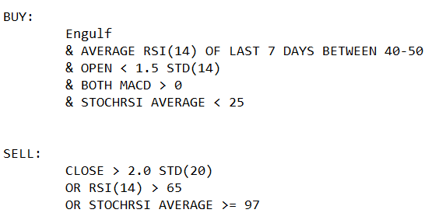
IT | 2014-09-30 | 73.840 | 2014-10-22 | 76.430 | 3.51% | 22
KLAC | 2020-10-30 | 198.500 | 2020-11-06 | 228.880 | 15.30% | 7
LH | 2013-03-04 | 88.710 | 2013-04-03 | 92.810 | 4.62% | 30
LUV | 2020-10-05 | 39.160 | 2020-10-23 | 42.040 | 7.35% | 18
MNST | 2014-07-11 | 23.793 | 2014-08-12 | 23.407 | -1.63% | 32
MU | 2018-04-05 | 52.060 | 2018-05-17 | 56.010 | 7.59% | 42
MU | 2019-03-11 | 38.910 | 2019-03-22 | 43.470 | 11.72% | 11
ORLY | 2017-10-27 | 212.290 | 2017-11-29 | 227.490 | 7.16% | 33
TXT | 2019-03-12 | 52.130 | 2019-04-18 | 54.380 | 4.32% | 37
UAL | 2018-07-03 | 69.780 | 2018-07-19 | 80.000 | 14.65% | 16
VRSN | 2018-04-05 | 119.070 | 2018-04-18 | 126.170 | 5.96% | 13

