Sheet1
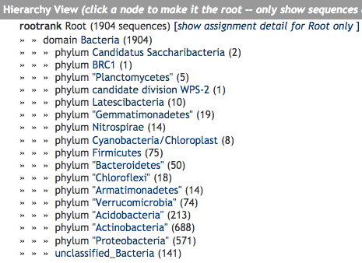

Agricultural Soil (Phyla)

Phylum | Count
Candidatus Saccharibacteria | 2
BRC1 | 1
Planctomycetes | 5
candidate division WPS-2 | 1
Latescibacteria | 10
Gemmatimonadetes | 19
Nitrospirae | 14
Cyanobacteria/Chloroplast | 8
Firmicutes | 75
Bacteroidetes | 50
Chloroflexi | 18
Armatimonadetes | 14
Verrucomicrobia | 74
Acidobacteria | 213
Actinobacteria | 688
Proteobacteria | 571
unclassified_Bacteria | 141

