Sheet1
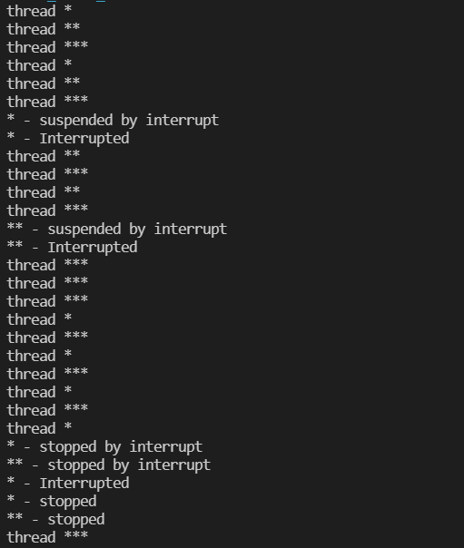
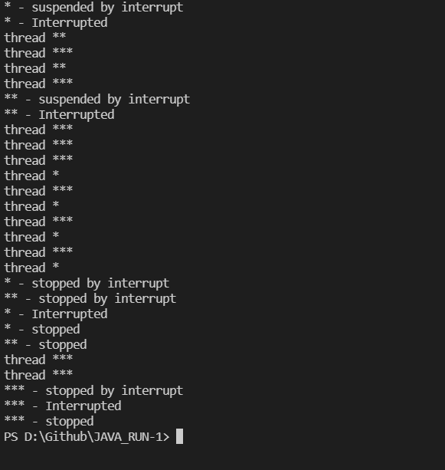

th1.
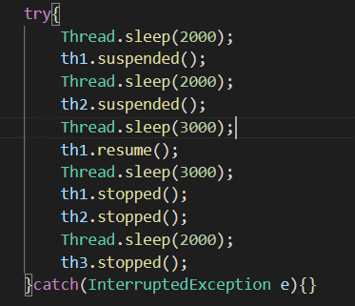
th2
sleep(1000)
th3
sleep(1000)
th1.
sleep(1000)
th2
sleep(1000)
th3
sleep(1000)
Suspend
sleep(1000)
th2
th1. Yeild
th3
sleep(1000)
sleep(1000)
th2
th3
sleep(1000)
sleep(1000)
Suspend
th3
th2. Yeild
sleep(1000)

th3

sleep(1000)

th3

Resume
sleep(1000)

th1.
sleep(1000)
th3

sleep(1000)
th1.
th3
sleep(1000)
sleep(1000)
th1.
th3
sleep(1000)
sleep(1000)
Stopeed
Stopeed
th3

sleep(1000)

th3
sleep(1000)

Stopeed

