PRISM SURVEY
 | http://auakwi-ixweb01.quasar.alcoa.com/COM/DB/DSP_GEN.aspx?ModelUri=http%3A%2F%2Fwww.honeywell.com%2Falcoa%2Fsite%2Finstance%23_HMILSA0SURFACEAREACALCINERDISCHARGE&ModelLabel=(LSA0?) Surface Area - Calciner Discharge

Target / Threshold | CAM.SURFAREA.KSGABFD.TGT |  | Above this threshold is BAD
 | CAL.SURFAREA.50CDIS3.1DYAVG
 | CAL.SURFAREA.50CDIS4.1DYAVG
 | CAL.SURFAREA.50CDIS5.1DYAVG
 | CAL.SURFAREA.50CDIS6.1DYAVG
 | CAL.SURFAREA.50CDIS7.1DYAVG
 | CAL.SURFAREA.50CDIS8.1DYAVG

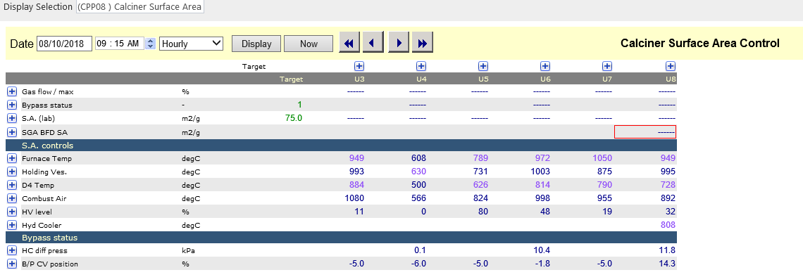

 | http://auakwi-ixweb01.quasar.alcoa.com/COM/DB/DSP_GEN.aspx?ModelUri=http%3A%2F%2Fwww.honeywell.com%2Falcoa%2Fsite%2Finstance%23_HMICPP08CALCINERSURFACEAREACONTROL&ModelLabel=(CPP08 ) Calciner Surface Area Control

Unit | Gas | Furnace Temperature |  | Holding Vessel |  | D4 Stack
3 | CAC.PCTTGT.GAS-U3.1DYAVG | CAP.TC503F.PV.1DYAVG |  | CAP.TIY503HV.PV.1DYAVG |  | CAP.TI503D4.PV.1DYAVG
4 | CAC.PCTTGT.GAS-U4.1DYAVG | CAP.TC504F.PV.1DYAVG |  | CAP.TIY504HV.PV.1DYAVG |  | CAP.TI504D4.PV.1DYAVG
5 | CAC.PCTTGT.GAS-U5.1DYAVG | CAP.TC505F.PV.1DYAVG |  | CAP.TIY505HV.PV.1DYAVG |  | CAP.TI505D4.PV.1DYAVG
6 | CAC.PCTTGT.GAS-U6.1DYAVG | CAP.TC506F.PV.1DYAVG |  | CAP.TIY506HV.PV.1DYAVG |  | CAP.TI506D5.PV.1DYAVG
7 | CAC.PCTTGT.GAS-U7.1DYAVG | CAP.TC507F.PV.1DYAVG |  | CAP.TIY507HV.PV.1DYAVG |  | CAP.TI507D5.PV.1DYAVG
8 | CAC.PCTTGT.GAS-U8.1DYAVG | CAP.TC508F.PV.1DYAVG |  | CAP.TIY508HV.PV.1DYAVG |  | CAP.TI508D5.PV.1DYAVG

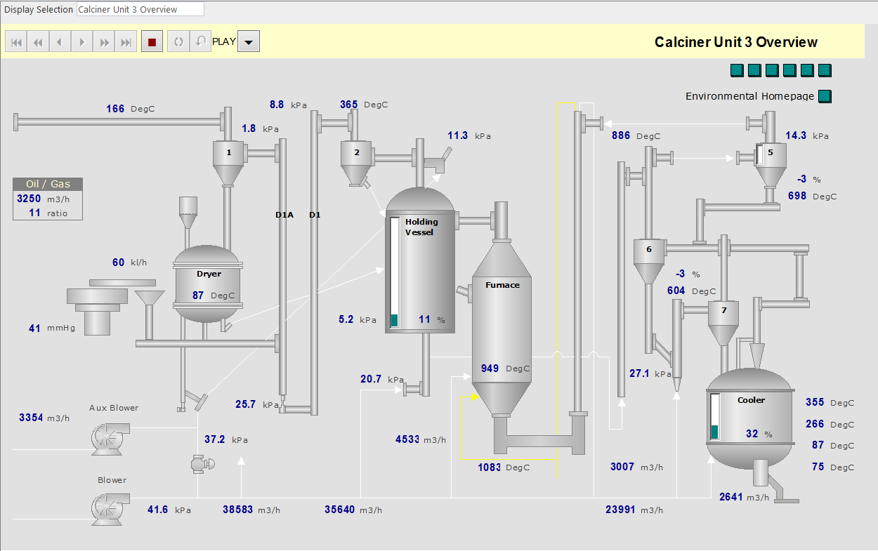

 | http://auakwi-ixweb01.quasar.alcoa.com/COM/DB/DSP_GEN.aspx?ModelUri=http%3A%2F%2Fwww.honeywell.com%2Falcoa%2Fsite%2Finstance%23_HMICALCINERUNIT3OVERVIEW&ModelLabel=Calciner Unit 3 Overview

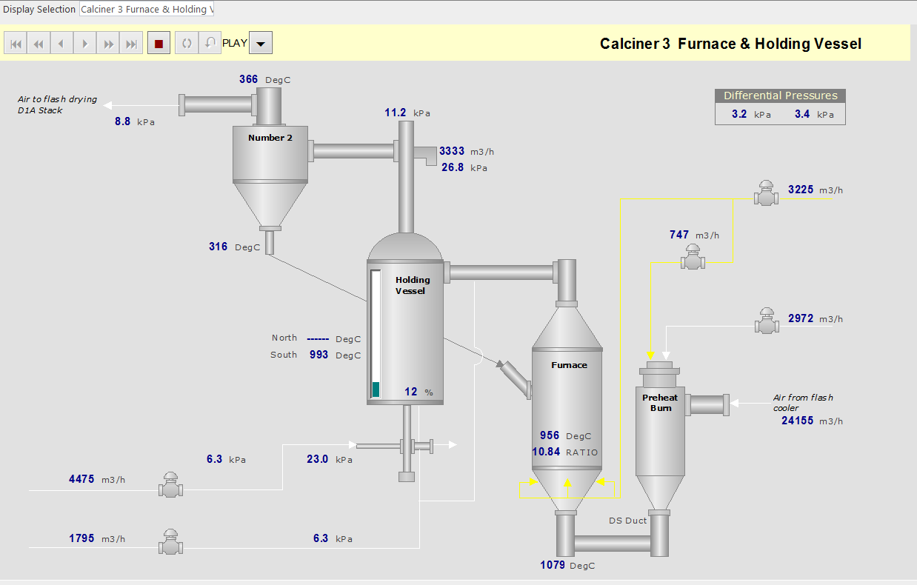

 | http://auakwi-ixweb01.quasar.alcoa.com/COM/DB/DSP_GEN.aspx?ModelUri=http%3A%2F%2Fwww.honeywell.com%2Falcoa%2Fsite%2Finstance%23_HMICALCINER3FURNACEHOLDINGVESSEL&ModelLabel=Calciner 3 Furnace & Holding Vessel

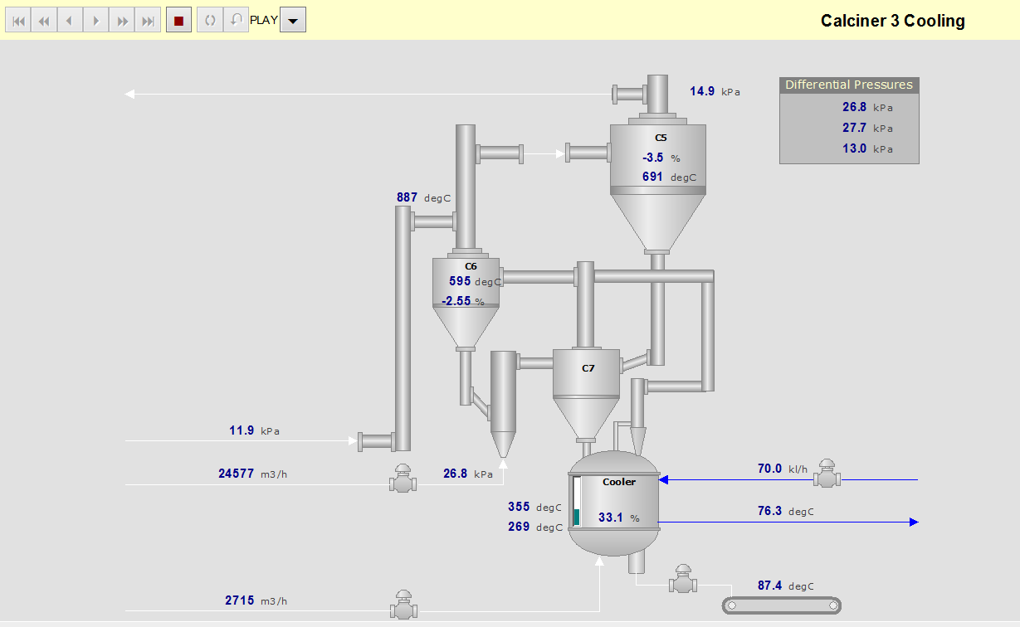

 | http://auakwi-ixweb01.quasar.alcoa.com/COM/DB/DSP_GEN.aspx?ModelUri=http%3A%2F%2Fwww.honeywell.com%2Falcoa%2Fsite%2Finstance%23_HMICALCINER3COOLING&ModelLabel=Calciner 3 Cooling

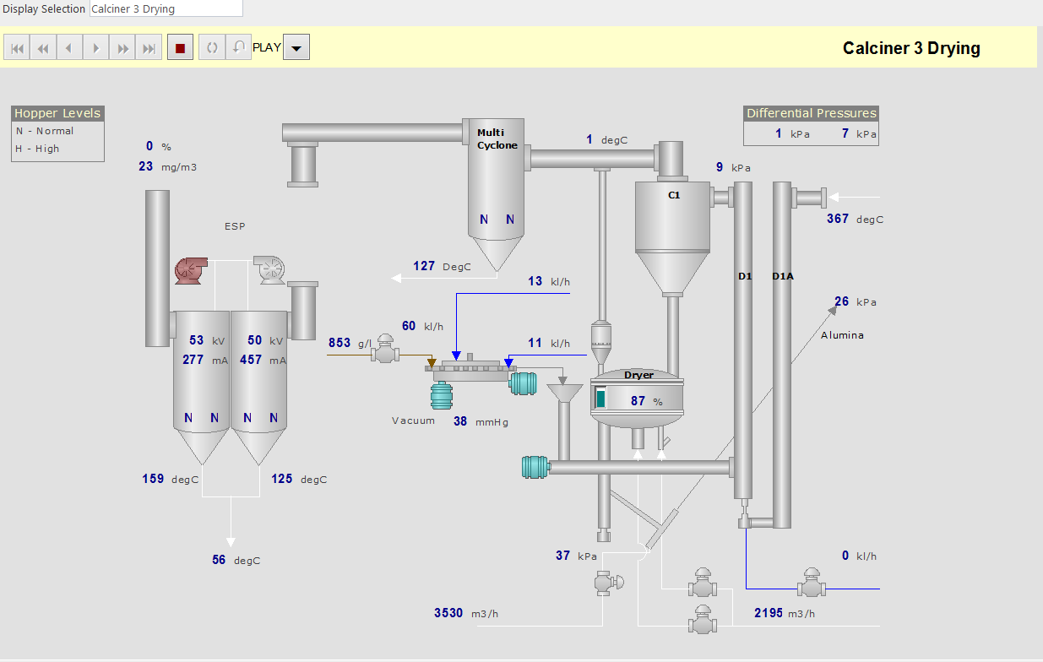

 | http://auakwi-ixweb01.quasar.alcoa.com/COM/DB/DSP_GEN.aspx?ModelUri=http%3A%2F%2Fwww.honeywell.com%2Falcoa%2Fsite%2Finstance%23_HMICALCINER3DRYING&ModelLabel=Calciner 3 Drying

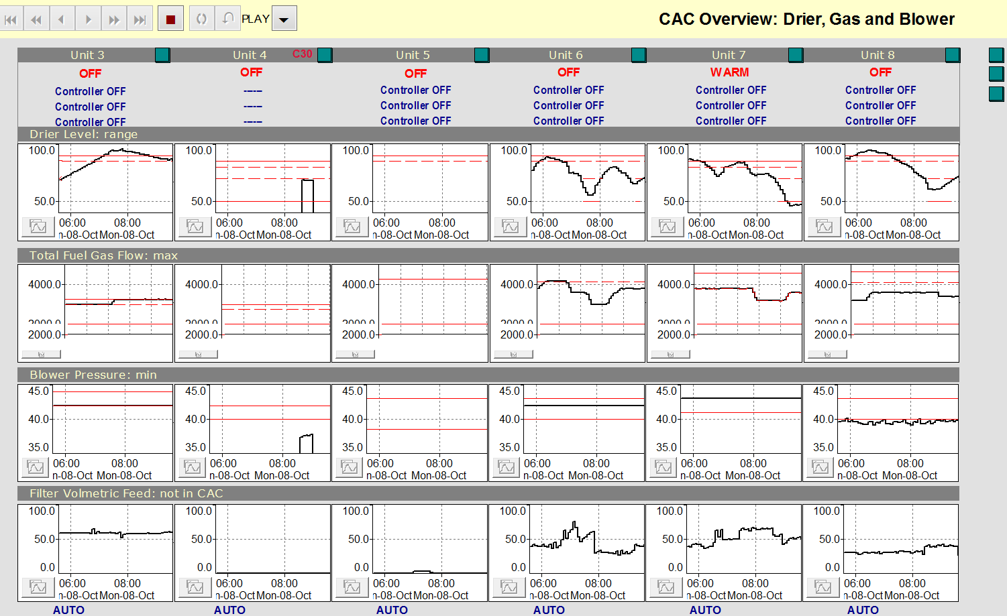

 | http://auakwi-ixweb01.quasar.alcoa.com/COM/DB/DSP_GEN.aspx?ModelUri=http%3A%2F%2Fwww.honeywell.com%2Falcoa%2Fsite%2Finstance%23_HMICACOVERVIEWDRIER&ModelLabel=CAC Overview Drier

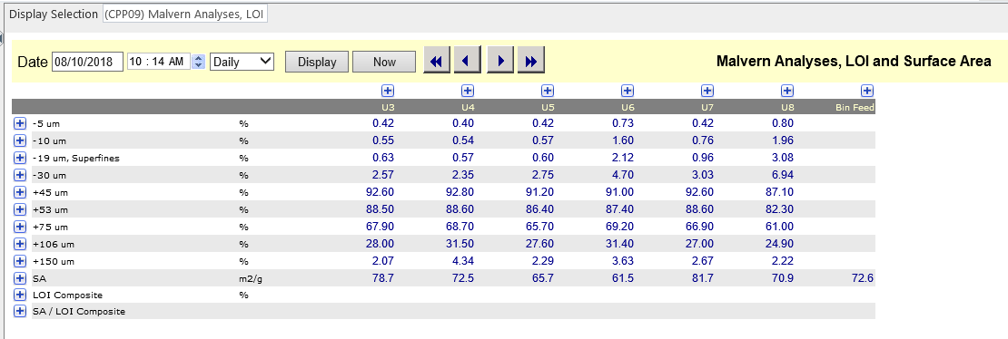

 | http://auakwi-ixweb01.quasar.alcoa.com/COM/DB/DSP_GEN.aspx?ModelUri=http%3A%2F%2Fwww.honeywell.com%2Falcoa%2Fsite%2Finstance%23_HMICPP09MALVERNANALYSESLOIAREA&ModelLabel=(CPP09) Malvern Analyses, LOI & Area

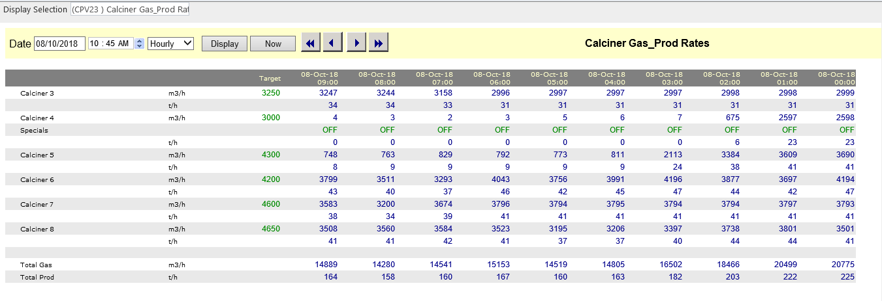

 | http://auakwi-ixweb01.quasar.alcoa.com/COM/DB/DSP_GEN.aspx?ModelUri=http%3A%2F%2Fwww.honeywell.com%2Falcoa%2Fsite%2Finstance%23_HMICPV23CALCINERGASPRODRATES&ModelLabel=(CPV23 ) Calciner Gas_Prod Rates

 | Gas Target | Gas Flow |  |  | Status
Unit 3 | CAM.FLOW.GAS-U3SGA.TGT | CAP.FC503TFG.PV.1HRAVG |  |  | ?
Unit 4 | CAM.FLOW.GAS-U4SGA.TGT | CAP.FC504TFG.PV.1HRAVG
Unit 5 | CAM.FLOW.GAS-U5SGA.TGT | CAP.FC505TFG.PV.1HRAVG
Unit 6 | CAM.FLOW.GAS-U6SGA.TGT | CAP.FC506TFG.PV.1HRAVG
Unit 7 | CAM.FLOW.GAS-U7SGA.TGT | CAP.FC507TFG.PV.1HRAVG
Unit 8 | CAM.FLOW.GAS-U8SGA.TGT | CAP.FC508TFG.PV.1HRAVG

