Packaging Form (1 Per Brand)
GM Packaging Intake Form
Supplier Contact Information |  |  |  | High Level Timeline
Walmart Supplier ID #: 061502 | Name of Supplier Primary Contact: Jackie Kvelums | Primary Contact's Phone #: 212-213-1828 | Primary Contact's Email: jkvelums@vcnyhome.com | Packaging Artwork Due to Printer:
Company Name: VCNY Home/ Textiles from Europe | Street Address: 5901 West Side Avenue | City: North Bergen | State/Province: NJ | Shipping Start Date:
Postal Code/Zip Code: 07047 | Country: USA |  |  | Merchandise In-Store Date:
SECTION 1: Packaging Details
Brand: Holiday Time | Department Number: 20 | Category Manager Name: Krystal Shaddick
SECTION 2: Printer Contact Information |  |  |  | SECTION 2A: Ethical Sourcing: (Printer MUST be Walmart audited)
Printer Name: DAHUA PRINTING COMPANY |  |  |  | Printer WM Factory ID#:
Printer Address: NINGBO EAST LAKE INDUSTRIAL PARK, ZHEJIANG, NINGBO, CHINA |  |  |  | Audit Rating:
Contact's Phone: 86-1906684236 | Name of Contact: MR HONG | Printer Contact's Email: 81010236@163.COM |  | Red | Yellow | Green
SECTION 3: Specific Product Information Additional details can be entered in unused columns.
Product Image/ Packaging Reference (insert JPEG in this column) | Product Name/ Description (As it should appear on packaging) | Vendor Stock Number (if Style # is not issued) | UPC (12 digits) | Packaging Type *Please select one from the drop down menu | Walmart Canada Import: Imported For OR Imported BY: *Please select one from the drop down menu | Country of Origin | Product Dimensions/Size Piece Count (eg. in./cm, King, 3-Piece, 6-Pack etc.) | NEW ! Product Principal Display Dimension (in W x in L cm x cm) | ProductWeight lbs/kg; oz/g | Colour/ Pattern | Material/ Fabrication (e.g., Egyptian cotton, faux suede, birch veneer) | Features/Benefits (e.g., expandable, reversible, multi-use, easy-care,) | Product Use/Care Instructions All copy entered here will appear on packaging verbatim. Please make sure the wording of warnings are finalized with your legal department or any regulatory agencies. | Warnings/ Warranty/ Special Marks/ Logos/ Co-Branding Warnings are the responsibility of the supplier. | Pre-Price If applicable (Please confirm with Category Manager)
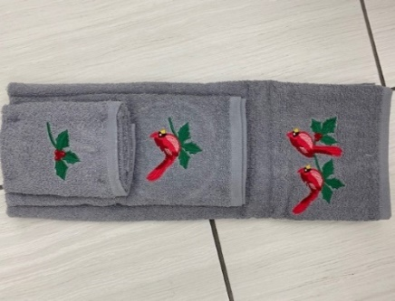 | CARDINAL 3PC TOWEL SET | CD5TWL3PCSGV | 735732424700 | Hanger & Hang Tag | Imported FOR | Pakistan | Bath Towel- 24 in x 48 in/ 60.96 cm x 121.92 cm ; Hand Towel-16 in x 28 in/ 40.64 cm x 71.12 cm ; Finger tip Towel- 12 in x 18 in/ 30.48 cm x 45.72 cm. |  | 2 LB | GREY/RED | 100% Cotton Terry, exclusive of decoration. | 1. Easy Care 2. Decorative 3. | MACHINE WASHABLE. |  | 9.98
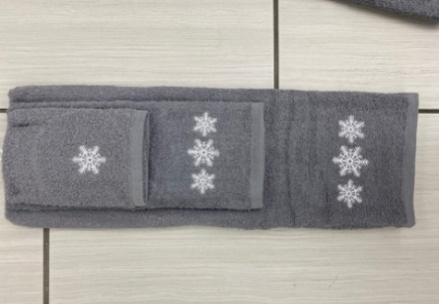 | SNOWFLAKE 3PC TOWEL SET | SNFTWL3PCSGV | 735732424717 | Hanger & Hang Tag | Imported FOR | Pakistan | Bath Towel- 24 in x 48 in/ 60.96 cm x 121.92 cm ; Hand Towel-16 in x 28 in/ 40.64 cm x 71.12 cm ; Finger tip Towel- 12 in x 18 in/ 30.48 cm x 45.72 cm. |  | 2 LB | GREY | 100% Cotton Terry, exclusive of decoration. | 1. Easy Care 2. Decorative 3. | MACHINE WASHABLE. |  | 9.98
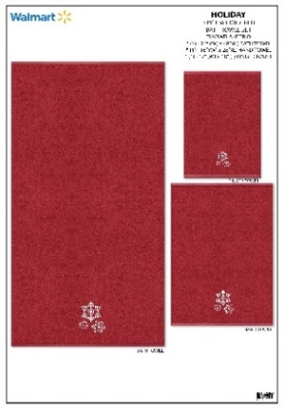 | SNOWFLAKE 3PC TOWEL SET | SNFTWL3PCSRD | 735732424731 | Hanger & Hang Tag | Imported FOR | Pakistan | Bath Towel- 24 in x 48 in/ 60.96 cm x 121.92 cm ; Hand Towel-16 in x 28 in/ 40.64 cm x 71.12 cm ; Finger tip Towel- 12 in x 18 in/ 30.48 cm x 45.72 cm. |  | 2 LB | RED | 100% Cotton Terry, exclusive of decoration. | 1. Easy Care 2. Decorative 3. | MACHINE WASHABLE. |  | 9.98
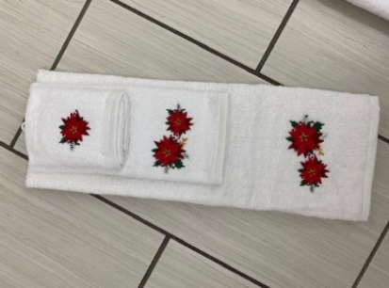 | POINSETTIA 3PC TOWEL SET | POITWL3PCSWH | 735732424724 | Hanger & Hang Tag | Imported FOR | Pakistan | Bath Towel- 24 in x 48 in/ 60.96 cm x 121.92 cm ; Hand Towel-16 in x 28 in/ 40.64 cm x 71.12 cm ; Finger tip Towel- 12 in x 18 in/ 30.48 cm x 45.72 cm. |  | 2 LB | WHITE | 100% Cotton Terry, exclusive of decoration. | 1. Easy Care 2. Decorative 3. | MACHINE WASHABLE. |  | 9.98
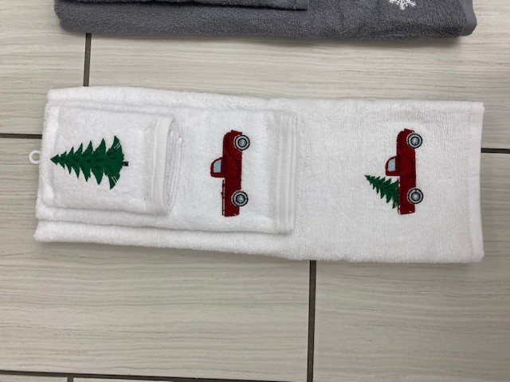 | TRUCK 3PC TOWEL SET | TK1TWL3PCSWH | 735732424755 | Hanger & Hang Tag | Imported FOR | Pakistan | Bath Towel- 24 in x 48 in/ 60.96 cm x 121.92 cm ; Hand Towel-16 in x 28 in/ 40.64 cm x 71.12 cm ; Finger tip Towel- 12 in x 18 in/ 30.48 cm x 45.72 cm. |  | 2 LB | WHITE | 100% Cotton Terry, exclusive of decoration. | 1. Easy Care 2. Decorative 3. | MACHINE WASHABLE. |  | 9.98
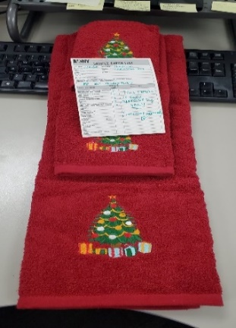 | CHRISTMAS 3PC TOWEL SET | XTETWL3PCSRD | 735732424748 | Hanger & Hang Tag | Imported FOR | Pakistan | Bath Towel- 24 in x 48 in/ 60.96 cm x 121.92 cm ; Hand Towel-16 in x 28 in/ 40.64 cm x 71.12 cm ; Finger tip Towel- 12 in x 18 in/ 30.48 cm x 45.72 cm. |  | 2 LB | RED | 100% Cotton Terry, exclusive of decoration. | 1. Easy Care 2. Decorative 3. | MACHINE WASHABLE. |  | 9.98
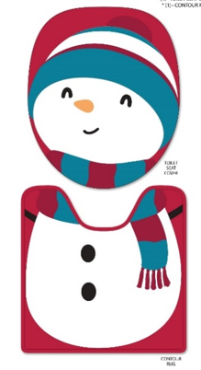 | SNOWMAN 2PC RUG SET | SNMRST2PCZMU | 735732425233 | Header Card | Imported FOR | India | Contour Rug: 20 in x 20 in / 50.8 cm x 50.8 cm ; Toilet Seat Cover: 18.5 in x 16.5 in / 46.99 cm x 41.91 cm |  | 2 LB | MULTI\ |  | 1. Easy Care 2. Decorative 3. | MACHINE WASHABLE. |  | 12.98
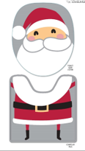 | SANTA 2PC RUG SET | SA6RST2PCZGW | 735732424649 | Header Card | Imported FOR | India | Contour Rug: 20 in x 20 in / 50.8 cm x 50.8 cm ; Toilet Seat Cover: 18.5 in x 16.5 in / 46.99 cm x 41.91 cm |  | 2 LB | GREY/WHITE |  | 1. Easy Care 2. Decorative 3. | MACHINE WASHABLE. |  | 12.98
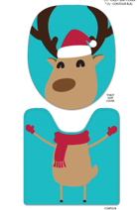 | REINDEER 2PC RUG SET | RDRRST2PCZBL | 735732424632 | Header Card | Imported FOR | India | Contour Rug: 20 in x 20 in / 50.8 cm x 50.8 cm ; Toilet Seat Cover: 18.5 in x 16.5 in / 46.99 cm x 41.91 cm |  | 2 LB | BLUE |  | 1. Easy Care 2. Decorative 3. | MACHINE WASHABLE. |  | 12.98
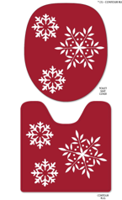 | SNOWFLAKE 2PC RUG SET | SNFRST2PCZRD | 735732424656 | Header Card | Imported FOR | India | Contour Rug: 20 in x 20 in / 50.8 cm x 50.8 cm ; Toilet Seat Cover: 18.5 in x 16.5 in / 46.99 cm x 41.91 cm |  | 2 LB | RED |  | 1. Easy Care 2. Decorative 3. | MACHINE WASHABLE. |  | 12.98
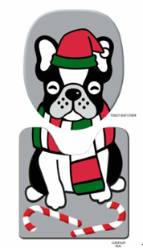 | DOG 2PC RUG SET | DGORST2PCZMU | 735732424663 | Header Card | Imported FOR | India | Contour Rug: 20 in x 20 in / 50.8 cm x 50.8 cm ; Toilet Seat Cover: 18.5 in x 16.5 in / 46.99 cm x 41.91 cm |  | 2 LB | MULTI |  | 1. Easy Care 2. Decorative 3. | MACHINE WASHABLE. |  | 12.98
 | LET IT SNOW BATH RUG | SN5RUG1828GV | 735732424595 | C-Card / U-Card | Imported FOR | India | 18 in x 28 in / 45.72 cm x 71.12 cm |  | 1 LB | GREY |  | 1. Easy Care 2. Decorative 3. | MACHINE WASHABLE. |  | 9.98
 | SNOWMAN BATH BATH RUG | SNMRUG1828MU | 735732424601 | C-Card / U-Card | Imported FOR | India | 18 in x 28 in / 45.72 cm x 71.12 cm |  | 1 LB | MULTI |  | 1. Easy Care 2. Decorative 3. | MACHINE WASHABLE. |  | 9.98
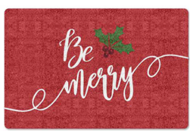 | BE MERRY BATH RUG | MY0RUG1828RD | 735732424588 | C-Card / U-Card | Imported FOR | India | 18 in x 28 in / 45.72 cm x 71.12 cm |  | 1 LB | RED |  | 1. Easy Care 2. Decorative 3. | MACHINE WASHABLE. |  | 9.98
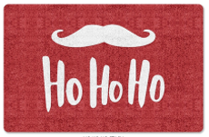 | HO HO HO BATH RUG | HOHRUG1828RW | 735732424618 | C-Card / U-Card | Imported FOR | India | 18 in x 28 in / 45.72 cm x 71.12 cm |  | 1 LB | RED/WHITE |  | 1. Easy Care 2. Decorative 3. | MACHINE WASHABLE. |  | 9.98
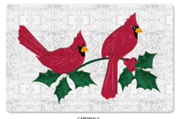 | CARDINAL BATH BATH RUG | CD5RUG1828WR | 735732424571 | C-Card / U-Card | Imported FOR | India | 18 in x 28 in / 45.72 cm x 71.12 cm |  | 1 LB | WHITE/RED |  | 1. Easy Care 2. Decorative 3. | MACHINE WASHABLE. |  | 9.98
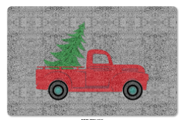 | TRUCK BATH BATH RUG | TK1RUG1828GV | 735732424625 | C-Card / U-Card | Imported FOR | India | 18 in x 28 in / 45.72 cm x 71.12 cm |  | 1 LB | GREY/RED |  | 1. Easy Care 2. Decorative 3. | MACHINE WASHABLE. |  | 9.98
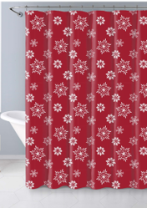 | SNOWFLAKE PEVA SHC | SNFSHC7072RD | 735732424687 | Self-Adhesive Poly Bag | Imported FOR | China | 70 in x 72 in / 177.8 cm x 182.88 cm |  | .4 LB | RED |  | 1. Easy Care 2. Decorative 3. | WIPE CLEAN |  | 4.00
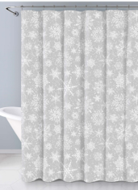 | SNOWFLAKE PEVA SHC | SNFSHC7072GV | 735732424670 | Self-Adhesive Poly Bag | Imported FOR | China | 70 in x 72 in / 177.8 cm x 182.88 cm |  | .4 LB | GREY |  | 1. Easy Care 2. Decorative 3. | WIPE CLEAN |  | 4.00
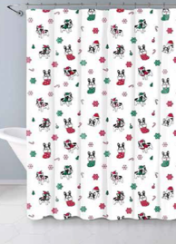 | DOG PEVA SHC | DGOSHC7072MU | 735732424694 | Self-Adhesive Poly Bag | Imported FOR | China | 70 in x 72 in / 177.8 cm x 182.88 cm |  | .4 LB | MULTI |  | 1. Easy Care 2. Decorative 3. | WIPE CLEAN |  | 4.00

File Naming Instructions
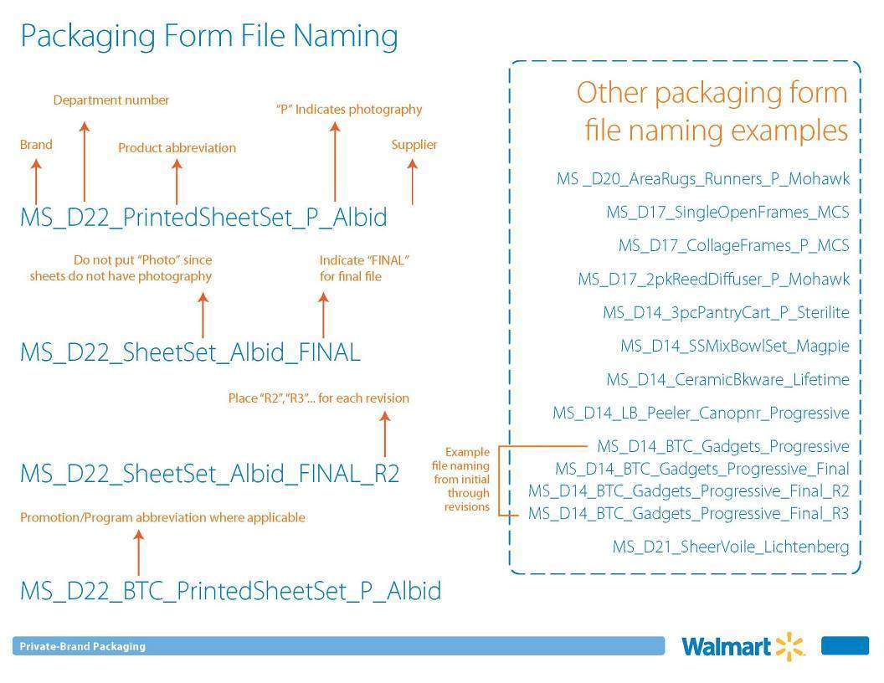

Fill out if PDQs are needed for your items

