Basement
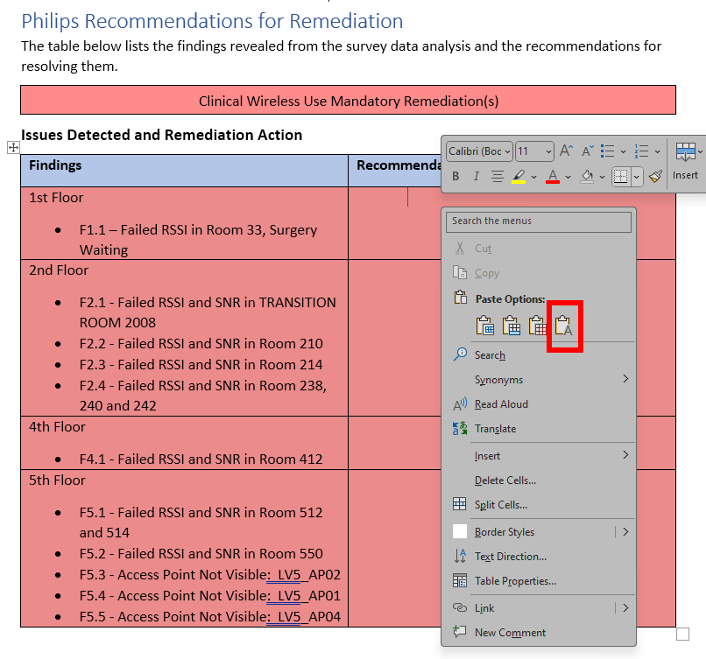
Floor | Find # | Failure | Details | Finding Details | Rem # | Action | Details | Remediation Detail
Basement | FB.1 |  |  | FB.1 - | RB.1 |  |  | RB.1 -
 | FB.2 |  |  | FB.2 - | RB.2 |  |  | RB.2 -
 | FB.3 |  |  | FB.3 - | RB.3 |  |  | RB.3 -
 | FB.4 |  |  | FB.4 - | RB.4 |  |  | RB.4 -
 | FB.5 |  |  | FB.5 - | RB.5 |  |  | RB.5 -
 | FB.6 |  |  | FB.6 - | RB.6 |  |  | RB.6 -
 | FB.7 |  |  | FB.7 - | RB.7 |  |  | RB.7 -
 | FB.8 |  |  | FB.8 - | RB.8 |  |  | RB.8 -
 | FB.9 |  |  | FB.9 - | RB.9 |  |  | RB.9 -
 | FB.10 |  |  | FB.10 - | RB.10 |  |  | RB.10 -
 | FB.11 |  |  | FB.11 - | RB.11 |  |  | RB.11 -
 | FB.12 |  |  | FB.12 - | RB.12 |  |  | RB.12 -
 | FB.13 |  |  | FB.13 - | RB.13 |  |  | RB.13 -
 | FB.14 |  |  | FB.14 - | RB.14 |  |  | RB.14 -
 | FB.15 |  |  | FB.15 - | RB.15 |  |  | RB.15 -
 | FB.16 |  |  | FB.16 - | RB.16 |  |  | RB.16 -
 | FB.17 |  |  | FB.17 - | RB.17 |  |  | RB.17 -
 | FB.18 |  |  | FB.18 - | RB.18 |  |  | RB.18 -
 | FB.19 |  |  | FB.19 - | RB.19 |  |  | RB.19 -
 | FB.20 |  |  | FB.20 - | RB.20 |  |  | RB.20 -

 |  |  |  |  |  |  |  | Paste the remediation details in this column into report table AS TEXT (Clipboard with letter A)

