Sheet 1 - Table 1
Table 1
Test 1 | Create a new todo task item
 | Test Objective: Verifies a new task can be added to the Todo List | Developer: Edgar Arroyo Date tested: January 30, 2025 | Peer tester: Scott Cacal Date tested: 2/2/2025 |  |  | Images For Each Step
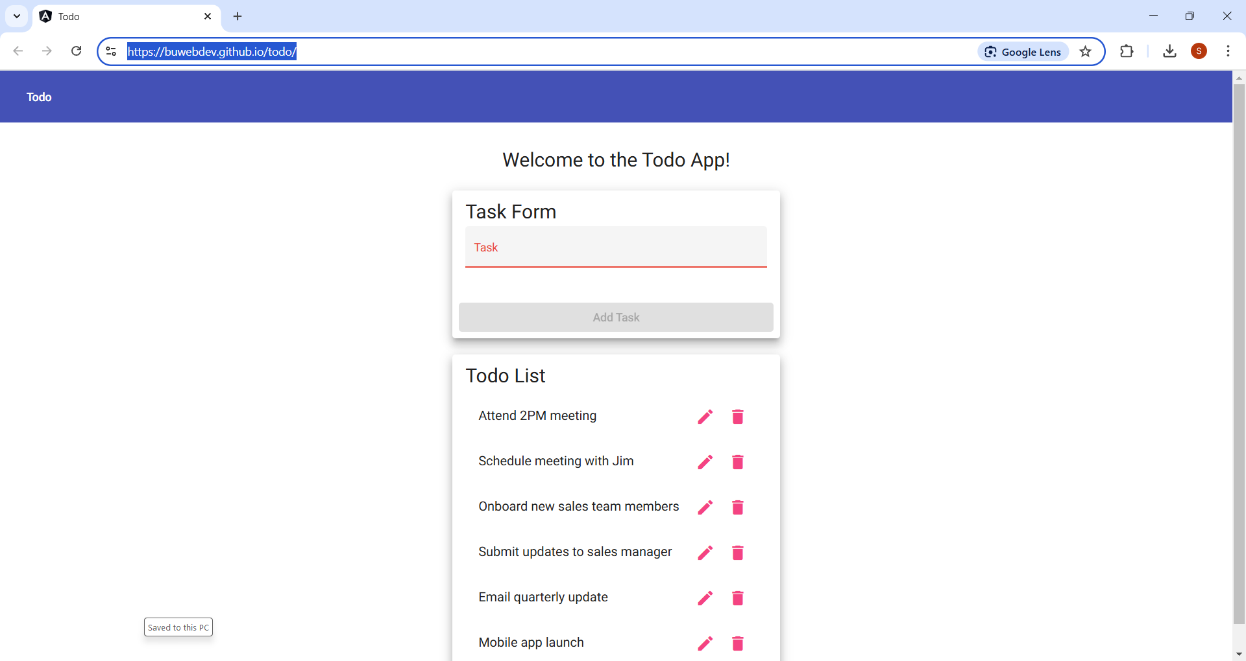
Step | Action | Expected results: | Developer pass/fail | Tester pass/fail + Screenshot
1 | Enter https://buwebdev.github.io/todo/ in your browser’s address bar and press enter. | Enter the todo app website | Yes | Yes | Step 1
2 | Under “Task Form”, in the “Task” textbox, enter a new task: “Eat lunch with John at noon” | The text entered will be displayed in textbox only | Yes | Yes
3 | Click the “Add Task” button | The task button will be greyed out and become unavailable. | Yes
4 | Verify the task was added under the Todo List | The task should now appear in the Todo list section of the application. | Yes
Comments | Specifiying the required text in here was good. It prevented any requirement to overthink the text here. - Scott C

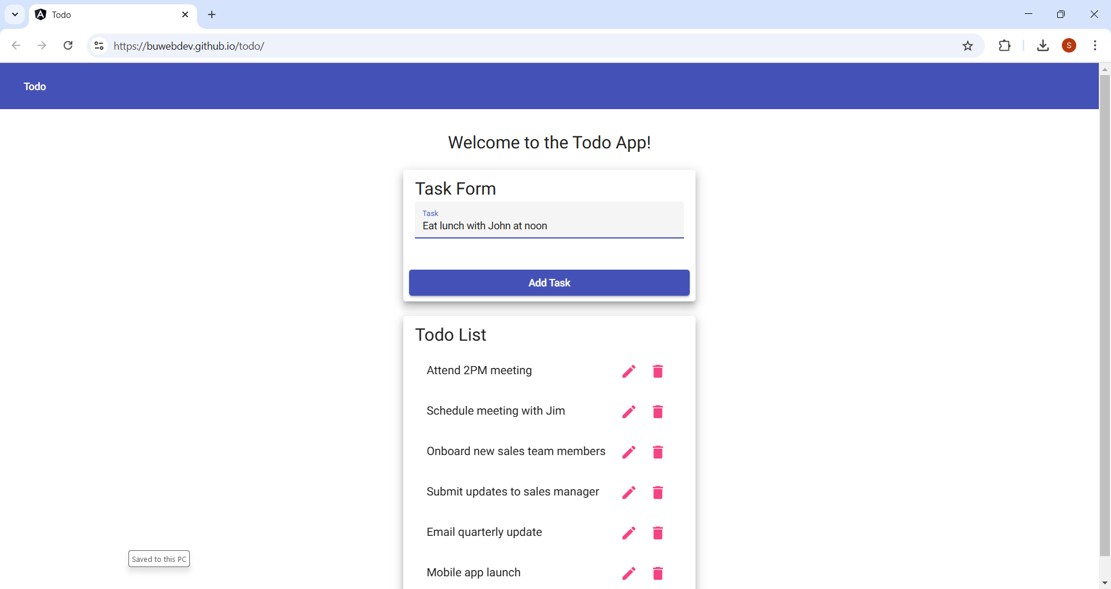
 |  |  |  |  | Step 2

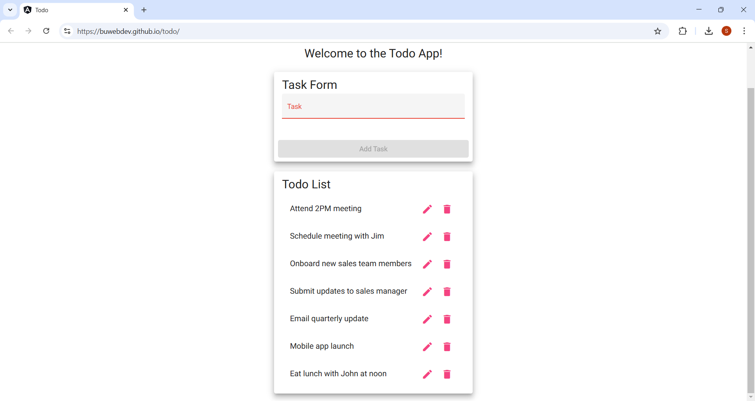
 |  |  |  |  | Step 3

 |  |  |  |  | Step 4

Sheet 1 - Table 2
Table 2
Test 2 | Delete a todo task item
 | Test Objective: Verifies a task can be deleted from Todo List | Developer: Edgar Arroyo Date tested: January 30, 2025 | Peer tester: Scott Cacal Date tested: 2/2/2025
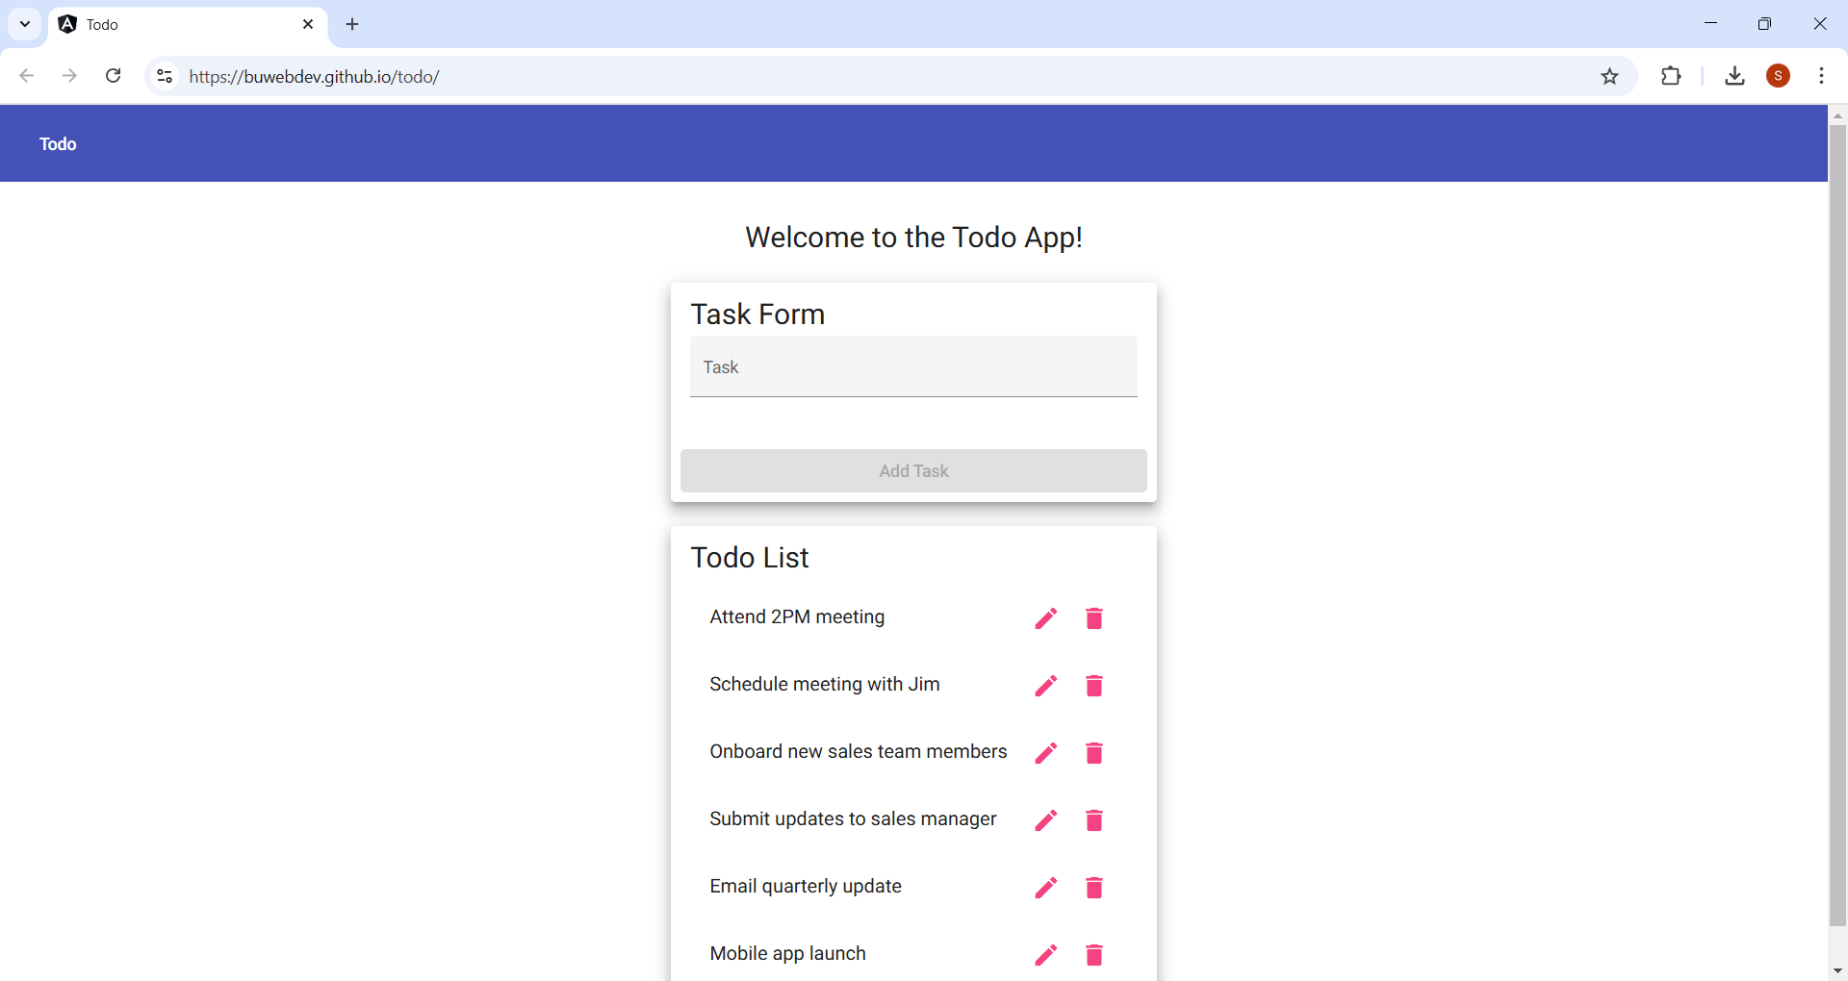
Step | Action | Expected results: | Developer pass/fail | Tester pass/fail + Screenshot | Step 1
1 | Enter https://buwebdev.github.io/todo/ in your browser’s address bar and press enter. | Enter the todo app website | Yes | Yes
2 | Under “Task Form”, in the “Task” textbox, enter a new task: “Eat lunch with John at noon” | The text entered will be displayed in textbox only | Yes | Yes
3 | Click the “Add Task” button | The task button will be greyed out and become unavailable. | Yes | Yes
4 | Under Todo List, click the trash icon on the newly created task item. | The list item disappears from the Todo List. | Yes | Yes
5 | Verify the task item is no longer in the Todo List | The Todo List no longer has the deleted item. | Yes | Yes
Comments | Steps 1 through 3 are used in Test 1, 2, 3, and 5 and may be simiplifed as a recurring test. This functionality appears straight forward and works accordingly. - Scott C

 |  |  |  |  | Step 2

 |  |  |  |  | Step 3

 |  |  |  |  | Step 4

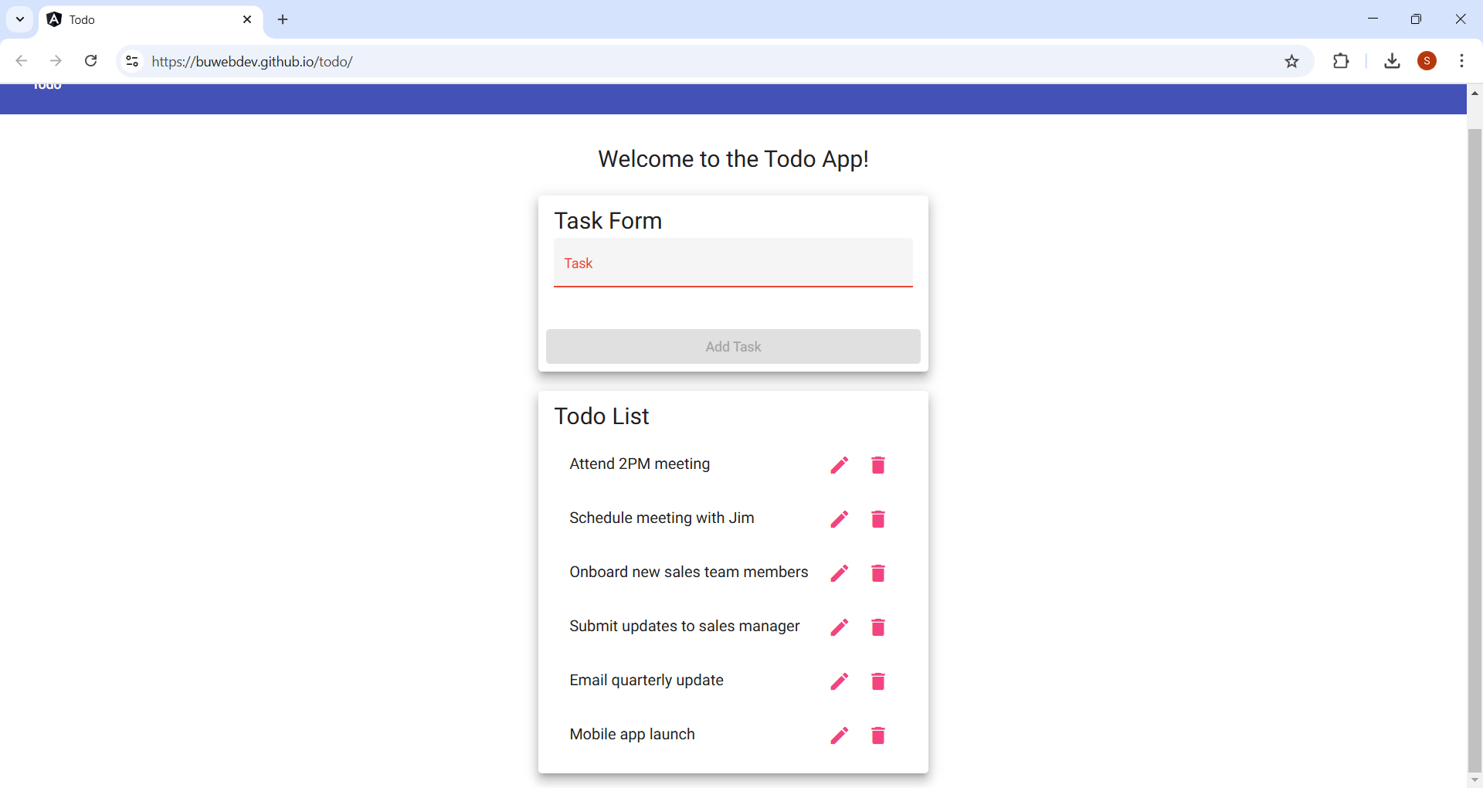
 |  |  |  |  | Step 5

Sheet 1 - Table 3
Table 3
Test 3 | Edit a todo task item
 | Test Objective | Developer: Edgar Arroyo Date tested: January 30, 2025 | Peer tester: Scott Cacal Date tested: 2/2/2025
Step | Action | Expected results: | Developer pass/fail | Tester pass/fail + Screenshot | Step 1
1 | Enter https://buwebdev.github.io/todo/ in your browser’s address bar and press enter. | Enter the todo app website | Yes | Yes
2 | Under “Task Form”, in the “Task” textbox, enter a new task: “Eat lunch with John at noon” | The text entered will be displayed in textbox only | Yes | Yes
3 | Click the “Add Task” button | The task button will be greyed out and become unavailable. | Yes | Yes
4 | Under Todo List, click the pencil icon on the newly created task item. | A new window will pop-up to Edit Form. | Yes | Yes
5 | In the “Task” textbox, change the task from “Eat lunch with John at noon” to “Eat lunch with Jane at noon”. | The new text will be displayed in the text box. | Yes | Yes
6 | Verify the task item changed successfully. | The task item now reads “Eat lunch with Jane at noon” instead of “Eat lunch with John at noon”. | Yes | Yes
Comments | Functionality of the edit butto appears to be straight forward. Note that there is not text count requirement in the edit feature. - Scott C

 |  |  |  |  | Step 2

 |  |  |  |  | Step 3

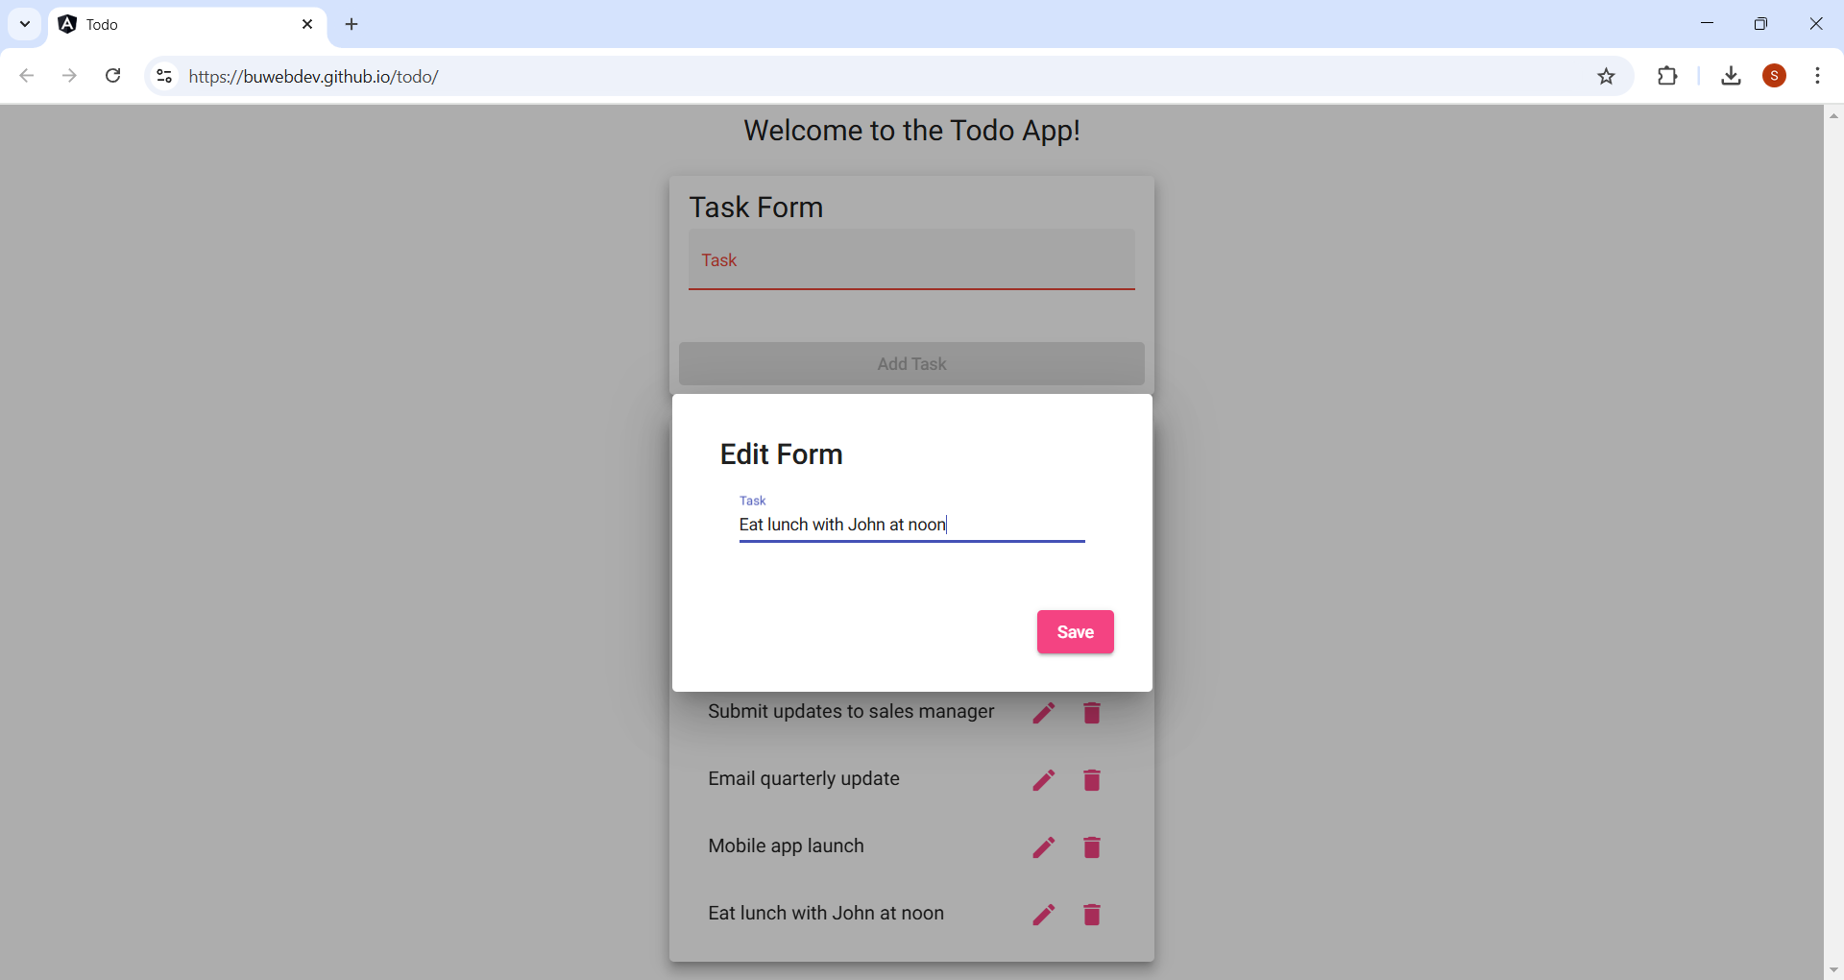
 |  |  |  |  | Step 4


 |  |  |  |  | Step 5


 |  |  |  |  | Step 6

Sheet 1 - Table 4
Table 4
Test 4 | Prevent users from submitting a task form without entering a todo item
 | Test Objective | Developer: Edgar Arroyo Date tested: January 30, 2025 | Peer tester: Scott Cacal Date tested: 2/2/2025
Step | Action | Expected results: | Developer pass/fail | Tester pass/fail + Screenshot
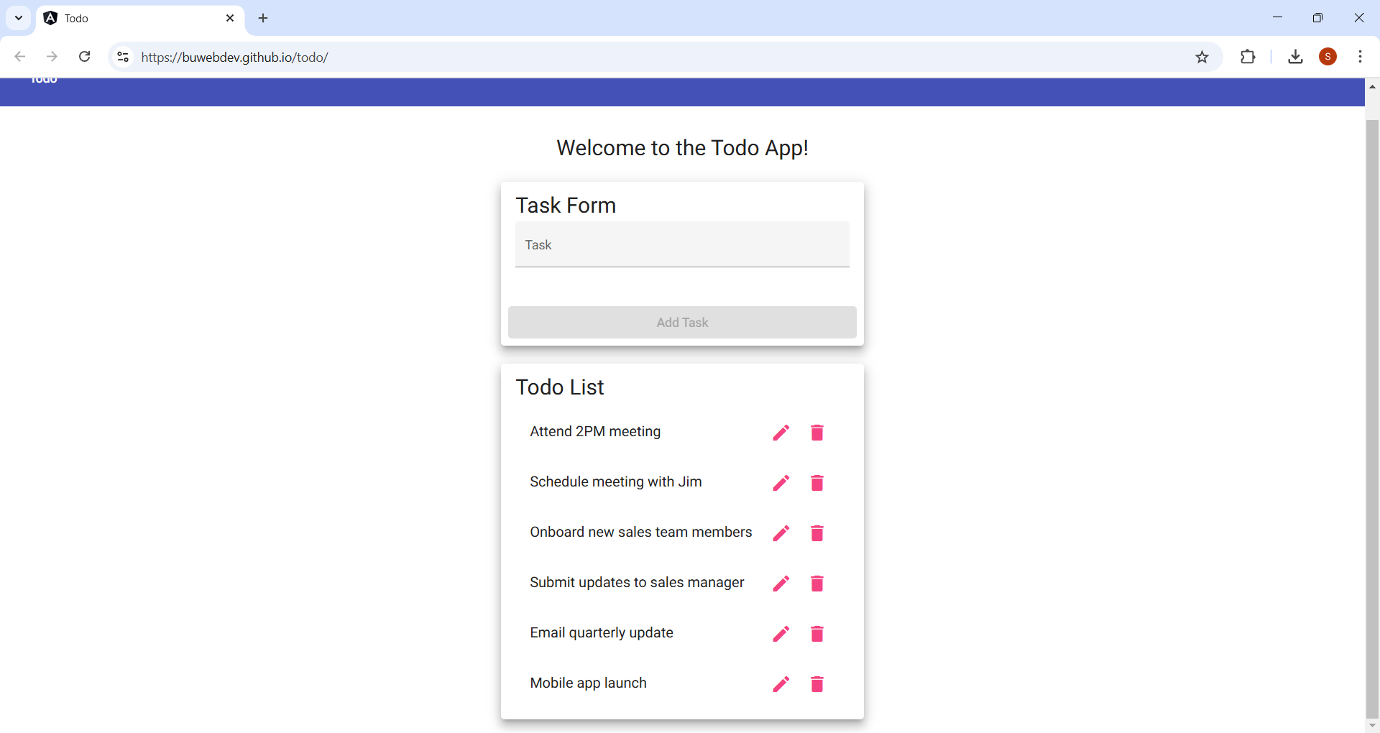
1 | Enter https://buwebdev.github.io/todo/ in your browser’s address bar and press enter. | Enter the todo app website | Yes | Yes | Step 1
2 | Leave the “Task” textbox empty under “Task Form”. | The textbox is empty and the “Add Task” button is greyed out and unavailable. | Yes | Yes
3 | Click the “Add Task” button. | Nothing is added to the Todo List | Yes | Yes
Comments | Business requirements may need additoinal details as to how this button functions. Functionality such as color or effects from an empty text field (no clicked) or a text field with a cursor (clicked) - Scott C


 |  |  |  |  | Step 2

 |  |  |  |  | Step 3

Sheet 1 - Table 5
Table 5
Test 5 | Prevent users from submitting the edit form without entering a todo item
 | Test Objective | Developer: Edgar Arroyo Date tested: January 30, 2025 | Peer tester: Scott Cacal Date tested: 2/2/2025
Step | Action | Expected results: | Developer pass/fail | Tester pass/fail + Screenshot
1 | Enter https://buwebdev.github.io/todo/ in your browser’s address bar and press enter. | Enter the todo app website | Yes | Yes | Step 1
2 | Under “Task Form”, in the “Task” textbox, enter a new task: “Eat lunch with John at noon” | The text entered will be displayed in textbox only | Yes | Yes
3 | Click the “Add Task” button | The task button will be greyed out and become unavailable. | Yes | Yes
4 | Under Todo List, click the pencil icon on the newly created task item. | A new window will pop-up to Edit Form. | Yes | Yes
5 | Delete the text in the “Task” textbox and click “Save”. | The “Save” button will be greyed out and unavailable. | No. | No
Comments | Additional information from the Business Requirements may be need on the Save button functionlity from th Edit Form. This will potentially cause the entire Test Case to fail. - Scott C

 |  |  |  |  | Step 2

 |  |  |  |  | Step 3


 |  |  |  |  | Step 4


 |  |  |  |  | Step 5

