Comparison
 |  | ELITE DANGEROUS CONTROLS TEMPLATE for PC

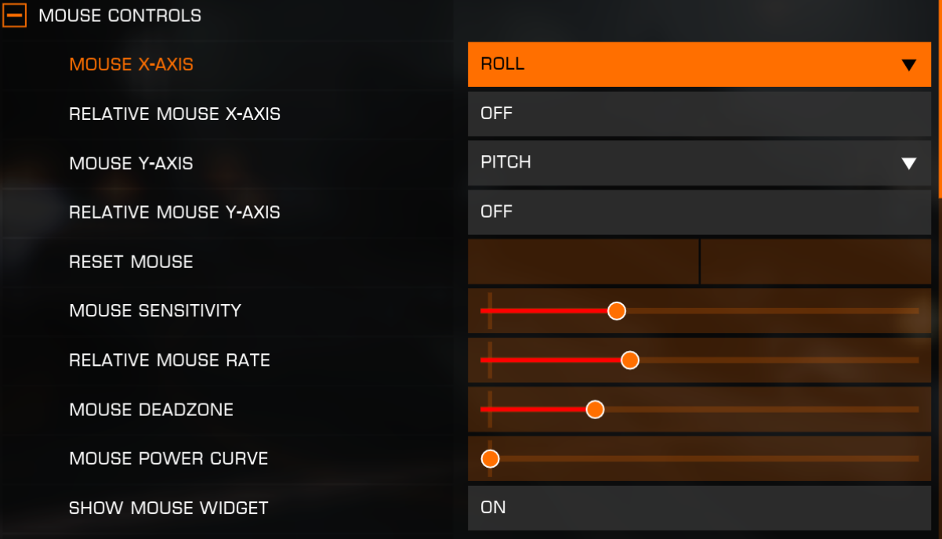
 |  | PRESETS | CUSTOM
COMPARE |  |  |  |  | https://steamcommunity.com/sharedfiles/filedetails/?id=2302966662
TRUE | TRUE | MOUSE CONTROLS |  |  | Mouse Controls
TRUE | TRUE | MOUSE X-AXIS | ROLL / YAW / OFF |  | Mouse X-Axis
TRUE | TRUE | RELATIVE MOUSE X-AXIS | ON / OFF |  | Relative Mouse X-Axis
TRUE | TRUE | MOUSE Y-AXIS | PITCH / PITCH INVERTED / OFF |  | Mouse Y-Axis
TRUE | TRUE | RELATIVE MOUSE Y-AXIS | ON / OFF |  | Relative Mouse Y-Axis
TRUE | TRUE | RESET MOUSE | BIND BUTTON | BIND KEY | Reset Mouse
TRUE | TRUE | MOUSE SENSITIVITY | SLIDER |  | Mouse Sensitivity
TRUE | TRUE | RELATIVE MOUSE RATE | SLIDER |  | Relative Mouse Rate
TRUE | TRUE | MOUSE DEADZONE | SLIDER |  | Mouse Deadzone
TRUE | TRUE | MOUSE POWER CURVE | SLIDER |  | Mouse Power Curve
TRUE | TRUE | SHOW MOUSE WIDGET | ON / OFF |  | Show Mouse Widget
TRUE | TRUE
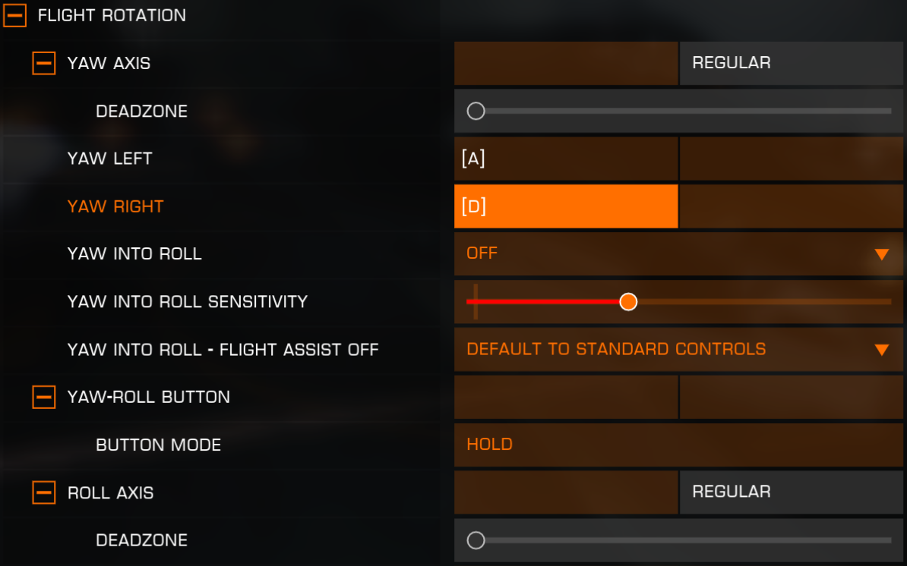
TRUE | TRUE | FLIGHT ROTATION |  |  | Flight Rotation
TRUE | TRUE | YAW AXIS | BIND AXIS | REGULAR / INVERTED | Yaw Axis
TRUE | TRUE | └ DEADZONE | SLIDER
TRUE | TRUE | YAW LEFT | BIND BUTTON | BIND KEY | Yaw Left
TRUE | TRUE | YAW RIGHT | BIND BUTTON | BIND KEY | Yaw Right
TRUE | TRUE | YAW INTO ROLL | ON INITIAL ROLL / ON LOW ROLL / OFF |  | Yaw Into Roll
TRUE | TRUE | YAW INTO ROLL SENSITIVITY | SLIDER |  | Yaw Into Roll Sensitivity
TRUE | TRUE | YAW INTO ROLL - FLIGHT ASSIST OFF | DEFAULT TO SC / ON INTIAL ROLL / ON LOW ROLL / OFF |  | Yaw Into Roll - Flight Assist Off
TRUE | TRUE | YAW - ROLL BUTTON | BIND BUTTON | BIND KEY | Yaw-Roll Button
TRUE | TRUE | └ BUTTON MODE | TOGGLE / HOLD
TRUE | TRUE | ROLL AXIS | BIND AXIS | REGULAR / INVERTED | Roll Axis
TRUE | TRUE | └ DEADZONE | SLIDER
TRUE | TRUE | ROLL LEFT | BIND BUTTON | BIND KEY | Roll Left
TRUE | TRUE | ROLL RIGHT | BIND BUTTON | BIND KEY | Roll Right
TRUE | TRUE | PITCH AXIS | BIND AXIS | REGULAR / INVERTED | Pitch Axis
TRUE | TRUE | └ DEADZONE | SLIDER
TRUE | TRUE | PITCH UP | BIND BUTTON | BIND KEY | Pitch Up
TRUE | TRUE | PITCH DOWN | BIND BUTTON | BIND KEY | Pitch Down
TRUE | TRUE
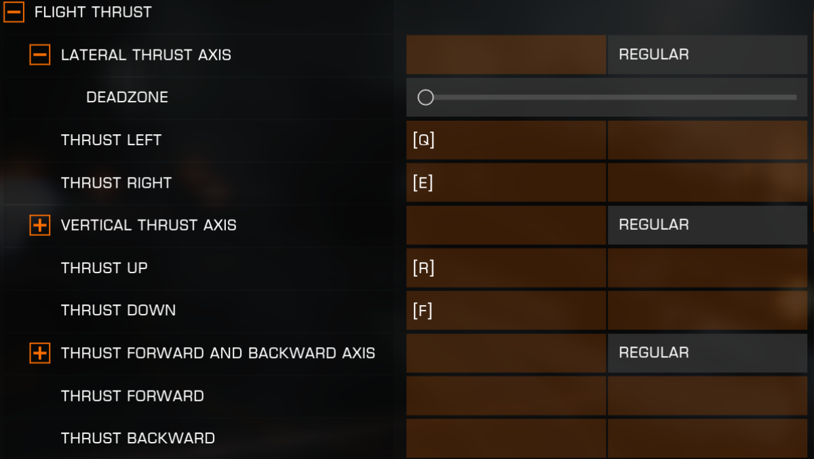
TRUE | TRUE | FLIGHT THRUST |  |  | Flight Thrust
TRUE | TRUE | LATERAL THRUST AXIS | BIND AXIS | REGULAR / INVERTED | Lateral Thrust Axis
TRUE | TRUE | └ DEADZONE | SLIDER
TRUE | TRUE | THRUST LEFT | BIND BUTTON | BIND KEY | Thrust Left
TRUE | TRUE | THRUST RIGHT | BIND BUTTON | BIND KEY | Thrust Right
TRUE | FALSE | VERTICAL THRUST AXIS | BIND AXIS | REGULAR / INVERTED
TRUE | FALSE | └ DEADZONE | SLIDER
TRUE | TRUE | THRUST UP | BIND BUTTON | BIND KEY | Thrust Up
TRUE | TRUE | THRUST DOWN | BIND BUTTON | BIND KEY | Thrust Down
TRUE | TRUE | THRUST FORWARD AND BACKWARD AXIS | BIND AXIS | REGLUAR / INVERTED | Thrust Forward and Backward Axis
TRUE | TRUE | └ DEADZONE | SLIDER
TRUE | TRUE | THRUST FORWARD | BIND BUTTON | BIND KEY | Thrust Forward
TRUE | TRUE | THRUST BACKWARD | BIND BUTTON | BIND KEY | Thrust Backward
TRUE | TRUE
TRUE | TRUE | ALTERNATE FLIGHT CONTROLS |  |  | Alternate Flight Controls
TRUE | TRUE | ALTERNATE CONTROLS TOGGLE | BIND BUTTON | BIND KEY | Alternate Controls Toggle
TRUE | FALSE | BUTTON MODE | TOGGLE / HOLD
TRUE | TRUE | YAW AXIS | BIND AXIS | REGULAR / INVERTED | Yaw Axis
TRUE | TRUE | └ DEADZONE | SLIDER
TRUE | TRUE | ROLL AXIS | BIND AXIS | REGULAR / INVERTED | Roll Axis
TRUE | TRUE | └ DEADZONE | SLIDER
TRUE | TRUE | PITCH AXIS | BIND AXIS | REGULAR / INVERTED | Pitch Axis
TRUE | TRUE | └ DEADZONE | SLIDER
TRUE | TRUE | LATERAL THRUST AXIS | BIND AXIS | REGULAR / INVERTED | Lateral Thrust Axis
TRUE | TRUE | └ DEADZONE | SLIDER
TRUE | TRUE | VERTICAL THRUST AXIS | BIND AXIS | REGULAR / INVERTED | Vertical Thrust Axis
TRUE | TRUE | └ DEADZONE | SLIDER
TRUE | TRUE
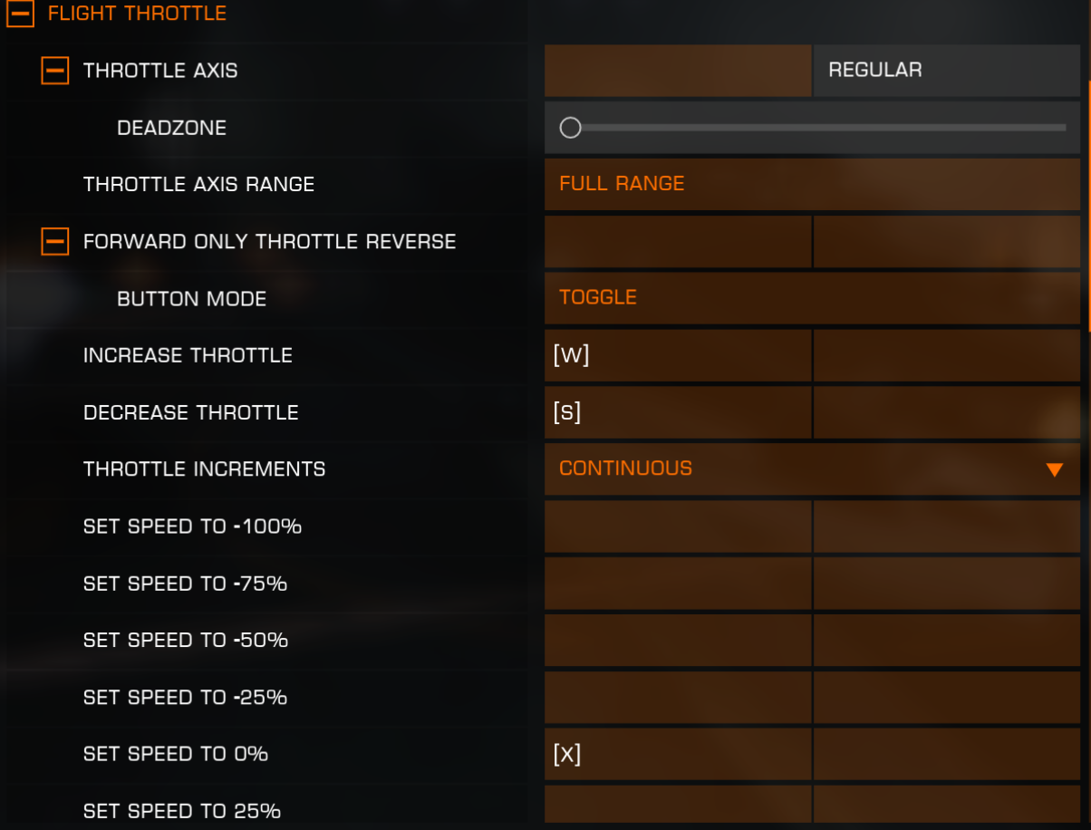
TRUE | TRUE | FLIGHT THROTTLE |  |  | Flight Throttle
TRUE | TRUE | THROTTLE AXIS | BIND AXIS | REGULAR / INVERTED | Throttle Axis
TRUE | TRUE | └ DEADZONE | SLIDER
TRUE | TRUE | THROTTLE AXIS RANGE | FORWARD ONLY / FULL RANGE |  | Throttle Axis Rangle
TRUE | TRUE | FORWARD ONLY THROTTLE REVERSE | BIND BUTTON | BIND KEY | Forward Only Throttle Reverse
TRUE | TRUE | └ BUTTON MODE | TOGGLE / HOLD
TRUE | TRUE | INCREASE THROTTLE | BIND BUTTON | BIND KEY | Increase Throttle
TRUE | TRUE | DECREASE THROTTLE | BIND BUTTON | BIND KEY | Decrease Throttle
TRUE | TRUE | THROTTLE INCREMENTS | CONTINUOUS / 10% / 12.5% / 16.7% / 25% |  | Throttle Increments
TRUE | TRUE | SET SPEED TO -100% | BIND BUTTON | BIND KEY | Set Speed To -100%
TRUE | TRUE | SET SPEED TO - 75% | BIND BUTTON | BIND KEY | Set Speed To -75%
TRUE | TRUE | SET SPEED TO - 50% | BIND BUTTON | BIND KEY | Set Speed To -50%
TRUE | TRUE | SET SPEED TO -25% | BIND BUTTON | BIND KEY | Set Speed To -25%
TRUE | TRUE | SET SPEED TO 0% | BIND BUTTON | BIND KEY | Set Speed To 0%
TRUE | TRUE | SET SPEED TO 25% | BIND BUTTON | BIND KEY | Set Speed To 25%
TRUE | TRUE | SET SPEET TO 50% | BIND BUTTON | BIND KEY | Set Speed To 50%
TRUE | TRUE | SET SPEED TO 75% | BIND BUTTON | BIND KEY | Set Speed To 75%
TRUE | TRUE | SET SPEED TO 100% | BIND BUTTON | BIND KEY | Set Speed To 100%
TRUE | TRUE
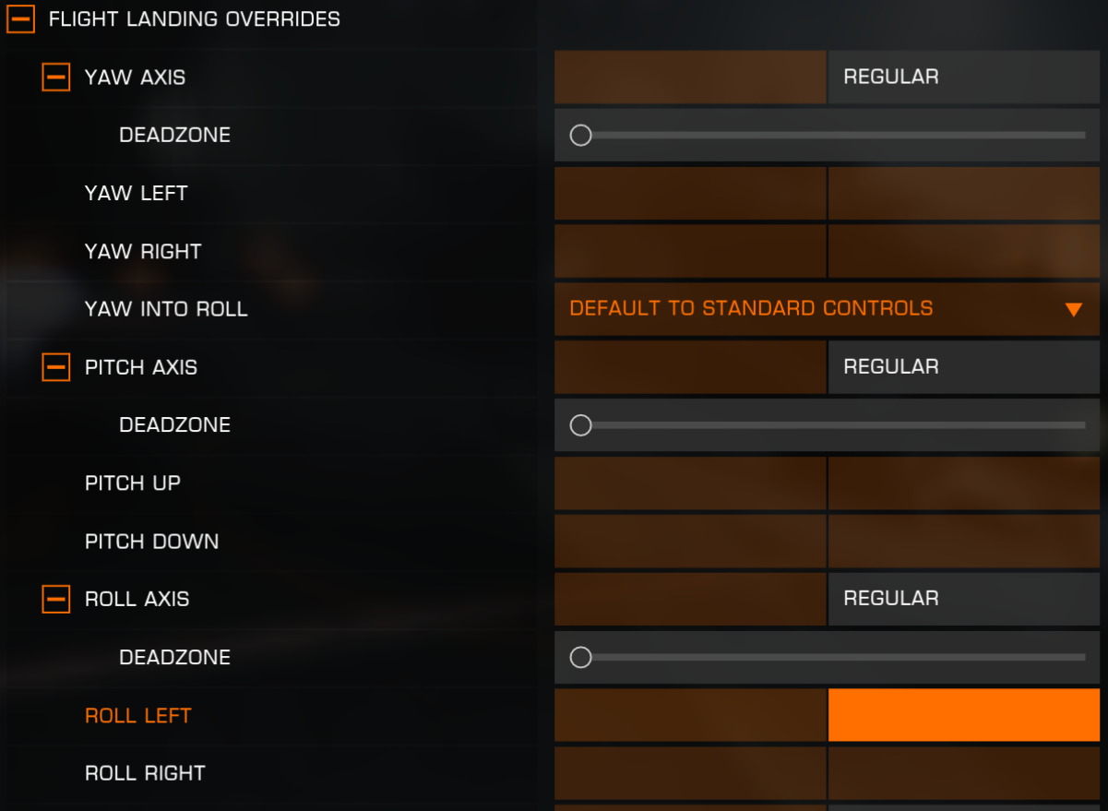
TRUE | TRUE | FLIGHT LANDING OVERRIDES |  |  | Flight Landing overrides
TRUE | TRUE | YAW AXIS | BIND AXIS | REGLUAR / INVERTED | Yaw Axis
TRUE | TRUE | └ DEADZONE | SLIDER
TRUE | TRUE | YAW LEFT | BIND BUTTON | BIND KEY | Yaw Left
TRUE | TRUE | YAW RIGHT | BIND BUTTON | BIND KEY | Yaw Right
TRUE | TRUE | YAW INTO ROLL | DEFAULT TO SC / ON INITIAL ROLL / ON LOW ROLL / OFF |  | Yaw Into Roll
TRUE | TRUE | PITCH AXIS | BIND AXIS | REGLUAR / INVERTED | Pitch Axis
TRUE | TRUE | └ DEADZONE | SLIDER
TRUE | TRUE | PITCH UP | BIND BUTTON | BIND KEY | Pitch Up
TRUE | TRUE | PITCH DOWN | BIND BUTTON | BIND KEY | Pitch Down
TRUE | TRUE | ROLL AXIS | BIND AXIS | REGLUAR / INVERTED | Roll Axis
TRUE | TRUE | └ DEADZONE | SLIDER
TRUE | TRUE | ROLL LEFT | BIND BUTTON | BIND KEY | Roll Left
TRUE | TRUE | ROLL RIGHT | BIND BUTTON | BIND KEY | Roll Right
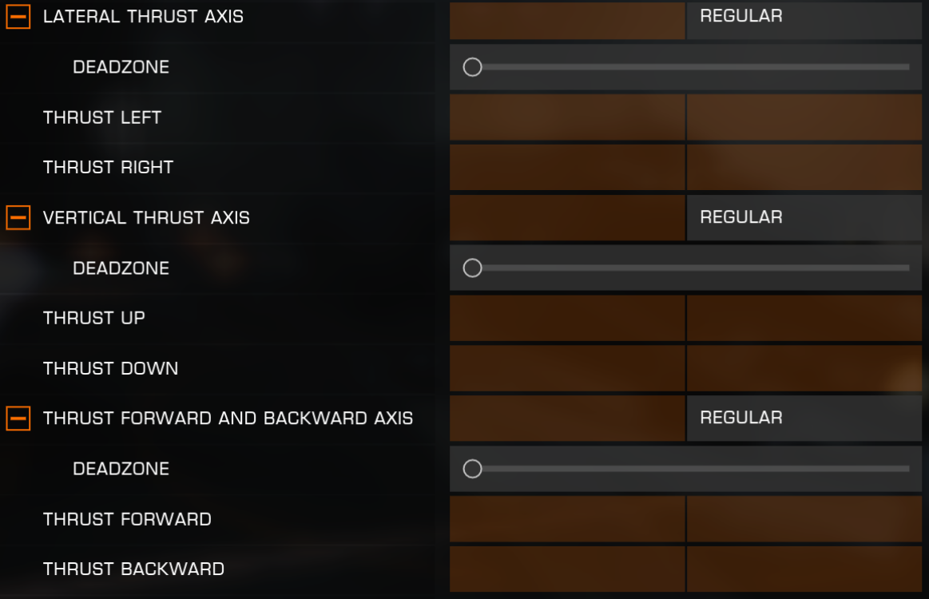
TRUE | TRUE | LATERAL THRUST AXIS | BIND AXIS | REGLUAR / INVERTED | Lateral Thrust Axis
TRUE | TRUE | └ DEADZONE | SLIDER
TRUE | TRUE | THRUST LEFT | BIND BUTTON | BIND KEY | Thrust Left
TRUE | TRUE | THRUST RIGHT | BIND BUTTON | BIND KEY | Thrust Right
TRUE | TRUE | VERTICAL THRUST AXIS | BIND AXIS | REGLUAR / INVERTED | Vertical Thrust Axis
TRUE | TRUE | └ DEADZONE | SLIDER
TRUE | TRUE | THRUST UP | BIND BUTTON | BIND KEY | Thrust Up
TRUE | TRUE | THRUST DOWN | BIND BUTTON | BIND KEY | Thrust Down
TRUE | TRUE | THRUST FORWARD AND BACKWARD AXIS | BIND AXIS | REGLUAR / INVERTED | Thrust Forward and Backward Axis
TRUE | TRUE | └ DEADZONE | SLIDER
TRUE | TRUE | THRUST FORWARD | BIND BUTTON | BIND KEY | Thrust Forward
TRUE | TRUE | THRUST BACKWARD | BIND BUTTON | BIND KEY | Thrust Backward
TRUE | TRUE
TRUE | TRUE | FLIGHT MISCELLANEOUS |  |  | Flight Miscellaneous
TRUE | TRUE | TOGGLE FLIGHT ASSIST | BIND BUTTON | BIND KEY | Toggle Flight Assist
TRUE | TRUE | └ BUTTON MODE | TOGGLE / HOLD
TRUE | TRUE | ENGINE BOOST | BIND BUTTON | BIND KEY | Engine Boost
TRUE | TRUE | TOGGLE FRAME SHIFT DRIVE | BIND BUTTON | BIND KEY | Toggle Frame Shift Drive
TRUE | TRUE | SUPERCRUISE | BIND BUTTON | BIND KEY | Supercruise
TRUE | TRUE | HYPERSPACE JUMP | BIND BUTTON | BIND KEY | Hyperspace Jump
TRUE | TRUE | ROTATIONAL CORRECTION | BIND BUTTON | BIND KEY | Rotational Correction
TRUE | TRUE | └ BUTTON MODE | TOGGLE / HOLD
TRUE | TRUE | TOGGLE ORBIT LINES | BIND BUTTON | BIND KEY | Toggle Orbit Lines
TRUE | TRUE
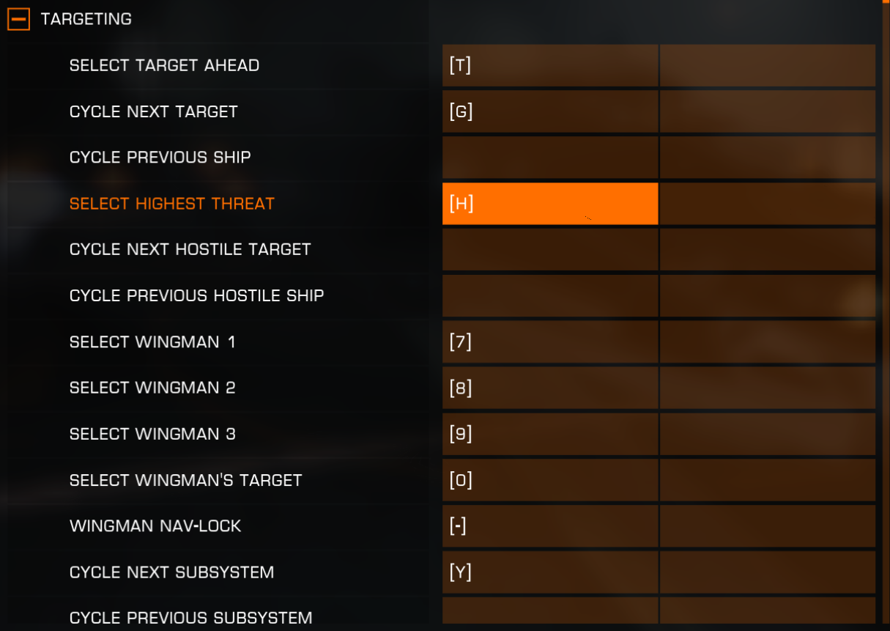
TRUE | TRUE | TARGETING |  |  | Targeting
TRUE | TRUE | SELECT TARGET AHEAD | BIND BUTTON | BIND KEY | Select Target Ahead
TRUE | TRUE | CYCLE NEXT TARGET | BIND BUTTON | BIND KEY | Cycle Next Target
TRUE | TRUE | CYCLE PREVIOUS SHIP | BIND BUTTON | BIND KEY | Cycle Previous Ship
TRUE | TRUE | SELECT HIGHEST THREAT | BIND BUTTON | BIND KEY | Select Highest Threat
TRUE | TRUE | CYCLE NEXT HOSTILE TARGET | BIND BUTTON | BIND KEY | Cycle Next Hostile Ship
TRUE | TRUE | CYCLE PREVIOUS HOSTILE SHIP | BIND BUTTON | BIND KEY | Cycle Previous Hostile Ship
TRUE | TRUE | SELECT WINGMAN 1 | BIND BUTTON | BIND KEY | Select Wingman 1
TRUE | TRUE | SELECT WINGMAN 2 | BIND BUTTON | BIND KEY | Select Wingman 2
TRUE | TRUE | SELECT WINGMAN 3 | BIND BUTTON | BIND KEY | Select Wingman 3
TRUE | TRUE | SELECT WINGMAN'S TARGET | BIND BUTTON | BIND KEY | Select Wingman's Target
TRUE | TRUE | WINGMAN NAV-LOCK | BIND BUTTON | BIND KEY | Wingman Nav-Lock
TRUE | TRUE | CYCLE NEXT SUBSYSTEM | BIND BUTTON | BIND KEY | Cycle Next Subsystem
TRUE | TRUE | CYCLE PREVIOUS SUBSYSTEM | BIND BUTTON | BIND KEY | Cycle Previous Subsystem
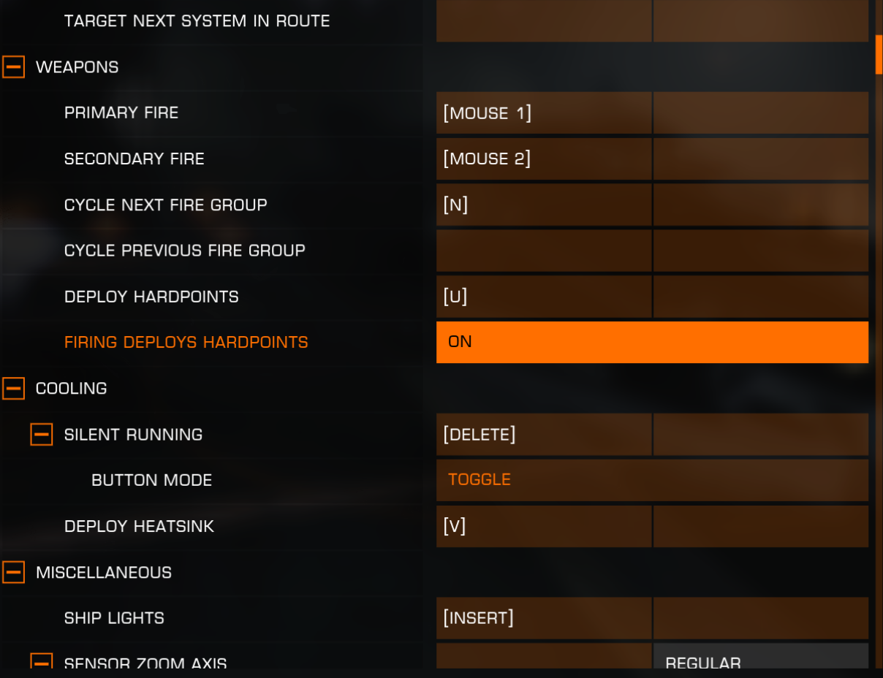
TRUE | TRUE | TARGET NEXT SYSTEM IN ROUTE | BIND BUTTON | BIND KEY | Target Next System In Route
TRUE | TRUE
TRUE | TRUE | WEAPONS |  |  | Weapons
TRUE | TRUE | PRIMARY FIRE | BIND BUTTON | BIND KEY | Primary Fire
TRUE | TRUE | SECONDARY FIRE | BIND BUTTON | BIND KEY | Secondary Fire
TRUE | TRUE | CYCLE NEXT FIRE GROUP | BIND BUTTON | BIND KEY | Cycle Next Fire Group
TRUE | TRUE | CYCLE PREVIOUS FIRE GROUP | BIND BUTTON | BIND KEY | Cycle Previous Fire Group
TRUE | TRUE | DEPLOY HARDPOINTS | BIND BUTTON | BIND KEY | Deploy Hardpoints
TRUE | TRUE | FIRING DEPLOYS HARDPOINTS | ON / OFF |  | Firing Deploys Hardpoints
TRUE | TRUE
TRUE | FALSE | COOLING
TRUE | FALSE | SILENT RUNNING | BIND BUTTON | BIND KEY
TRUE | FALSE | └ BUTTON MODE | TOGGLE / HOLD
TRUE | FALSE | DEPLOY HEATSINK | BIND BUTTON | BIND KEY
TRUE | TRUE
TRUE | TRUE | MISCELLANEOUS |  |  | Miscellaneous
TRUE | TRUE | SHIP LIGHTS | BIND BUTTON | BIND KEY | Ship Lights
TRUE | TRUE | SENSOR ZOOM AXIS | BIND AXIS | REGULAR / INVERTED | Sensor Zoom Axis
TRUE | TRUE | └ DEADZONE | SLIDER
TRUE | TRUE | INCREASE SENSOR ZOOM | BIND BUTTON | BIND KEY | Increase Sensor Zoom
TRUE | TRUE | DECREASE SENSOR ZOOM | BIND BUTTON | BIND KEY | Decrease Sensor Zoom
TRUE | TRUE | DIVERT POWER TO ENGINES | BIND BUTTON | BIND KEY | Divert Power To Engines
TRUE | TRUE | DIVERT POWER TO WEAPONS | BIND BUTTON | BIND KEY | Divert Power To Weapons
TRUE | TRUE | DIVERT POWER TO SYSTEMS | BIND BUTTON | BIND KEY | Divert Power To Systems
TRUE | TRUE | BALANCE POWER DISTRIBUTION | BIND BUTTON | BIND KEY | Balance Power Distribution
TRUE | TRUE | RESET HMD ORIENTATION | BIND BUTTON | BIND KEY | Reset HMD Orientation
TRUE | TRUE | CARGO SCOOP | BIND BUTTON | BIND KEY | Cargo Scoop
TRUE | TRUE | └ BUTTON MODE | TOGGLE / HOLD
TRUE | TRUE | JETTISON ALL CARGO | BIND BUTTON | BIND KEY | Jettison All cargo
FALSE | TRUE | LANDING GEAR | BIND BUTTON | BIND KEY | Landing Gear
TRUE | TRUE | MICROPHONE MUTE | BIND BUTTON | BIND KEY | Microphone Mute
TRUE | TRUE | └ BUTTON MODE | TOGGLE / HOLD
TRUE | TRUE | MUTE BUTTON MODE | TOGGLE / PUSH TO TALK / PUSH TO MUTE |  | Mute Button Mode
TRUE | TRUE | MICROPHONE STATE MODE (CQC) | TOGGLE / PUSH TO TALK / PUSH TO MUTE |  | Microphone State Mode (CQC)
TRUE | TRUE | USE SHIELD CELL | BIND BUTTON | BIND KEY | Use Shield Cell
TRUE | TRUE | USE CHAFF LAUNCHER | BIND BUTTON | BIND KEY | Use Chaff Launcher
TRUE | TRUE | CHARGE ECM | BIND BUTTON | BIND KEY | Charge ECM
TRUE | TRUE | ENABLE CONTEXT MENU | ON / OFF |  | Enable Context Menu
TRUE | TRUE | WEAPON COLOUR | BIND BUTTON | BIND KEY | Weapon Colour
TRUE | TRUE | ENGINE COLOUR | BIND BUTTON | BIND KEY | Engine Colour
TRUE | TRUE | NIGHT VISION | BIND BUTTON | BIND KEY | Night Vision
TRUE | TRUE
TRUE | TRUE | MODE SWITCHES |  |  | Mode Switches
TRUE | TRUE | UI FOCUS | BIND BUTTON | BIND KEY | UI Focus
TRUE | TRUE | UI FOCUS MODE | DIRECTION / CYCLE |  | UI Focus Mode
FALSE | TRUE | EXTERNAL PANEL | BIND BUTTON | BIND KEY | External Panel
TRUE | TRUE | COMMS PANEL | BIND BUTTON | BIND KEY | Comms panel
TRUE | TRUE | AUTO FOCUS ON TEXT INPUT FIELD | ON / OFF |  | Auto Focus On Text Input Field
TRUE | TRUE | QUICK COMMS | BIND BUTTON | BIND KEY | Quick Comms
TRUE | TRUE | ROLE PANEL | BIND BUTTON | BIND KEY | Role Panel
TRUE | TRUE | SYSTEMS PANEL | BIND BUTTON | BIND KEY | Internal Panel
FALSE | TRUE | LOOKING AT EXTERNAL PANEL | FOCUSES THE PANEL / DOES NOTHING |  | Looking At External Panel
TRUE | FALSE | LOOKING AT COMMS PANEL | FOCUSES THE PANEL / SHOWS THE PANEL / DOES NOTHING
TRUE | TRUE | LOOKING AT ROLE PANEL | FOCUSES THE PANEL / DOES NOTHING |  | Looking At Role Panel
TRUE | TRUE | LOOKING AT SYSTEMS PANEL | FOCUSES THE PANEL / DOES NOTHING |  | Looking At Internal Panel
TRUE | TRUE | ENABLE UI CAMERA LOCK ON | ON / OFF |  | Enable UI Camera Lock On
TRUE | TRUE | OPEN GALAXY MAP | BIND BUTTON | BIND KEY | Open galaxy map
TRUE | TRUE | OPEN SYSTEM MAP | BIND BUTTON | BIND KEY | Open System Map
TRUE | TRUE | SHOW CQC SCORE SCREEN | BIND BUTTON | BIND KEY | Show CQC Score Screen
TRUE | TRUE | └ BUTTON MODE | TOGGLE / HOLD
TRUE | TRUE | HEADLOOK | BIND BUTTON | BIND KEY | Headlook
TRUE | TRUE | └BUTTON MODE | TOGGLE / HOLD
TRUE | TRUE | GAME MENU | BIND BUTTON | BIND KEY | Game Menu
TRUE | TRUE | FRIENDS MENU | BIND BUTTON | BIND KEY | Friends Menu
TRUE | TRUE | OPEN DISCOVERY | BIND BUTTON | BIND KEY | Open Discovery
FALSE | TRUE | SWITCH COCKPIT MODE | BIND BUTTON | BIND KEY | Switch Cockpit Mode
FALSE | TRUE | ENTER FSS MODE | BIND BUTTON | BIND KEY | Enter FSS Mode
TRUE | TRUE
TRUE | TRUE | INTERFACE MODE |  |  | Interface Mode
TRUE | TRUE | UI PANEL UP | BIND BUTTON | BIND KEY | UI Panel Up
TRUE | TRUE | UI PANEL DOWN | BIND BUTTON | BIND KEY | UI Panel Down
TRUE | TRUE | UI PANEL LEFT | BIND BUTTON | BIND KEY | UI Panel Left
TRUE | TRUE | UI PANEL RIGHT | BIND BUTTON | BIND KEY | UI Panel Right
TRUE | TRUE | UI PANEL SELECT | BIND BUTTON | BIND KEY | UI Panel Select
TRUE | TRUE | UI BACK | BIND BUTTON | BIND KEY | UI Panel Back
TRUE | TRUE | UI NESTED TOGGLE | BIND BUTTON | BIND KEY | UI Nested Toggle
TRUE | TRUE | NEXT PANEL TAB | BIND BUTTON | BIND KEY | Next Panel Tab
TRUE | TRUE | PREVIOUS PANEL TAB | BIND BUTTON | BIND KEY | Previous Panel Tab
TRUE | TRUE | NEXT PAGE | BIND BUTTON | BIND KEY | Next page
TRUE | TRUE | PREVIOUS PAGE | BIND BUTTON | BIND KEY | Previous Page
TRUE | TRUE
TRUE | TRUE | HEADLOOK MODE |  |  | Headlook Mode
TRUE | TRUE | MOUSE HEADLOOK | ON / OFF |  | Mouse Headlook
TRUE | TRUE | MOUSE HEADLOOK INVERT | ON / OFF |  | Mouse Headlook Invert
TRUE | TRUE | MOUSE HEADLOOK SENSITIVITY | SLIDER |  | Mouse Headlook Sensitivity
TRUE | TRUE | HEADLOOK DEFAULT STATE | ON / OFF |  | Headlook Default State
TRUE | TRUE | HEADLOOK BUTTON INCREMENTS | CONTINUOUS / SMALL INC / MEDIUM INC / LARGE INC |  | Headlook Button Increments
TRUE | TRUE | HEADLOOK AXIS MODE | ACCUMULATE / DIRECT |  | Headlook Axis Mode
FALSE | TRUE | CENTRE WHEN HEADLOOK INACTIVE | ON / OFF |  | Centre When Headlook Inactive
TRUE | TRUE | HEADLOOK SENSITIVITY | SLIDER |  | Headlook Sensitivity
TRUE | TRUE | HEADLOOK SMOOTHING | ON / OFF |  | Headlook Smoothing
TRUE | TRUE | RESET HEADLOOK | BIND BUTTON | BIND KEY | Reset Headlook
TRUE | TRUE | LOOK UP | BIND BUTTON | BIND KEY | Look Up
TRUE | TRUE | LOOK DOWN | BIND BUTTON | BIND KEY | Look Down
TRUE | TRUE | LOOK UP AND DOWN AXIS | BIND AXIS | REGULAR / INVERTED | Look Up And Look Down Axis
TRUE | TRUE | └ DEADZONE | SLIDER
TRUE | TRUE | LOOK LEFT | BIND BUTTON | BIND KEY | Look Left
TRUE | TRUE | LOOK RIGHT | BIND BUTTON | BIND KEY | Look Right
TRUE | TRUE | LOOK LEFT AND RIGHT AXIS | BIND AXIS | REGULAR / INVERTED | Look Left And Look Right Axis
TRUE | TRUE | └ DEADZONE | SLIDER
TRUE | TRUE
TRUE | TRUE | GALAXY MAP |  |  | Galaxy Map
TRUE | TRUE | GALAXY CAM PITCH AXIS | BIND AXIS | REGULAR / INVERTED | Galaxy Cam Pitch Axis
TRUE | TRUE | └ DEADZONE | SLIDER
TRUE | TRUE | GALAXY CAM PITCH UP | BIND BUTTON | BIND KEY | Galaxy Cam Pitch Up
TRUE | TRUE | GALAXY CAM PITCH DOWN | BIND BUTTON | BIND KEY | Galaxy Cam Pitch Down
TRUE | TRUE | GALAXY CAM YAW AXIS | BIND AXIS | REGULAR / INVERTED | Galaxy Cam Yaw Axis
TRUE | TRUE | └ DEADZONE | SLIDER
TRUE | TRUE | GALAXY CAM YAW LEFT | BIND BUTTON | BIND KEY | Galaxy Cam Yaw Left
TRUE | TRUE | GALAXY CAM YAW RIGHT | BIND BUTTON | BIND KEY | Galaxy Cam Yaw Right
TRUE | TRUE | GALAXY CAM TRANSLATE Y-AXIS | BIND AXIS | REGULAR / INVERTED | Galaxy Cam Translate Y-Axis
TRUE | TRUE | └ DEADZONE | SLIDER
TRUE | TRUE | GALAXY CAM TRANSLATE FORWARD | BIND BUTTON | BIND KEY | Galaxy Cam Translate Forward
TRUE | TRUE | GALAXY CAM TRANSLATE BACKWARD | BIND BUTTON | BIND KEY | Galaxy Cam Translate Backward
TRUE | TRUE | GALAXY CAM TRANSLATE X-AXIS | BIND AXIS | REGULAR / INVERTED | Galaxy Cam Translate X-Axis
TRUE | TRUE | └ DEADZONE | SLIDER
TRUE | TRUE | GALAXY CAM TRANSLATE LEFT | BIND BUTTON | BIND KEY | Galaxy Cam Translate Left
TRUE | TRUE | GALAXY CAM TRANSLATE RIGHT | BIND BUTTON | BIND KEY | Galaxy Cam Translate Right
TRUE | TRUE | GALAXY CAM TRANSLATE Z-AXIS | BIND AXIS | REGULAR / INVERTED | Galaxy Cam Translate Z-Axis
TRUE | TRUE | └ DEADZONE | SLIDER
FALSE | TRUE | GALAXY CAM TRANSLATE UP | BIND BUTTON | BIND KEY | Galaxy Cam Translate Up
TRUE | TRUE | GALAXY CAM TRANSLATE DOWN | BIND BUTTON | BIND KEY | Galaxy Cam Translate Down
TRUE | TRUE | GALAXY CAM ZOOM AXIS | BIND AXIS | REGULAR / INVERTED | Galaxy Cam Zoom Axis
TRUE | TRUE | └ DEADZONE | SLIDER
TRUE | TRUE | GALAXY CAM ZOOM IN | BIND BUTTON | BIND KEY | Galaxy Cam Zoom In
TRUE | TRUE | GALAXY CAM ZOOM OUT | BIND BUTTON | BIND KEY | Galaxy Cam Zoom Out
TRUE | TRUE | GALAXY CAM SET Y-AXIS TO Z-AXIS | BIND BUTTON | BIND KEY | Galaxy Cam Set Y-Axis To Z-Axis
TRUE | TRUE | └ BUTTON MODE | TOGGLE / HOLD
FALSE | TRUE | GALAXY CAM SELECT CURRENT SYSTEM | BIND BUTTON | BIND KEY | Galaxy Cam Select Current System
TRUE | TRUE
TRUE | TRUE | DRIVING |  |  | Driving
TRUE | FALSE | DRIVE ASSIST | BIND BUTTON | BIND KEY
TRUE | FALSE | └ BUTTON MODE | TOGGLE / HOLD
TRUE | TRUE | DRIVE ASSIST DEFAULT | ON / OFF |  | Drive Assist Default
TRUE | TRUE | SRV STEERING MOUSE X-AXIS | ON / OFF |  | SRV Steering Mouse X-Axis
TRUE | TRUE | RELATIVE MOUSE X-AXIS STEER | ON / OFF |  | Relative Mouse X-Axis Steer
FALSE | TRUE | SRV ROLLING MOUSE X-AXIS | ON / OFF |  | SRV Rolling Mouse X-Axis
TRUE | TRUE | RELATIVE MOUSE X-AXIS ROLL | ON / OFF |  | Relative Mouse X-Axis Roll
TRUE | TRUE | SRV PITCH MOUSE Y-AXIS | PITCH / PITCH INVERTED / OFF |  | SRV Pitch Mouse Y-Axis
TRUE | TRUE | RELATIVE MOUSE Y-AXIS PITCH | ON / OFF |  | Relative Mouse Y-Axis Pitch
TRUE | TRUE | STEERING AXIS | BIND AXIS | REGULAR / INVERTED | Steering Axis
TRUE | TRUE | └ DEADZONE | SLIDER
TRUE | TRUE | STEERING LEFT BUTTON | BIND BUTTON | BIND KEY | Steering Left Button
TRUE | TRUE | STEERING RIGHT BUTTON | BIND BUTTON | BIND KEY | Steering Right Button
TRUE | TRUE | ROLL AXIS | BIND AXIS | REGULAR / INVERTED | Roll Axis
TRUE | TRUE | └ DEADZONE | SLIDER
TRUE | TRUE | ROLL LEFT BUTTON | BIND BUTTON | BIND KEY | Roll Left Button
FALSE | TRUE | ROLL RIGHT BUTTON | BIND BUTTON | BIND KEY | Roll Right Button
TRUE | TRUE | PITCH AXIS | BIND AXIS | REGULAR / INVERTED | Pitch Axis
FALSE | TRUE | └ DEADZONE | SLIDER
TRUE | TRUE | PITCH UP BUTTON | BIND BUTTON | BIND KEY | Pitch Up Button
TRUE | TRUE | PITCH DOWN BUTTON | BIND BUTTON | BIND KEY | Pitch Down Button
TRUE | TRUE | VERTICAL THRUSTERS | BIND BUTTON | BIND KEY | Vertical Thrusters
TRUE | TRUE | └ BUTTON MODE | TOGGLE / HOLD
TRUE | TRUE | SRV PRIMARY FIRE | BIND BUTTON | BIND KEY | SRV Primary Fire
TRUE | TRUE | SRV SECONDARY FIRE | BIND BUTTON | BIND KEY | SRV Secondary Fire
TRUE | TRUE | HANDBRAKE | BIND BUTTON | BIND KEY | Handbreak
TRUE | TRUE | └ BUTTON MODE | TOGGLE / HOLD
TRUE | TRUE | HEADLIGHTS | BIND BUTTON | BIND KEY | Headlights
TRUE | TRUE | TOGGLE SRV TURRET | BIND BUTTON | BIND KEY | Toggle SRV Turret
FALSE | TRUE | CYCLE NEXT FIRE GROUP | BIND BUTTON | BIND KEY | Cycle Next Fire Group
FALSE | TRUE | CYCLE PREVIOUS FIRE GROUP | BIND BUTTON | BIND KEY | Cycle Previous Fire Group
TRUE | TRUE
TRUE | TRUE | DRIVING TARGETING |  |  | Driving Targeting
TRUE | TRUE | SELECT TARGET AHEAD | BIND BUTTON | BIND KEY | Select Target Ahead
TRUE | TRUE
TRUE | TRUE | DRIVING TURRET CONTROLS |  |  | Driving Turret Controls
TRUE | TRUE | TURRET MOUSE X-AXIS | YAW / OFF |  | Turret Mouse X-Axis
TRUE | TRUE | TURRET RELATIVE MOUSE X-AXIS | ON / OFF |  | Turret Relative Mouse X-Axis
TRUE | TRUE | TURRET MOUSE Y-AXIS | PITCH / PITCH INVERTED / OFF |  | Turret Mouse Y-Axis
TRUE | TRUE | TURRET RELATIVE MOUSE Y-AXIS | ON / OFF |  | Turret Relative Mouse Y-Axis
TRUE | TRUE | SRV TURRET YAW AXIS | BIND AXIS | REGULAR / INVERTED | SRV Turret Yaw Axis
TRUE | TRUE | └ DEADZONE | SLIDER
TRUE | TRUE | SRV TURRET YAW LEFT | BIND BUTTON | BIND KEY | SRV Turret Yaw Left
TRUE | TRUE | SRV TURRET YAW RIGHT | BIND BUTTON | BIND KEY | SRV Turret Yaw Right
TRUE | TRUE | SRV TURRET PITCH AXIS | BIND AXIS | REGULAR / INVERTED | SRV Turret Pitch Axis
TRUE | TRUE | └ DEADZONE | SLIDER
TRUE | TRUE | SRV TURRET PITCH UP | BIND BUTTON | BIND KEY | SRV Turret Pitch Up
TRUE | TRUE | SRV TURRET PITCH DOWN | BIND BUTTON | BIND KEY | SRV Turret Pitch Down
FALSE | TRUE | SRV TURRET MOUSE SENSITIVITY | SLIDER |  | SRV Turret Mouse Sensitivity
FALSE | TRUE | SRV TURRET MOUSE DEADZONE | SLIDER |  | SRV Turret Mouse Deadzone
FALSE | TRUE | SRV TURRET MOUSE POWER CURVE | SLIDER |  | SRV Turret Mouse Power Curve
TRUE | TRUE
TRUE | TRUE | DRIVE THROTTLE |  |  | Drive Throttle
TRUE | TRUE | DRIVE SPEED AXIS | BIND AXIS | REGLUAR / INVERTED | Drive Speed Axis
TRUE | TRUE | └ DEADZONE | SLIDER
TRUE | FALSE | THROTTLE AXIS RANGE | FORWARD ONLY / FULL RANGE
TRUE | TRUE | FORWARD ONLY THROTTLE REVERSE | BIND BUTTON | BIND KEY | Forward Only Throttle Reverse
TRUE | TRUE | └ BUTTON MODE | TOGGLE / HOLD
TRUE | TRUE | SRV THROTTLE INCREMENTS | CONTINUOUS / 10% / 12.5% / 16.7% / 25% |  | SRV Throttle Increments
TRUE | TRUE | ACCELERATE BUTTON | BIND BUTTON | BIND KEY | Accelerate Button
TRUE | TRUE | DECELERATE BUTTON | BIND BUTTON | BIND KEY | Decelerate Button
TRUE | TRUE | ACCELERATE AXIS | BIND AXIS |  | Accelerate Axis
TRUE | TRUE | └ DEADZONE | SLIDER
TRUE | TRUE | DECELERATE AXIS | BIND AXIS |  | Decelerate Axis
TRUE | TRUE | └ DEADZONE | SLIDER
TRUE | TRUE
TRUE | TRUE | DRIVING MISCELLANEOUS |  |  | Driving Miscellaneous
TRUE | TRUE | DIVERT POWER TO ENGINES | BIND BUTTON | BIND KEY | Divert Power To Engines
TRUE | TRUE | DIVERT POWER TO WEAPONS | BIND BUTTON | BIND KEY | Divert Power To Weapons
TRUE | TRUE | DIVERT POWER TO SYSTEMS | BIND BUTTON | BIND KEY | Divert Power To Systems
TRUE | TRUE | BALANCE POWER DISTRIBUTION | BIND BUTTON | BIND KEY | Balance Power Distribution
TRUE | TRUE | CARGO SCOOP | BIND BUTTON | BIND KEY | Cargo Scoop
TRUE | TRUE | └ BUTTON MODE | TOGGLE / HOLD
TRUE | TRUE | JETTISON ALL CARGO | BIND BUTTON | BIND KEY | Jettison All cargo
TRUE | TRUE | RECALL / DISMISS SHIP | BIND BUTTON | BIND KEY | Recall/Dismiss Ship
TRUE | TRUE
TRUE | TRUE | DRIVING MODE SWITCHES |  |  | Driving Mode Switches
TRUE | TRUE | UI FOCUS | BIND BUTTON | BIND KEY | UI Focus
FALSE | TRUE | EXTERNAL PANEL | BIND BUTTON | BIND KEY | External Panel
TRUE | TRUE | COMMS PANEL | BIND BUTTON | BIND KEY | Comms panel
TRUE | TRUE | QUICK COMMS | BIND BUTTON | BIND KEY | Quick Comms
TRUE | TRUE | ROLE PANEL | BIND BUTTON | BIND KEY | Role Panel
FALSE | TRUE | INTERNAL PANEL | BIND BUTTON | BIND KEY | Internal Panel
TRUE | TRUE | OPEN GALAXY MAP | BIND BUTTON | BIND KEY | Open Galaxy map
TRUE | TRUE | OPEN SYSTEM MAP | BIND BUTTON | BIND KEY | Open System Map
FALSE | TRUE | OPEN DISCOVERY | BIND BUTTON | BIND KEY | Open Discovery
FALSE | TRUE | SWITCH COCKPIT MODE | BIND BUTTON | BIND KEY | Switch Cockpit Mode
TRUE | FALSE | HEADLOOK | BIND BUTTON | BIND KEY
TRUE | FALSE | └ BUTTON MODE | TOGGLE / HOLD
TRUE | TRUE
TRUE | TRUE | MULTI-CREW |  |  | Multi-Crew
TRUE | TRUE | MODE TOGGLE | BIND BUTTON | BIND KEY | Mode Toggle
TRUE | TRUE | PRIMARY FIRE | BIND BUTTON | BIND KEY | Primary Fire
TRUE | TRUE | SECONDARY FIRE | BIND BUTTON | BIND KEY | Secondary Fire
TRUE | TRUE | PRIMARY UTILITY FIRE | BIND BUTTON | BIND KEY | Primary Utility Fire
TRUE | TRUE | SECONDARY UTILITY FIRE | BIND BUTTON | BIND KEY | Secondary Utility Fire
TRUE | TRUE | MOUSE X-AXIS | YAW / OFF |  | Mouse X-Axis
TRUE | TRUE | RELATIVE MOUSE X-AXIS | ON / OFF |  | Relative Mouse X-Axis
TRUE | TRUE | MOUSE Y-AXIS | PITCH / PITCH INVERTED / OFF |  | Mouse Y-Axis
TRUE | TRUE | RELATIVE MOUSE Y-AXIS | ON / OFF |  | Relative Mouse Y-Axis
TRUE | TRUE | THIRD-PERSON YAW AXIS | BIND AXIS | REGULAR / INVERTED | Third-Person Yaw Axis
TRUE | TRUE | └ DEADZONE | SLIDER
TRUE | TRUE | THIRD-PERSON YAW LEFT | BIND BUTTON | BIND KEY | Third-Person Yaw Left
FALSE | TRUE | THIRD-PERSON YAW RIGHT | BIND BUTTON | BIND KEY | Third-Person Yaw Right
TRUE | TRUE | THIRD-PERSON PITCH AXIS | BIND AXIS | REGULAR / INVERTED | Third-Person Pitch Axis
TRUE | TRUE | └ DEADZONE | SLIDER
TRUE | TRUE | THIRD-PERSON PITCH UP | BIND BUTTON | BIND KEY | Third-Person Pitch Up
TRUE | TRUE | THIRD-PERSON PITCH DOWN | BIND BUTTON | BIND KEY | Third-Person Pitch Down
TRUE | FALSE | MULTI-CREW MOUSE SENSITIVITY | SLIDER
TRUE | TRUE | THIRD-PERSON FIELD OF VIEW AXIS | BIND AXIS | REGULAR / INVERTED | Third-Person Field Of View Axis
TRUE | TRUE | └ DEADZONE | SLIDER
TRUE | TRUE | THIRD-PERSON FIELD OF VIEW OUT | BIND BUTTON | BIND KEY | Third-Person Field Of View Out
TRUE | TRUE | THIRD-PERSON FIELD OF VIEW IN | BIND BUTTON | BIND KEY | Third-Person Field Of View In
TRUE | TRUE | CYCLE COCKPIT UI FORWARDS | BIND BUTTON | BIND KEY | Cycle Cockpit UI Forwards
TRUE | TRUE | CYCLE COCKPIT UI BACKWARDS | BIND BUTTON | BIND KEY | Cycle Cockpit UI Backwards
TRUE | TRUE
TRUE | TRUE | FIGHTER ORDERS |  |  | Fighter Orders
TRUE | TRUE | RECALL FIGHTER | BIND BUTTON | BIND KEY | Recall Fighter
TRUE | TRUE | DEFEND | BIND BUTTON | BIND KEY | Defend
TRUE | TRUE | ENGAGE AT WILL | BIND BUTTON | BIND KEY | Engage At Will
TRUE | TRUE | ATTACK TARGET | BIND BUTTON | BIND KEY | Attack Target
TRUE | TRUE | MAINTAIN FORMATION | BIND BUTTON | BIND KEY | Maintain Formation
TRUE | TRUE | HOLD POSITION | BIND BUTTON | BIND KEY | Hold Position
TRUE | TRUE | FOLLOW ME | BIND BUTTON | BIND KEY | Follow Me
TRUE | TRUE | OPEN ORDERS | BIND BUTTON | BIND KEY | Open Orders
TRUE | TRUE
TRUE | TRUE | CAMERA SUITE |  |  | Camera Suite
TRUE | TRUE | SHIP - TOGGLE CAMERA SUITE | BIND BUTTON | BIND KEY | Ship - Toggle Camera Suite
TRUE | TRUE | SRV - TOGGLE CAMERA SUITE | BIND BUTTON | BIND KEY | SRV - Toggle Camera Suite
TRUE | TRUE | PREVIOUS CAMERA | BIND BUTTON | BIND KEY | Previous Camera
TRUE | TRUE | NEXT CAMERA | BIND BUTTON | BIND KEY | Next Camera
TRUE | TRUE | ENTER FREE CAMERA | BIND BUTTON | BIND KEY | Enter Free Camera
TRUE | TRUE | CAMERA - COCKPIT FRONT | BIND BUTTON | BIND KEY | Camera - Cockpit
TRUE | TRUE | CAMERA - COCKPIT BACK | BIND BUTTON | BIND KEY | Camera - Cockpit
TRUE | TRUE | CAMERA - CMDR 1 | BIND BUTTON | BIND KEY | Camera - CMDR 1
TRUE | TRUE | CAMERA - CMDR 2 | BIND BUTTON | BIND KEY | Camera - CMDR 2
TRUE | TRUE | CAMERA - CO-PILOT 1 | BIND BUTTON | BIND KEY | Camera - Co-Pilot 1
TRUE | TRUE | CAMERA - CO-PILOT 2 | BIND BUTTON | BIND KEY | Camera - Co-Pilot 2
TRUE | TRUE | CAMERA - FRONT | BIND BUTTON | BIND KEY | Camera - Front
TRUE | TRUE | CAMERA - BACK | BIND BUTTON | BIND KEY | Camera - Back
TRUE | TRUE | CAMERA - LOW | BIND BUTTON | BIND KEY | Camera - Low
TRUE | TRUE
TRUE | TRUE | FREE CAMERA |  |  | Free Camera
TRUE | TRUE | TOGGLE HUD | BIND BUTTON | BIND KEY | Toggle HUD
TRUE | TRUE | INCREASE SPEED | BIND BUTTON | BIND KEY | Increase Speed
TRUE | TRUE | DECREASE SPEED | BIND BUTTON | BIND KEY | Decrease Speed
TRUE | FALSE | FORWARD AXIS | BIND AXIS | REGULAR / INVERTED
TRUE | FALSE | └ DEADZONE | SLIDER
TRUE | TRUE | THROTTLE AXIS RANGE | FULL RANGE / FORWARD ONLY |  | Throttle Axis Range
TRUE | TRUE | FORWARD ONLY THROTTLE REVERSE | BIND BUTTON | BIND KEY | Forward Only Throttle Reverse
TRUE | TRUE | └ BUTTON MODE | TOGGLE / HOLD
TRUE | TRUE | MOVE FORWARD | BIND BUTTON | BIND KEY | Move Forward
TRUE | TRUE | MOVE BACKWARD | BIND BUTTON | BIND KEY | Move Backward
TRUE | TRUE | LATERAL AXIS | BIND AXIS | REGULAR / INVERTED | Lateral Axis
TRUE | TRUE | └ DEADZONE | SLIDER
TRUE | TRUE | MOVE RIGHT | BIND BUTTON | BIND KEY | Move Right
TRUE | TRUE | MOVE LEFT | BIND BUTTON | BIND KEY | Move Left
TRUE | TRUE | LIFT AXIS | BIND AXIS | REGULAR / INVERTED | Lift Axis
TRUE | TRUE | └ DEADZONE | SLIDER
TRUE | TRUE | MOVE UP (ANALOGUE) | BIND AXIS |  | Move Up (Analogue)
TRUE | TRUE | MOVE DOWN (ANALOGUE) | BIND AXIS |  | Move Down (Analogue)
TRUE | TRUE | └ DEADZONE | SLIDER
TRUE | TRUE | MOVE UP | BIND BUTTON | BIND KEY | Move Up
TRUE | TRUE | MOVE DOWN | BIND BUTTON | BIND KEY | Move Down
TRUE | TRUE | MOUSE Y-AXIS | PITCH / PITCH INVERTED / OFF |  | Move Y-Axis
TRUE | TRUE | MOUSE X-AXIS | ROLL / YAW / OFF |  | Move X-Axis
TRUE | TRUE | PITCH AXIS | BIND AXIS | REGULAR / INVERTED | Pitch Axis
TRUE | TRUE | └ DEADZONE | SLIDER
TRUE | TRUE | FREE CAMERA MOUSE SENSITIVITY | SLIDER |  | Free Camera Mouse Sensitivity
TRUE | TRUE | RELATIVE MOUSE Y-AXIS | ON / OFF |  | Relative Mouse Y-Axis
TRUE | TRUE | PITCH UP | BIND BUTTON | BIND KEY | Pitch Up
TRUE | TRUE | PITCH DOWN | BIND BUTTON | BIND KEY | Pitch Down
TRUE | TRUE | YAW AXIS | BIND AXIS | BIND KEY | Yaw Axis
TRUE | TRUE | └ DEADZONE | SLIDER
TRUE | TRUE | RELATIVE MOUSE X-AXIS | ON / OFF |  | Relative Mouse x-Axis
TRUE | TRUE | YAW LEFT | BIND BUTTON | BIND KEY | Yaw Left
TRUE | TRUE | YAW RIGHT | BIND BUTTON | BIND KEY | Yaw Right
TRUE | TRUE | ROLL AXIS | BIND AXIS | REGULAR / INVERTED | Roll Axis
TRUE | TRUE | └ DEADZONE | SLIDER
TRUE | TRUE | ROLL LEFT | BIND BUTTON | BIND KEY | Roll Left
TRUE | TRUE | ROLL RIGHT | BIND BUTTON | BIND KEY | Roll Right
TRUE | TRUE | STABILISER ON / OFF TOGGLE | BIND BUTTON | BIND KEY | Stabiliser On/Off Toggle
TRUE | TRUE | CAMERA / SHIP CONTROLS TOGGLE | BIND BUTTON | BIND KEY | Camera/Ship Controls Toggle
TRUE | TRUE | ATTACH / DETACH CAMERA | BIND BUTTON | BIND KEY | Attach/Detach Camera
TRUE | TRUE | EXIT FREE CAMERA | BIND BUTTON | BIND KEY | Exit Free Camera
TRUE | TRUE | ZOOM / BLUR TOGGLE | BIND BUTTON | BIND KEY | Zoom/Blur Toggle
TRUE | TRUE | INCREASE ZOOM / FOCUS | BIND BUTTON | BIND KEY | Increase Zoom/Focus
TRUE | TRUE | DEACREASE ZOOM / FOCUS | BIND BUTTON | BIND KEY | Decrease Zoom/Focus
TRUE | TRUE | DECREASE BLUR | BIND BUTTON | BIND KEY | Increase Blur
TRUE | TRUE | INCREASE BLUR | BIND BUTTON | BIND KEY | Decrease Blur
TRUE | TRUE
FALSE | TRUE | STORE CAMERA |  |  | Store Camera
FALSE | TRUE | HOLD TO ROTATE | BIND BUTTON | BIND KEY | Hold To Rotate
FALSE | TRUE | PITCH AXIS | BIND AXIS | REGULAR / INVERTED | Pitch Axis
FALSE | TRUE | └ DEADZONE | SLIDER
FALSE | TRUE | YAW AXIS | BIND AXIS | REGULAR / INVERTED | Yaw Axis
FALSE | TRUE | └ DEADZONE | SLIDER
FALSE | TRUE | STORE CAMERA ZOOM IN | BIND BUTTON | BIND KEY | Store Camera Zoom In
FALSE | TRUE | STORE CAMERA ZOOM OUT | BIND BUTTON | BIND KEY | Store Camera Zoom Out
FALSE | TRUE | STORE TOGGLE | BIND BUTTON | BIND KEY | Store Toggle
TRUE | TRUE
TRUE | TRUE | HOLO-ME |  |  | Holo-Me
TRUE | TRUE | UNDO | BIND BUTTON | BIND KEY | Undo
TRUE | TRUE | REDO | BIND BUTTON | BIND KEY | redo
TRUE | TRUE | TOGGLE MOUSE ROTATION | BIND BUTTON | BIND KEY | Toggle Mouse Rotation
TRUE | TRUE | ROTATE CAMERA | BIND AXIS |  | Rotate Camera
TRUE | TRUE | └ DEADZONE | SLIDER
TRUE | TRUE
TRUE | TRUE | PLAYLIST |  |  | Playlist
TRUE | TRUE | PLAY / PAUSE | BIND BUTTON | BIND KEY | Play/Pause
TRUE | TRUE | SKIP FORWARD | BIND BUTTON | BIND KEY | Skip Forward
TRUE | TRUE | SKIP BACKWARD | BIND BUTTON | BIND KEY | Skip Backward
TRUE | TRUE | CLEAR QUEUE | BIND BUTTON | BIND KEY | Clear Queue
TRUE | TRUE
TRUE | TRUE | FULL SPECTRUM SYSTEM SCANNER |  |  | Full Spectrum System Scanner
TRUE | TRUE | CAMERA PITCH | BIND AXIS | REGULAR / INVERTED | Camera Pitch
TRUE | TRUE | └ DEADZONE | SLIDER
TRUE | TRUE | CAMERA PITCH INCREASE | BIND BUTTON | BIND KEY | Camera Pitch Increase
TRUE | TRUE | CAMERA PITCH DECREASE | BIND BUTTON | BIND KEY | Camera Pitch Decrease
TRUE | TRUE | CAMERA YAW | BIND AXIS | REGULAR / INVERTED | Camera Yaw
TRUE | TRUE | └ DEADZONE | SLIDER
TRUE | TRUE | CAMERA YAW INCREASE | BIND BUTTON | BIND KEY | Camera Yaw Increase
TRUE | TRUE | CAMERA YAW DECREASE | BIND BUTTON | BIND KEY | Camera Yaw Decrease
TRUE | TRUE | ZOOM IN TO TARGET | BIND BUTTON | BIND KEY | Zoom In To Target
TRUE | TRUE | ZOOM OUT | BIND BUTTON | BIND KEY | Zoom Out
TRUE | TRUE | STEPPED ZOOM IN | BIND BUTTON | BIND KEY | Stepped Zoom In
TRUE | TRUE | STEPPED ZOOM OUT | BIND BUTTON | BIND KEY | Stepped Zoom Out
TRUE | TRUE | TUNING | BIND AXIS | REGULAR / INVERTED | Tuning
TRUE | TRUE | └ DEADZONE | SLIDER
FALSE | TRUE | TUNING RIGHT | BIND BUTTON | BIND KEY | Tuning In
FALSE | TRUE | TUNING LEFT | BIND BUTTON | BIND KEY | Tuning Out
FALSE | TRUE | ABSOLUTE TUNING | BIND AXIS | REGULAR / INVERTED | Absolute Tuning
FALSE | TRUE | └ DEADZONE | SLIDER
FALSE | TRUE | FSS TUNING SENSITIVITY | SLIDER |  | FSS Tuning Sensitivity
TRUE | TRUE | DISCOVERY SCAN | BIND BUTTON | BIND KEY | Discovery Scan
TRUE | TRUE | LEAVE FSS | BIND BUTTON | BIND KEY | Leave FSS
TRUE | TRUE | MOUSE X-AXIS | YAW / OFF |  | Mouse X-Axis
TRUE | TRUE | RELATIVE MOUSE X-AXIS | ON / OFF |  | Relative Mouse X-Axis
TRUE | TRUE | MOUSE Y-AXIS | PITCH / PITCH INVERTED / OFF |  | Mouse Y-Axis
TRUE | TRUE | RELATIVE MOUSE Y-AXIS | ON / OFF |  | Relative Mouse Y-Axis
TRUE | TRUE | FSS MOUSE SENSITIVITY | SLIDER |  | FSS Mouse Sensitivity
FALSE | TRUE | FSS MOUSE DEAD ZONE | SLIDER |  | FSS Mouse Deadzone
FALSE | TRUE | FSS MOUSE POWER CURVE | SLIDER |  | FSS Mouse Power Curve
TRUE | TRUE | TARGET CURRENT SIGNAL | BIND BUTTON | BIND KEY | Target Current Signal
TRUE | TRUE | SHOW HELP | BIND BUTTON | BIND KEY | Show Help
TRUE | TRUE
TRUE | TRUE | DETAILED SURFACE SCAN |  |  | Detailed Surface Scanner
TRUE | TRUE | TOGGLE FRONT / BACK VIEW | BIND BUTTON | BIND KEY | Toggle Front/Back View
TRUE | TRUE | └ BUTTON MODE | TOGGLE / HOLD
TRUE | TRUE | EXIT MODE | BIND BUTTON | BIND KEY | Exit Mode
FALSE | TRUE | MOUSE X-AXIS | YAW / OFF |  | Mouse X-Axis
FALSE | TRUE | RELATIVE MOUSE X-AXIS | ON / OFF |  | Relative Mouse X-Axis
FALSE | TRUE | MOUSE Y-AXIS | PITCH / PITCH INVERTED / OFF |  | Mouse Y-Axis
FALSE | TRUE | RELATIVE MOUSE Y-AXIS | ON / OFF |  | Relative Mouse Y-Axis
FALSE | TRUE | DSS MOUSE SENSITIVITY | SLIDER |  | DSS Mouse Sensitivity
FALSE | TRUE | THIRD-PERSON YAW AXIS | BIND AXIS | REGULAR / INVERTED | Third-Person Yaw Axis
FALSE | TRUE | └ DEADZONE | SLIDER
FALSE | TRUE | THIRD-PERSON YAW LEFT | BIND BUTTON | BIND KEY | Third-Person Yaw Left
FALSE | TRUE | THIRD-PERSON YAW RIGHT | BIND BUTTON | BIND KEY | Third-Person Yaw Right
FALSE | TRUE | THIRD-PERSON PITCH AXIS | BIND AXIS | REGULAR / INVERTED | Third-Person Pitch Axis
FALSE | TRUE | └ DEADZONE | SLIDER
FALSE | TRUE | THIRD-PERSON PITCH UP | BIND BUTTON | BIND KEY | Third-Person Pitch Up
FALSE | TRUE | THIRD-PERSON PITCH DOWN | BIND BUTTON | BIND KEY | Third-Person Pitch Down
FALSE | TRUE | THIRD-PERSON FIELD OF VIEW AXIS | BIND AXIS | REGULAR / INVERTED | Third-Person Field Of View Axis
FALSE | TRUE | └ DEADZONE | SLIDER
FALSE | TRUE | THIRD-PERSON FIELD OF VIEW OUT | BIND BUTTON | BIND KEY | Third-Person Field Of View Out
FALSE | TRUE | THIRD-PERSON FIELD OF VIEW IN | BIND BUTTON | BIND KEY | Third-Person Field Of View In

