Sheet1
URL | Readable Key-Value Pairs | Screenshot
https://www.coca-cola.com/at/de | teaser-d53a1ed2f4-cta-a984b9b34d: teaser-d53a1ed2f4-cta-a984b9b34d: {"@type":"cep/components/teaser/cta","dc:title":"Mehr erfahren","xdm:linkURL":"/at/de/social/aus-oesterreich-fuer-dich.html"} | 
https://www.coca-cola.com/at/de | teaser-52632959da-cta-d1717483d4: teaser-52632959da-cta-d1717483d4: {"@type":"cep/components/teaser/cta","dc:title":"Mehr erfahren","xdm:linkURL":"/at/de/media-center/coca-cola-und-oreo-sind-nun-eins.html"} | 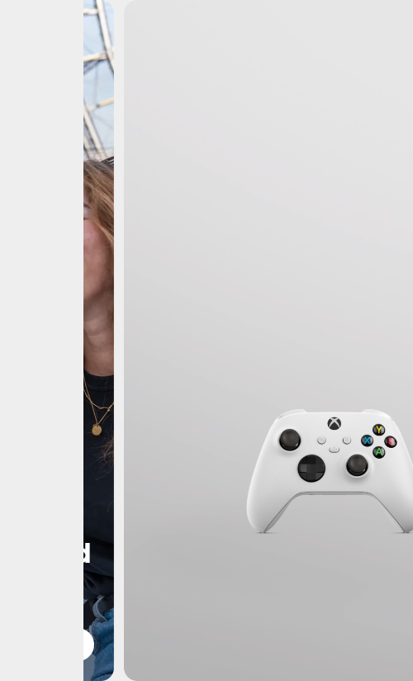
https://www.coca-cola.com/at/de | teaser-de664c4b2f-cta-662831d49c: teaser-de664c4b2f-cta-662831d49c: {"@type":"cep/components/teaser/cta","dc:title":"Mehr erfahren","xdm:linkURL":"/at/de/social/aus-oesterreich-fuer-dich/verlaessliche-partnerschaft.html"} | 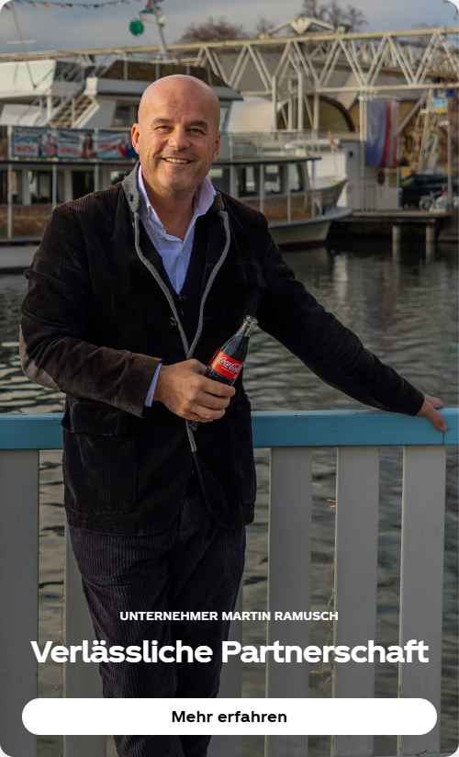
https://www.coca-cola.com/at/de | teaser-868ab513b5-cta-4b4bb20b9e: teaser-868ab513b5-cta-4b4bb20b9e: {"@type":"cep/components/teaser/cta","dc:title":"Mehr erfahren","xdm:linkURL":"/at/de/social/gasba-2024-finale.html"} | 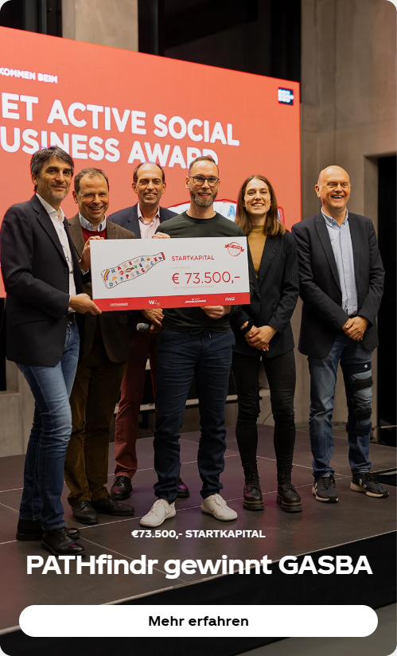
https://www.coca-cola.com/at/de | teaser-fea21b8bb2-cta-2bc79e0fef: teaser-fea21b8bb2-cta-2bc79e0fef: {"@type":"cep/components/teaser/cta","dc:title":"Mehr erfahren","xdm:linkURL":"/at/de/offerings/creations.html"} | 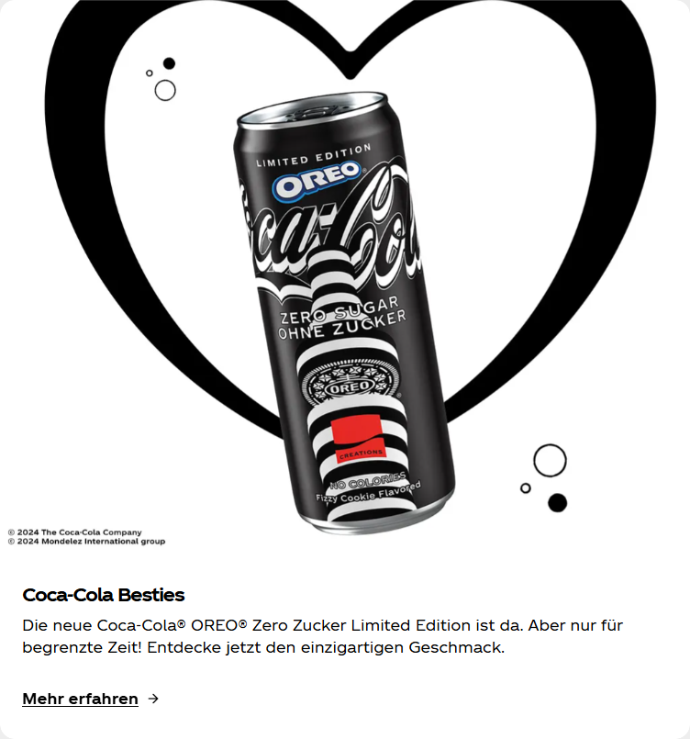
https://www.coca-cola.com/at/de | teaser-66a7ad27e9-cta-04479342fb: teaser-66a7ad27e9-cta-04479342fb: {"@type":"cep/components/teaser/cta","dc:title":"Jetzt herunterladen","xdm:linkURL":"/at/de/offerings/coca-cola-app.html"} | 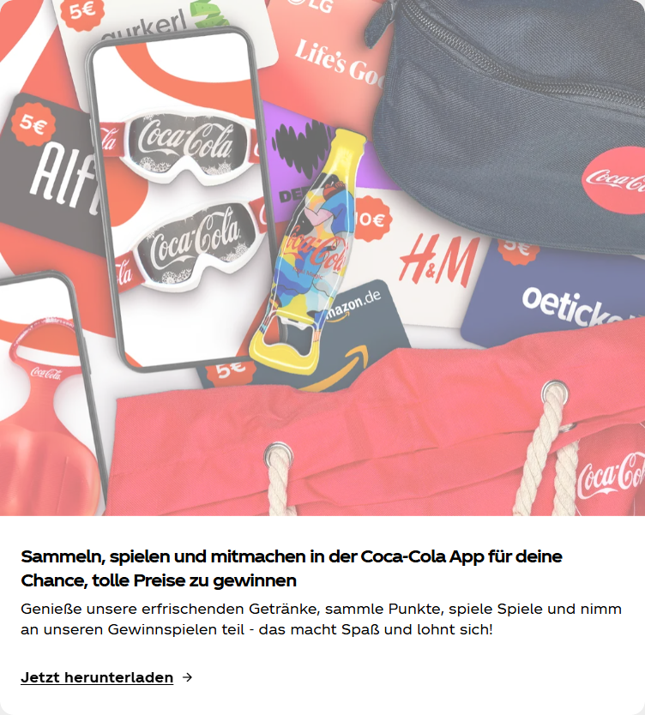
https://www.coca-cola.com/at/de | teaser-1c3f8963a9-cta-1b2cbbfd8c: teaser-1c3f8963a9-cta-1b2cbbfd8c: {"@type":"cep/components/teaser/cta","dc:title":"Mehr erfahren","xdm:linkURL":"/at/de/sustainability/this-is-happening.html"} | 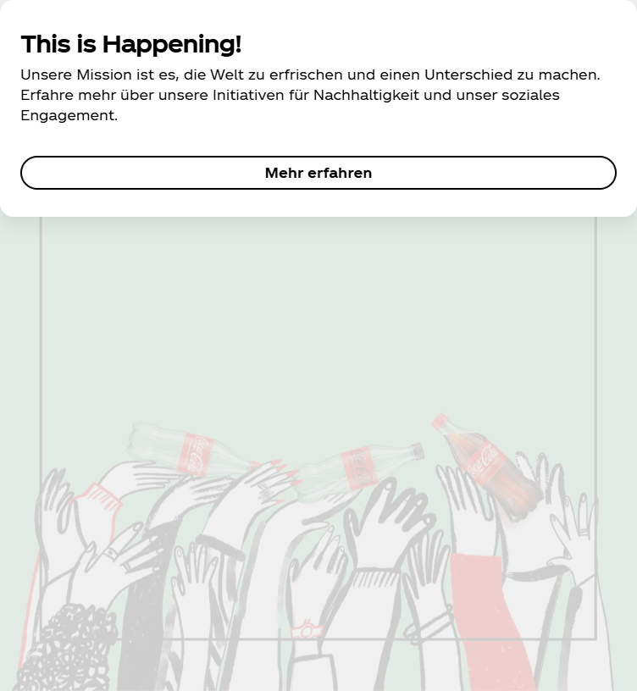
https://www.coca-cola.com/at/de | teaser-c14a976ad1-cta-5f82f4fb39: teaser-c14a976ad1-cta-5f82f4fb39: {"@type":"cep/components/teaser/cta","dc:title":"Mehr erfahren","xdm:linkURL":"/at/de/sustainability.html"} | 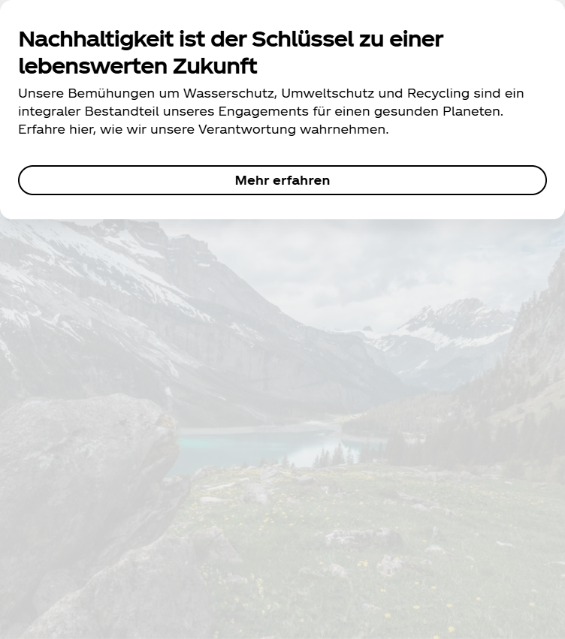
https://www.coca-cola.com/at/de | teaser-6583719f20-cta-e1de7d965f: teaser-6583719f20-cta-e1de7d965f: {"@type":"cep/components/teaser/cta","dc:title":"Mehr erfahren","xdm:linkURL":"/at/de/social.html"} | 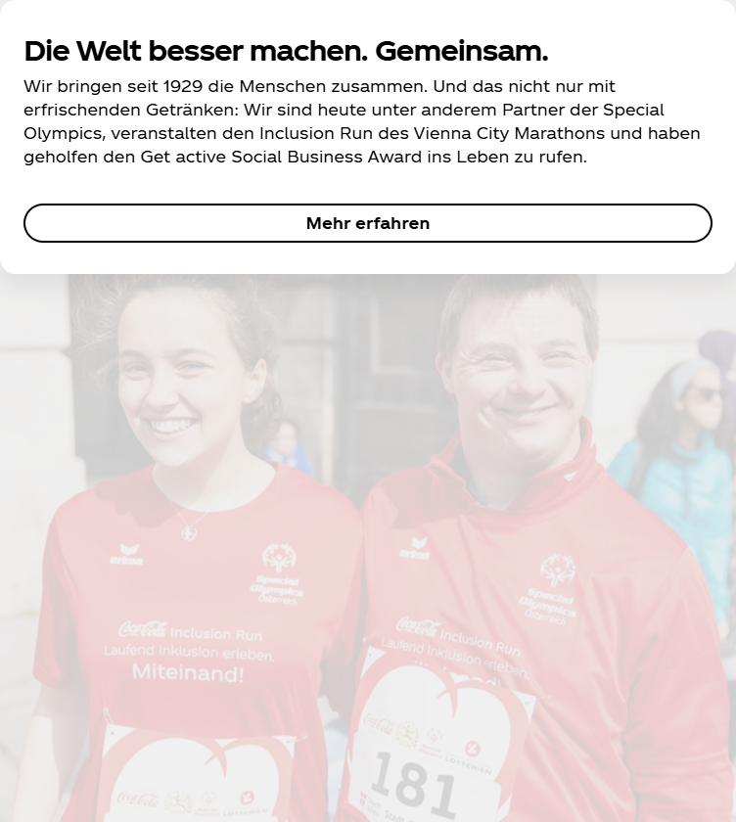
https://www.coca-cola.com/at/de | button-d5880099a2: button-d5880099a2: {"@type":"cep/components/button","repo:modifyDate":"2023-07-04T10:32:44Z","dc:title":"Alles ansehen","xdm:linkURL":"/at/de/brands.html"}
https://www.coca-cola.com/at/de | button-f945f7eb45: button-f945f7eb45: {"@type":"cep/components/button","repo:modifyDate":"2023-07-03T12:34:35Z","dc:title":"Austria","xdm:linkURL":"/country-selector.html"}
https://www.coca-cola.com/at/de | button-1f9b6e4563: button-1f9b6e4563: {"@type":"cep/components/button","repo:modifyDate":"2023-07-03T12:35:45Z","dc:title":"Facebook","xdm:linkURL":"https://www.facebook.com/cocacolaaustria/"} | 
https://www.coca-cola.com/at/de | button-ed227ab236: button-ed227ab236: {"@type":"cep/components/button","repo:modifyDate":"2023-07-03T12:36:14Z","dc:title":"Instagram","xdm:linkURL":"https://www.instagram.com/cocacola_at/"} | 
https://www.coca-cola.com/at/de | button-f2d66e826c: button-f2d66e826c: {"@type":"cep/components/button","repo:modifyDate":"2023-07-03T12:36:34Z","dc:title":"Youtube","xdm:linkURL":"https://www.youtube.com/user/CocaColaAustria"} | 

